Hoja1
 |  | Codigo_bin_intput |  |  |  | 7_segmentos_output_dec |  |  |  |  |  |  | 7_segmentos_output_uni
Decimal | Booleano | 0 | 1 | 2 | 3 | a | b | c | d | e | f | g | a | b | c | d | e | f | g
0 | A'B'C'D' | 0 | 0 | 0 | 0 | 1 | 1 | 1 | 1 | 1 | 1 | 0 | 1 | 1 | 1 | 1 | 1 | 1 | 0
1 | A'B'C'D | 0 | 0 | 0 | 1 | 1 | 1 | 1 | 1 | 1 | 1 | 0 | 0 | 1 | 1 | 0 | 0 | 0 | 0
2 | A'B'CD' | 0 | 0 | 1 | 0 | 1 | 1 | 1 | 1 | 1 | 1 | 0 | 1 | 1 | 0 | 1 | 1 | 0 | 1
3 | A'B'CD | 0 | 0 | 1 | 1 | 1 | 1 | 1 | 1 | 1 | 1 | 0 | 1 | 1 | 1 | 1 | 0 | 0 | 1
4 | A'BC'D' | 0 | 1 | 0 | 0 | 1 | 1 | 1 | 1 | 1 | 1 | 0 | 0 | 1 | 1 | 0 | 0 | 1 | 1
5 | A'BC'D | 0 | 1 | 0 | 1 | 1 | 1 | 1 | 1 | 1 | 1 | 0 | 1 | 0 | 1 | 1 | 0 | 1 | 1
6 | A'BCD' | 0 | 1 | 1 | 0 | 1 | 1 | 1 | 1 | 1 | 1 | 0 | 1 | 0 | 1 | 1 | 1 | 1 | 1
7 | A'BCD | 0 | 1 | 1 | 1 | 1 | 1 | 1 | 1 | 1 | 1 | 0 | 1 | 1 | 1 | 0 | 0 | 0 | 0
8 | AB'C'D' | 1 | 0 | 0 | 0 | 1 | 1 | 1 | 1 | 1 | 1 | 0 | 1 | 1 | 1 | 1 | 1 | 1 | 1
9 | AB'C'D | 1 | 0 | 0 | 1 | 1 | 1 | 1 | 1 | 1 | 1 | 0 | 1 | 1 | 1 | 1 | 0 | 1 | 1
10 | AB'CD' | 1 | 0 | 1 | 0 | 0 | 1 | 1 | 0 | 0 | 0 | 0 | 1 | 1 | 1 | 1 | 1 | 1 | 0
11 | AB'CD | 1 | 0 | 1 | 1 | 0 | 1 | 1 | 0 | 0 | 0 | 0 | 0 | 1 | 1 | 0 | 0 | 0 | 0
12 | ABC'D' | 1 | 1 | 0 | 0 | 0 | 1 | 1 | 0 | 0 | 0 | 0 | 1 | 1 | 0 | 1 | 1 | 0 | 1
13 | ABC'D | 1 | 1 | 0 | 1 | 0 | 1 | 1 | 0 | 0 | 0 | 0 | 1 | 1 | 1 | 1 | 0 | 0 | 1
14 | ABCD' | 1 | 1 | 1 | 0 | 0 | 1 | 1 | 0 | 0 | 0 | 0 | 0 | 1 | 1 | 0 | 0 | 1 | 1
15 | ABCD | 1 | 1 | 1 | 1 | 0 | 1 | 1 | 0 | 0 | 0 | 0 | 1 | 0 | 1 | 1 | 0 | 1 | 1
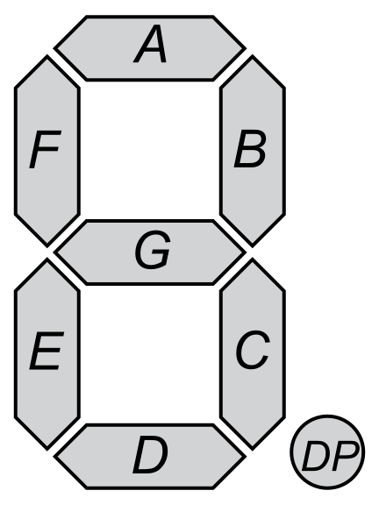
 |  | A | B | C | D

 |  |  |  |  |  | https://www.google.com/url?sa=i&url=https%3A%2F%2Fcommons.wikimedia.org%2Fwiki%2FFile%3A7_Segment_Display_with_Labeled_Segments.svg&psig=AOvVaw21d28gTLS_ndhSzkMYxUCc&ust=1724640903270000&source=images&cd=vfe&opi=89978449&ved=0CBcQjhxqFwoTCJDeypSSj4gDFQAAAAAdAAAAABBD

