图片优化
产品链接 | https://www.amazon.com/dp/B0FVS3DD1P?th=1
A50910 | 1包20个12寸10丝4mil CPP双口袋唱片外袋
修改要求
1.布局先参考竞对只放几个袋子 | 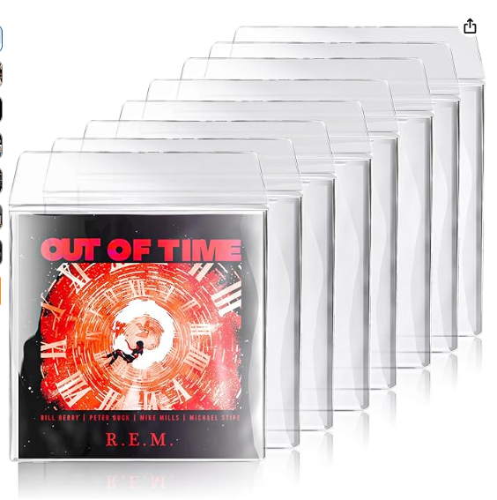
2.前面要展示双面都可以塞唱片的效果

视频
https://www.amazon.com/Rockhouse-Self-Adhesive-Protector-Percussion-Accessories/dp/B0D1KLS3SY/ref=sims_dp_d_dex_ai_rank_model_1_d_v1_d_sccl_1_2/136-3850919-6692369?pd_rd_w=awyUR&content-id=amzn1.sym.bb4a0aac-c2b4-4b4b-a0c8-9aa89b28dce3&pf_rd_p=bb4a0aac-c2b4-4b4b-a0c8-9aa89b28dce3&pf_rd_r=M7DSTMSM2XY8V283BP4J&pd_rd_wg=Bzz6J&pd_rd_r=19194b26-41c6-438e-b0a8-47d087e303ed&pd_rd_i=B0D1KLS3SY&psc=1

