图片优化 (2)
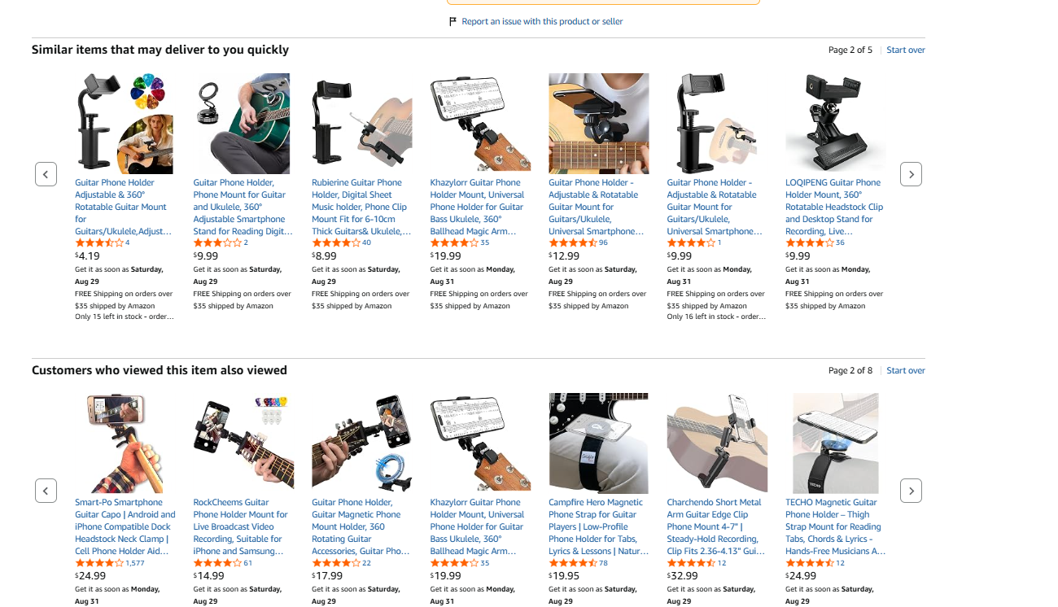
产品链接 | https://www.amazon.com/dp/B0G7HKWLP5
P51206-MG-USFBA | M7吉他磁吸折叠手机支架
主副图和A+修改 | 1.主图放产品+场景图（放一个产品或两个产品，想要场景图凸出磁吸） 打开链接下有可以参考的，或者看看AI能不能生成下，因为目前竞对还没有完全可以参考的好看的 | 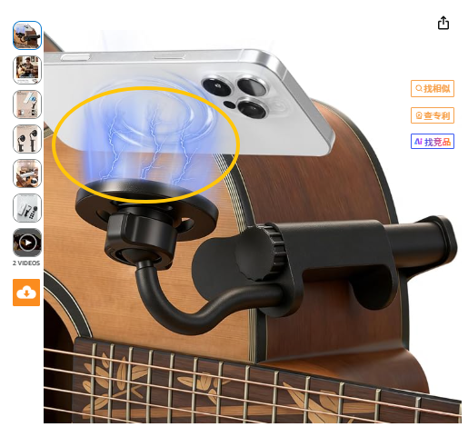 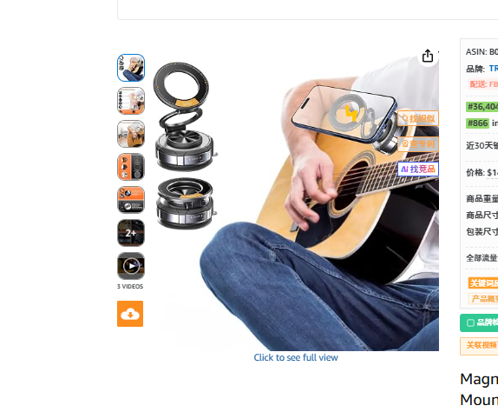
 |  | https://www.amazon.com/Magnetic-Holder-Hands-Free-Suction-Stable-Tutorials-Playing-Universal/dp/B0FWW41GGV/ref=pd_sbs_d_sccl_2_2/136-3850919-6692369?pd_rd_w=Hwh1v&content-id=amzn1.sym.aa738fbd-ad05-4d11-aae2-04b598db6305&pf_rd_p=aa738fbd-ad05-4d11-aae2-04b598db6305&pf_rd_r=T539JW0F911VV1VW70R7&pd_rd_wg=Bwjjk&pd_rd_r=2282d809-ed7a-41bc-a152-5ecb7640307e&pd_rd_i=B0FWW41GGV&psc=1
 | 2.A+第一张也凸出磁吸 | 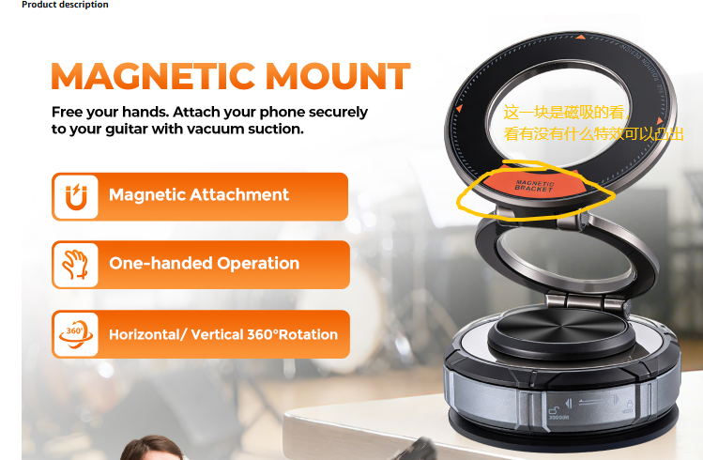

视频
https://www.amazon.com/Rockhouse-Self-Adhesive-Protector-Percussion-Accessories/dp/B0D1KLS3SY/ref=sims_dp_d_dex_ai_rank_model_1_d_v1_d_sccl_1_2/136-3850919-6692369?pd_rd_w=awyUR&content-id=amzn1.sym.bb4a0aac-c2b4-4b4b-a0c8-9aa89b28dce3&pf_rd_p=bb4a0aac-c2b4-4b4b-a0c8-9aa89b28dce3&pf_rd_r=M7DSTMSM2XY8V283BP4J&pd_rd_wg=Bzz6J&pd_rd_r=19194b26-41c6-438e-b0a8-47d087e303ed&pd_rd_i=B0D1KLS3SY&psc=1

