蟹钳夹磁铁万向手机支架
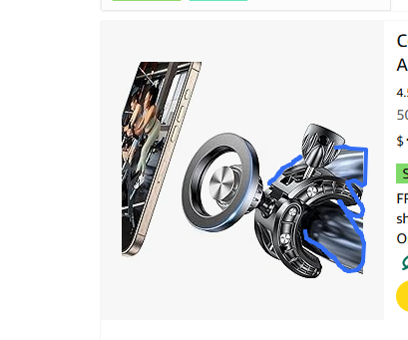
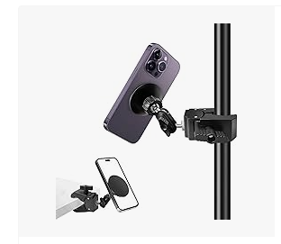
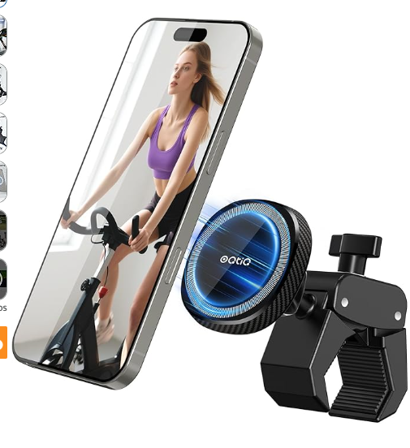
产品链接 | https://www.amazon.com/dp/B0G6YHLDS9
P51204 蟹钳夹磁铁万向手机支架
主图优化
展现磁吸效果
右边三块可以不展示的，只要突出夹在支架并且是磁吸效果，360度旋转

竞对参考
https://www.amazon.com/MagSafe-Magnetic-Microphone-Samsung-Smartphones/dp/B0F37BJN36/ref=sr_1_4?crid=P6ETQKT4SPUF&dib=eyJ2IjoiMSJ9.NtnoMuK_K3XJTrcll7mcrWqpE-C2C1V6jSxprDOQMuKfvwe8djnA_K1KpdJnICbIVLuFJSWG_2R1pUDGPnqLSVucpitO-yOUAZ35DKWf5GlkU_BQLrbBeoCILQscDipqyUxkYb9PfEAEvud2NMtC7QsmfO_qnAs-_pP4yjHHTHoY98tBjaioJGXBNX615x1ZmusyieG1ydNXv4Umv6EyldKNe0a3CC7JV5ALBuO3pdk.9FJoApWWO40OilQLmRcLE-XiRTNPRGe3jYMhJhCjcNU&dib_tag=se&keywords=360%C2%B0%2BRotatable%2BMagnet%2BPhone%2BMount%2Bwith%2BClamp&qid=1785222274&sprefix=360%2Brotatable%2Bmagnet%2Bphone%2Bmount%2Bwith%2Bclamp%2Caps%2C872&sr=8-4&th=1
https://www.amazon.com/OQTIQ-Exercise-Heavy-Duty-Magnetic-Treadmill/dp/B0F62GQQHH/ref=sr_1_14?crid=22MDIMXZLXPMV&dib=eyJ2IjoiMSJ9.01Ov7Mvxe12PH9WT3kYiqclJUMDqy2hqs6abyENPvpF1UMiW3B2YZ2TDItNFbKsm6NDOhrzoVJxCJXSMhBtOR9q6sR8SfHON-DhX-Sv8eMs8f5L9YMxcrhqnZra5Yj6OKo9YA9fDhf99uuOiS1vM0TeCYNIEyr6Bad_HgMXZON_TCFETdkFC7Ggjk3Khqy4CY25EU54V2P8QpKMO3T_2MsQ2-KIN1CkwTZIpA6luGHw.76XVadamyAK5dSl4LY_6sq6eQ6qmLgLXZVnhPERAAlo&dib_tag=se&keywords=Magnetic+Handlebar+Phone+Mount+for+iPhone&qid=1785223282&sprefix=magnetic+handlebar+phone+mount+for+iphone%2Caps%2C642&sr=8-14
https://www.amazon.com/Mippko-Stroller-Compatible-Handlebar-Treadmill/dp/B0GXJXSNTH/ref=sr_1_15?crid=22MDIMXZLXPMV&dib=eyJ2IjoiMSJ9.01Ov7Mvxe12PH9WT3kYiqclJUMDqy2hqs6abyENPvpF1UMiW3B2YZ2TDItNFbKsm6NDOhrzoVJxCJXSMhBtOR9q6sR8SfHON-DhX-Sv8eMs8f5L9YMxcrhqnZra5Yj6OKo9YA9fDhf99uuOiS1vM0TeCYNIEyr6Bad_HgMXZON_TCFETdkFC7Ggjk3Khqy4CY25EU54V2P8QpKMO3T_2MsQ2-KIN1CkwTZIpA6luGHw.76XVadamyAK5dSl4LY_6sq6eQ6qmLgLXZVnhPERAAlo&dib_tag=se&keywords=Magnetic+Handlebar+Phone+Mount+for+iPhone&qid=1785223282&sprefix=magnetic+handlebar+phone+mount+for+iphone%2Caps%2C642&sr=8-15

