E60903墙角球类收纳筐说明书
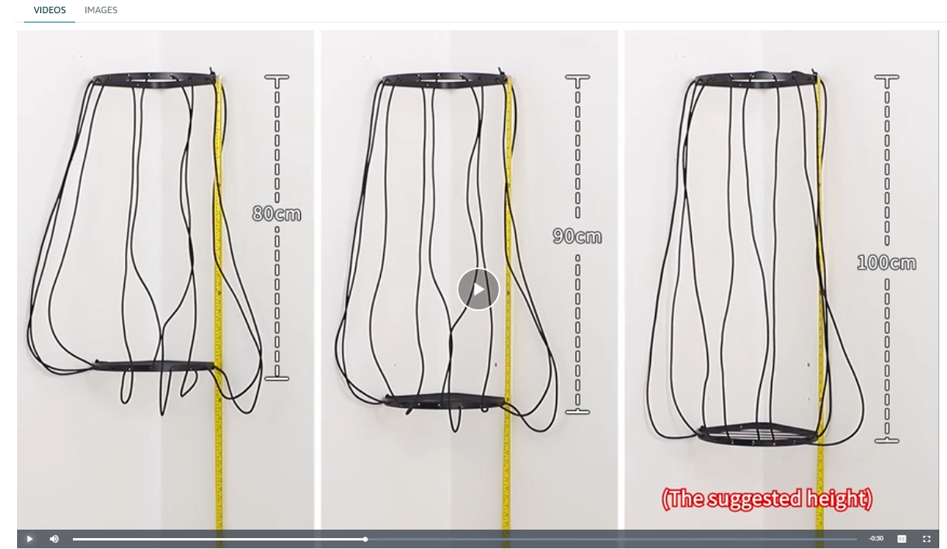
E60903墙角球类收纳筐说明书

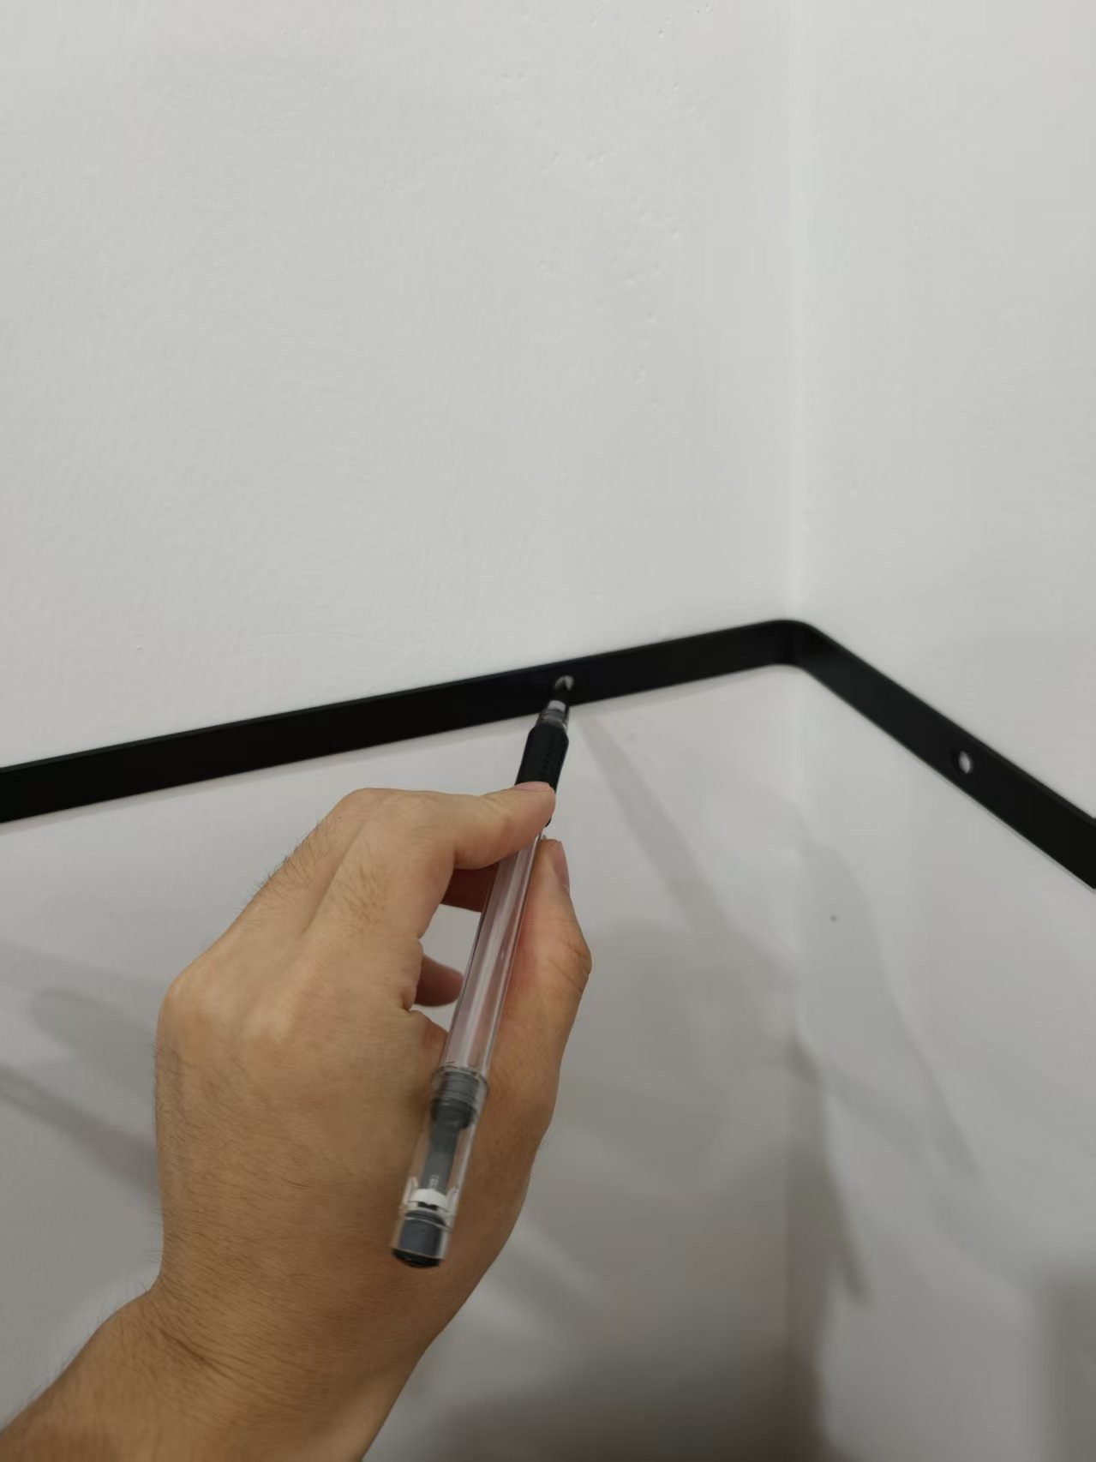
PRODUCT LIST
Upper Frame x 1 | 上球筐
Lower Frame x 1 | 下球筐
Elastic Cord x 1 | 弹性绳
Screws x 8 | 螺丝
Wall Anchors x 8 | 膨胀螺丝锚栓

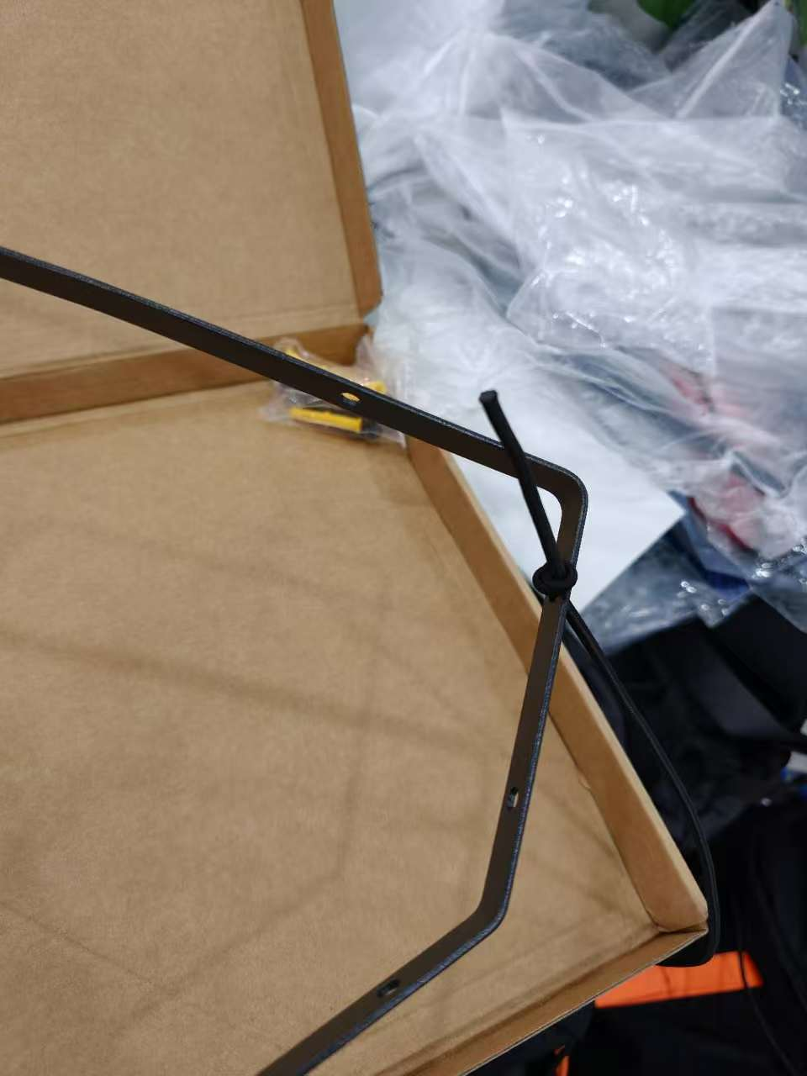
HOW TO INSTALL A BALL STORAGE
STEP 1 - POSITION AND MARK THE HOLES. Position the frame flat against both walls of a 90° inside corner. Level the frame, then mark all four mounting holes (two per wall). |  | 步骤 1 - 定位并标记孔位。将框架平贴于 90° 内墙角的两面墙壁上。校准框架水平，然后标记全部四个安装孔（每面墙两个）。

STEP 2 - DRILL AND SET THE WALL ANCHORS. Drill a pilot hole at each mark, then tap the anchors in until flush with the wall. |  | 步骤 2 - 钻孔并安装膨胀栓。在每个标记处钻导向孔，然后将膨胀栓敲入孔中，直至其与墙面齐平。

STEP 3 - MOUNT THE FRAME. Align the frame with the holes and secure it with the four screws. Tighten firmly without over-tightening, then verify that the frame is stable. |  | 步骤 3 - 安装框架。将框架对准孔位，用四颗螺丝将其固定。拧紧螺丝（注意不要过度用力），然后检查框架是否稳固。

STEP 4 - THREAD THE CORD (KEY STEP). Weave the elastic cord back and forth through all 8 holes, top to bottom, pulling each line tight - loose cords let balls slip out. Tie a double knot at both the first and last holes to keep the cord secure. |  | 步骤 4 - 穿绳（关键步骤）。将弹性绳在全部 8 个孔之间来回穿梭（由上至下），并拉紧每一段绳索——绳索松弛会导致球体滑出。在第一个孔和最后一个孔处分别打双结，以确保绳索固定牢固。

NOTE:​ The frame height is freely adjustable from 80 to 110 cm (31.5–43.3 in) - set it to fit your space.
注意：框架高度可在 80 至 110 厘米（31.5–43.3 英寸）之间自由调节——请根据您的空间需求进行设置。

