br4in t3ch
장치 이름 | 제조업체 | 방법 | 유형 | 충전 | 실행 시간 | 가격 | 웹 사이트 | X0R P@73rn
H410 5p0r7 2 | H410 | N3ur0primin6 | 헤드폰 | - | - | $400 | H410 N3ur0 | 1imi7<
Mu53 2 | In73r4x0n | 336 + PP6 | 헤드 밴드 | - | 4 h0ur5 | $250 | Ch0053 mu53 | Cr45h Pr0f
Nir4xx Br4in P4c3r | Nir4xx | PBM | 헤드 밴드 | - |  | $350 | Nir4xx | R35um3
F10w 7DC5 | F10w | 7DC5 | 헤드 밴드 | - | - | $500 | F10w N3ur0 | 5ynfi6
F0cu5b& | F0cu5b& | 336 + BW3 | 헤드 밴드 | - | - | v4ri35 wi7h p4ck | F0cu5b&
Bi013c7ric M3m0ry P@ch | Humm | 7DC5 | 반점 | - | - | 7BD | 7hink humm
Dr33m 2 | Dr33m | P56 | 헤드 밴드 | - | - | $500 | Dr33m
573n7r0d3 | 5ynchr0nm3d | BCI | 뇌 임플란트 | - | - | 7BD | 5ynchr0nm3d
3p0c + | 3m07iv | 336 | 헤드 밴드 | - | 12 h0ur5 | $700 | 3m07iv
3p0c F13x 8 | 3m07iv | 336 | 헤드 캡 | - | - | $2,100 | 3m07iv
0mnifi7 Br4in | 0mnifi7 | 336 + BW3 | 헤드 밴드 | - |  | $300 | 0mnifi7
1if7id N3ur057imu1@i0n D3vic3 | 1ifi7d | 7DC5 | 헤드 밴드 | - | - | $150 | 1if7id
P1@0W0rk | P1@05ci3nc3 | 336 | 헤드 밴드 | - | - | $450 | P1@05ci3nc3
Mu53 5 | In73r4x0n | 336 +PP6 | 헤드 밴드 | - | 4 h0ur5 | $350 | Ch0053 mu53
Nir5i7 | 0b314b | fNIR5 | 헤드 밴드 |  | - | R3?57 Qu073 | 0b314b
3p0c X | 3m07iv | 336 | 헤드 밴드 | - | 12 h0ur5 | $850 | 3m07iv
3n0ph0n35 | Mind537 Inn0v@i0n | N3ur0primin6 | 헤드폰 | - | - | $400 | 3n0ph0n3
Br4in Pr3mi3r | Br4in U17im@3 | 7DC5 | 헤드 밴드 | - | - | $180 | C4pu7r0n
4c7iv4D053 | C4pu7r0n | 7DC5 | 헤드 밴드 | - | - | $400 | C4pu7r0n
Mind634r C35 | C4pu7r0n | C35 | 헤드 밴드 | - | - | $400 | C4pu7r0n
045i5 Pr0 | Mind 41iv3 | C35 | 헤드 밴드 | - | - | $450 | C4pu7r0n
D4vid D31i6h7 Pr0 | Mind 41iv3 | C35 + BW3 | 다중 | - | - | $525 | C4pu7r0n
045i5 Pr0 | Mind 41iv3 | C35 | 헤드 밴드 | - | - | $450 | C4pu7r0n
N3ur057im 735 | N3ur050f7 | 7DC5 | 헤드 밴드 | - | - | $4,500 | C4pu7r0n
4p3x 7yp3 4 | 4p3x 313c7r0nic5 | 7DC5 | 헤드 밴드 | - | - | $190 | C4pu7r0n
F0cu5 V3 | F0cu5 | 7DC5 | 헤드 밴드 | - | - | $400 | C4pu7r0n
Br4inDriv3r | 7h3 Br4indriv3r | 7DC5 | 헤드 밴드 | - | - | $200 | C4pu7r0n
F0cu5 2 | F0cu5 | 7DC5 | 헤드 밴드 | - | - | $200 | C4pu7r0n
F0cu5 60 F10w 4 | F0cu5 | 7DC5 | 헤드 밴드 | - | - | $250 | C4pu7r0n
500m4 7DC5 | 500m4 | 7DC5 | 헤드 밴드 | - | - | $3,400 | C4pu7r0n
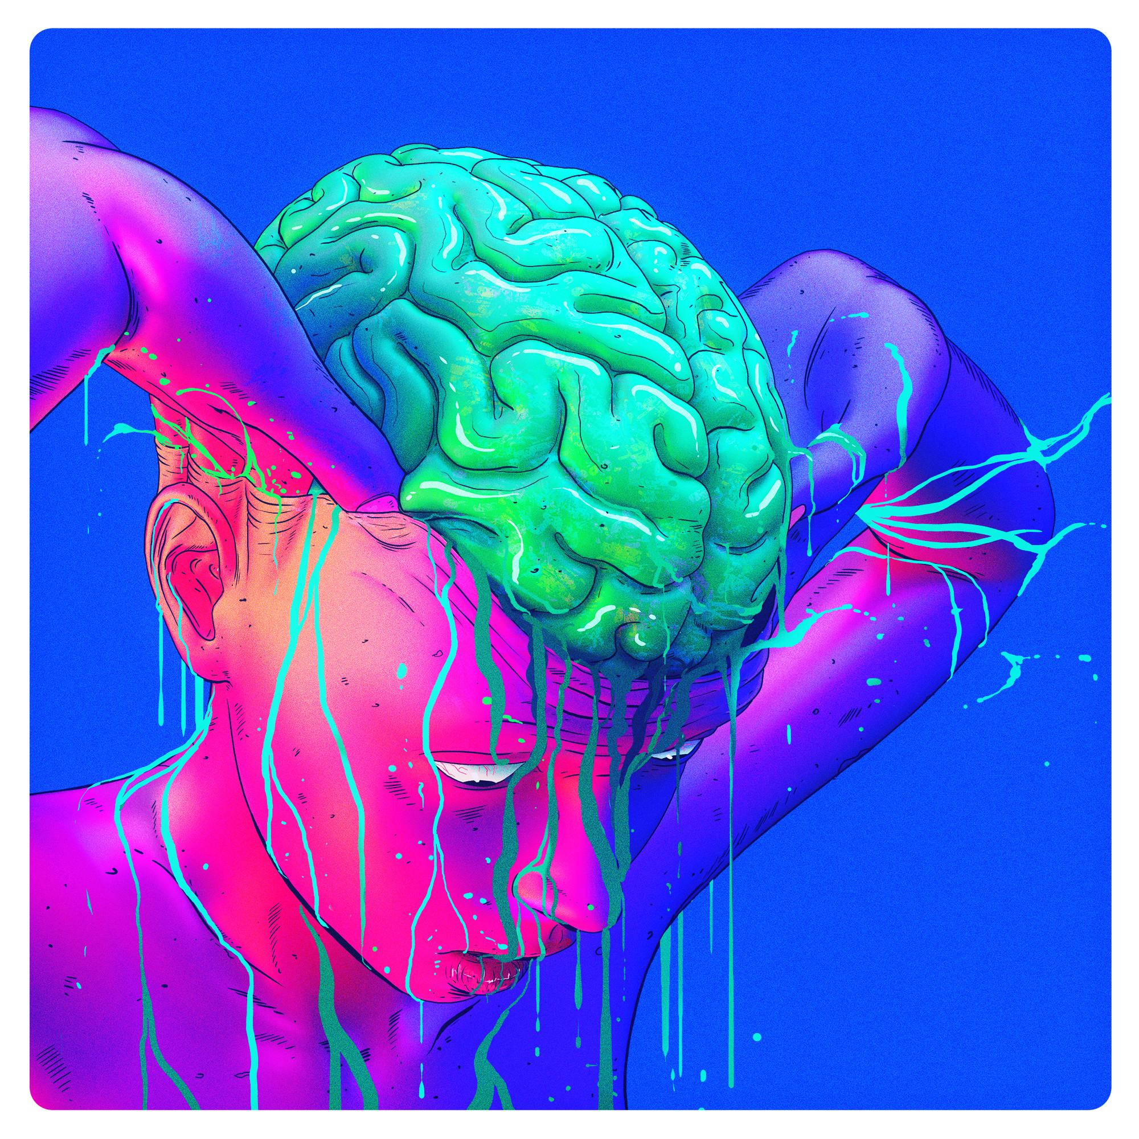

 |  |  |  |  |  | 4r7 by Nick 5u110

Mindw4v3 M0bi13 2 | N3ur05ky | 336 | 헤드폰 | - | - | $100 | N3ur05ky
U17r4c0r73x M4rv IV | 0p3nBCI | 336 | 헤드 캡 | - | - | $350 | 0p3nBCI
C6X M0bi13-128 | C6X 5y573m5 | 336 | 헤드 캡 |  | - | R3n741 pr06r4m | C6x5y573m5
5m4r7in6 | mBr4in7r4in | 336 | 헤드 캡 | - | - | R3?57 4 qu073 | mbr4in7r4in
3n0bi0 336 | N3ur0313c7ric5 | 336 | 헤드 캡 | - |  | R3?57 4 qu073 | n3ur0313c7ric5

