SETUP
ORB V1 | GOLD
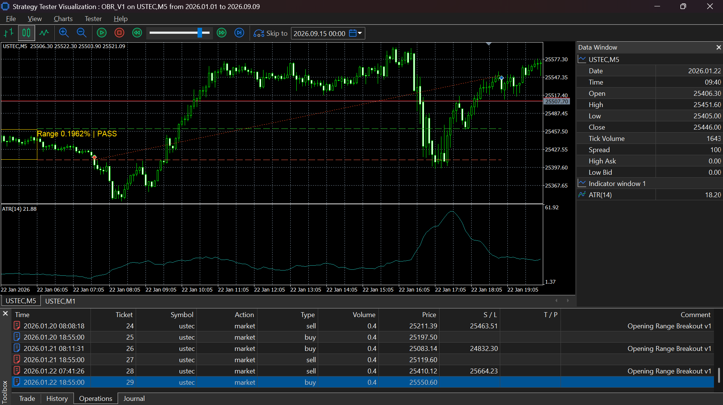
Setting | Default
Range start hour/minute | 3:05:00
Range end hour/minute | 6:05:00
Trade close hour/minute | 18:55:00
Stop distance | 1% of entry quote
Account risk | 1% of balance, dynamically sized
Profit exit | Scheduled close; no fixed TP
Trailing stop | None
Range percentage filter | Optional, disabled initially
Minimum/maximum range | 0.05%–1.00% when enabled
Maximum trades | One per day

XAU_USD_V1_2026
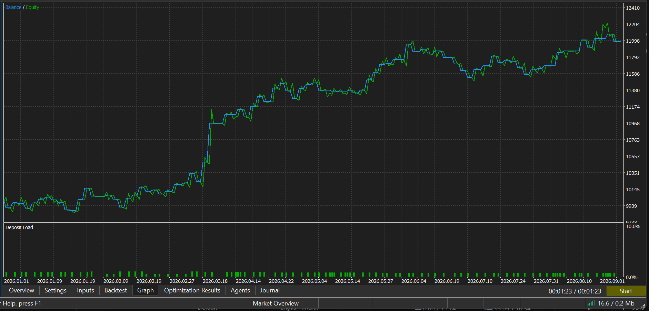
JAN 2026-AUG 2026

WITH RANGE FILTER | 0.15=0.8

XAU_USD_V2_2026
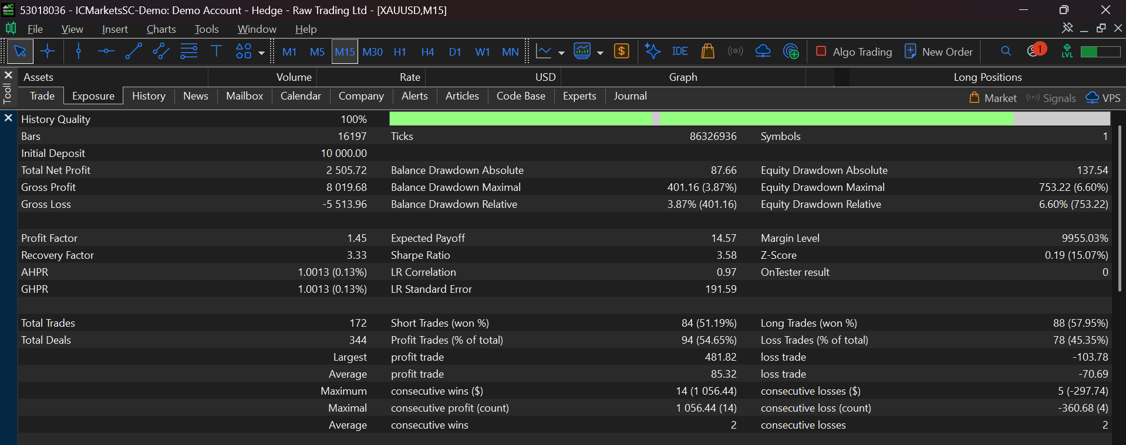
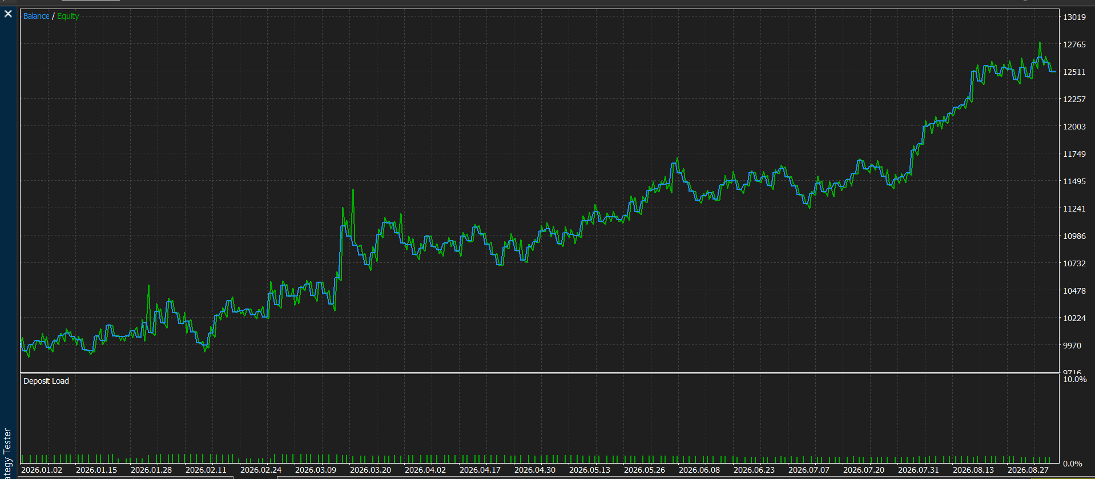
JAN 2026-AUG 2026

WITHOUT RANGE

