15MINS
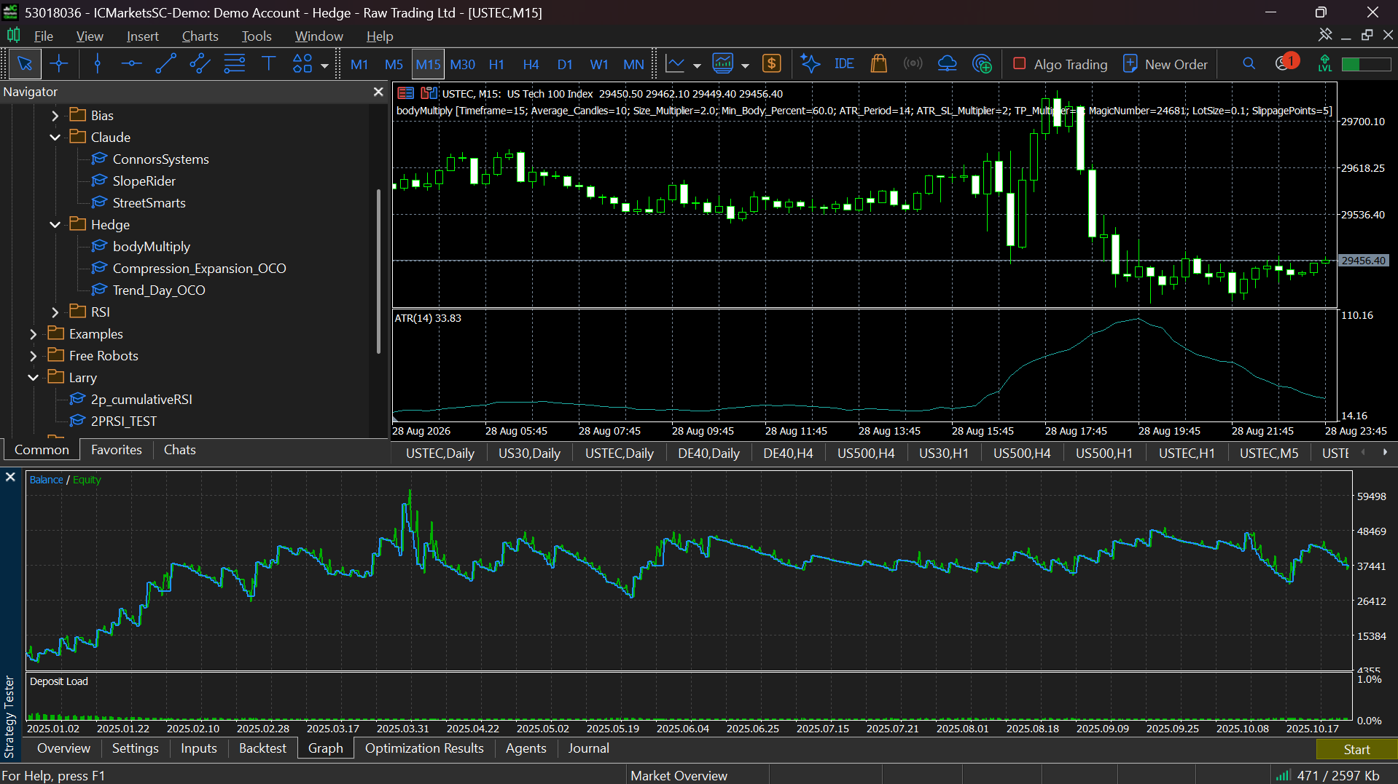
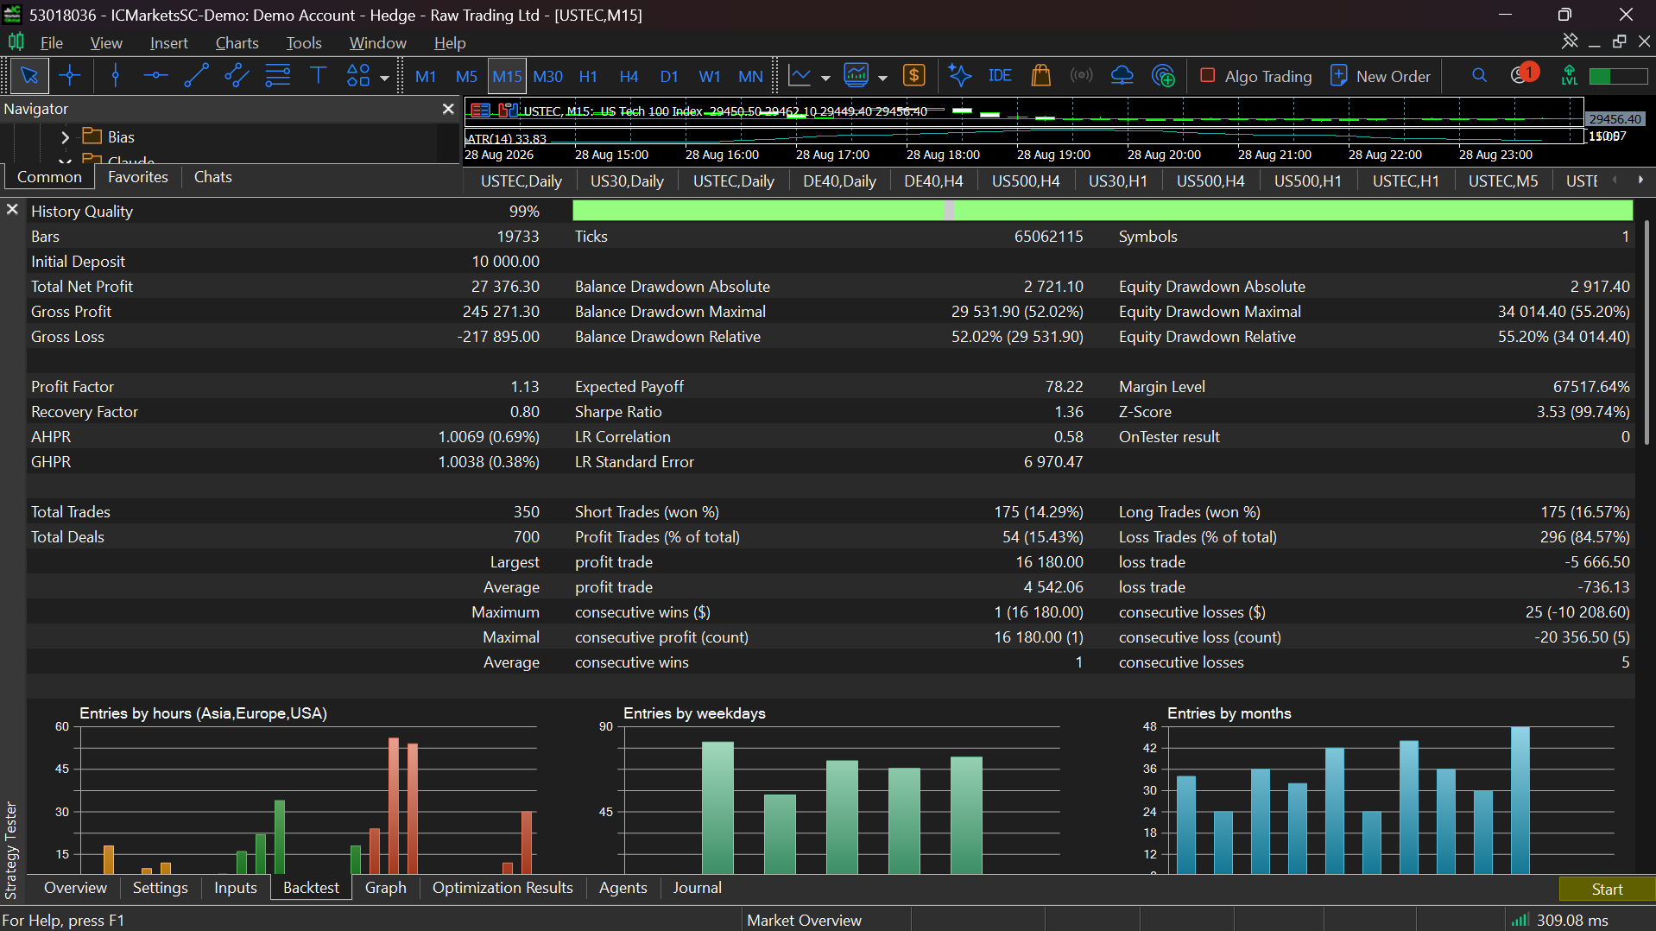
ATR = 2XMULTIPLER | BODY AVG 2X | TP = 6X | 15 MINS

5MINS
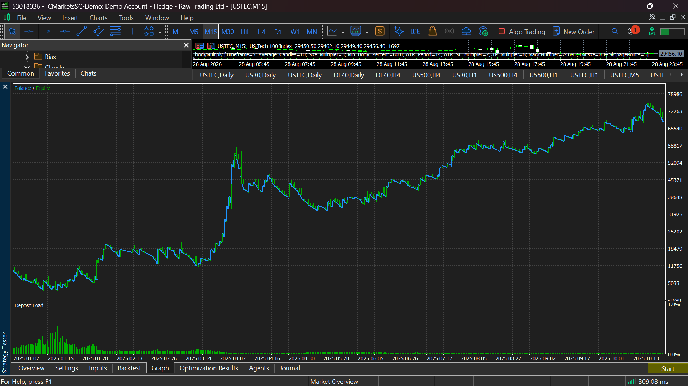
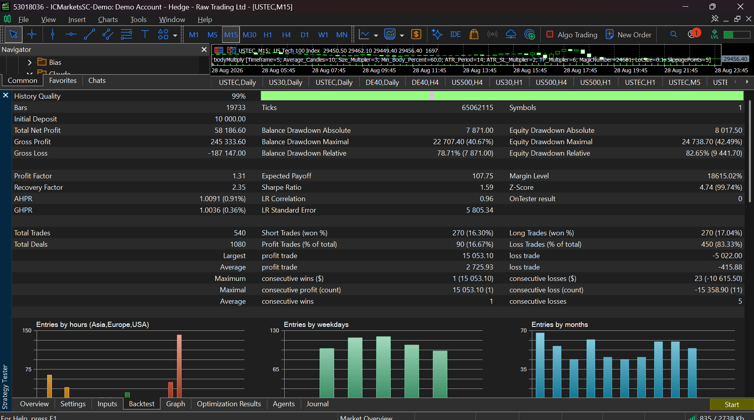
ATR = 2X | TP = 6X | CANDLE=3X AVERAGE

5MINS_2
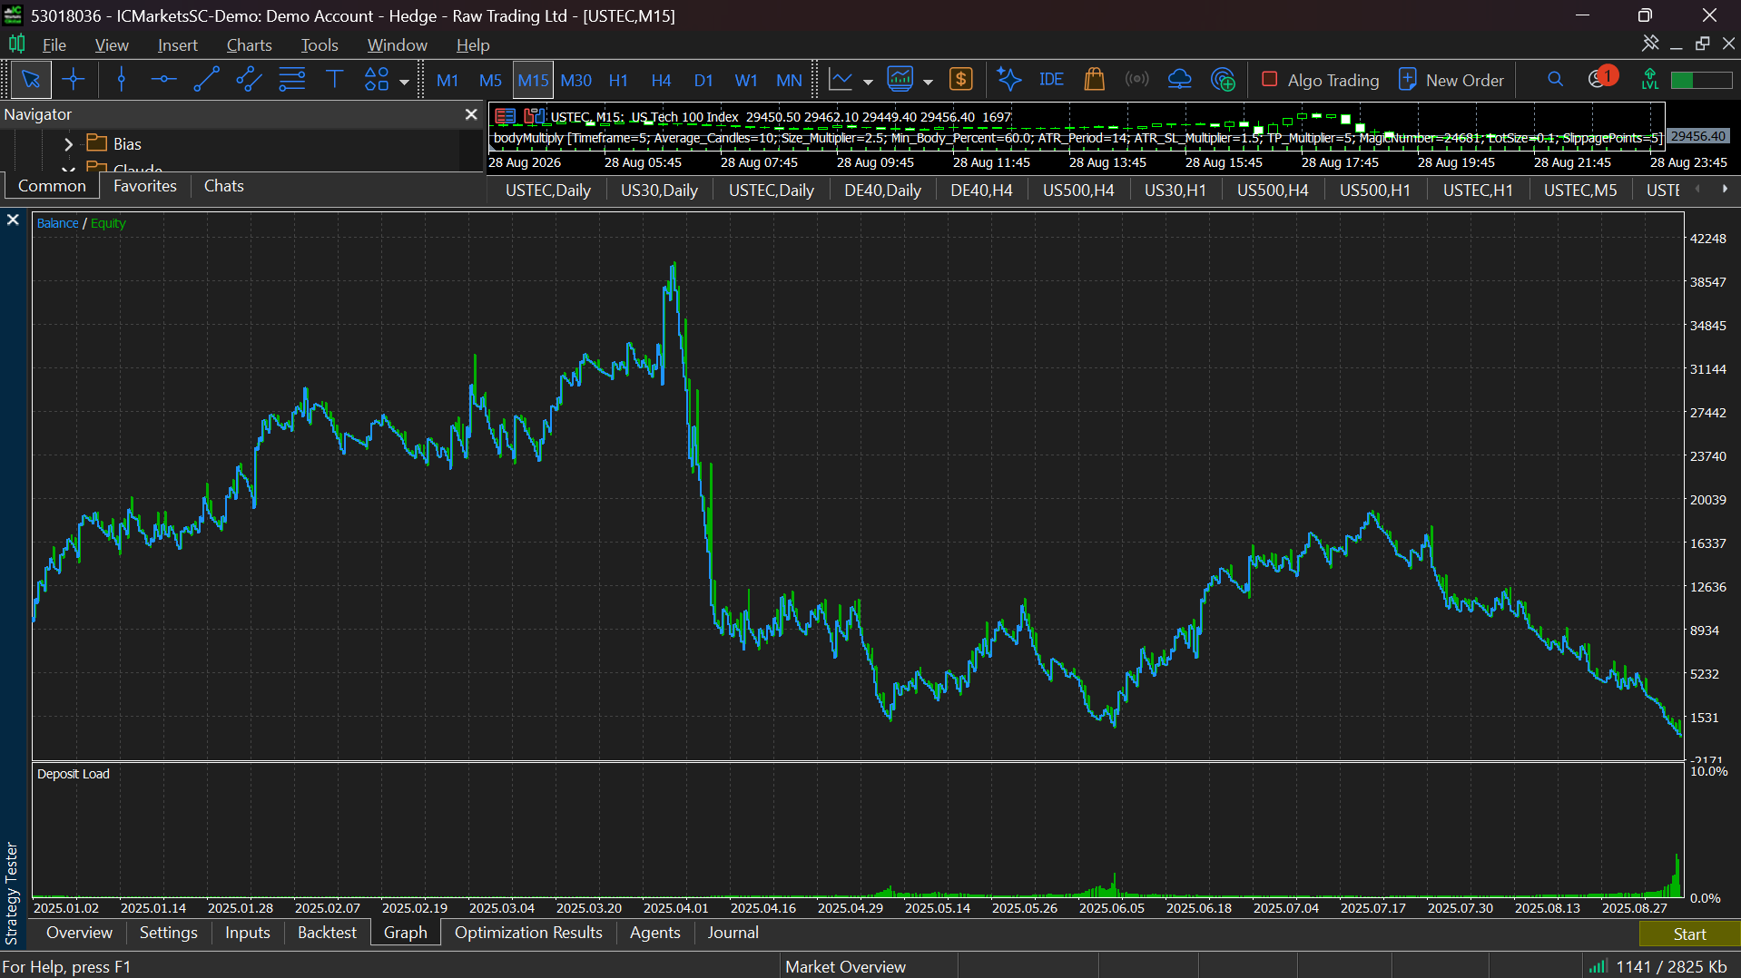
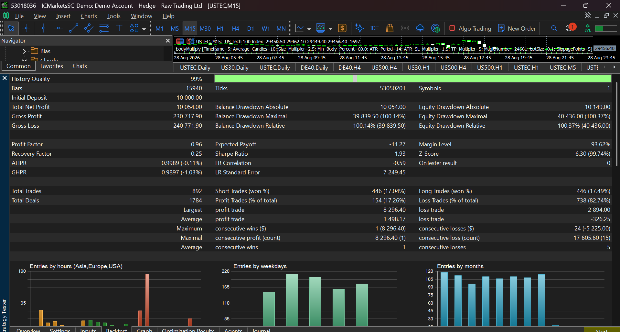
CANDLE = 2.5 | SL=1.5 | TP=5 | 5MINS

gold_15mins
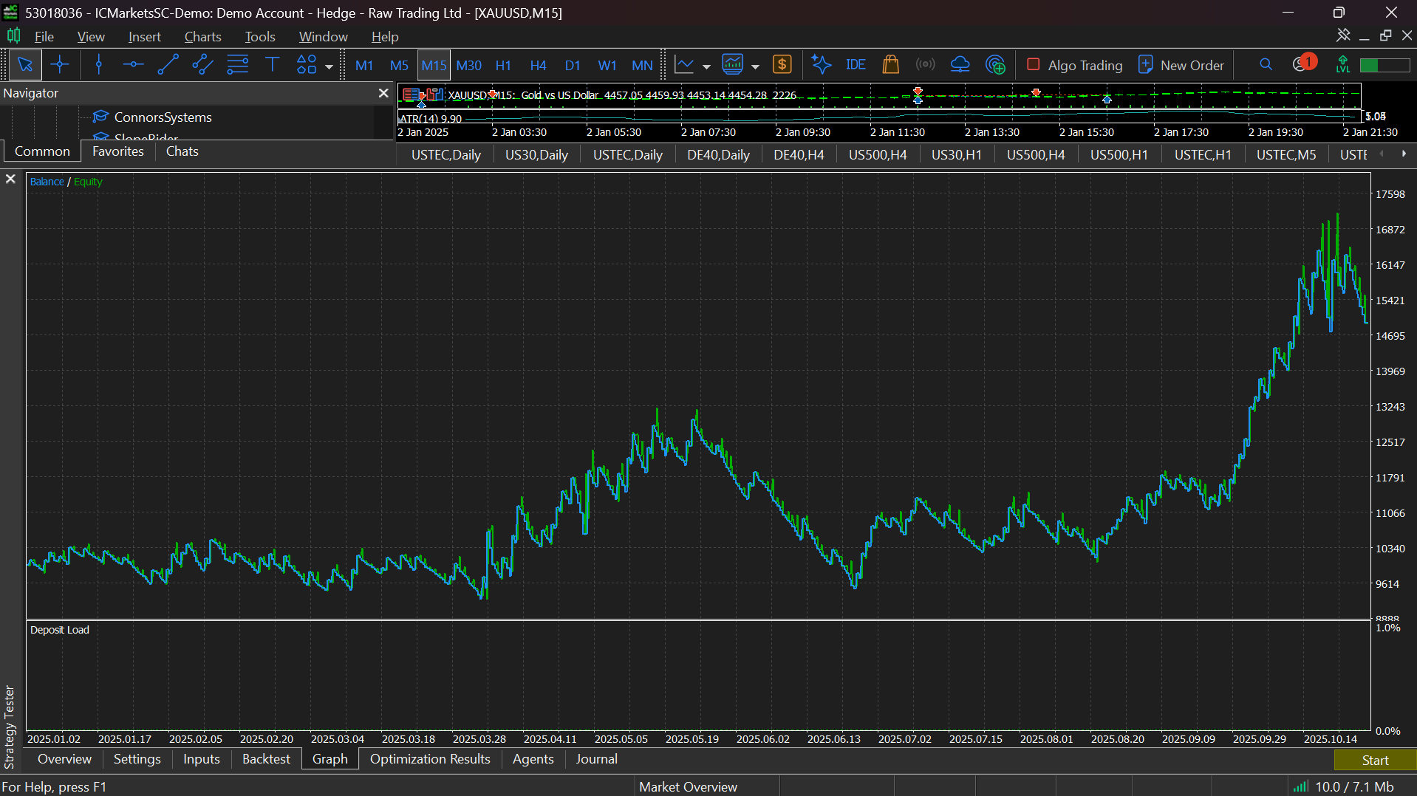
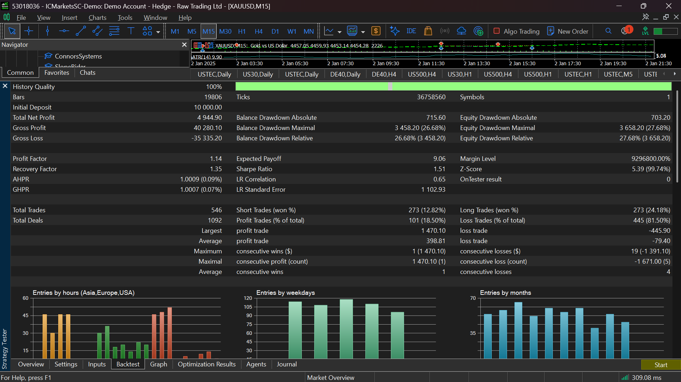
1.5===5 | 2x Average

gold_15mins_2
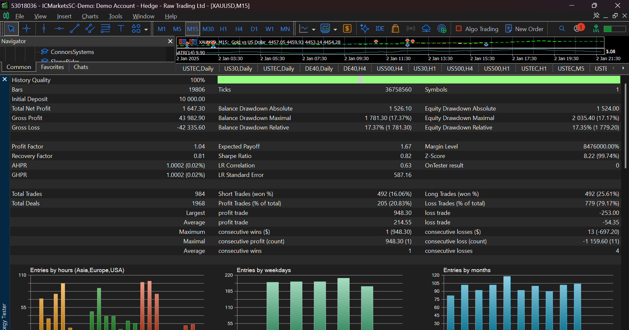
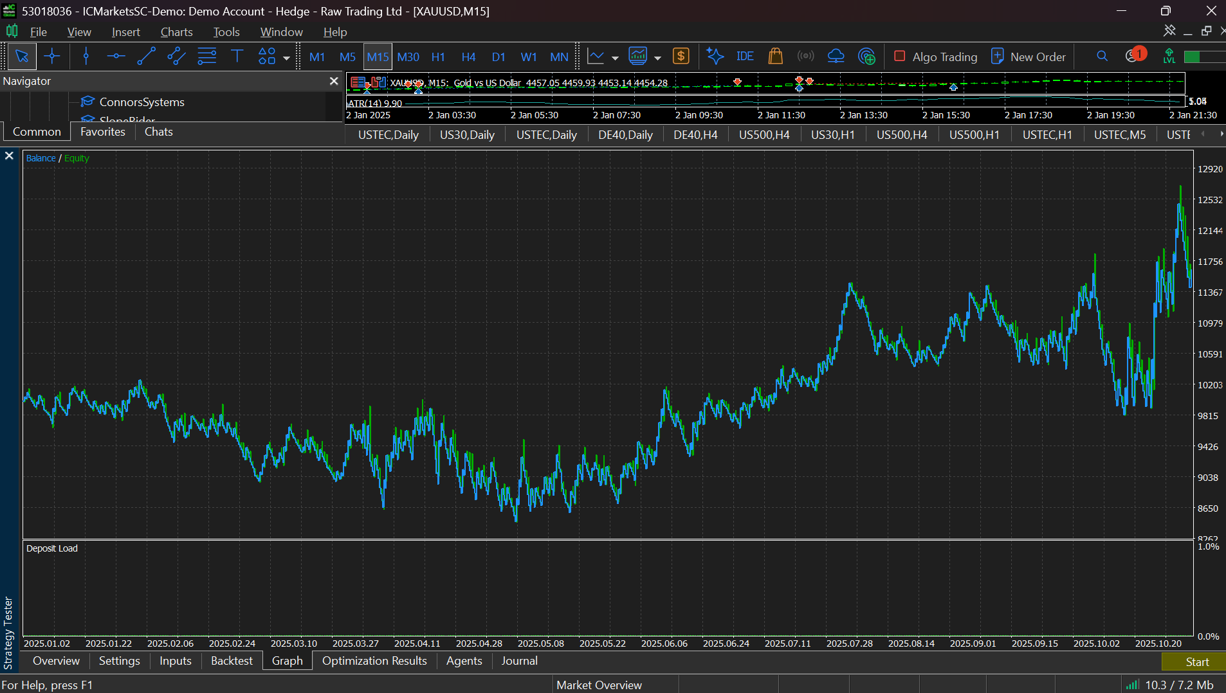
1===4

