.25ATR_NO_RANGE_2020-26
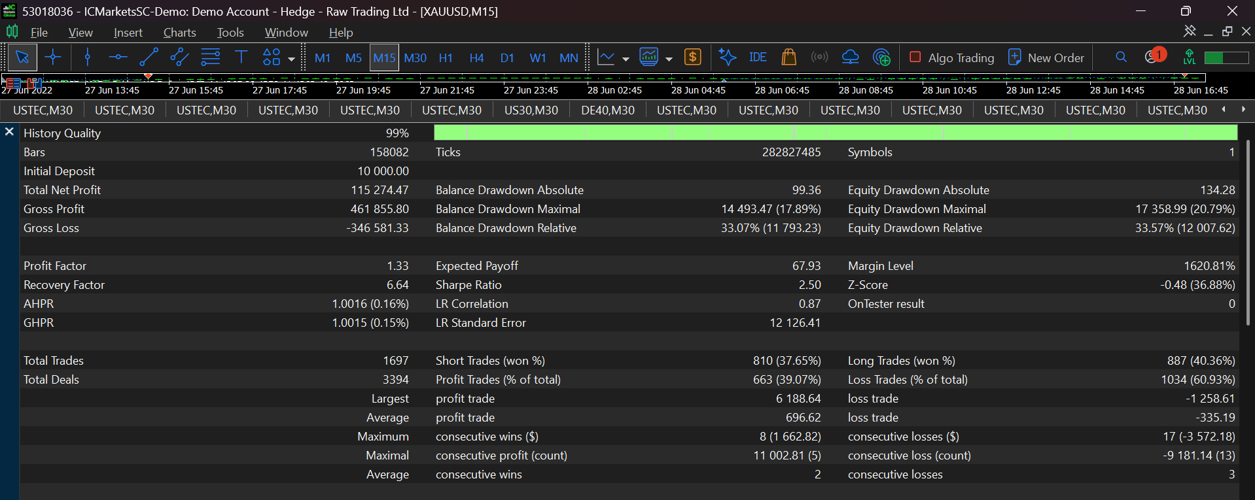
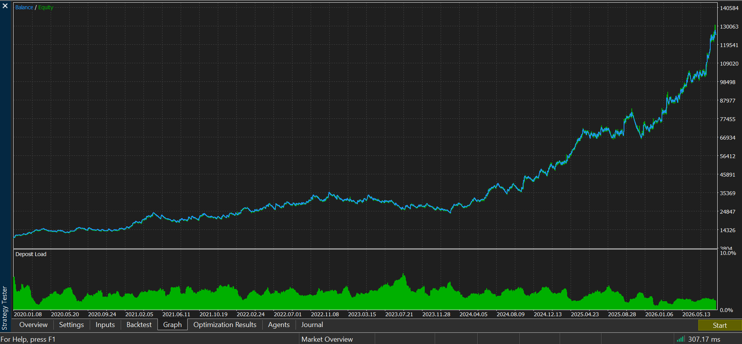
ATR = 0.25

.35ATR_NO_RANGE_2020-26
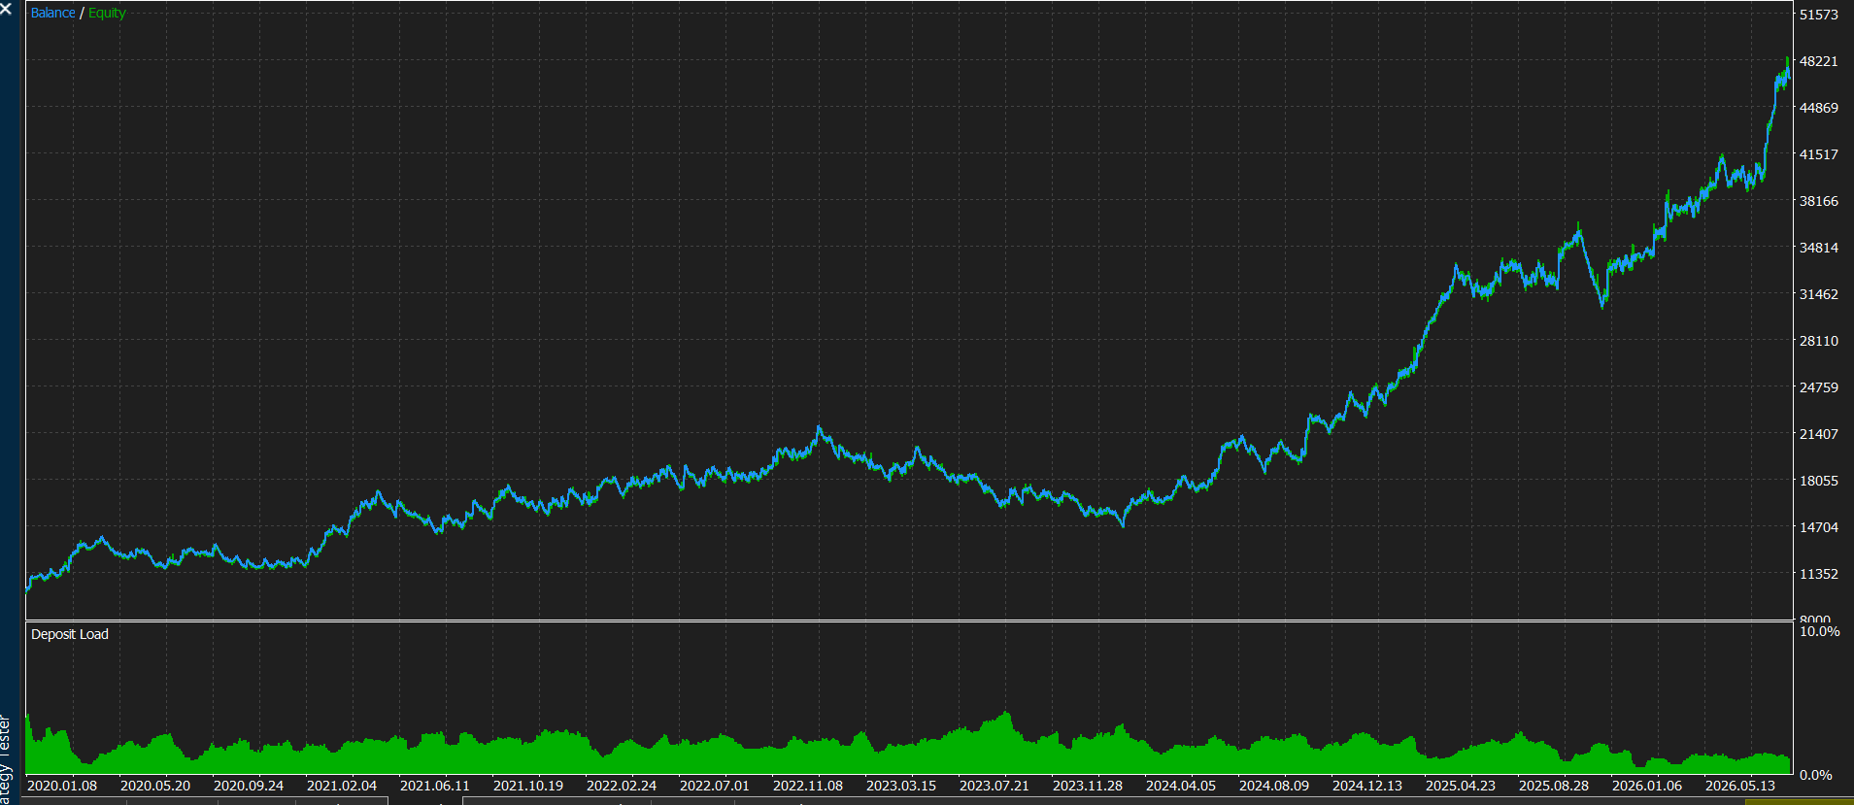

.50ATR_NO_RANGE_2020-26
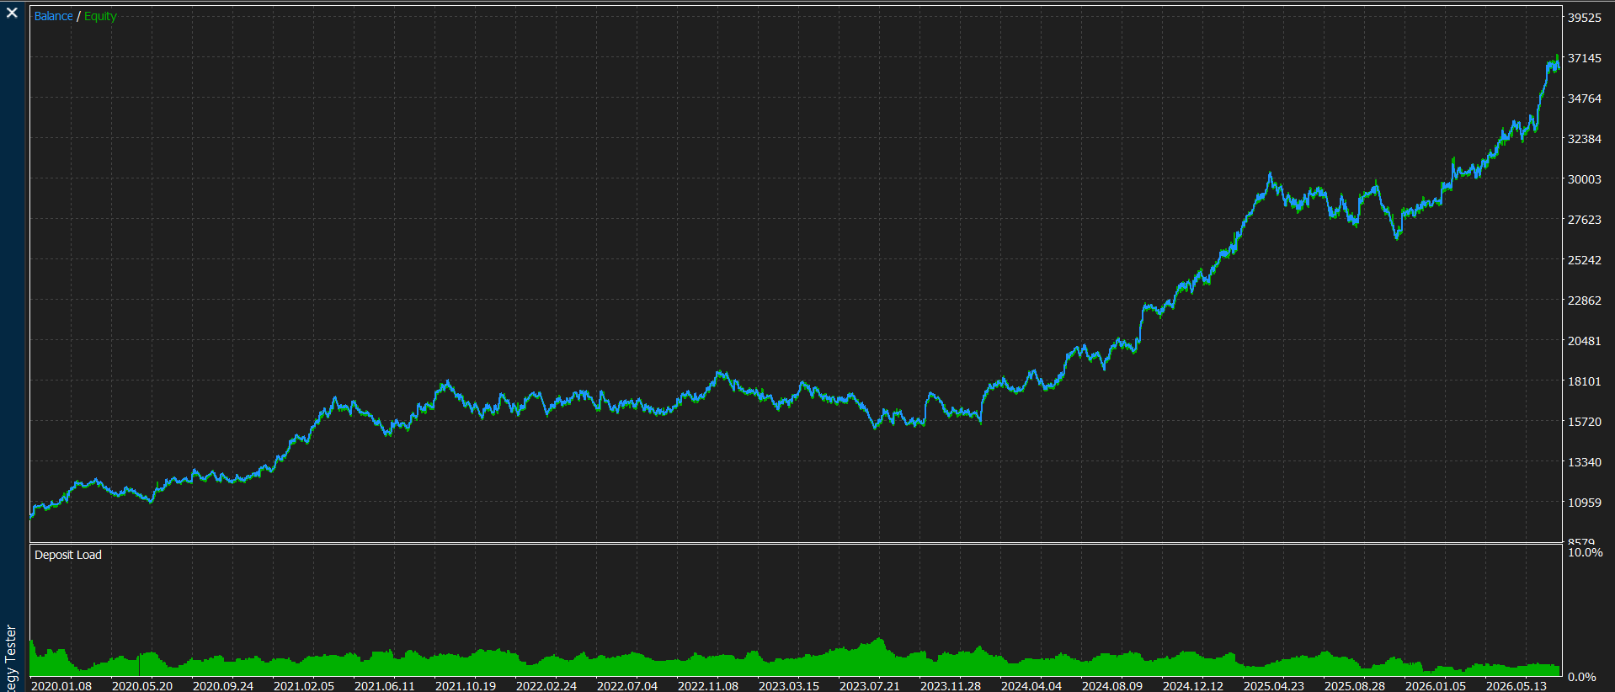

.65ATR_NO_RANGE_2020-26
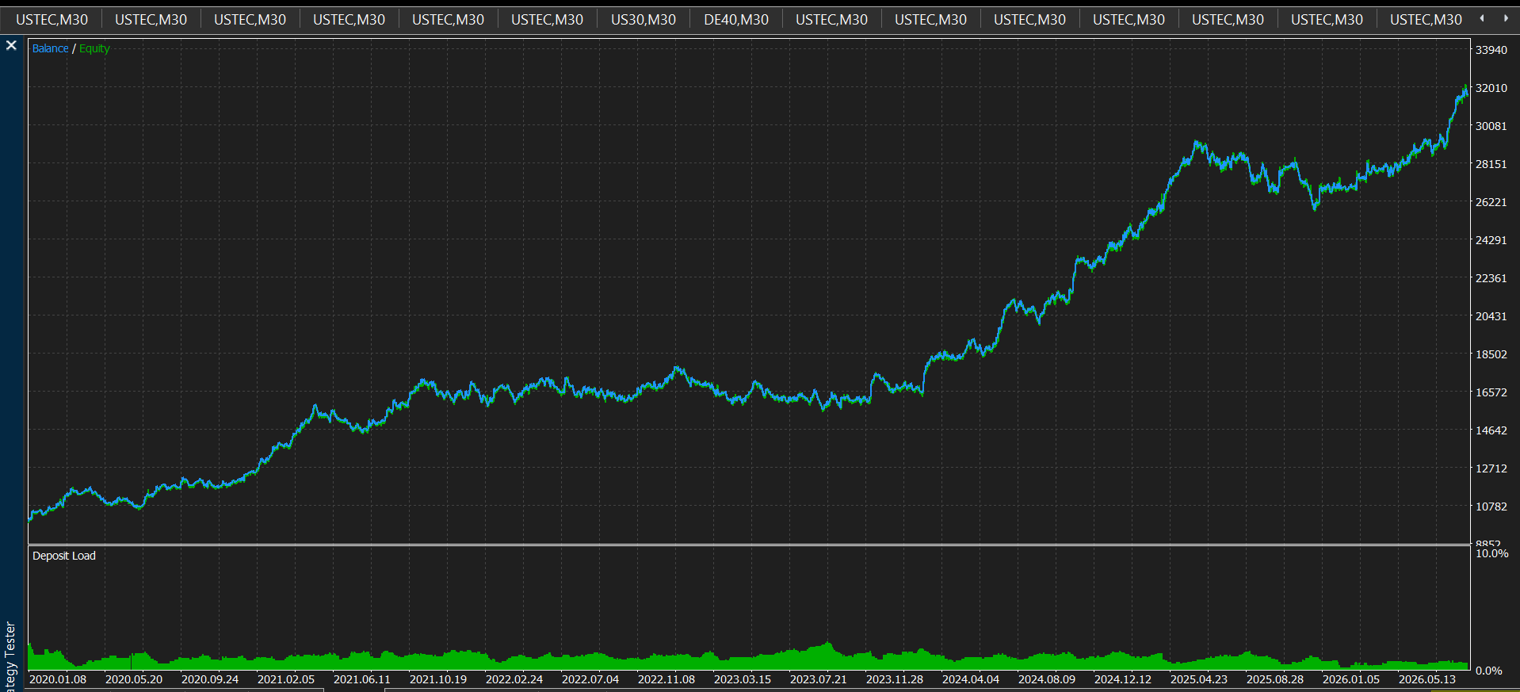

.20ATR_NO_RANGE_2020-26
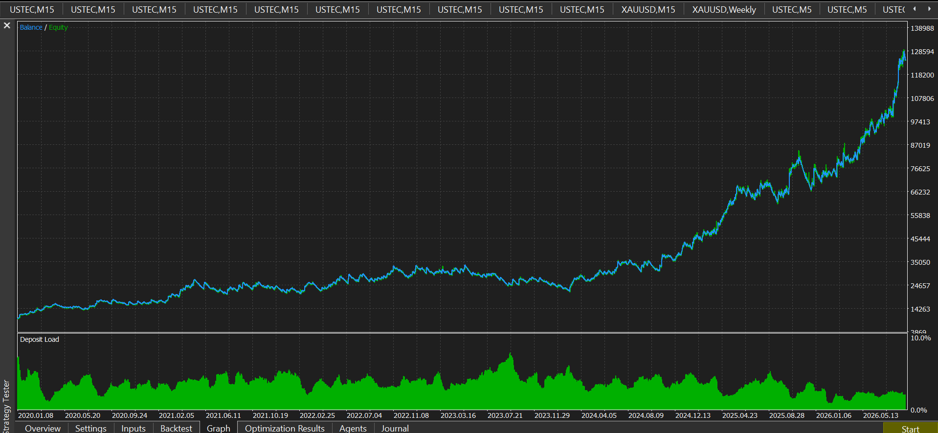

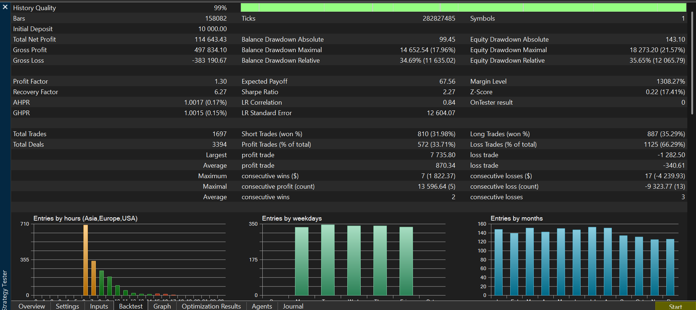

ACUTAL_GOLD_MOVEMENT
