FRAMECALCULATOR
 |  |  | Desired Print Area | STD
 |  |  | X | 315 | 1. Adjust the Desired X dimension (Y will be adjusted automatically)*
 |  |  | Y | 315 | Same as X to ensure ZR arm alignment
 |  |  | Z | 340 | 2. Enter desired Z Dimension |  |  | 4. Right-Click in the table below and do "Refresh"
 |  |  | XY Gantry Type | STD_HT | 3. Select Gantry Type |  |  | Select | x |  | 315x315x340 Version
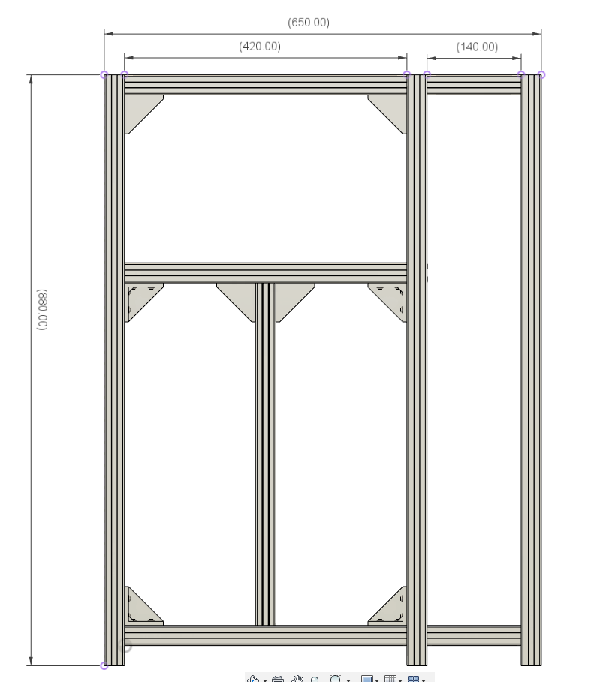
 | Frame & Friends Calculator |  |  |  |  |  |  | Summary for: 315x315x340 - STD_HT
Select | Structure Section | CAD_Part | Description | Part Type | Length mm | Qty |  | Sum of Qty
x | Frame | HHB | Horizontal_High_Back | 3030 Extrusion | 420 | 1 |  | Part Type | Length mm | Total
x | Frame | HHF | Horizontal_High_Front | 3030 Extrusion | 420 | 1 |  | 2020 Extrusion | 420 | 2
x | Frame | HHL | Horizontal_High_Left | 3030 Extrusion | 410 | 1 |  | 2020 Extrusion | 360 | 2
x | Frame | HHR | Horizontal_High_Right | 3030 Extrusion | 410 | 1
x | Frame | HLB | Horizontal_Low_Back | 3030 Extrusion | 420 | 1 |  | 3030 Extrusion | 140 | 4
x | Frame | HLF | Horizontal_Low_Front | 3030 Extrusion | 420 | 1 |  | 3030 Extrusion | 510 | 8
x | Frame | HLL | Horizontal_Low_Left | 3030 Extrusion | 410 | 1 |  | 3030 Extrusion | 520 | 5
x | Frame | HLR | Horizontal_Low_Right | 3030 Extrusion | 410 | 1 |  | 3030 Extrusion | 980 | 6
x | Frame | HMB | Horizontal_Mid_Back | 3030 Extrusion | 420 | 1 |  | 3030 Extrusion | 610 | 3
x | Frame | HML | Horizontal_Mid_Left | 3030 Extrusion | 410 | 1
x | Frame | HMR | Horizontal_Mid_Right | 3030 Extrusion | 410 | 1 |  | MGN12H Rail | 150 | 3
x | Frame | VBL | Vertical_Back_Left | 3030 Extrusion | 880 | 1 |  | MGN12H Rail | 450 | 1
x | Frame | VBR | Vertical_Back_Right | 3030 Extrusion | 880 | 1 |  | MGN12H Rail | 500 | 2
x | Frame | VFL | Vertical_Front_Left | 3030 Extrusion | 880 | 1 |  | MGN12H Rail | 550 | 3
x | Frame | VFR | Vertical_Front_Right | 3030 Extrusion | 880 | 1
x | Xtension_ElectronicBay | XHH | Xtension_Horizontal_High_Right | 3030 Extrusion | 410 | 1 |  | SFU1204 Screw | 550 | 3
x | Xtension_ElectronicBay | XHHB | Xtension_Horizontal_High_Back | 3030 Extrusion | 140 | 1
x | Xtension_ElectronicBay | XHHF | Xtension_Horizontal_High_Front | 3030 Extrusion | 140 | 1 |  | GT2 Belt | 4800 | 1
x | Xtension_ElectronicBay | XHLB | Xtension_Horizontal_Low_Back | 3030 Extrusion | 140 | 1
x | Xtension_ElectronicBay | XHLF | Xtension_Horizontal_Low_Front | 3030 Extrusion | 140 | 1 |  | MIC6 Alu 6mm (Square) | 440 | 1
x | Xtension_ElectronicBay | XHLR | Xtension_Horizontal_Low_Right | 3030 Extrusion | 410 | 1
x | Xtension_ElectronicBay | XVBR | Xtension_Vertical_Back_Right | 3030 Extrusion | 880 | 1 |  | SiliconeHeatPad (Square) | 400 | 1
x | Xtension_ElectronicBay | XVF | Xtension_Vertical_Front | 3030 Extrusion | 880 | 1
x | ZR_Support | VFL_ZR | ZR Doubler Vertical_Front_Left | 3030 Extrusion | 510 | 1 |  | 2020 Extrusion (HD Only) | 520 | 1
x | ZR_Support | VFR_ZR | ZR Doubler Vertical_Front_Right | 3030 Extrusion | 510 | 1
x | ZR_Support | VRR_ZR | ZR Doubler Vertical_Rear | 3030 Extrusion | 510 | 1
x | BedFrame | BedFR | BedFrame Front | 2020 Extrusion | 260 | 1
x | BedFrame | BedRR | BedFrame Rear | 2020 Extrusion | 260 | 1
x | BedFrame | BedLH | BedFrame Left | 2020 Extrusion | 320 | 1
x | BedFrame | BedRH | BedFrame Right | 2020 Extrusion | 320 | 1
x | X Axis Support | Track_X_2020Profile | X axis support aluminum profile 2020 | 2020 Extrusion | 431 | 1
x | BedPlate | BedPlate | Bed Plate (Square) | MIC6 Alu 6mm (Square) | 340 | 1 | XY | Z
x | STD/HT XYRails | Y_MGN12C_Left | MGN12 Rail with MGNC (Compact Bloc) | MGN12C Rail | 400 | 1 | 315 | 340
x | STD/HT XYRails | Y_MGN12C_Right | MGN12 Rail with MGNC (Compact Bloc) | MGN12C Rail | 400 | 1 | 365 | 390
x | STD/HT XYRails | X_MGN12H | MGN12 Rail with MGN12H (Normal Bloc) | MGN12H Rail | 385 | 1 | 415 | 440
x | ZR_Motion | ZR_MGN12H_FL | MGN12 Rail with MGN12H (Normal Bloc) | MGN12H Rail | 450 | 1 | 465 | 490
x | ZR_Motion | ZR_MGN12H_FL | MGN12 Rail with MGN12H (Normal Bloc) | MGN12H Rail | 450 | 1 | 515 | 540
x | ZR_Motion | ZR_MGN12H_FL | MGN12 Rail with MGN12H (Normal Bloc) | MGN12H Rail | 450 | 1 | 565 | 590
x | ZR_Motion | ZR_MGN12H_BED | MGN12 Rail with MGN12H (Normal Bloc) | MGN12H Rail | 150 | 3 | 615 | 640
x | ZR_Motion | ZR_SFU1204_FL | Ball Screw SFU1204 Front Left | SFU1204 Screw | 450 | 1 | 665 | 690
x | ZR_Motion | ZR_SFU1204_FR | Ball Screw SFU1204 Front Right | SFU1204 Screw | 450 | 1
x | ZR_Motion | ZR_SFU1204_RR | Ball Screw SFU1204 Front Rear | SFU1204 Screw | 450 | 1
x | XY_Belts | Upper and Lower Belts | Gates GT2 PowerGrip Belt | GT2 Belt | 4000 | 1
x | ZR_HeaterPad | ZR_SiliconeHeatPad | Silicone Heat Pad (Keenovo Recommended) | SiliconeHeatPad (Square) | 300 | 1
0 | HD_X axis Support | Track_XHD_2020Profile | X axis support for HD9 and HD12 only. Replaces Regular X Axis if HD version is selected. | 2020 Extrusion (HD Only) | 420 | 1
0 | HD_XYRails | Y_MGN12H | MGN12 Rail with MGN12H (Normal Block) | MGN12H Rail | 400 | 1
0 | HD_XYRails | Y_MGN12H | MGN12 Rail with MGN12H (Normal Block) | MGN12H Rail | 400 | 1
0 | HD_XYRails | X_MGN12H | MGN12 Rail with MGN12H (Normal Block) | MGN12H Rail | 350 | 1

BED Holes Location
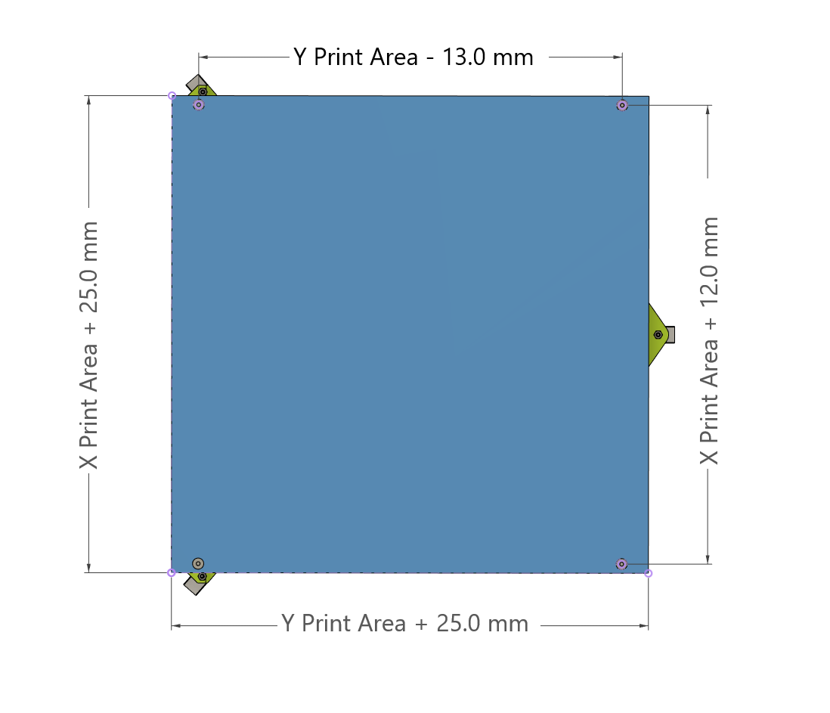

As entered on the previous sheet:
Desired Print Area | mm
X | 315
Y | 315

Bed Size | mm
X | 340
Y | 340

Mounting Hole Spacing | mm
X | 327
Y | 302

Heated Pad recommended size
X | 300
Y | 300

