From Fusion 360
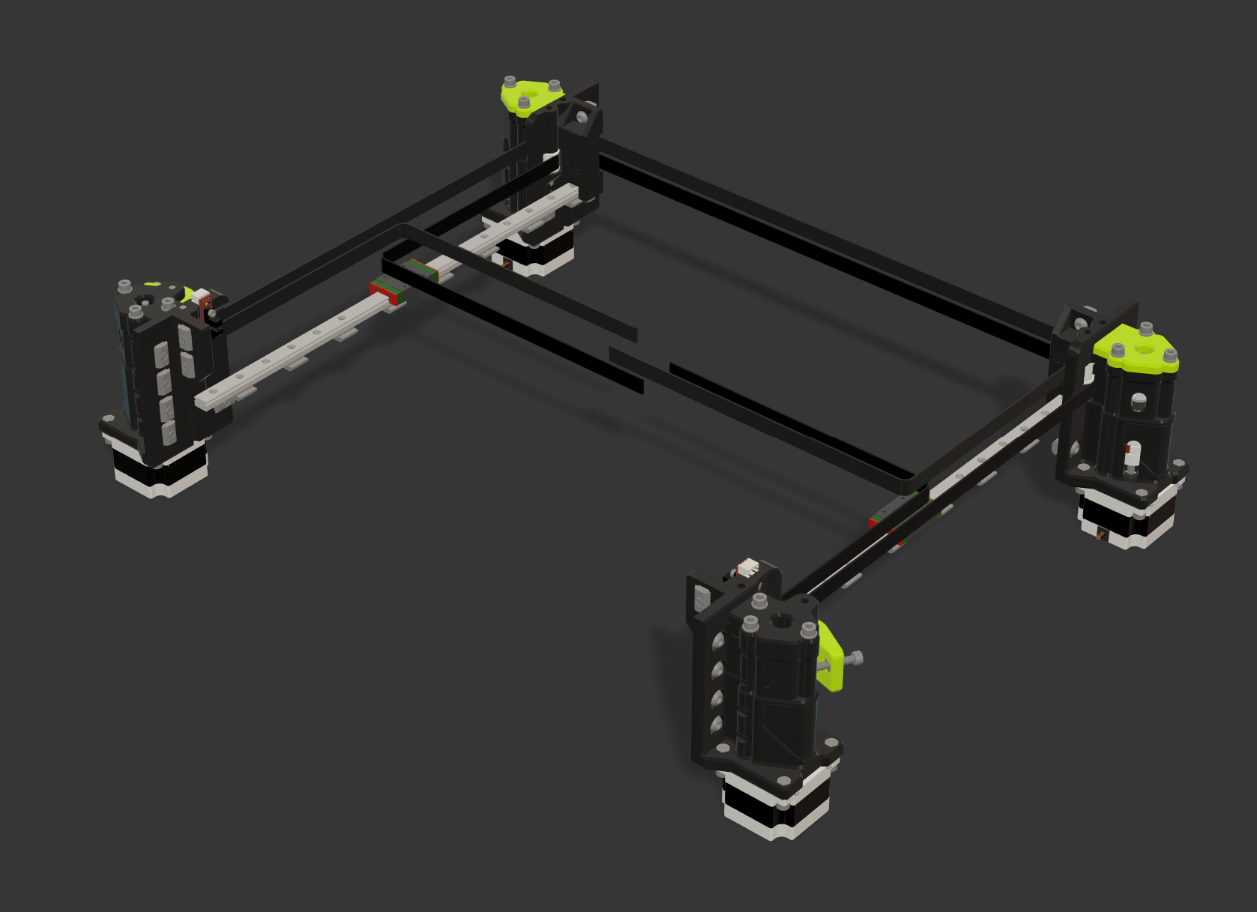 |  |  |  | LINK TO CAD | This XY gantry for the HevORT integrates the same robustness philosophy as the previous HD (heavy duty) chapters. But this time around it multiplies the available power by a factor of TWO! That's it! Four Stepper motors to make your HevORT ALL Wheel(corner) Drive. Motors are place in a diagonal fashion for each belt reducing the path length between drive force to print head to a minimum. |  |  |  |  | HD12 SPAWD Short Path All Wheel Drive
SubAssy | Category | Item | Thumbnail | Part Name | Part Description | Make/Buy | QTY | Included in KIT | Comment | Vendor | Vendor URL
XYHD12_SPAWD Option NEMA23 | BUY | 1.1 | 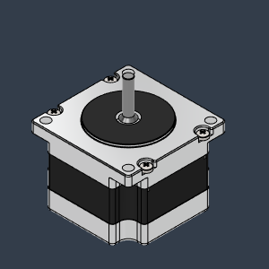 | NEMA 23 - 41mm | LDO Motors NEMA 23 for HevORT | Buy | 4* | NO | You can chose between Nema17 or Nema23. See this Nema23 Hevort Spec here: https://github.com/MirageC79/HevORT/blob/master/refdocs/LDO-57STH41-2804MACHEV_RevA.pdf | Mellow 3D | https://s.click.aliexpress.com/e/_DekXDl5
XYHD12_SPAWD Option NEMA17 | MAKE | 1.2 | 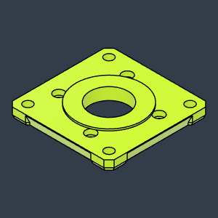 | HD_NEMA17_AdapterPlate_LH_Body | Adapter plate for HD to fit NEMA17 Motors | Make | 2* | NO | This configuration can use Nema23 or Nema17 motors. See Nema 17 HD Adapters: Recommended to be made of ABS or meterial that can support higher temperature. Steppers can become quite hot.
XYHD12_SPAWD Option NEMA17 | MAKE | 1.2 | 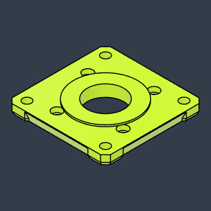 | HD_NEMA17_AdapterPlate_RH_Body | Adapter plate for HD to fit NEMA17 Motors | Make | 2* | NO | This configuration can use Nema23 or Nema17 motors. See Nema 17 HD Adapters: Recommended to be made of ABS or meterial that can support higher temperature. Steppers can become quite hot.
XYHD12_SPAWD Option NEMA17 | BUY | 1.2 | 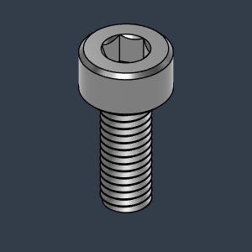 | M3X8_CapScrew_92290A113 | Screw, Cap - M3X8mm | Buy | 16 | YES
XYHD12_SPAWD Option NEMA17 | BUY | 1.2 | 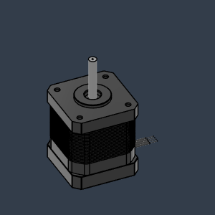 | NEMA17 | Stepper Motor - NEMA17 | Buy | 4 | NO
XYHD12_SPAWD | BUY | 2 | 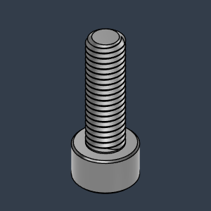 | M5X16_CapScrew_91290A232 | Screw, Cap - M5X16mm | Buy | 16 | YES |  | Aliexpress | https://s.click.aliexpress.com/e/_DmKwDVZ
XYHD12_SPAWD | BUY | 3 | 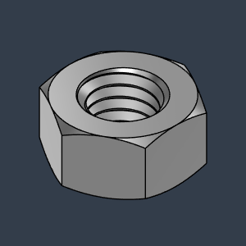 | M5_HexNut_94150A340 | Nut, Hex - M5 | Buy | 30 | YES |  | Aliexpress | https://s.click.aliexpress.com/e/_DmaPGRv
XYHD12_SPAWD | BUY | 4 | 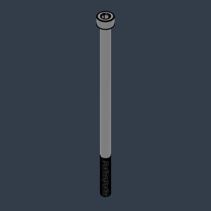 | M5X100_CapScrew_91290A280 |  | Buy | 12 | YES |  | Aliexpress | https://s.click.aliexpress.com/e/_DCjxg7p
XYHD12_SPAWD | BUY | 5 | 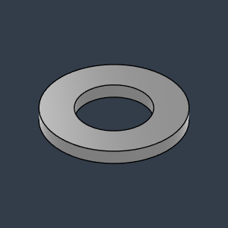 | M5X1_Washer_93413A130 |  | Buy | 12 | YES |  | Aliexpress | https://s.click.aliexpress.com/e/_DDBAIzH
XYHD12_SPAWD | BUY | 6 | 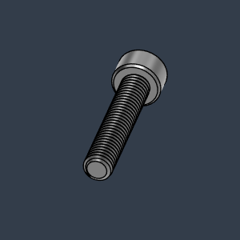 | M5X25_CapScrew_92290A252 | Screw, Cap - M5x25mm | Buy | 2 | YES |  | Aliexpress | https://s.click.aliexpress.com/e/_DmKwDVZ
XYHD12_SPAWD | BUY | 7 | 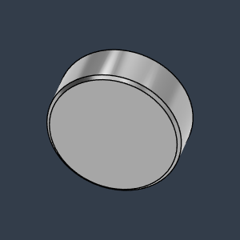 | MAgnet8X3 | Neodymium | Buy | 2 | YES |  | Aliexpress | https://s.click.aliexpress.com/e/_Dm3pRCR
XYHD12_SPAWD | BUY | 8 | 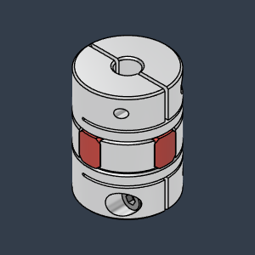 | Spider_Coupling2025_5X5 | For 5mm Shaft | Buy | 4 | YES |  | Kande(Aliexpress) | https://s.click.aliexpress.com/e/_DB5X9xN
XYHD12_SPAWD | BUY | 9 | 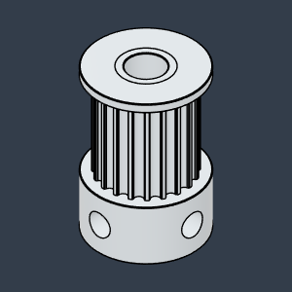 | GT2_20T_Toothed_Pulley_12mm |  |  | 4 | YES
XYHD12_SPAWD | BUY | 10 | 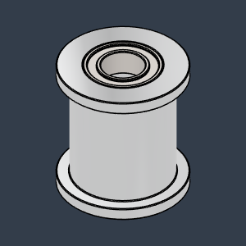 | Gates_2GT_20T_12MM_Smooth | Pulley, Smooth Idler - 6mmGT2 5mm bore | Buy | 4 | YES
XYHD12_SPAWD | BUY | 11 | 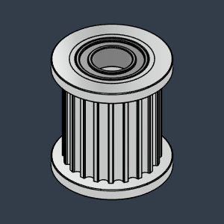 | Gates_2GT_20T_12MM_Toothed | Pulley, Toothed Idler - 6mmGT2 5mm bore | Buy | 4 | YES
XYHD12_SPAWD | BUY | 12 | 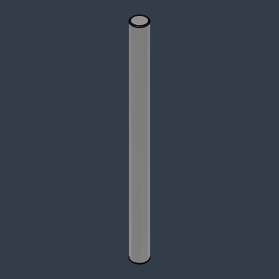 | 5mmX70mm StealShaft | Can be bearing steel Stainless is ok | Buy | 2 | YES | Stainless Steel or CarbonFiber **Some 5mm hobby shaft will have 5.00+ dimension wich makes them difficult for installation. | Aliexpress | https://s.click.aliexpress.com/e/_DFH5ic7
XYHD12_SPAWD | BUY | 15 | 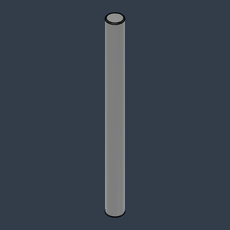 | 5mmX60mm StealShaft | Pin, Dowel - 5x60mm | Buy | 6 | YES | Stainless Steel or CarbonFiber **Some 5mm hobby shaft will have 5.00+ dimension wich makes them difficult for installation. | Aliexpress | https://s.click.aliexpress.com/e/_DFH5ic7
XYHD12_SPAWD | BUY | 13 | 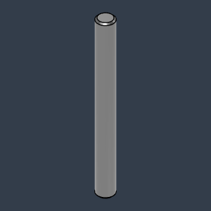 | 5mmX50mm Shaft | Can be bearing steel Stainless is ok | Buy | 4 | YES | Stainless Steel or CarbonFiber **Some 5mm hobby shaft will have 5.00+ dimension wich makes them difficult for installation. | Aliexpress | https://s.click.aliexpress.com/e/_DFH5ic7
XYHD12_SPAWD | BUY | 14 | 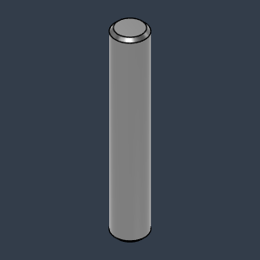 | Dowel_Pin_5mmX30mm | Pin, Dowel - 5x30mm | Buy | 2 | YES | Stainless Steel or CarbonFiber **Some 5mm hobby shaft will have 5.00+ dimension wich makes them difficult for installation. | Aliexpress | https://s.click.aliexpress.com/e/_DFH5ic7
XYHD12_SPAWD | BUY | 16 | 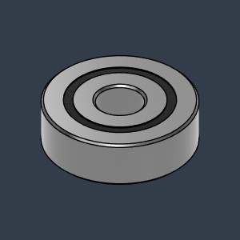 | Bearing_625-2RS_6153K69 | Bearing, 625-2RS | Buy | 8 | YES |  | Aliexpress | https://s.click.aliexpress.com/e/_DmGeRhZ
XYHD12_SPAWD | BUY | 17 | 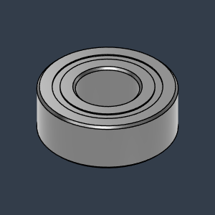 | MR115ZZ_Bearing_7804K107 | Bearing, 5x11x4mm | Buy | 4 | YES |  | Aliexpress | https://s.click.aliexpress.com/e/_DCKr3WF
XYHD12_SPAWD | BUY | 18 | 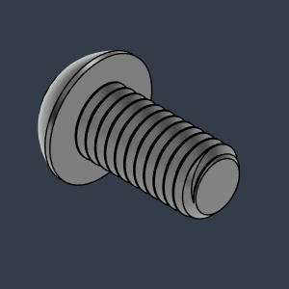 | M6X12_ButtonHeadScrew_91239A318 | Screw, ButtonHead - M6X12mm | Buy | 26 | YES |  | Aliexpress | https://s.click.aliexpress.com/e/_De5h0jh
XYHD12_SPAWD | BUY | 19 | 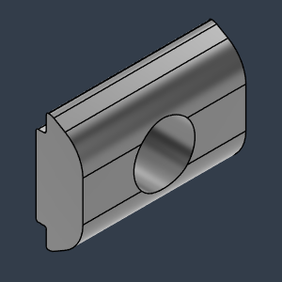 | M6_TSlot_Nut | Nut, Roll-In T-Slot - M6 for 3030 profile | Buy | 26 | YES | 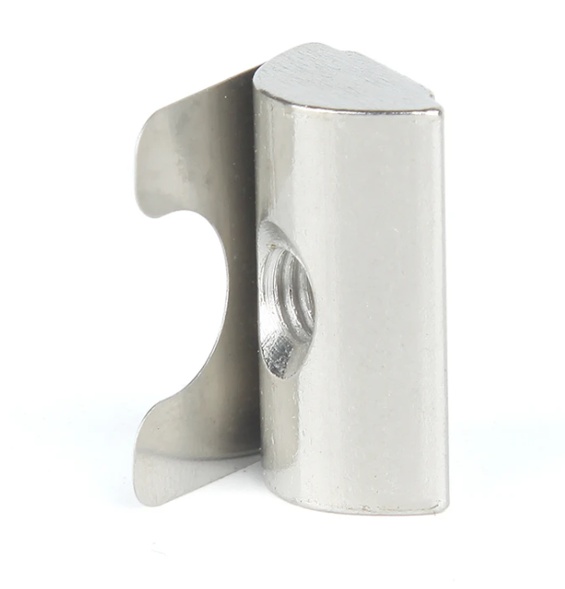 Recommended to buy roll in t-nuts that can stay in place with a spring tab: | Aliexpress | https://s.click.aliexpress.com/e/_DmVm5fN
XYHD12_SPAWD | BUY | 20 | 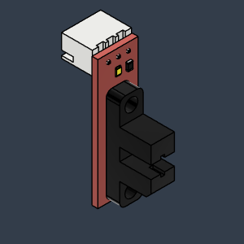 | Opto endstop PM | Optical End-Stop | Buy | 1 | YES |  | Aliexpress | https://s.click.aliexpress.com/e/_DFuQmVt
XYHD12_SPAWD | BUY | 21 | 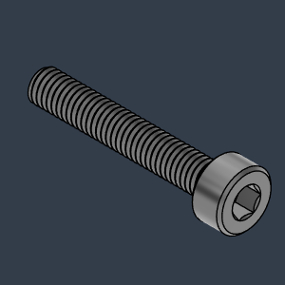 | M3X18_CapScrew_92290A761 |  | Buy | 1 | YES
XYHD12_SPAWD | BUY | 22 | 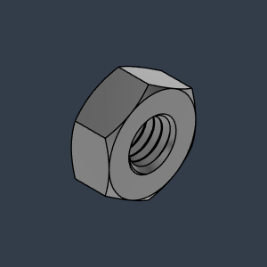 | M3_Nut_94150A325 | Nut, Hex - M3 | Buy | 1 | YES
XYHD12_SPAWD | BUY | 23 |  | HD12_SPAWD_GT2_12mm_Belt_Upper | GATES-LL-2GT Gear Synchronous Belt 12mm wide | Buy | 1* | YES | *4 meters of belt is typically good for most build sizes | Mellow3D | https://s.click.aliexpress.com/e/_DdqSYQP
XYHD12_SPAWD | BUY | 24 | 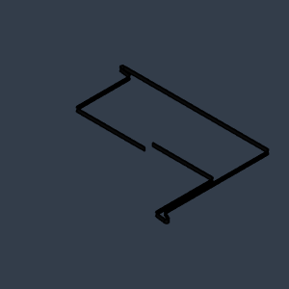 | HD12_SPAWD_GT2_12mm_Belt_Lower | GATES-LL-2GT Gear Synchronous Belt 12mm wide | Buy | 1* | YES | *4 meters of belt is typically good for most build sizes | Mellow3D | https://s.click.aliexpress.com/e/_DdqSYQP
XYHD12_SPAWD | BUY | 25 | 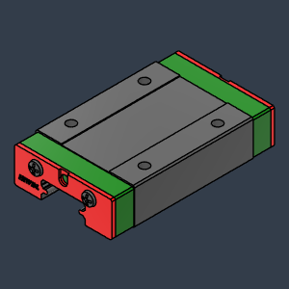 | MGN12H1R356Z0HM+U_FILE | Y Rail | Buy | 2 | NO | Should be bought with the rail
XYHD12_SPAWD | BUY | 26 | 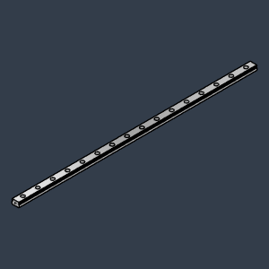 | MGN12H1R356Z0HM+U_FILE (1) | Y Rail | Buy | 2 | NO | *Length defined by Frame Calculator: https://miragec79.github.io/HevORT/framecalculator.html
XYHD12_SPAWD | BUY | 27 | 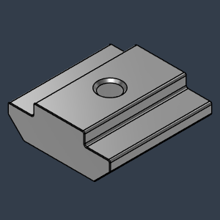 | M3X3030_TSlot_Nut | Nut, TSlot - M3X3030 | Buy | 16* | YES | 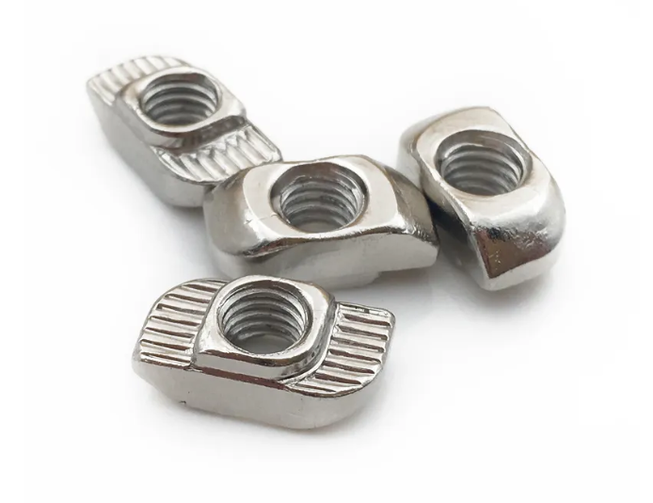 Recommended to use turn-in T-Nuts to facilitate installation *As required per the length of your rails | Aliexpress | https://s.click.aliexpress.com/e/_DC40jY7
XYHD12_SPAWD | BUY | 28 | 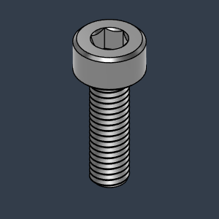 | M3X10_CapScrew_92290A115 | Screw, Cap - M3X10mm | Buy | 16* | YES | *As required per the length of your rails
XYHD12_SPAWD | BUY | 29 | 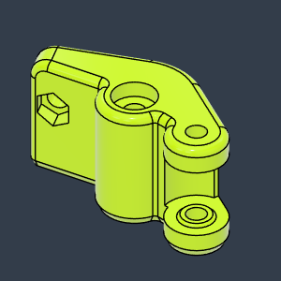 | HD12_SPAWD_BeltTensioner_FL | Left Hand Side | Make | 1 | NO |  | HevORT.com
XYHD12_SPAWD | BUY | 30 | 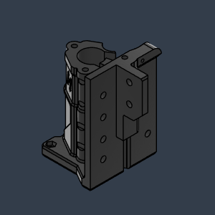 | HD12_SPAWD_MotorMount_FL | Motor Mount - Front Left | Make | 1 | NO |  | HevORT.com
XYHD12_SPAWD | BUY | 31 | 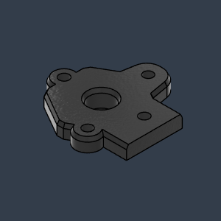 | HD12_SPAWD_Cover_MotorMount_FL | Cover - Front Left | Make | 1 | NO |  | HevORT.com
XYHD12_SPAWD | MAKE | 32 | 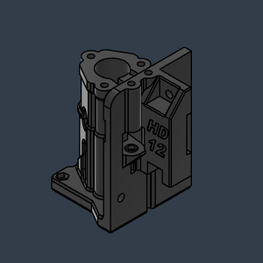 | HD12_SPAWD_MotorMount_RL | Motor Mount - Rear Left | Make | 1 | NO |  | HevORT.com
XYHD12_SPAWD | MAKE | 33 | 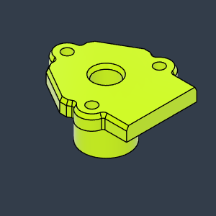 | HD12_SPAWD_Cover_MotorMount_RL | Cover - Rear Left | Make | 1 | NO |  | HevORT.com
XYHD12_SPAWD | MAKE | 34 | 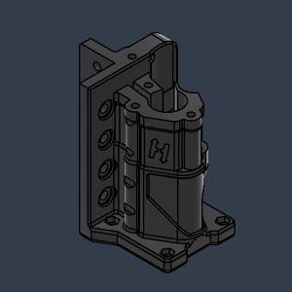 | HD12_SPAWD_MotorMount_FR | MotorMount - Front Right | Make | 1 | NO |  | HevORT.com
XYHD12_SPAWD | MAKE | 35 | 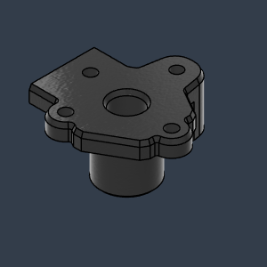 | HD12_SPAWD_Cover_MotorMount_FR | Cover - Front Right | Make | 1 | NO |  | HevORT.com
XYHD12_SPAWD | MAKE | 36 | 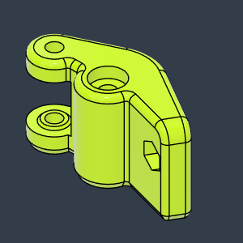 | HD12_SPAWD_BeltTensioner_FR | Front - Right | Make | 1 | NO |  | HevORT.com
XYHD12_SPAWD | MAKE | 37 | 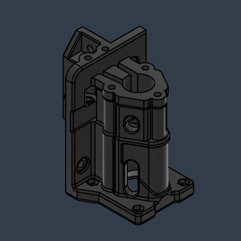 | HD12_SPAWD_MotorMount_RR | Motor Mount - Rear Right | Make | 1 | NO |  | HevORT.com
XYHD12_SPAWD | MAKE | 38 | 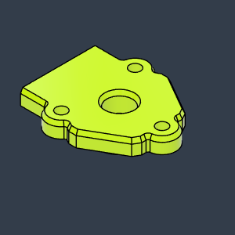 | HD12_SPAWD_Cover_MotorMount_RR | Cover - Rear Right | Make | 1 | NO |  | HevORT.com

