From Fusion 360
SubAssy | Category | Item | Thumbnail | Part Name | Part Description | Make/Buy | Included in HDWKit_XYHT | QTY | Comment | Vendor | Vendor URL
OPTION_HD12_CFX_MGN9 | Buy | 1 | 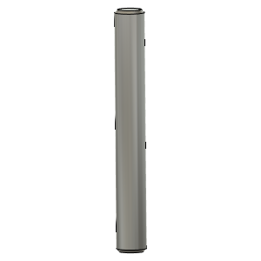 | Dowel_Pin_5mmX40mm | Pin, Dowel - 5x40mm | Buy |  | 2
OPTION_HD12_CFX_MGN9 | Buy | 2 | 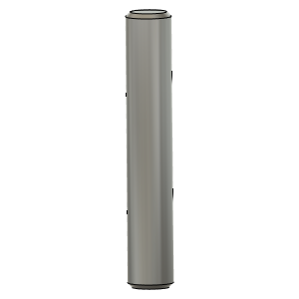 | Dowel_Pin_5mmX30mm | Pin, Dowel - 5x30mm | Buy |  | 2
OPTION_HD12_CFX_MGN9 | Buy | 3 | 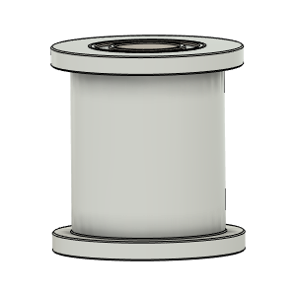 | Gates_2GT_20T_12MM_Smooth | Pulley, Smooth Idler - 6mmGT2 5mm bore | Buy |  | 2 |  | AliExpress - Mellow Store | https://s.click.aliexpress.com/e/_9If3uR
OPTION_HD12_CFX_MGN9 | Buy | 4 | 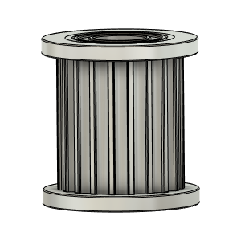 | Gates_2GT_20T_12MM_Toothed | Pulley, Toothed Idler - 6mmGT2 5mm bore | Buy |  | 2 |  | AliExpress - Mellow Store | https://s.click.aliexpress.com/e/_9If3uR
OPTION_HD12_CFX_MGN9 | Buy | 5 | 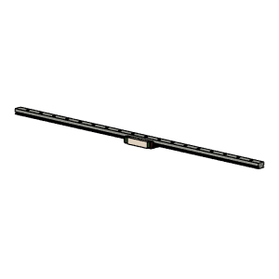 | MGN9 Rail and Block Assy | NOTE!! Length for the X rail of this config is longer than Regular HD12 | Buy |  | 1 | Suggested to buy 400mm length rail for 315x315 build. Rail will need to be cut to length. It is assumed that the end hole position is as per Hiwin Specs. |  | Any Good Quality MGN9H Rail and Block assy will do.
OPTION_HD12_CFX_MGN9 | Buy + Fabricate | 6 | 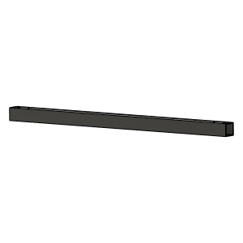 | CarbonFiberTube_20x20x1.8 v1 | Cut To Length and drill | Buy |  | 1 | Center and position rail using Y carriages and use rail as drill jig. | Aliexpress - TianYuQi | https://s.click.aliexpress.com/e/_ABtMKb
OPTION_HD12_CFX_MGN9 | Hardware | 7 | 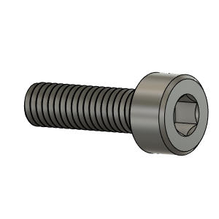 | M3X10_CapScrew_92290A115 | Screw, Cap - M3X10mm | Buy |  | 4
OPTION_HD12_CFX_MGN9 | Hardware | 8 | 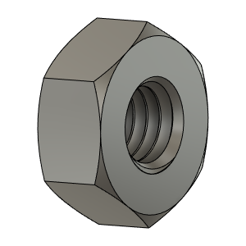 | M3_Nut_94150A325 | Nut, Hex - M3 | Buy |  | 15
OPTION_HD12_CFX_MGN9 | Hardware | 9 | 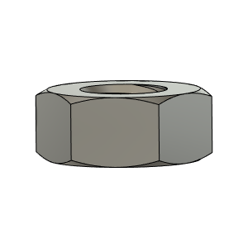 | M4_Nut_94150A335 | Nut, Hex - M4 | Buy |  | 2
OPTION_HD12_CFX_MGN9 | Hardware | 10 | 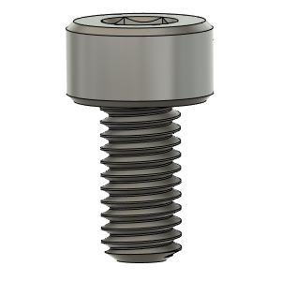 | M3X6_CapScrew_92290A111 | Screw, Cap - M3X6mm | Buy |  | 4
OPTION_HD12_CFX_MGN9 | Hardware | 11 | 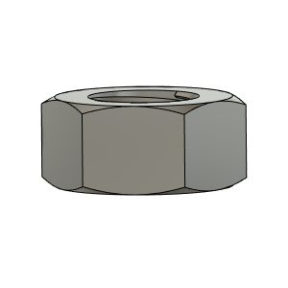 | M5_HexNut_94150A340 | Nut, Hex - M5 | Buy |  | 2
OPTION_HD12_CFX_MGN9 | Hardware | 12 | 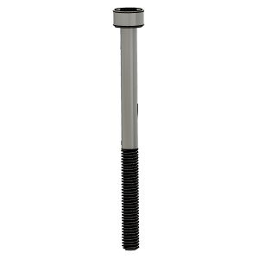 | M3X40_CapScrew_92290A128 | Screw, Cap - M3X40mm | Buy |  | 6
OPTION_HD12_CFX_MGN9 | Hardware | 13 | 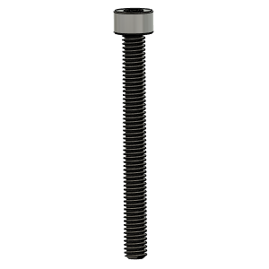 | M4X40_CapScrew_91290A174 | Screw, Cap - M4X40mm | Buy |  | 2
OPTION_HD12_CFX_MGN9 | Hardware | 14 | 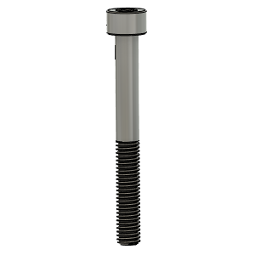 | M5X45_CapScrew_91290A260 | Screw, Cap - M5X45mm | Buy |  | 2
OPTION_HD12_CFX_MGN9 | Hardware | 15 | 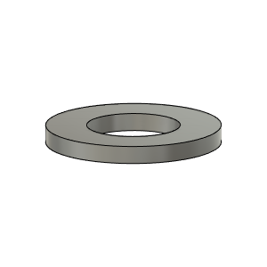 | M3_Washer_Flat_98690A110 |  | Buy |  | 9
OPTION_HD12_CFX_MGN9 | Hardware | 16 | 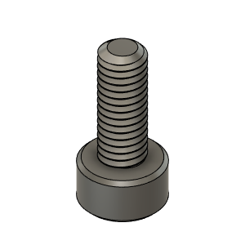 | M3X8_CapScrew_92290A113 | Screw, Cap - M3X8mm | Buy |  | 9
OPTION_HD12_CFX_MGN9 | PRINT | 17 | 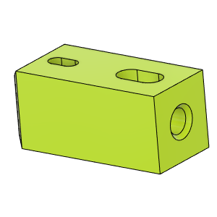 | HD_CFx_MGN9_CFTube Insert |  | Make |  | 2 |  | Thingiverse | https://www.thingiverse.com/thing:4886459
OPTION_HD12_CFX_MGN9 | PRINT | 18 | 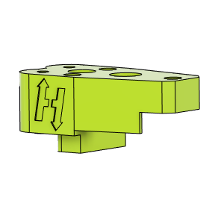 | HD12_CFx_MGN9_YCarriage_LH_UpperBody v1 |  | Make |  | 1 | For CF tube within 20.3-20.5mm use V1 Files For CF Tubes within 20.1-20.2mm use V1.1 Files | Thingiverse | https://www.thingiverse.com/thing:4886459
OPTION_HD12_CFX_MGN9 | PRINT | 19 | 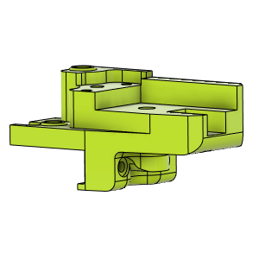 | HD12_CFx_MGN9_YCarriage_LH_LowerBody v1 |  | Make |  | 1 | For CF tube within 20.3-20.5mm use V1 Files For CF Tubes within 20.1-20.2mm use V1.1 Files | Thingiverse | https://www.thingiverse.com/thing:4886459
OPTION_HD12_CFX_MGN9 | PRINT | 20 | 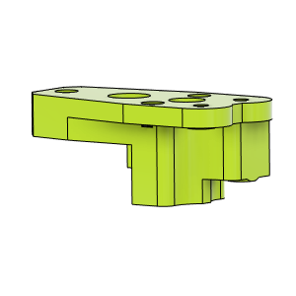 | HD12_CFx_MGN9_YCarriage_RH_UpperBody v1 |  | Make |  | 1 | For CF tube within 20.3-20.5mm use V1 Files For CF Tubes within 20.1-20.2mm use V1.1 Files | Thingiverse | https://www.thingiverse.com/thing:4886459
OPTION_HD12_CFX_MGN9 | PRINT | 21 | 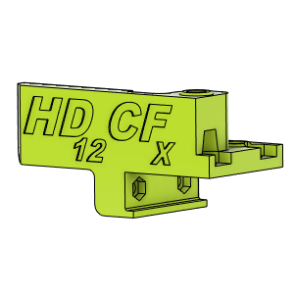 | HD12_CFx_MGN9_YCarriage_RH_LowerBody v1 |  | Make |  | 1 | For CF tube within 20.3-20.5mm use V1 Files For CF Tubes within 20.1-20.2mm use V1.1 Files | Thingiverse | https://www.thingiverse.com/thing:4886459

MGN9_Rail_Length
