From Fusion 360
SubAssy | Category | Item | Thumbnail | Part Name | Part Description | Make/Buy | QTY | Comment | Vendor | Vendor URL
XYHD22 | Buy | 13 | 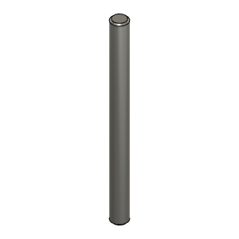 | 5mmX60mm Shaft v1 | Shaft - 5X60mm | Buy | 2 | Stainless Steel or CarbonFiber **Some 5mm hobby shaft will have 5.00+ dimension wich makes them difficult for installation.
XYHD51 | Buy | 42 | 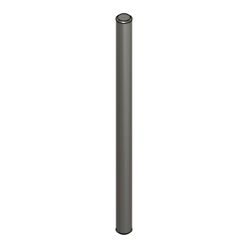 | 5X80mm_Shaft | Shaft, 5X80mm | Buy | 1 | Stainless Steel or CarbonFiber **Some 5mm hobby shaft will have 5.00+ dimension wich makes them difficult for installation.
XYHD16 | Buy | 6 | 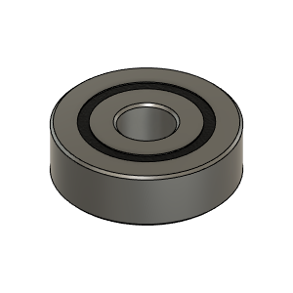 | Bearing_625-2RS_6153K69 | Bearing, 625-2RS | Buy | 4 | ABEC rated bearings 1 to 5 provides better accuracy and smoothness
XYHD42 | Buy | 33 | 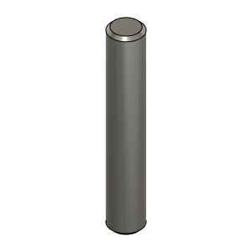 | Dowel_Pin_5mmX30mm | Pin, Dowel - 5x30mm | Buy | 4 | Steel or Stainless
XYHD26 | Buy | 17 | 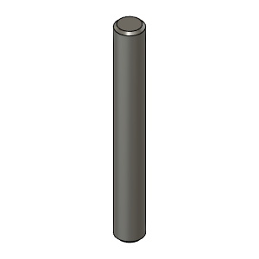 | Dowel_Pin_5mmX40mm | Pin, Dowel - 5x40mm | Buy | 6 | Steel or Stainless
XYHD32 | Buy | 23 | 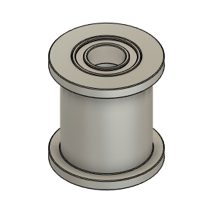 | Gates_2GT_20T_12mm_Smooth v1 | Pulley, Smooth Idler - 12 mmGT2 5mm bore | Buy | 4 |  | AliExpress, Mellow Store
XYHD31 | Buy | 22 | 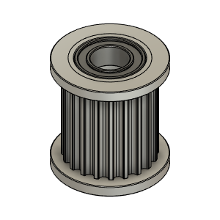 | Gates_2GT_20T_12mm_Toothed v1 | Pulley, Toothed Idler - 12mm Belt GT2 5mm bore | Buy | 6 |  | AliExpress, Mellow Store
XYHD30 | Buy | 21 | 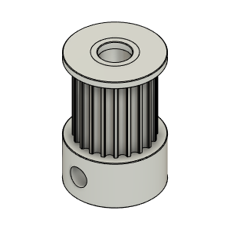 | Gates_2GT_20T_12mm_Toothed_MotorPulley |  | Buy | 2 |  | AliExpress, Mellow Store
XYHD46 | Buy | 37 | 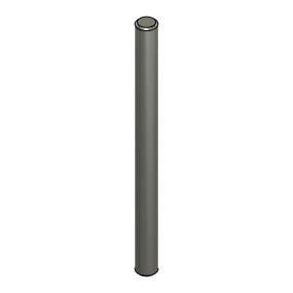 | IdlerPin_65mm | Shaft - 5X65mm | Buy | 1 | Stainless Steel or CarbonFiber **Some 5mm hobby shaft will have 5.00+ dimension wich makes them difficult for installation.
XYHD12 | Buy | 1 | 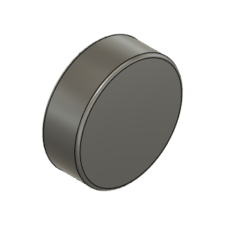 | Magnet_8X3mm | Magnet, Disc - 8X3mm | Buy | 2 | Thickness does not need to be precise, only Diameter.
XY_STD | Buy | 2 |  | MGN12 Rail | MGN12 Rail for Y axis | Buy | 2* | *Length defined by Frame Calculator: https://miragec79.github.io/HevORT/framecalculator.html
XY_STD | Buy | 5 |  | MGN12 Rail | MGN12 Rail for X axis | Buy | 1* | *Length defined by Frame Calculator: https://miragec79.github.io/HevORT/framecalculator.html
XY_STD | Buy | 4 |  | MGN12H Block | MGN12H Rail for X and Y axis | Buy | 3 | Comes with Rail
XYHD19 | Buy | 9 | 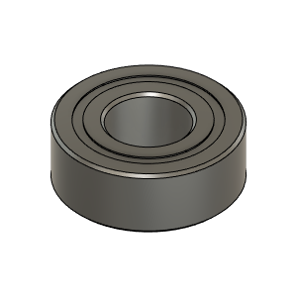 | MR115ZZ_Bearing_7804K107 | Bearing, 5x11x4mm | Buy | 4 | ABEC rated bearings 1 to 5 provides better accuracy and smoothness
XYHD44 | Buy | 35 | 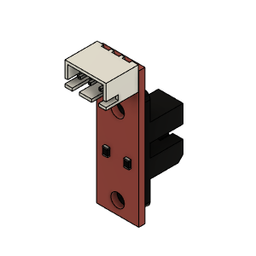 | Opto endstop | Optical End-Stop | Buy | 1
XYHD15 | Buy | 5 | 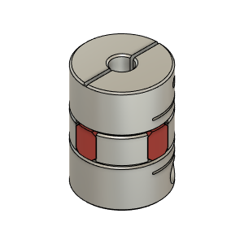 | SpiderCoupling_6.35mm-5mm | SpiderCoupling | Buy | 2 | Needs to match motor shaft Diameter on one side. Other side needs to be 5mm to match Pulley Shaft
XY_STD | Buy | 3 |  | TrackX_2020Profile | 2020 Extrusion for X Axis | Buy | 1* | *Length defined by Frame Calculator: https://miragec79.github.io/HevORT/framecalculator.html
XYHD38 | Hardware | 29 | 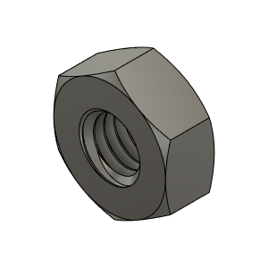 | M3_Nut_94150A325 | Nut, Hex - M3 | Buy | 6
XYHD37 | Hardware | 28 | 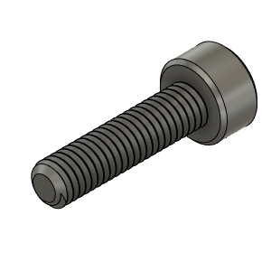 | M3X12_CapScrew_92290A117 | Screw, Cap - M3X12mm | Buy | 4
XYHD34 | Hardware | 25 | 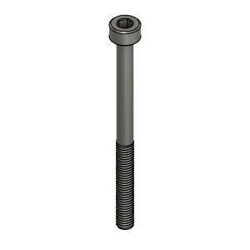 | M3X40_CapScrew_92290A128 | Screw, Cap - M3X40mm | Buy | 4
XYHD36 | Hardware | 27 | 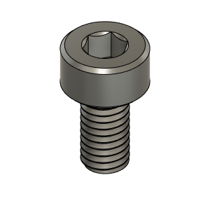 | M3X6_CapScrew_92290A111 | Screw, Cap - M3X6mm | Buy | 6
XYHD35 | Hardware | 26 | 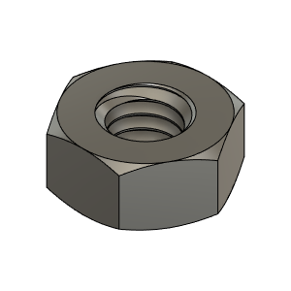 | M4_Nut_94150A335 | Nut, Hex - M4 | Buy | 2
XYHD40 | Hardware | 31 | 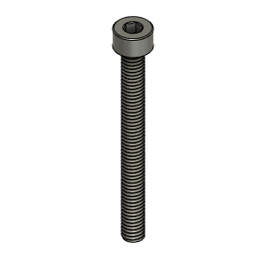 | M4X40_CapScrew_91290A174 | Screw, Cap - M4X40mm | Buy | 2
XYHD14 | Hardware | 4 | 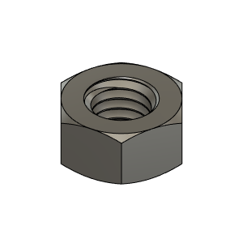 | M5_HexNut_94150A340 | Nut, Hex - M5 | Buy | 18
XYHD47 | Hardware | 38 | 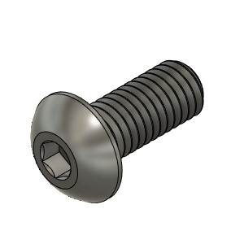 | M5X12_ButtonHeadScrew_91239A228 | Screw, ButtonHead - M5X12mm | Buy | 12
XYHD41 | Hardware | 32 | 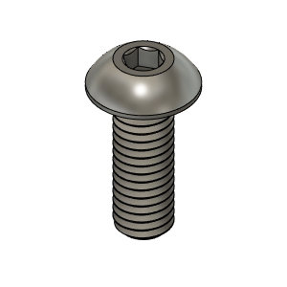 | M5X14_ButtonHeadScrew_91239A230 | Screw, ButtonHead - M5X14mm | Buy | 6
XYHD24 | Hardware | 15 | 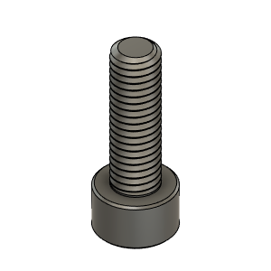 | M5X16_CapScrew_91290A232 | Screw, Cap - M5X16mm | Buy | 8
XYHD43 | Hardware | 34 | 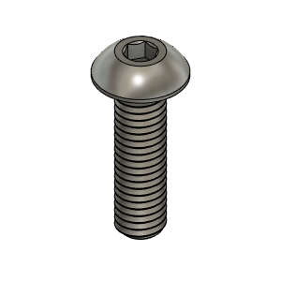 | M5X18_ButtonHeadScrew_91239A241 | Screw, ButtonHead | Buy | 1
XYHD39 | Hardware | 30 | 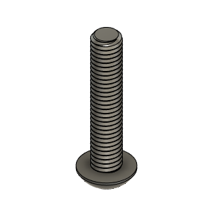 | M5X25_ButtonHeadScrew_91239A234 | Screw, ButtonHead - M5X25mm | Buy | 2
XYHD18 | Hardware | 8 | 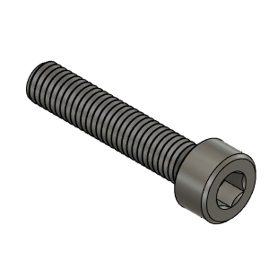 | M5X25_CapScrew_92290A252 | Screw, Cap - M5x25mm | Buy | 2
XYHD23 | Hardware | 14 | 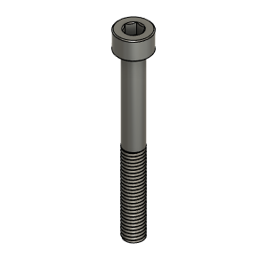 | M5X45_CapScrew_91290A260 | Screw, Cap - M5X45mm | Buy | 2
XYHD13 | Hardware | 3 | 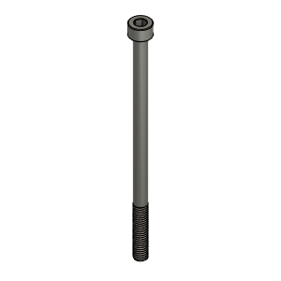 | M5X90_CapScrew_91290A278 | CapScrew | Buy | 6
XYHD25 | Hardware | 16 | 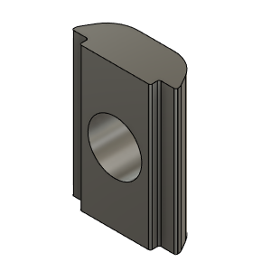 | M6_TSlot_Nut | Nut, T-Slot - M6 for 3030 profile | Buy | 25
XYHD21 | Hardware | 12 | 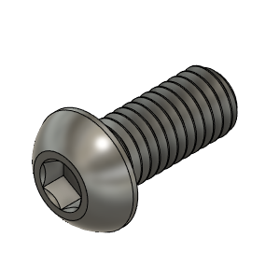 | M6X14_ButtonHeadScrew_92095A227 | Screw, ButtonHead - M6X14mm | Buy | 13
XYHD27 | Hardware | 18 | 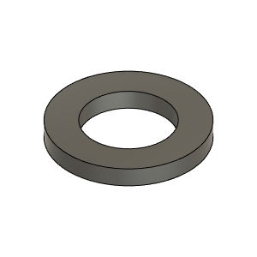 | Washer, 5mmID X 9mmOD X 1mm THK | Washer - Optional. | Buy | 4 | Optional - These washer are to manage any axial loads induced on the motor shaft. Depending on the application these washers may be ommited.
XYHD29 | Make | 20 | 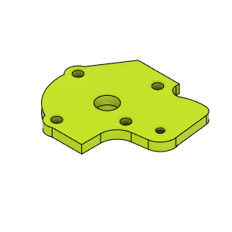 | HD_MotorCover_LH_Body |  | Make | 1
XYHD55 | Make | 47 | 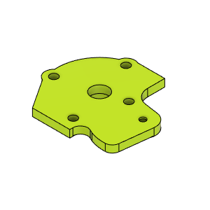 | HD_MotorCover_RH_Body |  | Make | 1
XYHD28 | Make | 19 | 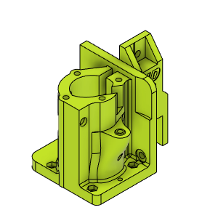 | HD_MotorMount_LH_Body |  | Make | 1
XYHD45 | Make | 36 | 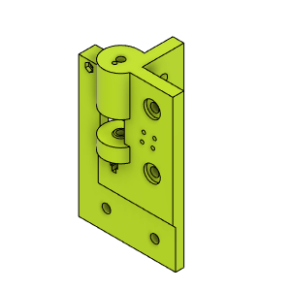 | HD_PulleyMountFL_Body |  | Make | 1
XYHD50 | Make | 41 | 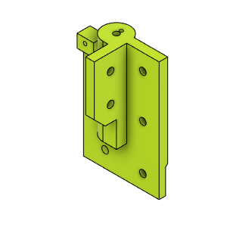 | HD_PulleyMountFL_Body (1) |  | Make | 1
XYHD52 | Make | 43 | 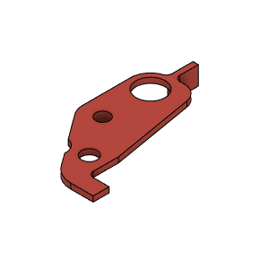 | HD_XYFlag_RH |  | Make | 1
XYHD33 | Make | 24 | 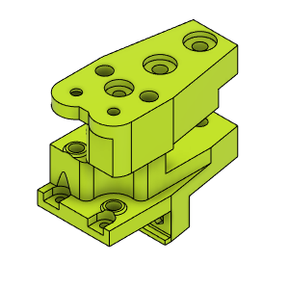 | HD_YCarriage_LH_Body |  | Make | 1
XYHD49 | Make | 40 | 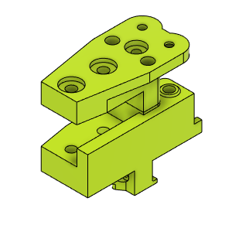 | HD_YCarriage_RH_Body |  | Make | 1
XYHD53 | Make | 44 | 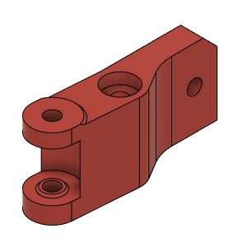 | HDBeltBinderRH_Body |  | Make | 1
XYHD54 | Make | 45 | 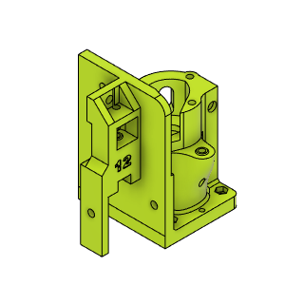 | HDMotorMountRH_Body (1) |  | Make | 1
XYHD17 | Make | 7 | 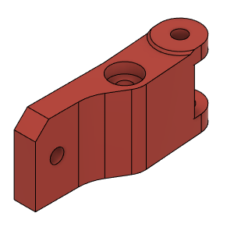 | LHBinder_Body |  | Make | 1
XYHD48 | Make | 39 | 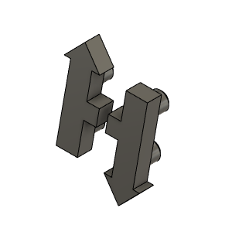 | HevORT LOGO_Small_Grey | HevORT Logo, Small | Make | 1

