From Fusion 360
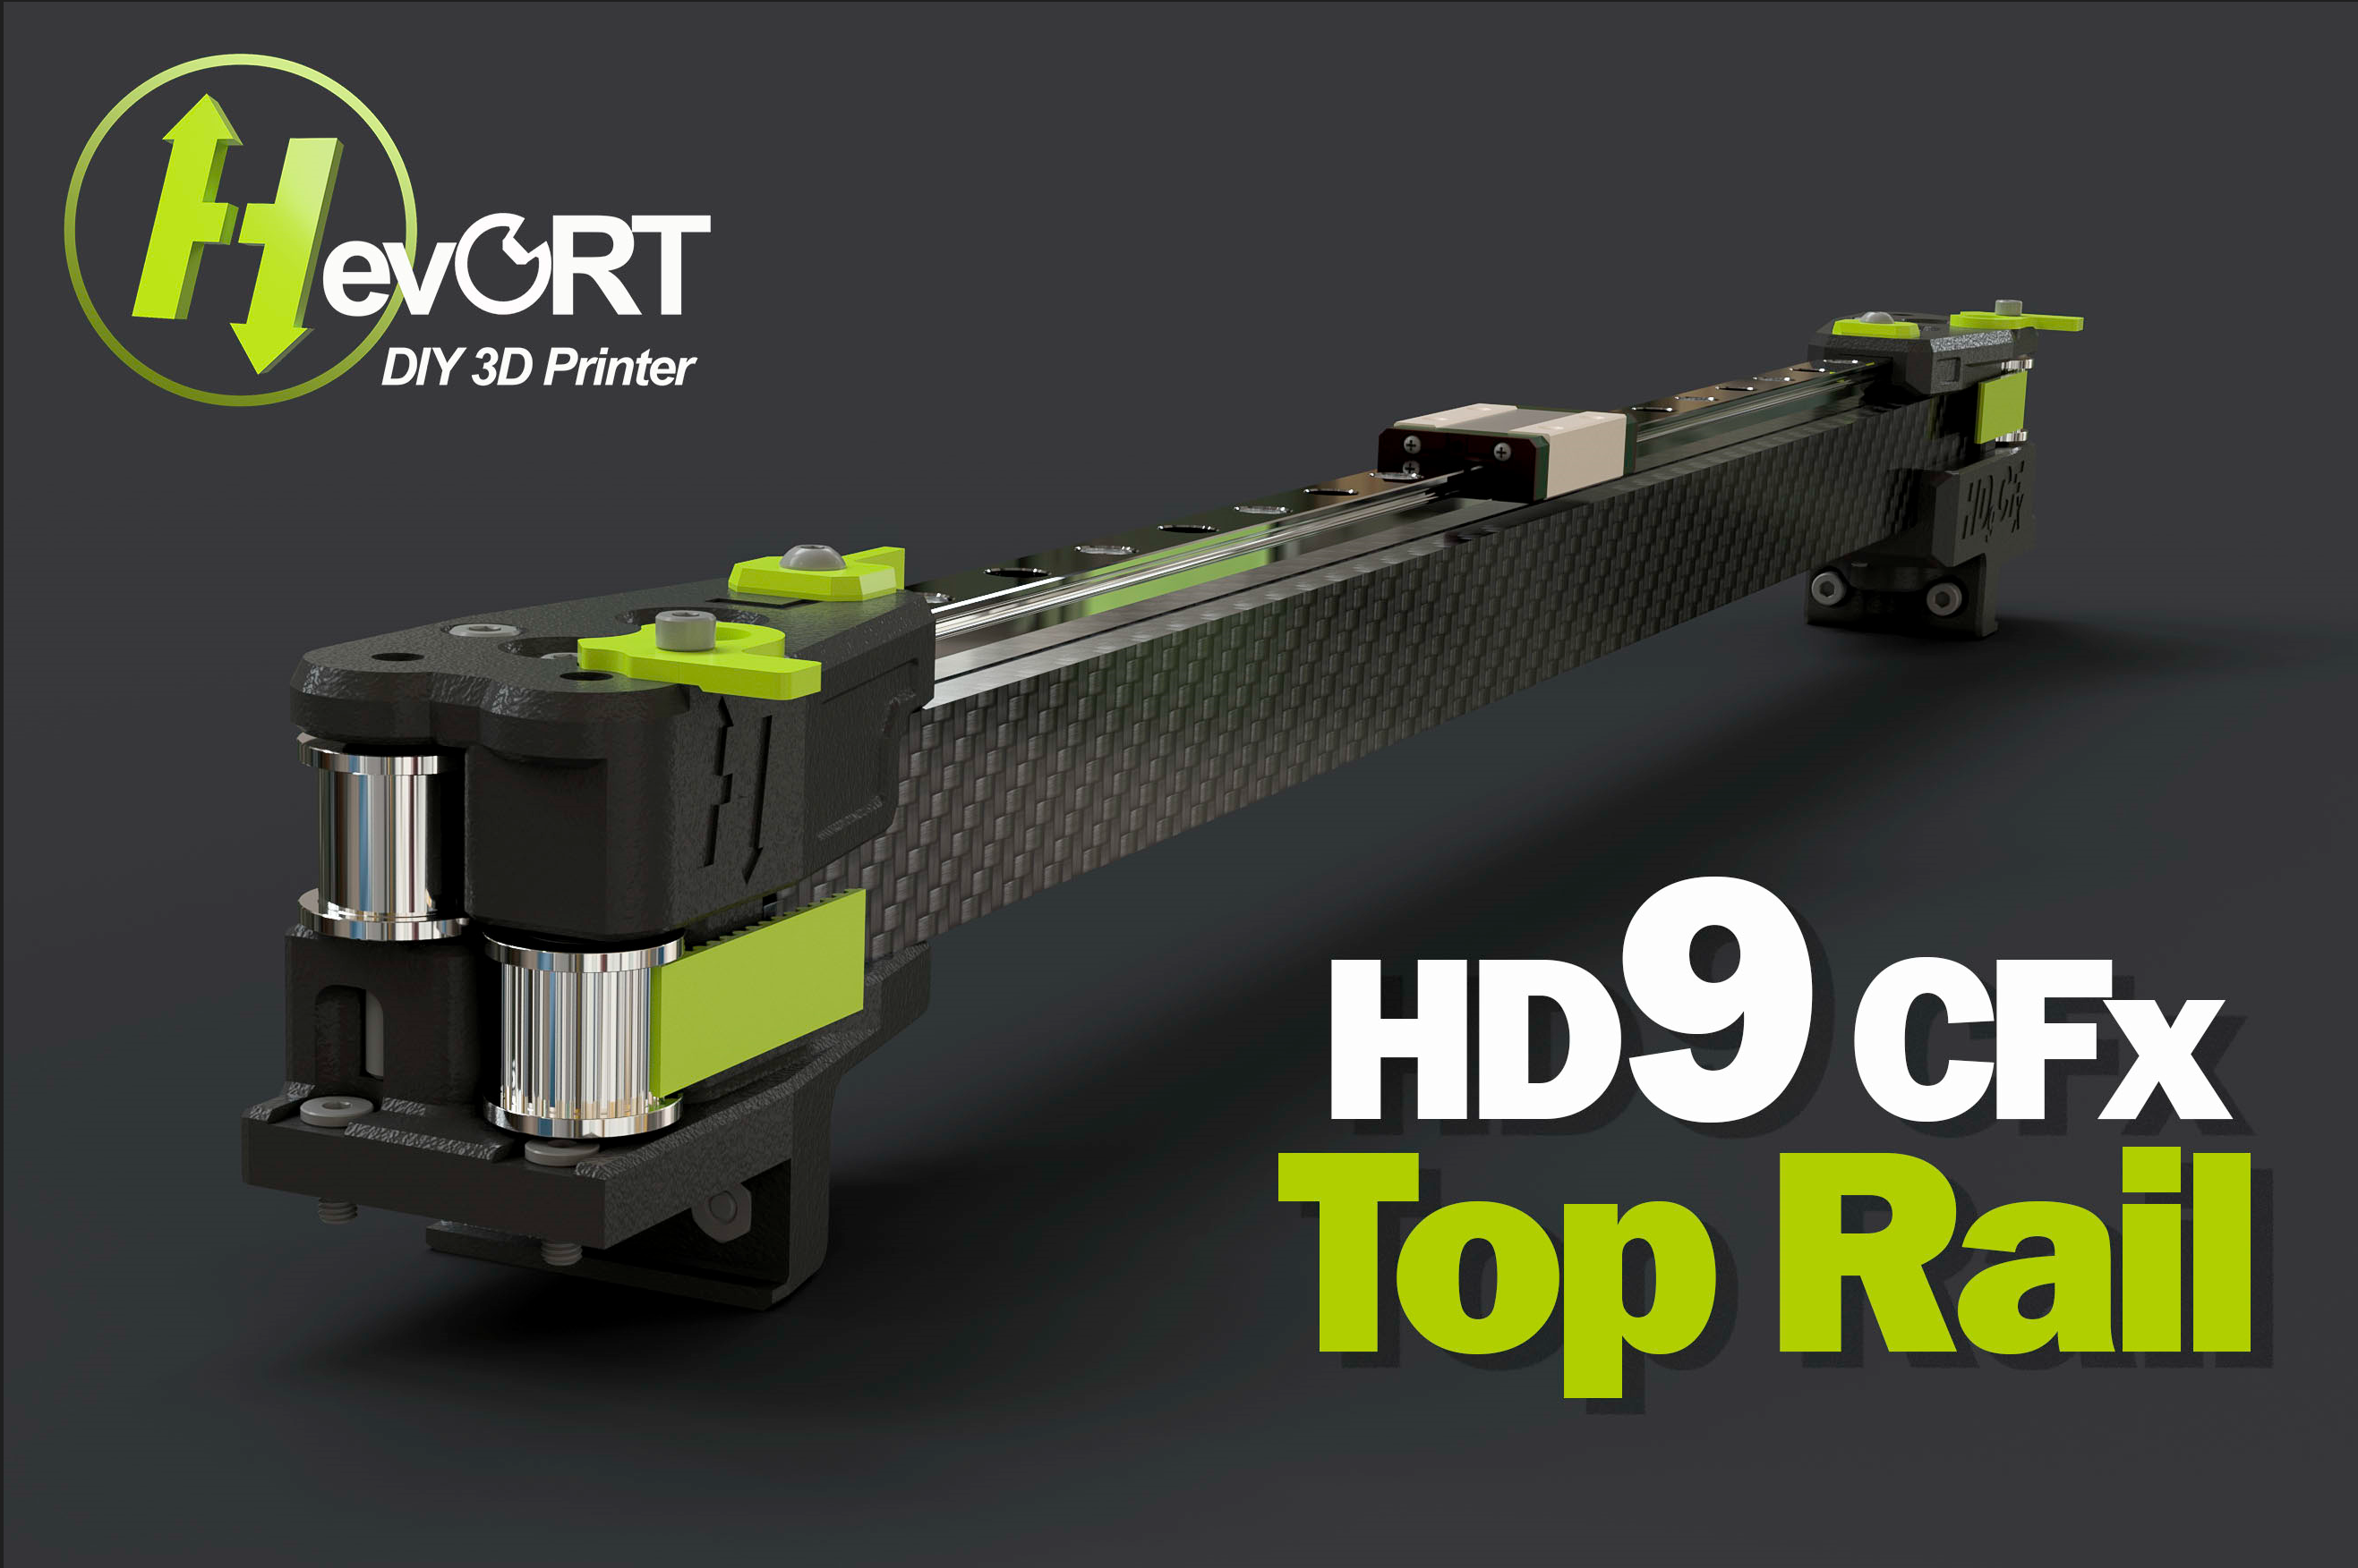 |  |  |  | LINK TO CAD | The MGN9 linear rail is mounted on the top of the Carbon Fiber Tube to facilitate the installation of longer hotends and extruders like the Vz-HextrudORT Low and the Goliath Please read the notes. Happy Printing !
SubAssy | Category | Item | Thumbnail | Part Name | Part Description | Make/Buy | QTY | Comment | Vendor | Vendor URL
OPTION_HD9_CFX TopRail_MGN9 | Buy | 1 | 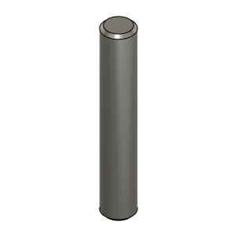 | Dowel_Pin_5mmX30mm | Pin, Dowel - 5x30mm | Buy | 4 | *Make sure these pins are not 5.00mm or more. They need to be 4.98 in order to fit the Idlers bearing properly. Most 5mm dowel pins on the market will be 4.98mm Can also be replaced with 5mm full carbon rods
OPTION_HD9_CFX TopRail_MGN9 | Buy | 2 | 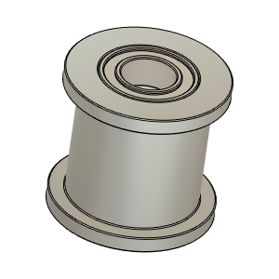 | Gates_2GT_20T_9mmbelt_Smooth | Pulley, Smooth Idler - *10mmGT2 5mm bore | Buy | 2 | *These Pulleys will accept 9mm or 10mm belts. | AliExpress - Mellow Store | https://s.click.aliexpress.com/e/_9If3uR
OPTION_HD9_CFX TopRail_MGN9 | Buy | 3 | 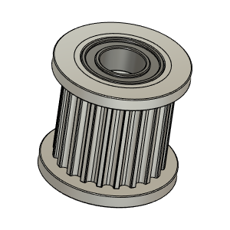 | Gates_2GT_20T_9mmbelt_Toothed | Pulley, Toothed Idler - *10mmGT2 5mm bore | Buy | 2 | *These Pulleys will accept 9mm or 10mm belts. | AliExpress - Mellow Store | https://s.click.aliexpress.com/e/_9If3uR
OPTION_HD9_CFX TopRail_MGN9 | Buy | 4 | 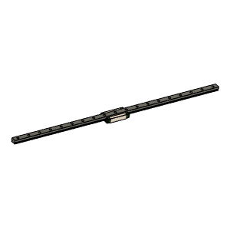 | MGN9 Rail and MGN9H Bloc | NOTE!! Length for the X rail for HD9CFx is longer than Regular HD9 |  | 1 | Suggested to buy 400mm length rail for 315x315 build. Rail will need to be cut to length (375mm for a 315x315 build). It is assumed that the end hole position is as per Hiwin Specs: | Hiwin Specs
OPTION_HD9_CFX TopRail_MGN9 | Buy + Fabricate | 5 | 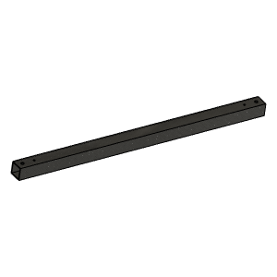 | XYHD_CFx_CarbonFiberTube20x20x1.8 | Cut To Length and drill | Make | 1 | Center and position rail using Y carriages and use rail as drill jig. See: PositionningTool_MGN9_V1.1.stl | Aliexpress - TianYuQi | https://s.click.aliexpress.com/e/_ABtMKb
OPTION_HD9_CFX TopRail_MGN9 | Hardware | 6 | 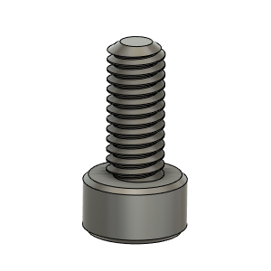 | M2.5X6_CapScrew_92290A056 | Screw, Capr_M2.5 X 6mm | Buy | 1 | For Y endstop flag
OPTION_HD9_CFX TopRail_MGN9 | Hardware | 7 | 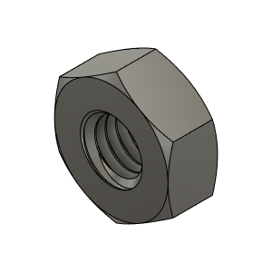 | M3_Nut_94150A325 | Nut, Hex - M3 | Buy | 15* | *Based on 315mm build (11 to be allocated to fix rail on CF tube.)
OPTION_HD9_CFX TopRail_MGN9 | Hardware | 8 | 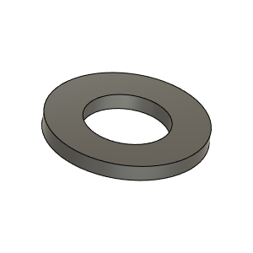 | M3_Washer_Flat_98690A110 | Washer, Flat - M3 | Buy | 9* | *Based on 315mm build To be used for fixing rail inside CF tube
OPTION_HD9_CFX TopRail_MGN9 | Hardware | 9 | 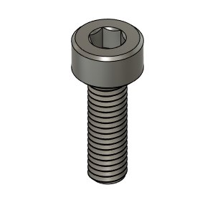 | M3X10_CapScrew_92290A115 | Screw, Cap - M3X10mm | Buy | 4
OPTION_HD9_CFX TopRail_MGN9 | Hardware | 10 | 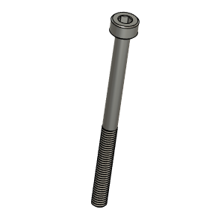 | M3X40_CapScrew_92290A128 | Screw, Cap - M3X40mm * | Buy | 6 | * Can use ButtonHead in lieu of CapScrew
OPTION_HD9_CFX TopRail_MGN9 | Hardware | 11 | 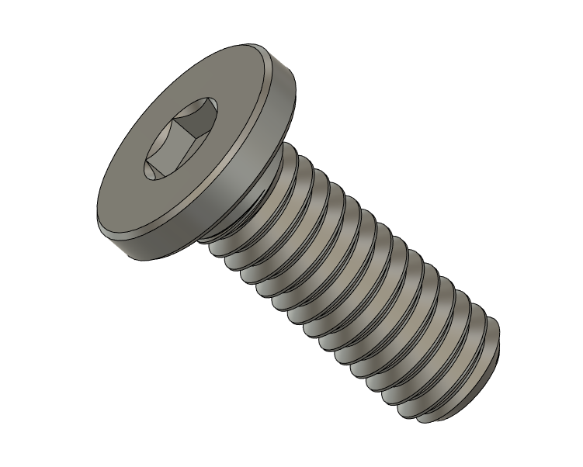 | M3X8_UltraLowProfile_90358A002 | Screw, UltraLowHead - M3X8mm | Buy | 4 |  | AliExpress | https://s.click.aliexpress.com/e/_DDqyw3X
OPTION_HD9_CFX TopRail_MGN9 | Hardware | 12 | 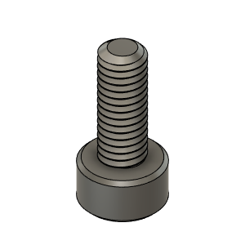 | M3X8_CapScrew_92290A113 | Screw, Cap - M3X8mm | Buy | 9* | *Qty Based on 315mm build and one screw every other hole of the rail
OPTION_HD9_CFX TopRail_MGN9 | Hardware | 13 | 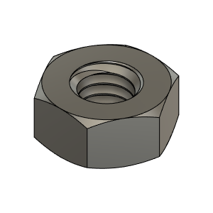 | M4_Nut_94150A335 | Nut, Hex - M4 | Buy | 2
OPTION_HD9_CFX TopRail_MGN9 | Hardware | 14 | 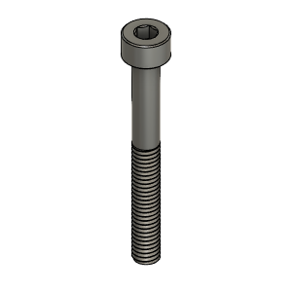 | M4X35_CapScrew_91290A182 | Screw, Cap - M4X35mm * | Buy | 2 | * Can use ButtonHead in lieu of CapScrew
OPTION_HD9_CFX TopRail_MGN9 | Hardware | 15 | 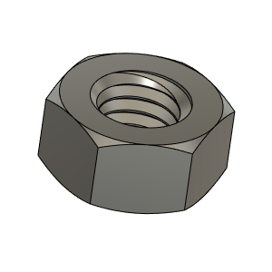 | M5_HexNut_94150A340 | Nut, Hex - M5 | Buy | 2
OPTION_HD9_CFX TopRail_MGN9 | Hardware | 16 | 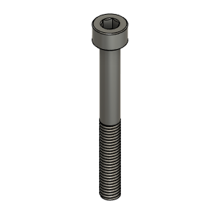 | M5X40_CapScrew_92095A222 | Screw, Cap - M5X40mm * | Buy | 2 | * Can use ButtonHead in lieu of CapScrew
OPTION_HD9_CFX TopRail_MGN9 | Print | 17a | 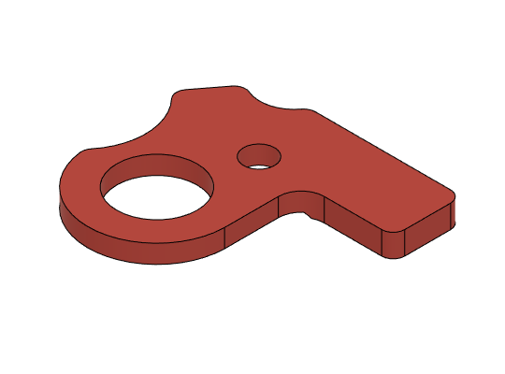 | XYHD_CFx_YFlag_RH v1 * | HD_CFx_YFlag_RH | Make | 1* | * This flag is to be installed on the right hand Y carriage. This will allow End Stop to be closer to Electronic Bay. | GitHub | https://github.com/MirageC79/HevORT/tree/master/files/STL/HD9/Option_HD9_CFx_TopRail
OPTION_HD9_CFX TopRail_MGN9 | Print | 17b | 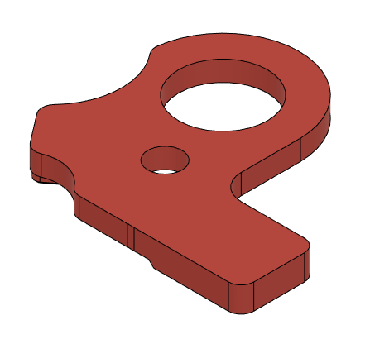 | XYHD9_CFx_YFlag_LH * | HD_CFx_YFlag_LH | Make | 1* | *Chose on which like you would like to install Y endstop | GitHub | https://github.com/MirageC79/HevORT/tree/master/files/STL/HD9/Option_HD9_CFx_TopRail
OPTION_HD9_CFX TopRail_MGN9 | Print | 18 | 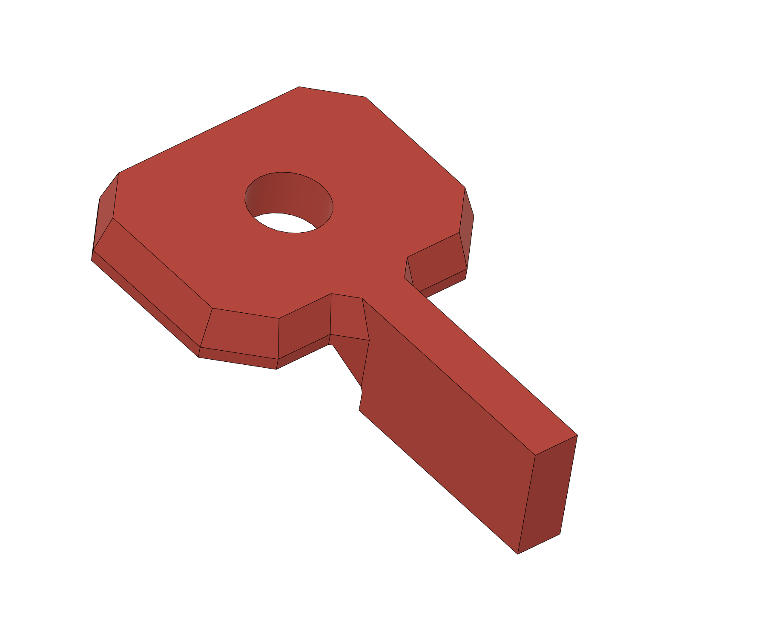 | XYHD9_CFX_MGN9_XFlag_LHRH | X EndStop Flag | Make | 1 |  | GitHub | https://github.com/MirageC79/HevORT/tree/master/files/STL/HD9/Option_HD9_CFx_TopRail
OPTION_HD9_CFX TopRail_MGN9 | Print | 18b | 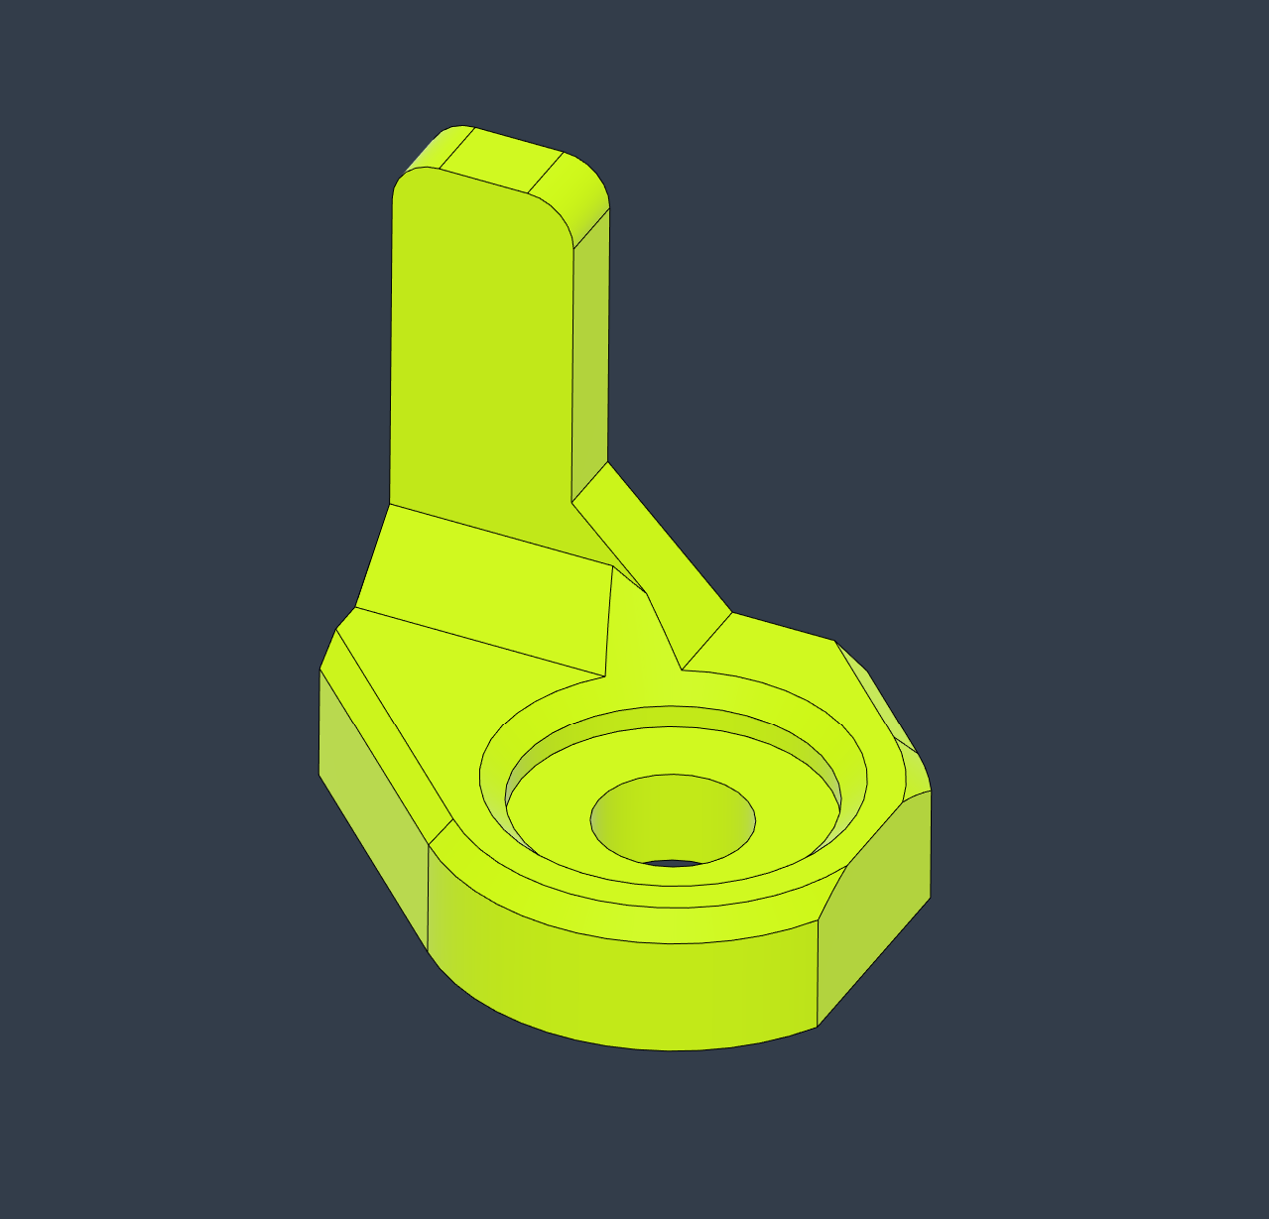 | XYHDx_CFx_TopRail_MGN9_VZPrintHead_XFlag v2 | X EndStop Flag | Make | 1* | This end stop flag is to be matched with the side mounted X End Stop option form the Vez Metal print heat for HevORT | GitHub | https://github.com/MirageC79/HevORT/tree/master/files/STL/HD9/Option_HD9_CFx_TopRail
OPTION_HD9_CFX TopRail_MGN9 | Print | 19 | 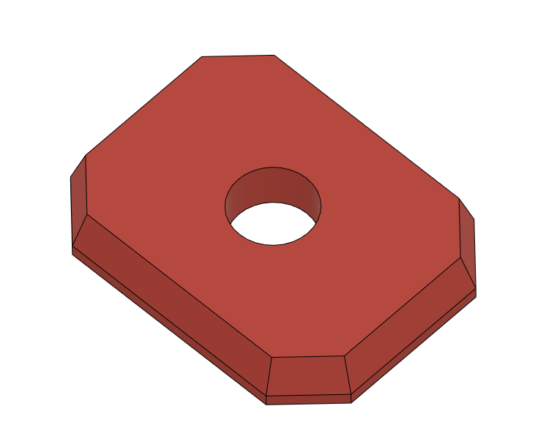 | XYHD9_CFx_MGN9_FlagSpacer | Flag Spacer | Make | 1* | *Optional. This spacer is so the 40mm M3 screw does not protrude too much under the carriage for the side that does not hold the X Flag. | GitHub | https://github.com/MirageC79/HevORT/tree/master/files/STL/HD9/Option_HD9_CFx_TopRail
OPTION_HD9_CFX TopRail_MGN9 | Print | 20 | 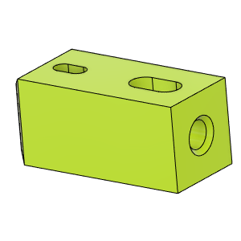 | HD_CFx_MGN9_CFTube Insert | Carbon Fiber Tube Insert | Make | 2 |  | GitHub | https://github.com/MirageC79/HevORT/tree/master/files/STL/HD9/Option_HD9_CFx_TopRail
OPTION_HD9_CFX TopRail_MGN9 | Print | 21 | 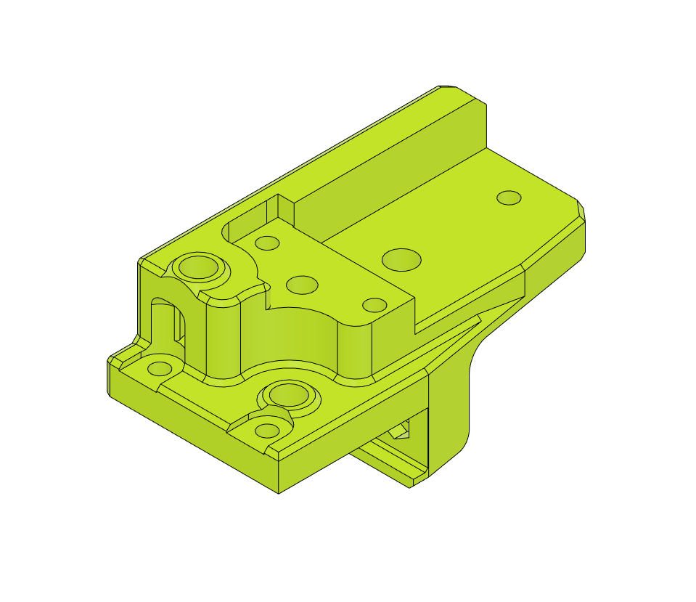 | XYHD9_CFx_TopRail_MGN9_YCarriage_LH_LowerBody | YCarriage_LH_LowerBody | Make | 1 |  | GitHub | https://github.com/MirageC79/HevORT/tree/master/files/STL/HD9/Option_HD9_CFx_TopRail
OPTION_HD9_CFX TopRail_MGN9 | Print | 22 | 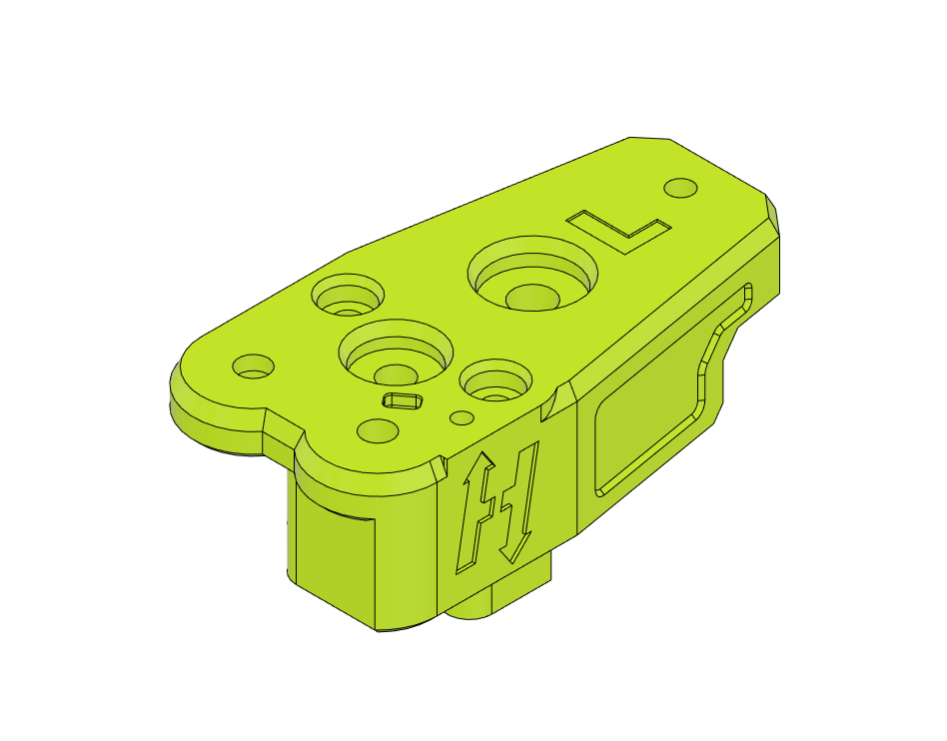 | XYHD9_CFx_TopRail_MGN9_YCarriage_LH_UpperBody | YCarriage_LH_UpperBody | Make | 1 |  | GitHub | https://github.com/MirageC79/HevORT/tree/master/files/STL/HD9/Option_HD9_CFx_TopRail
OPTION_HD9_CFX TopRail_MGN9 | Print | 23 |  | XYHD9_CFx_TopRail_MGN9_YCarriage_RH_LowerBody | YCarriage_RH_LowerBody | Make | 1 |  | GitHub | https://github.com/MirageC79/HevORT/tree/master/files/STL/HD9/Option_HD9_CFx_TopRail
OPTION_HD9_CFX TopRail_MGN9 | Print | 24 | 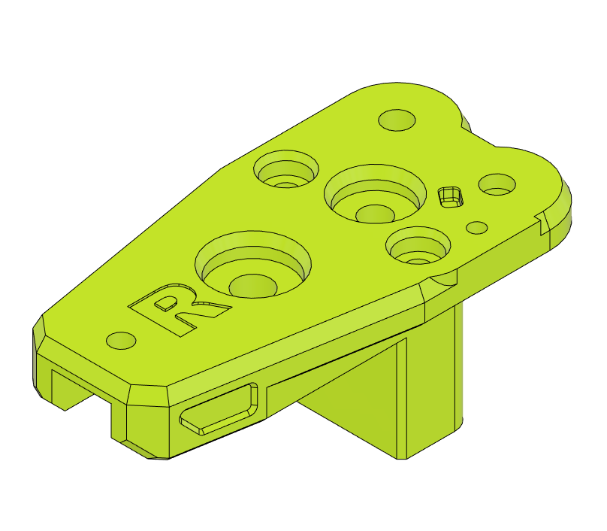 | XYHD9_CFx_TopRail_MGN9_YCarriage_RH_UpperBody | YCarriage_RH_UpperBody | Make | 1 |  | GitHub | https://github.com/MirageC79/HevORT/tree/master/files/STL/HD9/Option_HD9_CFx_TopRail

MGN9_Rail_Length
