Calculator
Printer Specs | CHOOSE !
PRINT AREA XY | 515 | <- Select |  |  | RR
XY Style | HDx | <- Select
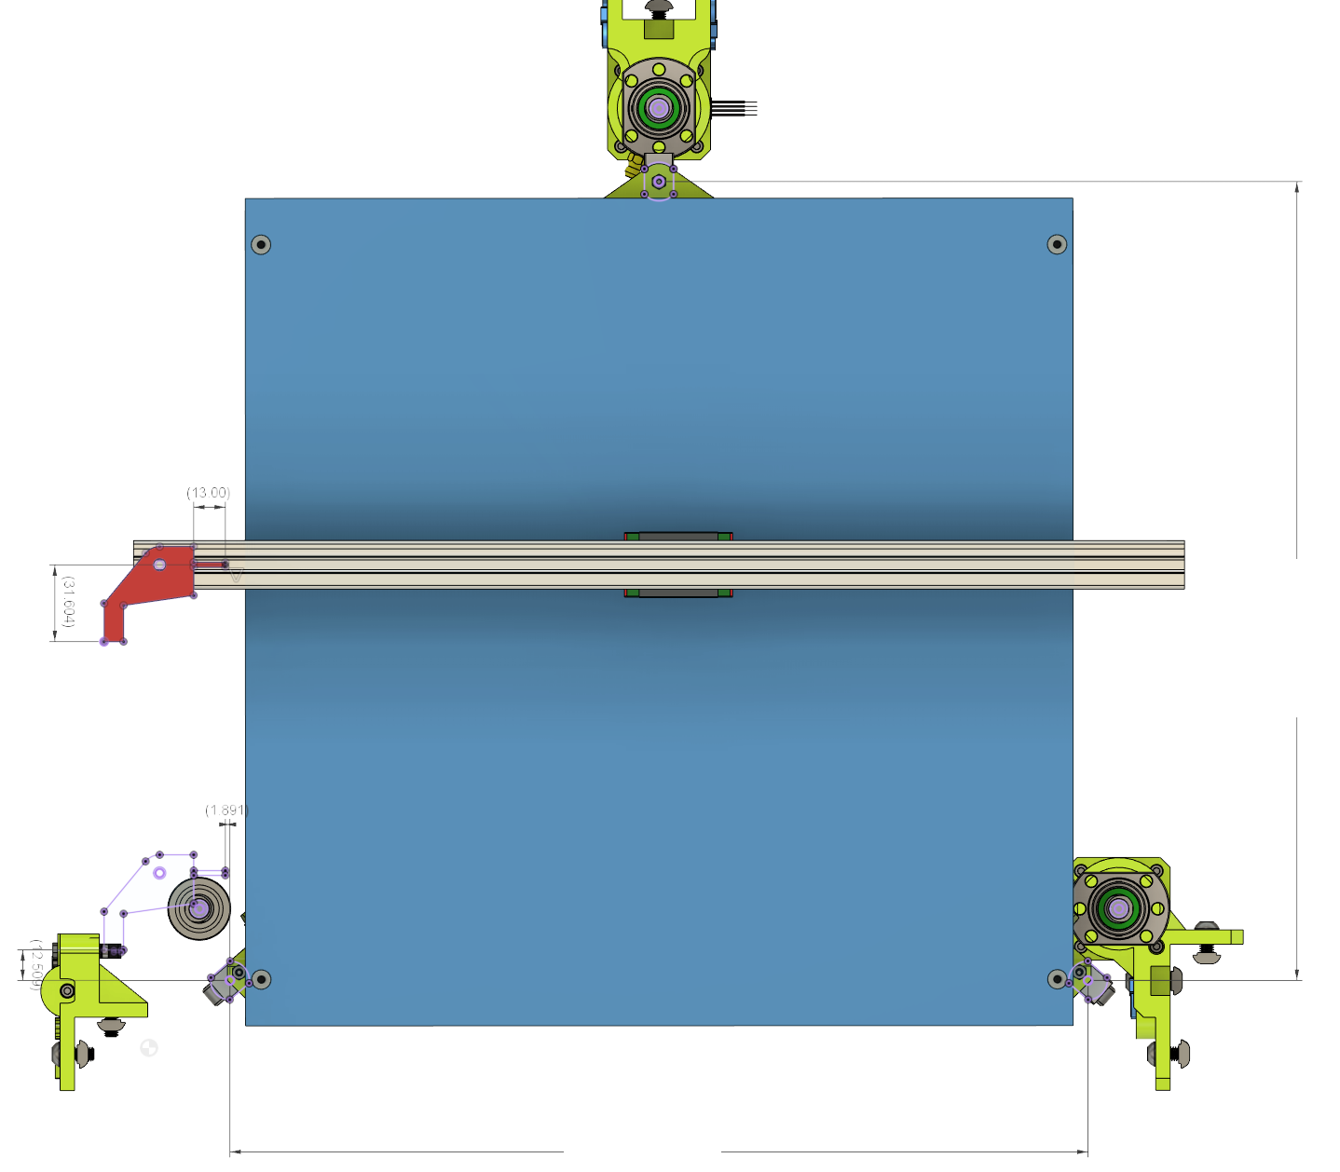
PRINT_HEAD | HextrudORT HD | <- Select
 |  |  |  |  | Rear Lift Point Coordinates from Nozzle
CustomFlag Offset | Length mm |  |  |  | X | Y
X Flag | 0 | <- Adjust |  |  | 259.339 | 507.81
Y Flag | 0 | <- Adjust

Results to be inserted in config.g (Duet/)
Results to be inserted in config.g (Duet/RRF)

Z Lift Point position
M671 X-16.87:259.339:535.548 Y-20.4:507.81:-20.4 S50

Z-Probe Offset
G31 P500 X22.775 Y8.706 Z[measured via Paper technique]

KLIPPER (for printer.cfg file)
[z_tilt]
z_positions:
-16.87,-20.4
259.339,507.81
535.548,-20.4

[bltouch] |  |  | Flag YOffset |  |  |  |  | 528.21
sensor_pin: xxx
control_pin: xxx
x_offset: | 28.079
y_offset: | 26.9
z_offset: | 2

 |  |  |  | Flag XOffset
 | FL |  |  |  |  |  |  |  | FR

 | Front Left Lift Point Coordinates |  |  |  |  |  |  |  | Front Right Lift Point Coordinates
 | X | Y |  |  |  |  |  |  | X | Y
 | -16.87 | -20.4 |  |  |  |  |  |  | 535.548 | -20.4

 |  |  |  |  |  |  | 552.418

XYHDx_Map
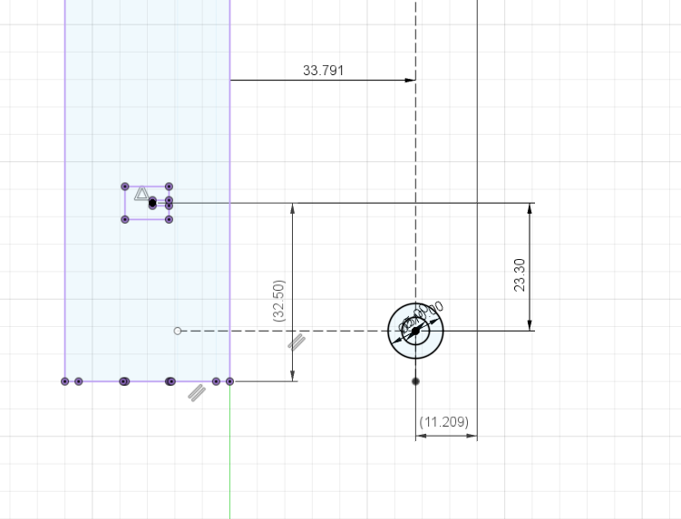
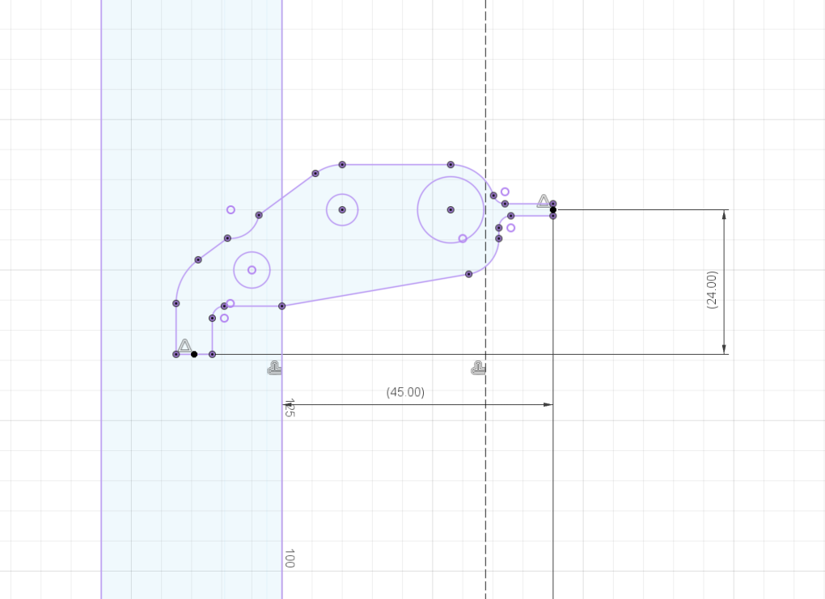

NIMBLE_KRYO
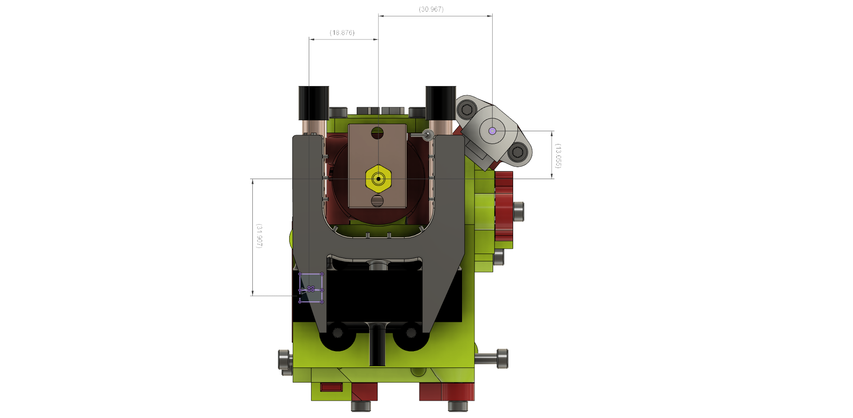

BMG_AQUA
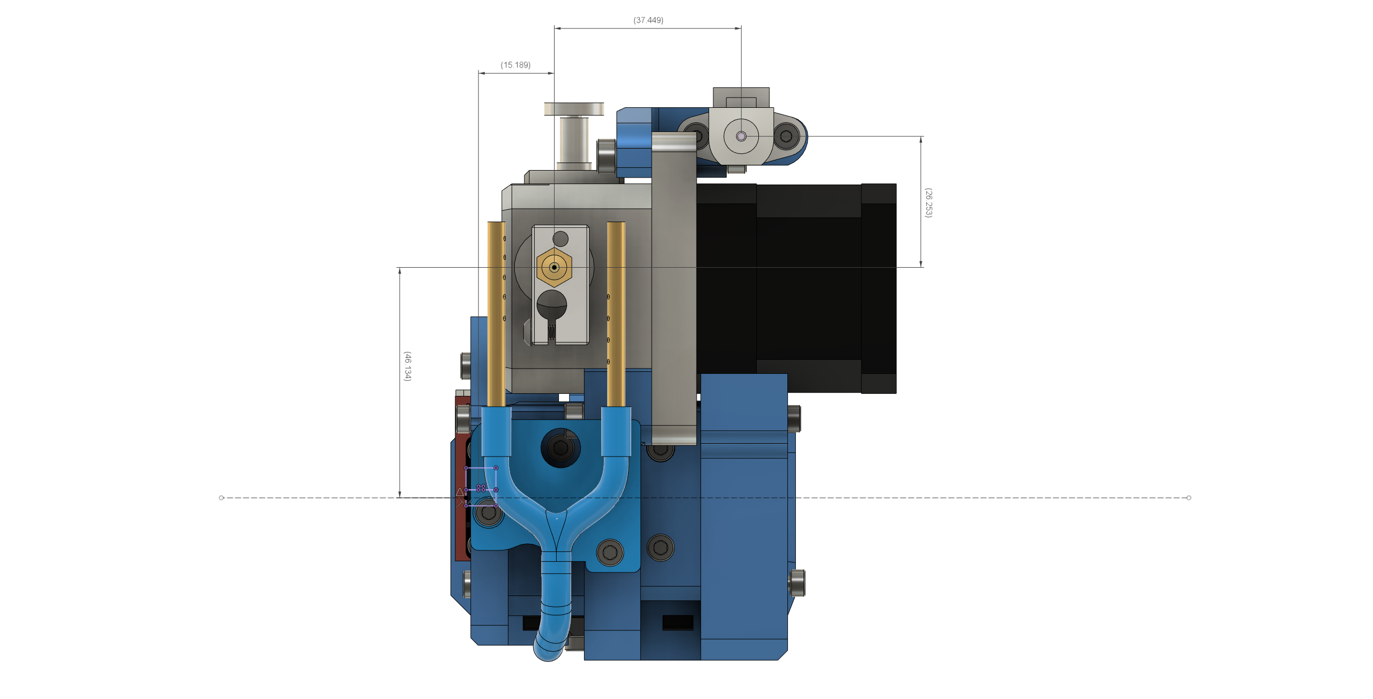

BMG_KRYO
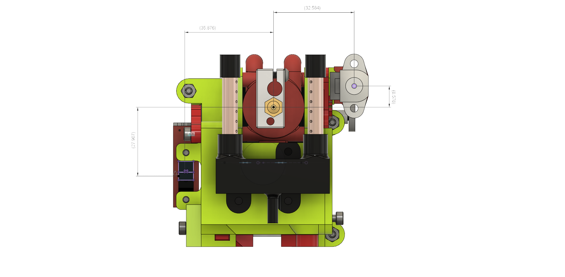

HEMERA
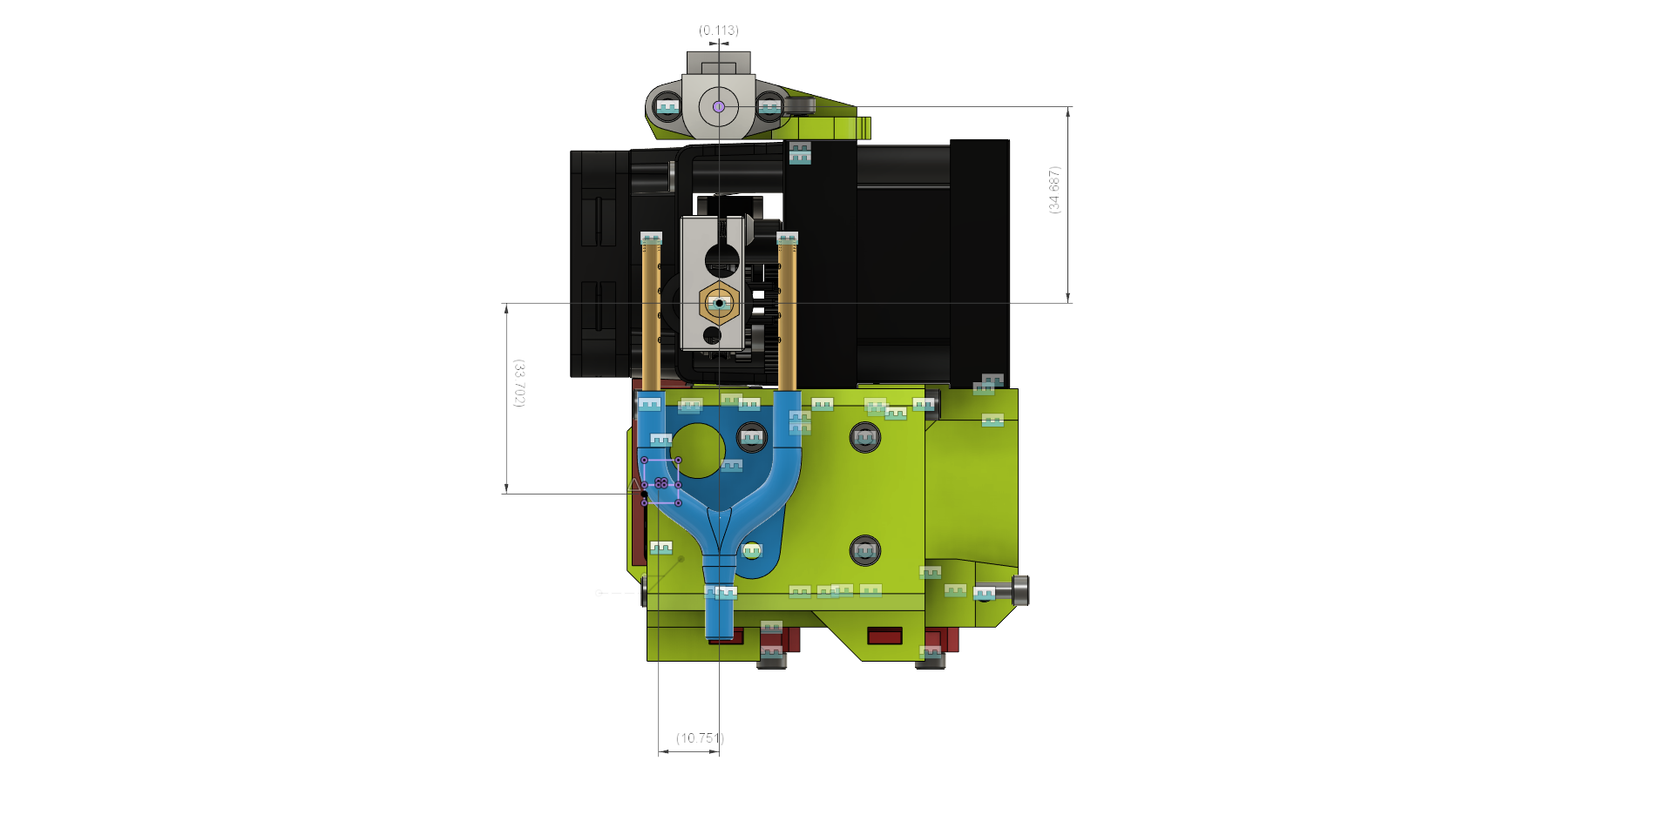

HEMERA_TOPMOUNT
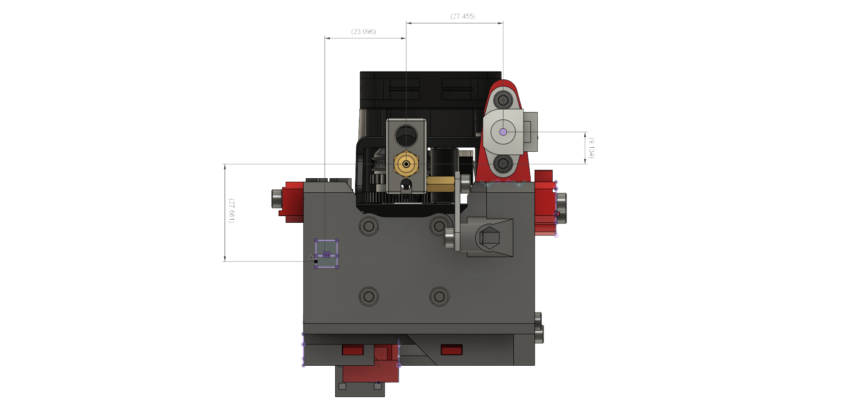

BMG_MGN9
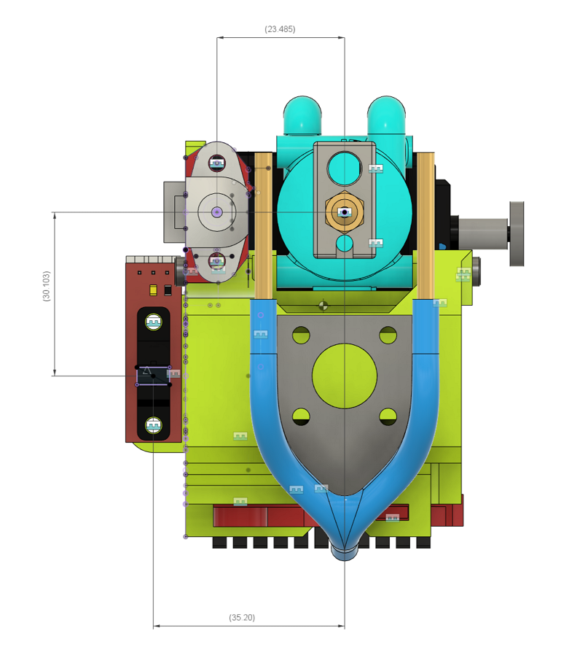

HextrudORT STDHT
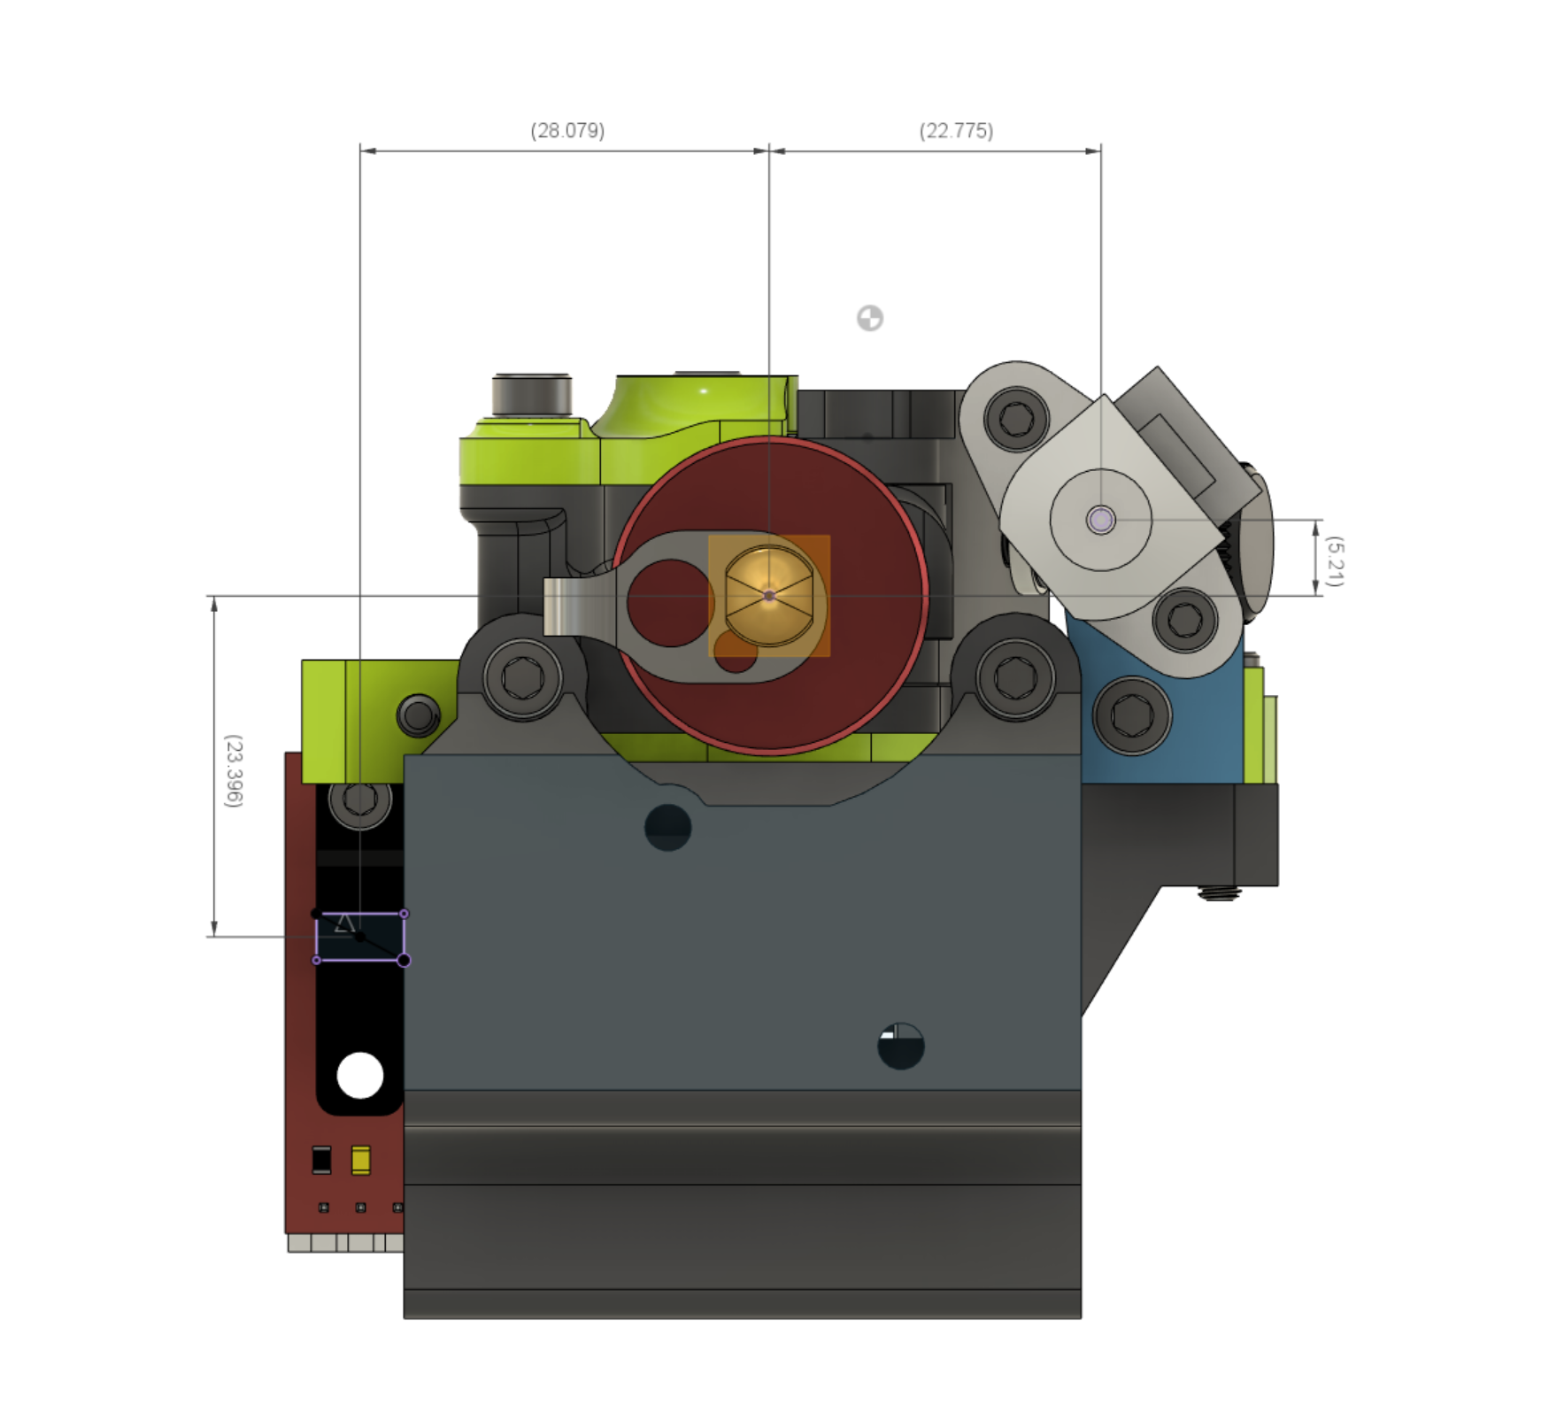

HextrudORT HDx
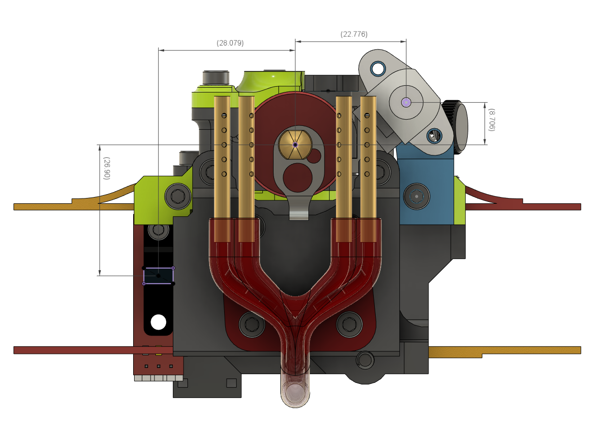

RRF3_D3P2
Choose your Duet Control Board. See instructions for Duet 2 here: | Enter your printer's name. This name will appear in the ribbon of the web browser accessing the Duet Web Control.
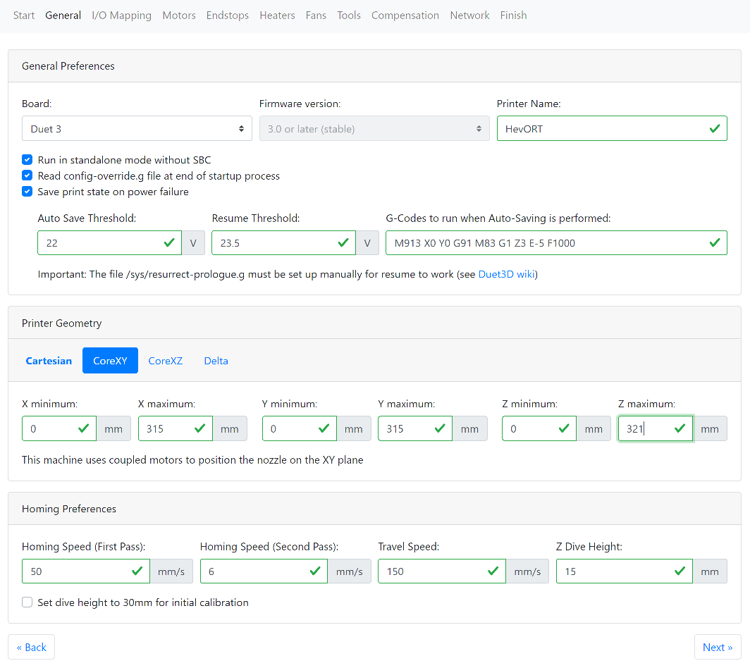
Duet 2 RRF Tool instructions

Select if you are using a Raspberry Pi with your Duet3. Read more about Duet3 and RPI relationship here:

-> Duet & Raspberry Pi <-

 | Auto Save Threshold: if input voltage to the Duet goes below this value, the sequence to power off motors and record the current print state will be initiated Resume Threshold: If the power did not completely go off and that the Duet was able to stay alive. The print will resume when the voltage reaches higher than this value. I have been using these values with success for the past 2 years. Anything higher than 23v on the AutoSave Threshold would be triggered too often due to the PSU and Electricity Provider accuracy I use.
The config-override.g file will contain some settings that will over-ride the ones into the basic config.g. PID Tune Values are typically stored into this file when saving using M500 command

Very useful feature. As the duet detects a low voltage condition (power outage or other) it will immediately cut the power to the motors and use the remaining energy from the power supply capacitors to rapidly store into memory current print progress. That progress is stored into resume.g file.

Select CoreXY, as this is the Geopmetry used by the HevORT

 | Read more: -> M911 Gcode <-

The resurrect-prolog.g file will be used to prepare the printer to resume the print saved during power outage or low voltage condition. | The true print area of you printer will be defined by a few things: 1 - Frame Size as defined in the Frame Calculator 2 - Depending on the selected print head, you might have more, or less print area. 3 - The Wobble Wings will consume 18.5mm of Z height. Ex: A 340mm print size frame using the wings will end up being 321.5. But if you are using a print head where the nozzle sits high, you will recuperate some of it. It is proposed to use FrameCalculator values for now and tune them at first run.

The values proposed here are a bit higher than the default RRF config tool ones. But we are talking about settig up an HevORT ;)

Since the HevORT print bed can be quite tilted, increasing this value to at least 15mm is a good idea in order to avoid early triggering of the Z probe (BLTouch)

Next

Back to Menu

RRF3_D3P3
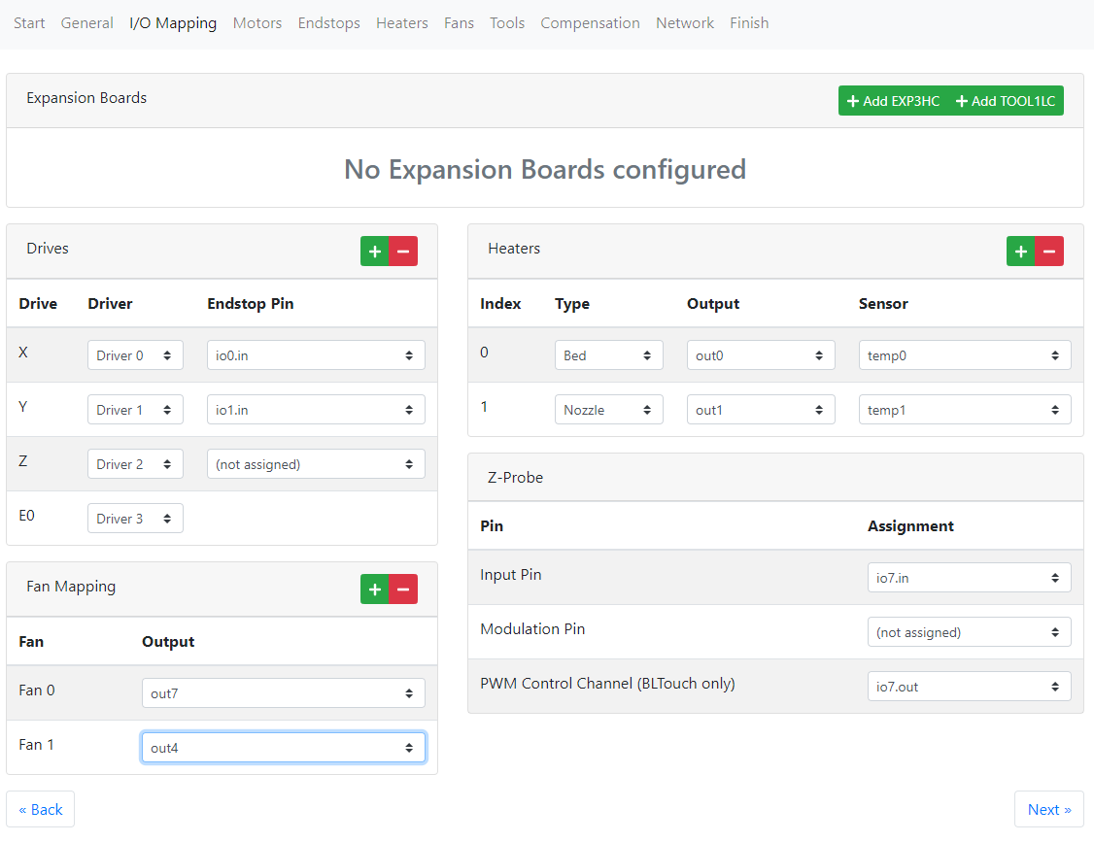
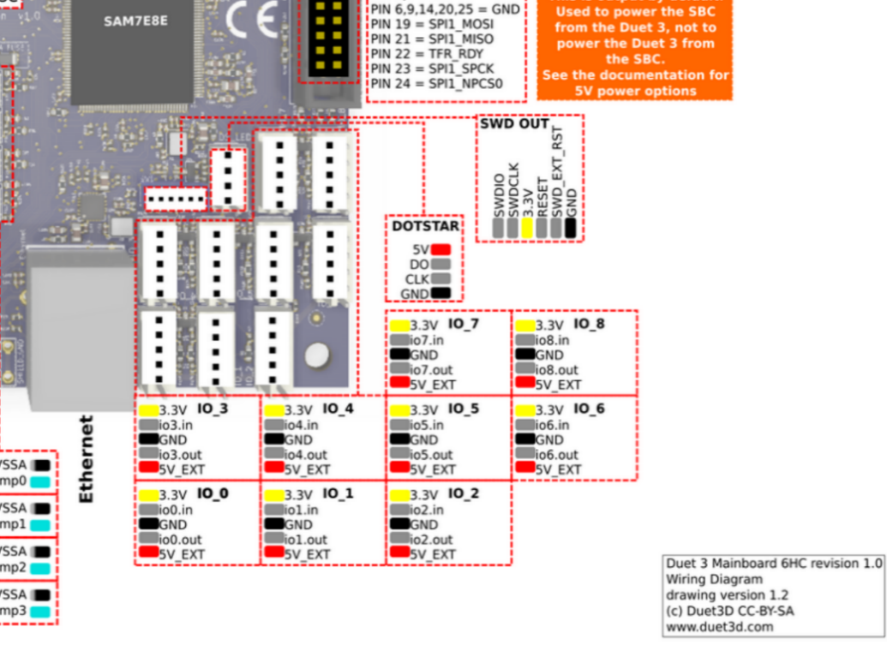

 |  |  | Note: It is recommended to use I/O port #7 for the Bltouch, but you can also use #4 or #5.

Standard Configuration using regular thermistors
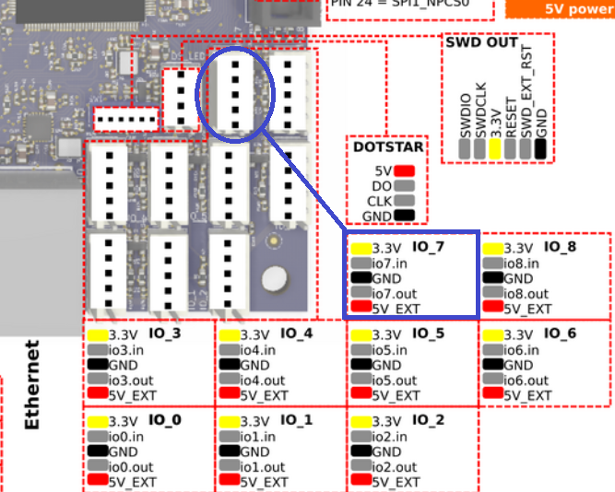

Optical End Stop | Duet 3 Pin
V | 3.3v
S | io0.in
To which Driver each motor is connected. No Need to be specific about X and Y at this point, we will see that at first power up.
G | GND

 |  | End Stops are to be connected to the Inputs and Output Ports of the Duet 3 The Corresponding I/O pin needs to be selected. Select [ioX.in] since these sensor are Active High no need for pull up resistor (Sensor send 3.3V to I/O when triggered.)

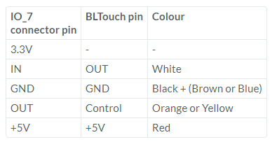

Fan0 (Part Cooling): Recommended to use out7,out8 or out9 for BerdAir Pump motor and HevACS.

Fan1 (Hot End): No need to define if using WaterCooling Otherwise you can use out4 thru out6
Back
Next

Back to Menu

RRF3_D3P4
For XY when using 0.9 degree steeper motors, the Hevort will use 160 Steps per mm. This is taking into accound the diameter of the Pulleys and the fact that the steps are (micro stepped to X16) 400 * 16 = 6400 steps /rev
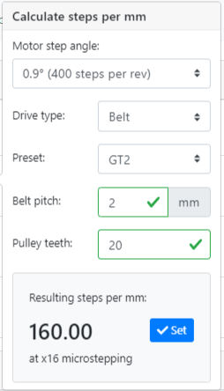
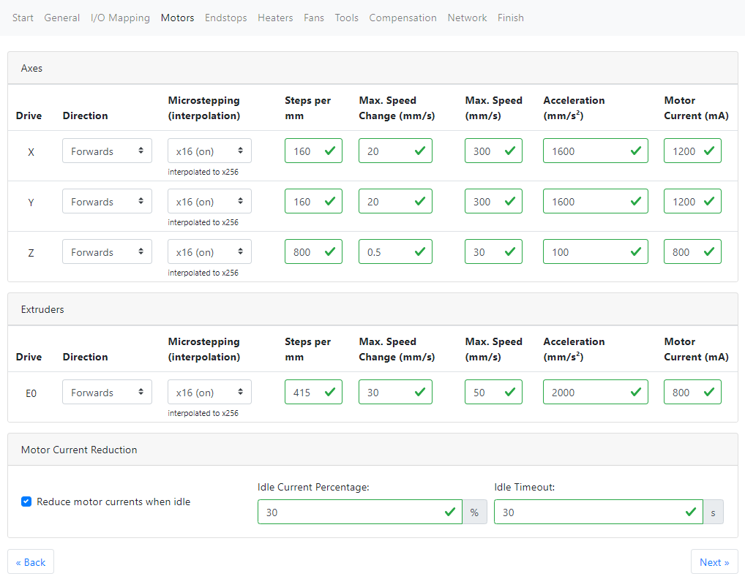
All of these values for Jerk (Max.Speed Change) , Sepped and Acceleration are conservative, but quite higher than the proposed values into the RRF tool. For the first runs of you printer I propose you use these values and then increase them while testing to see how your build reacts to them.
All these values are considered as Not to Exceed. So even if your slicer is asking for a move that would accelerate and travel faster than these values, the Duet will change that request to something that will not exceed your max parameters. Thanks to the Duet, these can be easily changed while printing by sending GCode commands through the Web Control.
Motor Current: As a rule of thumb, if your motors are well ventilated, you should use a value that is not higher than 80% of their recommended Amp Rating.

-> How Microstepping works <-

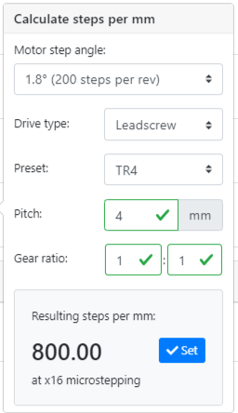

For Z, Using Ball screw with a pitch of 4mm / turn and using 1.8 degree motors will give us 800 steps per mm at x16 microsteps. (If you are using 0.9degree motors for Z, this value will then be 1600) Normally, Steps / mm for XY and Z should'nt require to be adjusted.

Start with the value proposed by the manufacturer of your extruder. EX: (Using 1.8 motors) BMG = 415 step /mm @ x16 Hemera = 409 steps/mm @ x16

Good as proposed for now. After 30seconds of innactivity motor power will be reduced to 30% in order to maintain position while not moving.

Extruder Acceleration, Jerk and Max Speed are quite higher in this proposal due to the use of Pressure Advance and assumption of a direct drive Extruder system. When printing at high speed, the required pre-load of pressure in the nozzle before a move can be brutal. We need to make sure the Extruder motor will be able to match that request, if not the print will slow down.

Motor Directions for XY and Z can be left as is for now. Too many variables will interact with how your printer will behave when powered on for the first time. So a good old test and see is probably the best method.

Back
Next

Back to Menu

