Sheet1
SubAssy | Category | Item | Thumbnail | Part Name | Part Description | Make/Buy | QTY | Comment | Vendor | Vendor URL
OPTION A | Duet2 + Duex5
Electronics | Control board | A1 |  | Duet2 | Duet2 Wifi or Duet2 Ethernet | Buy | 1 | Duet2 has only 5 independent stepper motor drivers. If you desire to implement the ZR Tripple motor self levelling function, you will require one additional driver. Proposed solution is to go with Duex5 expansion board. (or Duex2) | Duet3D and official ressellers. | https://duet3d.com/DuetWifi https://duet3d.com/DuetEthernet
Electronics | Control board | A2 | 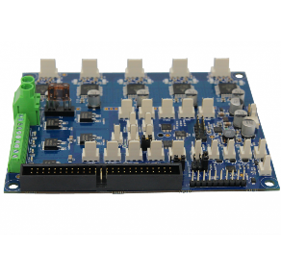 | Duex5 | Duet2 Epansion board with 5 additional drivers | Buy | 1 | Duet2 has only 5 independent stepper motor drivers. If you desire to implement the ZR Tripple motor self levelling function, you will require one additional driver. Proposed solution is to go with Duex5 expansion board. (or Duex2) | Duet3D and official ressellers. | https://duet3d.com/Duex5
OPTION B | Duet3
Electronics | Control Board | B1 | 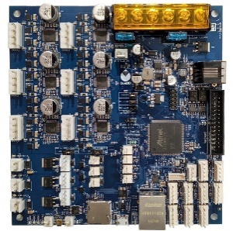 | Duet3 MainBoard 6HC | Duet 3 Control Board | Buy | 1 | Duet 3 has 6 independent stepper driver, which is enough to control all basis stepper from the HevORT: X, Y, Z, Z, Z and E | Duet3D and official ressellers. | https://duet3d.com/Duet3Mainboard6HC
Electronics | Control Board | B2 | 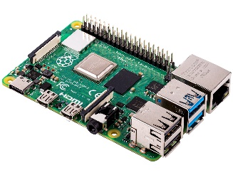 | Raspberry Pi 4 | Single board computer for Duet3 | Buy | 1* | *Optional Although you do not absolutely require a raspberry pi to get your Duet3 running, the RPI will provide a few interresting options; wifi, hdmi screen interface. Development and integration of other solution/option. Read more here: https://betrue3d.dk/rpi-and-duet-3-why-and-how/?fbclid=IwAR16IzLQhu4W4G6IMp81qFp3ousTRf1AjmVV-9iawk4osm4pF1tQDGAXfwg | Amazon, Aliexpress, electronics shop etc…
BASELINE
Electronics | Power Management | 3 |  | PSU 24V 350W | Recommended Meanwell LRS-350-24 | Buy | 1 | Any 24VDC PSU with a power rating of 300+ watt will do the job as this printer is intended to have an AC heat pad. Therefore the PSU will only provide power to the nozzle, heater, control board, fans, stepper motors, lights etc… | Amazon AliExpress Digikey Mouser | https://www.amazon.ca/-/fr/Powernex-Lrs-350-24-24-Commutation-Enclosed-lrs-dalimentation/dp/B013ETVO12/ref=sr_1_1?__mk_fr_CA=%C3%85M%C3%85%C5%BD%C3%95%C3%91&dchild=1&keywords=lrs-350-24&qid=1604417431&sr=8-1 https://www.aliexpress.com/wholesale?catId=0&initiative_id=SB_20201103073236&SearchText=lrs-350-24
Electronics | AC Heater Pad & Control | 4 | 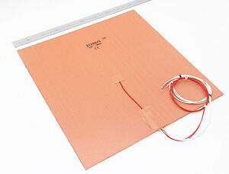 | 110VAC or 220VAC Silicone Heater pad | Keenovo Silicon Heat Pad using AC mains voltage |  | 1* | *Dimension defined in Frame Calculator: https://miragec79.github.io/HevORT/framecalculator.html | AliExpress | https://keenovo.aliexpress.com/store/210086?spm=a2g0o.productlist.0.0.184c4ec1syswHe
Electronics | AC Heater Pad & Control | 5 |  | SSR-25-DA | 25 Amp Solid State Relay. 3 - 32VDC input, 24-380VAC control | Buy | 1 | Required to drive the recommended bed heat pad which uses mains power (110Vac or 220Vac). The solid state will source power from the mains and distribute to the bed as instructed by the conrol board. | Amazon AliExpress Digikey Mouser
Electronics | AC Heater Pad & Control | 6 | 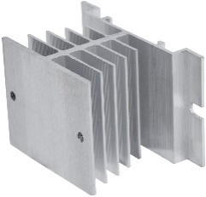 | SSR Heat Sink | Heat Sink for SSR | Buy | 1 | SSR can develop quite a bit of heat when used with PID operation mode from the heaters. This heat sink will prevent the relay from overheating. | Amazon AliExpress Digikey Mouser
Electronics | AC Heater Pad & Control | 7 |  | SSR protective cover | Plastic cover protection to avoid shocks | Buy | 1 | Mains power is dangerous, keep your fingers safe and avoid contact with other components. This cover will help with that. | Amazon AliExpress Digikey Mouser
Electronics | AC Heater Pad & Control | 8 | 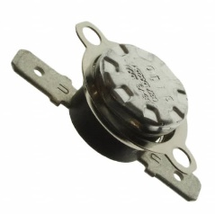 | Temperature Switch | Thermostat 150C | Buy | 1 | This NC (normally closed) thermostat will open the circuit and cut the power to the bed heat pad incase the bed plate reaches over 150C. You can select other models with higher values if you intend to print with higher bed temperature. This Thermostat acts as a safety measure in case of controller or SSR fault. | DigiKey or other electronics sources | https://www.digikey.ca/en/products/detail/cantherm/CS715025Y/2195566
Electronics | AC Heater Pad & Control | 9 |  | TCO 250VAC 10A 184C | Thermal Cut-Off 184C | Buy | 1* | *Optional. This thermal fuse can be added to the heat bed circuit and mounted under the bed to provide an additional level of safety against potential heater control jam. In case the Control Board, The SSR and the Thermal switch have failed to cut power to the heater pad, this device will permanently open the circuit at 184C. Its internal will melt. | DigiKey or other electronics sources | https://www.digikey.ca/en/products/detail/cantherm/SDF-DF184S/1014767
Electronics | Sensors | 10 |  | BLTouch | V2 or V3.1 | Buy | 1* | *Already Included into Selected Print Head BOM. It is recommended to purchase an original BLTouch from AntcLabs for better reliability and accuracy. BLTouch acts as a Z probe and also Z End Stop. It will be of great use to create the topographic map of your build surface. It is also used to perform bed self levelling. | Any good 3D printing parts store. | https://www.antclabs.com/
Electronics | Sensors | 11 |  | Optical EndStops | End Stops for X and Y | Buy | 2* | *Already included into XY Axis BOM + Selected Print Head BOM | Amazon AliExpress 3D printer store

