FRAMECALCULATOR

 |  | Desired Print Area | STD
 |  | X | 765 | 1. Adjust the Desired X dimension (Y will be adjusted automatically)*
 |  | Y | 765 | Same as X to ensure ZR arm alignment
 |  | Z | 790 | 2. Enter desired Z Dimension
 |  |  |  |  |  |  | 3. Right-Click in the table below and do "Refresh" |  |  | 315x315x340 Version
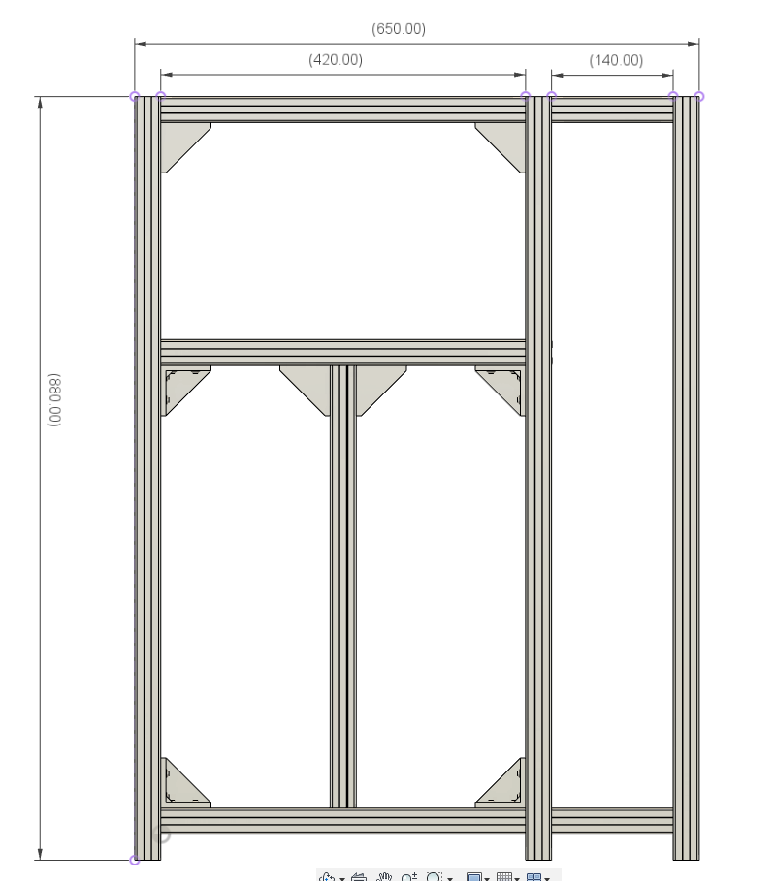
Frame & Friends Calculator |  |  |  |  |  |  | Summary
Structure Section | CAD_Part | Description | Part Type | Length mm | Qty |  | Sum of Qty
Frame | HHB | Horizontal_High_Back | 3030 Extrusion | 870 | 1 |  | Part Type | Length mm | Total
Frame | HHF | Horizontal_High_Front | 3030 Extrusion | 870 | 1 |  | 2020 Extrusion | 710 | 2
Frame | HHL | Horizontal_High_Left | 3030 Extrusion | 860 | 1 |  | 2020 Extrusion | 770 | 2
Frame | HHR | Horizontal_High_Right | 3030 Extrusion | 860 | 1 |  | 2020 Extrusion | 881 | 1
Frame | HLB | Horizontal_Low_Back | 3030 Extrusion | 870 | 1
Frame | HLF | Horizontal_Low_Front | 3030 Extrusion | 870 | 1 |  | 3030 Extrusion | 140 | 4
Frame | HLL | Horizontal_Low_Left | 3030 Extrusion | 860 | 1 |  | 3030 Extrusion | 870 | 5
Frame | HLR | Horizontal_Low_Right | 3030 Extrusion | 860 | 1 |  | 3030 Extrusion | 860 | 8
Frame | HMB | Horizontal_Mid_Back | 3030 Extrusion | 870 | 1 |  | 3030 Extrusion | 1330 | 6
Frame | HML | Horizontal_Mid_Left | 3030 Extrusion | 860 | 1 |  | 3030 Extrusion | 960 | 3
Frame | HMR | Horizontal_Mid_Right | 3030 Extrusion | 860 | 1
Frame | VBL | Vertical_Back_Left | 3030 Extrusion | 1330 | 1 |  | MGN12C Rail | 850 | 2
Frame | VBR | Vertical_Back_Right | 3030 Extrusion | 1330 | 1
Frame | VFL | Vertical_Front_Left | 3030 Extrusion | 1330 | 1 |  | MGN12H Rail | 150 | 3
Frame | VFR | Vertical_Front_Right | 3030 Extrusion | 1330 | 1 |  | MGN12H Rail | 835 | 1
Xtension_ElectronicBay | XHH | Xtension_Horizontal_High_Right | 3030 Extrusion | 860 | 1 |  | MGN12H Rail | 900 | 3
Xtension_ElectronicBay | XHHB | Xtension_Horizontal_High_Back | 3030 Extrusion | 140 | 1
Xtension_ElectronicBay | XHHF | Xtension_Horizontal_High_Front | 3030 Extrusion | 140 | 1 |  | SFU1204 Screw | 900 | 3
Xtension_ElectronicBay | XHLB | Xtension_Horizontal_Low_Back | 3030 Extrusion | 140 | 1
Xtension_ElectronicBay | XHLF | Xtension_Horizontal_Low_Front | 3030 Extrusion | 140 | 1 |  | GT2 Belt | 7600 | 1
Xtension_ElectronicBay | XHLR | Xtension_Horizontal_Low_Right | 3030 Extrusion | 860 | 1
Xtension_ElectronicBay | XVBR | Xtension_Vertical_Back_Right | 3030 Extrusion | 1330 | 1 |  | MIC6 Alu 6mm (Square) | 790 | 1
Xtension_ElectronicBay | XVF | Xtension_Vertical_Front | 3030 Extrusion | 1330 | 1
ZR_Support | VFL_ZR | ZR Doubler Vertical_Front_Left | 3030 Extrusion | 960 | 1 |  | SiliconeHeatPad (Square) | 750 | 1
ZR_Support | VFR_ZR | ZR Doubler Vertical_Front_Right | 3030 Extrusion | 960 | 1
ZR_Support | VRR_ZR | ZR Doubler Vertical_Rear | 3030 Extrusion | 960 | 1 |  | 2020 Extrusion (HD Only) | 870 | 1
BedFrame | BedFR | BedFrame Front | 2020 Extrusion | 710 | 1
BedFrame | BedRR | BedFrame Rear | 2020 Extrusion | 710 | 1 | (*) NOTE
BedFrame | BedLH | BedFrame Left | 2020 Extrusion | 770 | 1 | In order to obtain standard MGN rails and ball screw lengths, use here below proposed values
BedFrame | BedRH | BedFrame Right | 2020 Extrusion | 770 | 1
X Axis Support | Track_X_2020Profile | X axis support aluminum profile 2020 | 2020 Extrusion | 881 | 1
BedPlate | BedPlate | Bed Plate (Square) | MIC6 Alu 6mm (Square) | 790 | 1 | XY | Z
XYRails | Y_MGN12C_Left | MGN12 Rail with MGNC (Compact Bloc) | MGN12C Rail | 850 | 1 | 315 | 340
XYRails | Y_MGN12C_Right | MGN12 Rail with MGNC (Compact Bloc) | MGN12C Rail | 850 | 1 | 365 | 390
XYRails | X_MGN12H | MGN12 Rail with MGN12H (Normal Bloc) | MGN12H Rail | 835 | 1 | 415 | 440
ZR_Motion | ZR_MGN12H_FL | MGN12 Rail with MGN12H (Normal Bloc) | MGN12H Rail | 900 | 1 | 465 | 490
ZR_Motion | ZR_MGN12H_FL | MGN12 Rail with MGN12H (Normal Bloc) | MGN12H Rail | 900 | 1 | 515 | 540
ZR_Motion | ZR_MGN12H_FL | MGN12 Rail with MGN12H (Normal Bloc) | MGN12H Rail | 900 | 1 | 565 | 590
ZR_Motion | ZR_MGN12H_BED | MGN12 Rail with MGN12H (Normal Bloc) | MGN12H Rail | 150 | 3 | 615 | 640 |  | 121.4
ZR_Motion | ZR_SFU1204_FL | Ball Screw SFU1204 Front Left | SFU1204 Screw | 900 | 1 | 665 | 690
ZR_Motion | ZR_SFU1204_FR | Ball Screw SFU1204 Front Right | SFU1204 Screw | 900 | 1
ZR_Motion | ZR_SFU1204_RR | Ball Screw SFU1204 Front Rear | SFU1204 Screw | 900 | 1
XY_Belts | Upper and Lower Belts | Gates GT2 PowerGrip Belt | GT2 Belt | 7600 | 1
ZR_HeaterPad | ZR_SiliconeHeatPad | Silicone Heat Pad (Keenovo Recommended) | SiliconeHeatPad (Square) | 750 | 1
HD_X axis Support | Track_XHD_2020Profile | X axis support for HD9 and HD12 only. Replaces Regular X Axis if HD version is selected. | 2020 Extrusion (HD Only) | 870 | 1

BED Holes Location
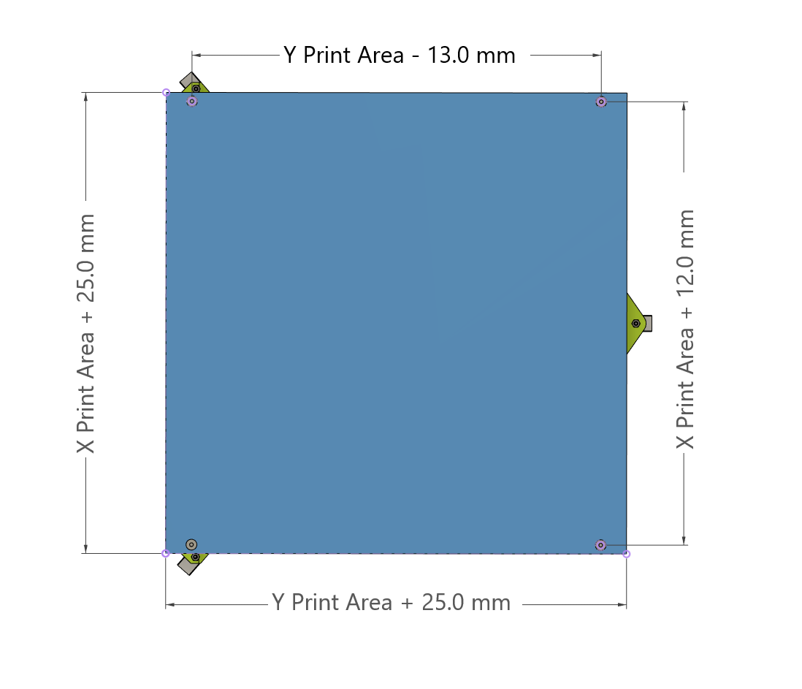

As entered on the previous sheet:
Desired Print Area | mm
X | 765
Y | 765

Bed Size | mm
X | 790
Y | 790

Mounting Hole Spacing | mm
X | 777
Y | 752

Heated Pad recommended size
X | 750
Y | 750

