Calculator
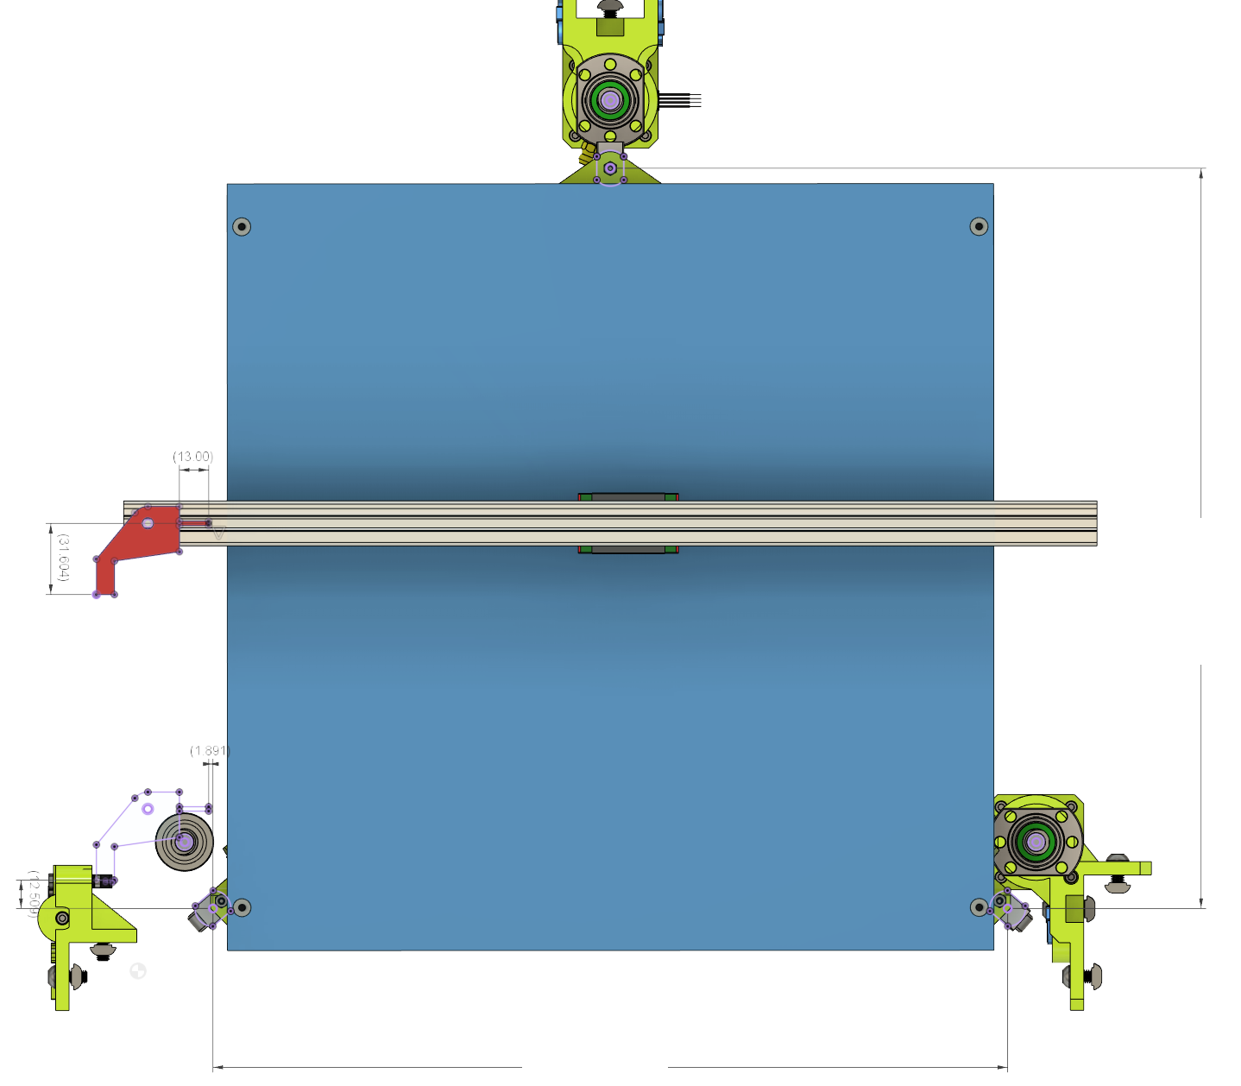
Printer Specs | CHOOSE !
PRINT AREA XY | 315 | <- Select |  |  | RR
PRINT_HEAD | HEMERA_TOPMOUNT | <- Select
 |  |  |  |  | Rear Lift Point Coordinates from Nozzle
CustomFlag Offset | Length mm |  |  |  | X | Y
X Flag | 13 | <- Adjust |  |  | 155.004 | 311.758
Y Flag | 31.604 | <- Adjust

Results to be inserted in config.g

Z Lift Point position
M671 X-21.205:155.004:331.213 Y-16.452:311.758:-16.452 S10

Z-Probe Offset
G31 P500 X27.455 Y9.134 Z[measured via Paper technique]

 |  |  | Flag YOffset |  |  |  |  | 328.21

 |  |  |  | Flag XOffset
 | FL |  |  |  |  |  |  |  | FR

 | Front Left Lift Point Coordinates |  |  |  |  |  |  |  | Front Right Lift Point Coordinates
 | X | Y |  |  |  |  |  |  | X | Y
 | -21.205 | -16.452 |  |  |  |  |  |  | 331.213 | -16.452

 |  |  |  |  |  |  | 352.418

NIMBLE_KRYO
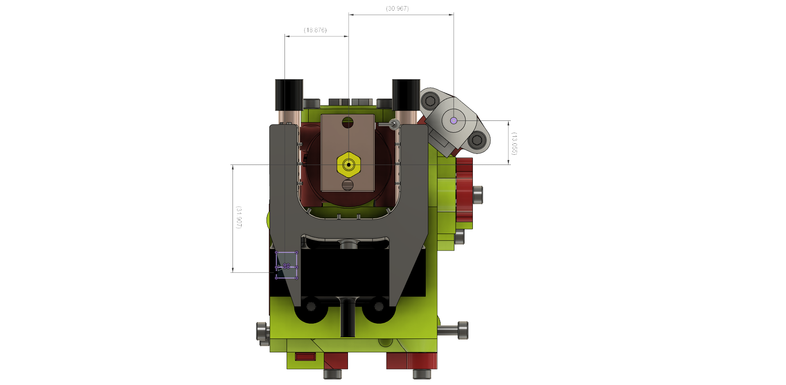

BMG_AQUA
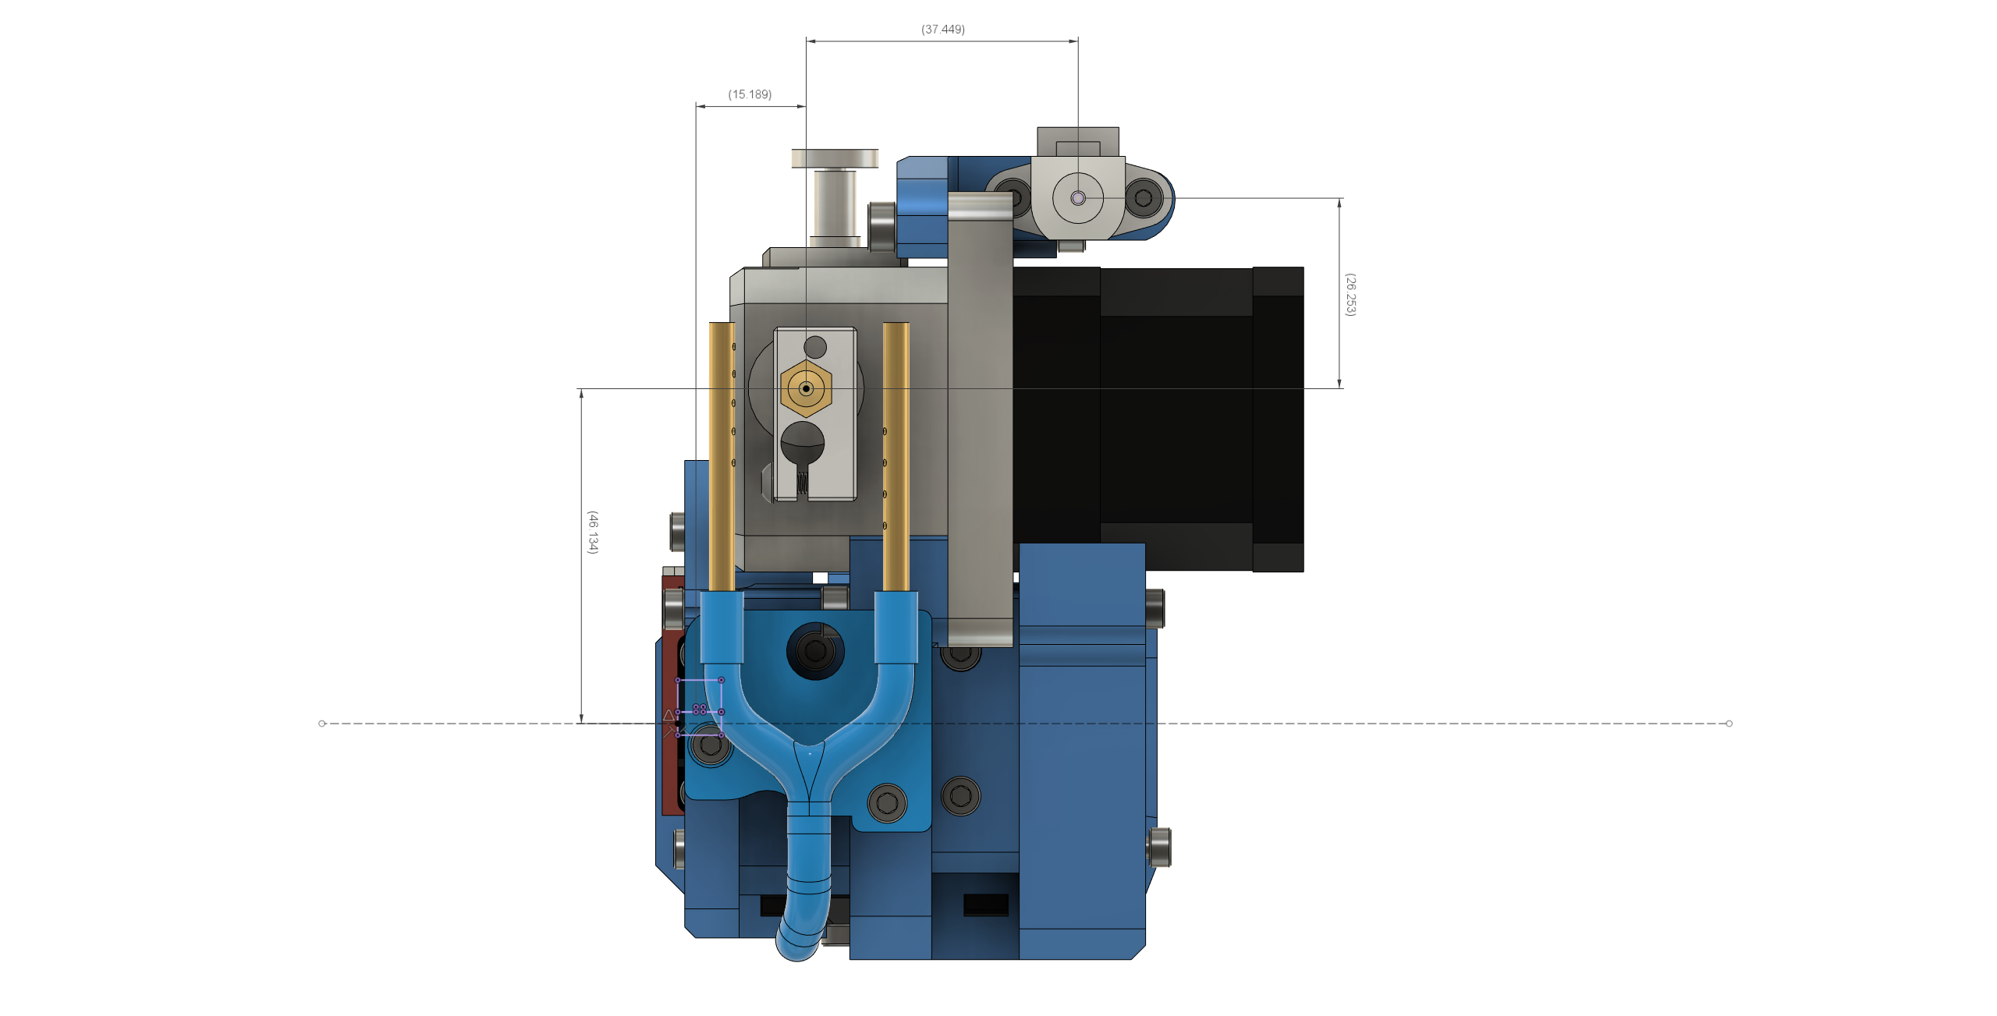

BMG_KRYO
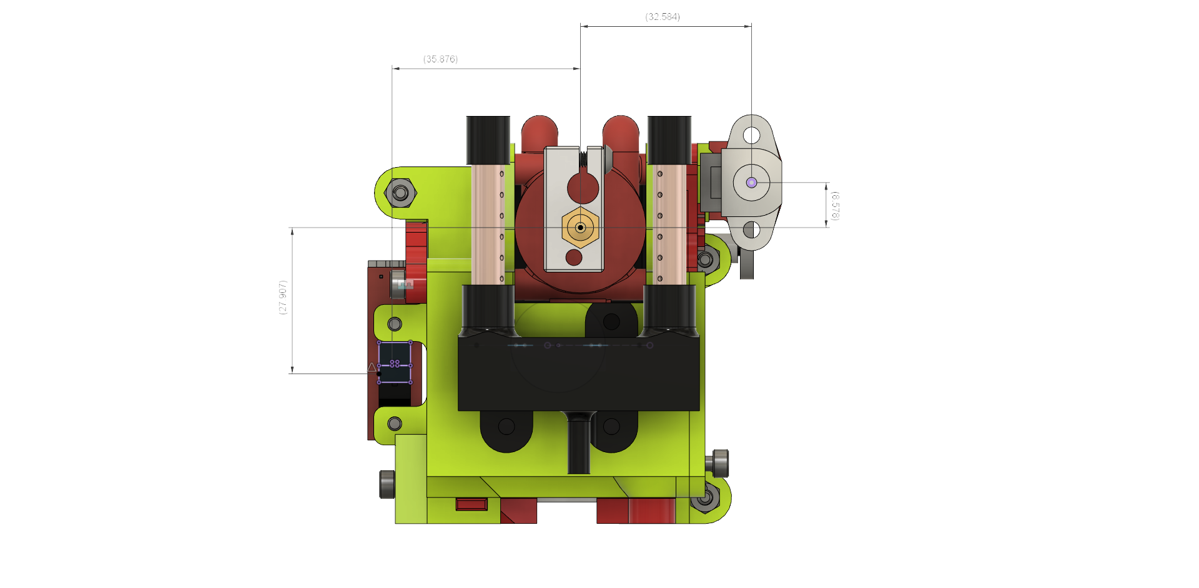

HEMERA
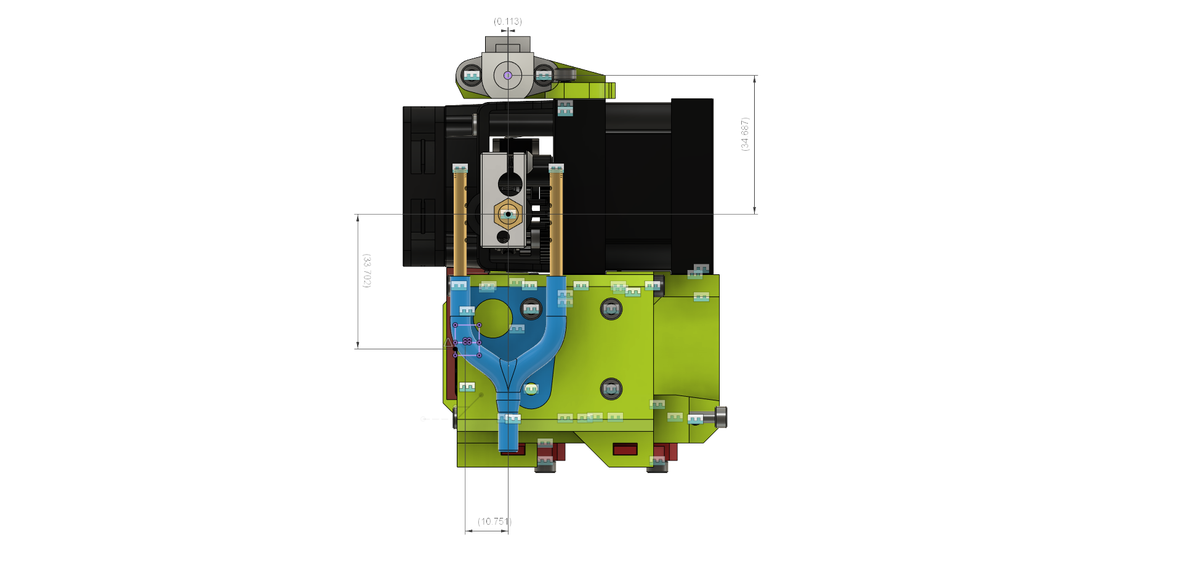

HEMERA_TOPMOUNT
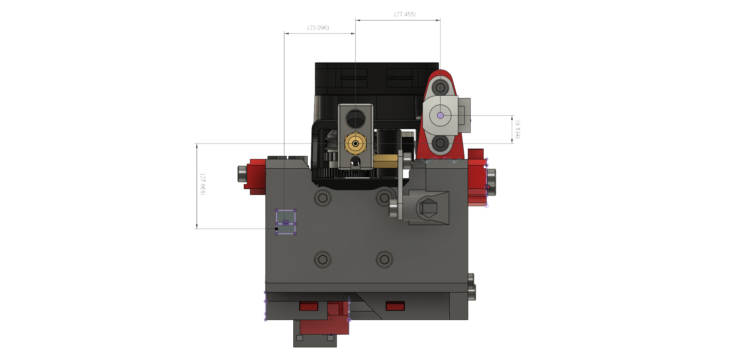

RRF3_P1
Choose your Duet Control Board. See instructions for Duet 2 here: | Enter your printer's name. This name will appear in the ribbon of the web browser accessing the Duet Web Control.
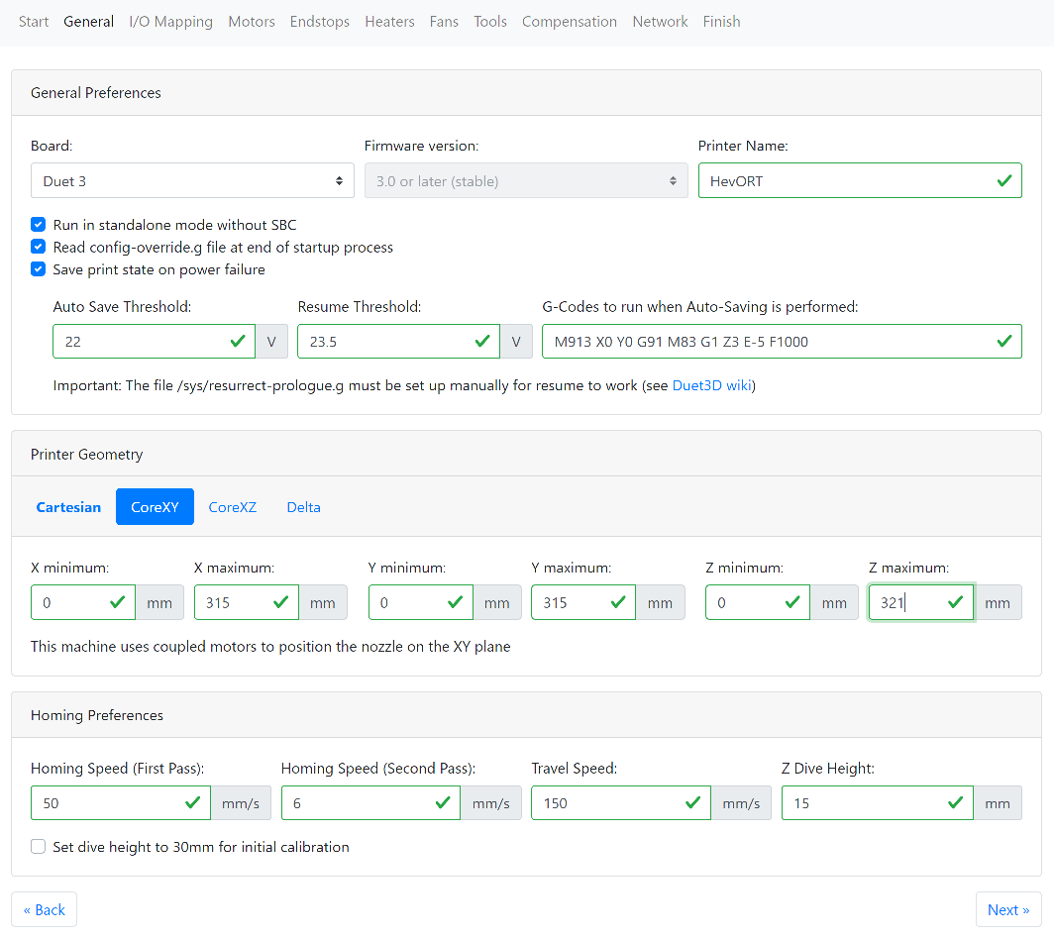

Select if you are using a Raspberry Pi with your Duet3. Read more about Duet3 and RPI relationship here:

Duet & Raspberry Pi

The config-override.g file will contain some settings that will over-ride the ones into the basic config.g. PID Tune Values are typically stored into this file when saving using M500 command

Very useful feature. As the duet detects a low voltage condition (power outage or other) it will immediately cut the power to the motors and use the remaining energy from the power supply capacitors to rapidly store into memory current print progress. That progress is stored into resume.g file.

Next

