From Fusion 360
SubAssy | Category | Item | Thumbnail | Part Name | Part Description | Make/Buy | Included in XYHD9_CFx kit? | QTY | Comment | Vendor | Vendor URL
OPTION_HD9_CFX_MGN9 | Buy | 1 | 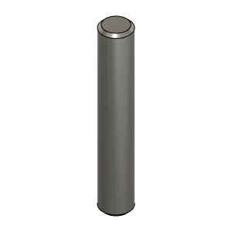 | Dowel_Pin_5mmX30mm | Pin, Dowel - 5x30mm | Buy |  | 4 | *Make sure these pins are not 5.00mm or more. They need to be 4.98 in order to fit the Idlers bearing properly. Most 5mm dowel pins on the market will be 4.98mm Can also be replaced with 5mm full carbon rods
OPTION_HD9_CFX_MGN9 | Buy | 2 | 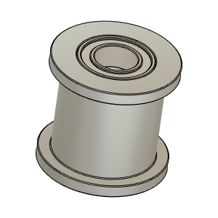 | Gates_2GT_20T_9mmbelt_Smooth v1 | Pulley, Smooth Idler - 6mmGT2 5mm bore | Buy |  | 2 |  | AliExpress - Mellow Store | https://s.click.aliexpress.com/e/_9If3uR
OPTION_HD9_CFX_MGN9 | Buy | 3 | 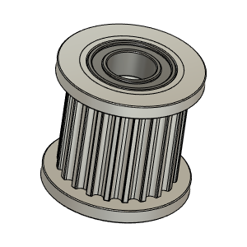 | Gates_2GT_20T_9mmbelt_Toothed v1 Copy | Pulley, Toothed Idler - 6mmGT2 5mm bore | Buy |  | 2 |  | AliExpress - Mellow Store | https://s.click.aliexpress.com/e/_9If3uR
OPTION_HD9_CFX_MGN9 | Buy | 4 | 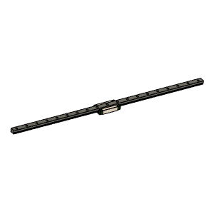 | MGN9 Rail and MGN9H Bloc | NOTE!! Length for the X rail of this config is longer than Regular HD9 |  |  | 1 | Suggested to buy 400mm length rail for 315x315 build. Rail will need to be cut to length (375mm for a 315x315 build). It is assumed that the end hole position is as per Hiwin Specs: | Hiwin Specs
OPTION_HD9_CFX_MGN9 | Buy + Fabricate | 5 | 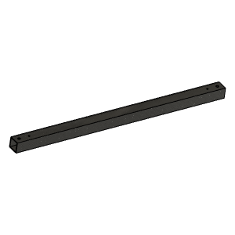 | XYHD_CFx_CarbonFiberTube20x20x1.8_420mm v1 | Cut To Length and drill | Make |  | 1 | Center and position rail using Y carriages and use rail as drill jig. See: PositionningTool_MGN9_V1.1.stl | Aliexpress - TianYuQi | https://s.click.aliexpress.com/e/_ABtMKb
OPTION_HD9_CFX_MGN9 | Hardware | 6 | 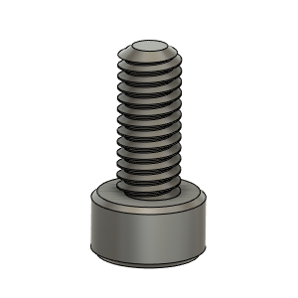 | M2.5X6_CapScrew_92290A056 | Screw, Capr_M2.5 X 6mm | Buy |  | 1 | For Y endstop flag
OPTION_HD9_CFX_MGN9 | Hardware | 7 | 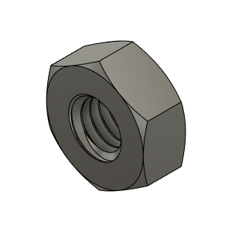 | M3_Nut_94150A325 | Nut, Hex - M3 | Buy |  | 15* | *Based on 315mm build (11 to be allocated to fix rail on CF tube.)
OPTION_HD9_CFX_MGN9 | Hardware | 8 | 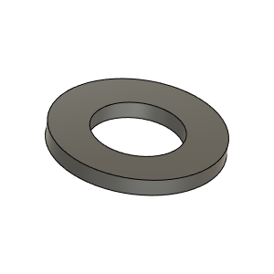 | M3_Washer_Flat_98690A110 | Washer, Flat - M3 | Buy |  | 9* | *Based on 315mm build
OPTION_HD9_CFX_MGN9 | Hardware | 9 | 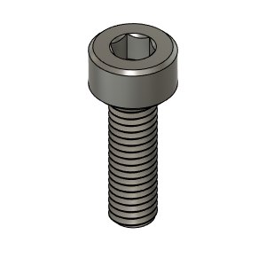 | M3X10_CapScrew_92290A115 | Screw, Cap - M3X10mm | Buy |  | 4
OPTION_HD9_CFX_MGN9 | Hardware | 10 | 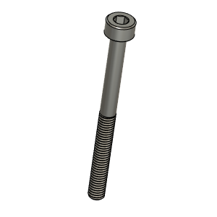 | M3X35_CapScrew_92290A763 |  |  |  | 4
OPTION_HD9_CFX_MGN9 | Hardware | 11 | 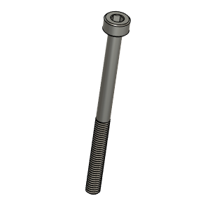 | M3X40_CapScrew_92290A128 | Screw, Cap - M3X40mm | Buy |  | 2
OPTION_HD9_CFX_MGN9 | Hardware | 12 | 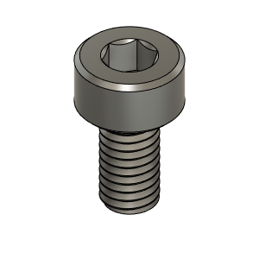 | M3X6_CapScrew_92290A111 | Screw, Cap - M3X6mm | Buy |  | 4
OPTION_HD9_CFX_MGN9 | Hardware | 13 | 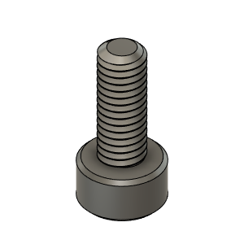 | M3X8_CapScrew_92290A113 | Screw, Cap - M3X8mm | Buy |  | 9* | *Qty Based on 315mm build and one screw every other hole of the rail
OPTION_HD9_CFX_MGN9 | Hardware | 14 | 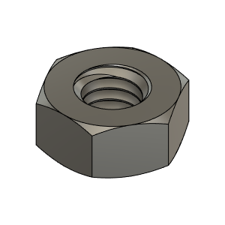 | M4_Nut_94150A335 | Nut, Hex - M4 | Buy |  | 2
OPTION_HD9_CFX_MGN9 | Hardware | 15 | 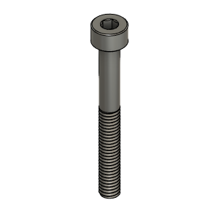 | M4X35_CapScrew_91290A182 | Screw, Cap - M4X35mm | Buy |  | 2
OPTION_HD9_CFX_MGN9 | Hardware | 16 | 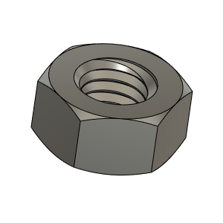 | M5_HexNut_94150A340 | Nut, Hex - M5 | Buy |  | 2
OPTION_HD9_CFX_MGN9 | Hardware | 17 | 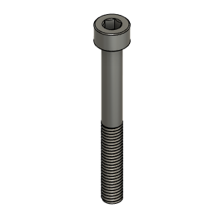 | M5X45_CapScrew_91290A260 | Screw, Cap - M5X45mm | Buy |  | 2
OPTION_HD9_CFX_MGN9 | Print | 18a | 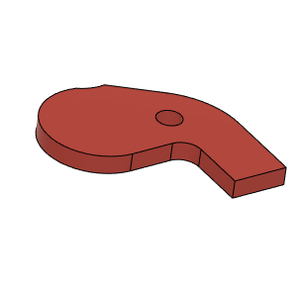 | XYHD_CFx_YFlag_RH v1 * | HD_CFx_YFlag_RH | Make |  | 1* | * This flag is to be installed on the right hand Y carriage. This will allow End Stop to be closer to Electronic Bay. | GitHub | HevORT/files/STL/HD9/Option_HD9_CFx at master · MirageC79/HevORT (github.com)
OPTION_HD9_CFX_MGN9 | Print | 18b |  | XYHD_CFx_YFlag_LH v1 * | HD_CFx_YFlag_LH | Make |  | 1* | *Chose on which like you would like to install Y endstop | GitHub | HevORT/files/STL/HD9/Option_HD9_CFx at master · MirageC79/HevORT (github.com)
OPTION_HD9_CFX_MGN9 | Print | 19 | 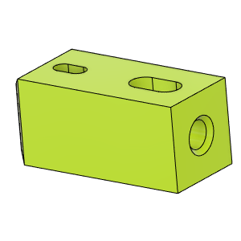 | HD_CFx_MGN9_CFTube Insert |  | Make |  | 2 |  | GitHub | HevORT/files/STL/HD9/Option_HD9_CFx at master · MirageC79/HevORT (github.com)
OPTION_HD9_CFX_MGN9 | Print | 20 | 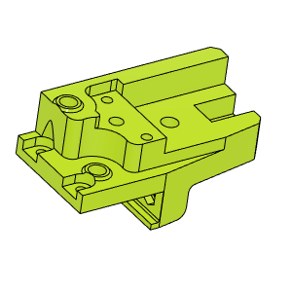 | XYHD9_CFx_YCarriage_LH_LowerBody v1 | HD9_CFx_YCarriage_LH_LowerBody | Make |  | 1 |  | GitHub | HevORT/files/STL/HD9/Option_HD9_CFx at master · MirageC79/HevORT (github.com)
OPTION_HD9_CFX_MGN9 | Print | 21 | 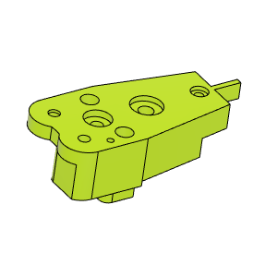 | XYHD9_CFx_YCarriage_LH_UpperBody v1 | HD9_CFx_YCarriage_LH_UpperBody | Make |  | 1 |  | GitHub | HevORT/files/STL/HD9/Option_HD9_CFx at master · MirageC79/HevORT (github.com)
OPTION_HD9_CFX_MGN9 | Print | 22 | 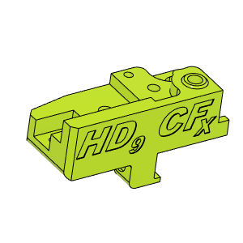 | XYHD9_CFx_YCarriage_RH_LowerBody v1 | HD9_CFx_YCarriage_RH_LowerBody | Make |  | 1 |  | GitHub | HevORT/files/STL/HD9/Option_HD9_CFx at master · MirageC79/HevORT (github.com)
OPTION_HD9_CFX_MGN9 | Print | 23 | 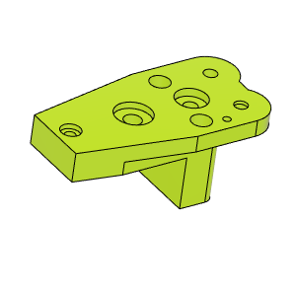 | XYHD9_CFx_YCarriage_RH_UpperBody v1 | HD9_CFx_YCarriage_RH_UpperBody | Make |  | 1 |  | GitHub | HevORT/files/STL/HD9/Option_HD9_CFx at master · MirageC79/HevORT (github.com)

MGN9_Rail_Length
