From Fusion 360
SubAssy | Category | Item | Thumbnail | Part Name | Part Description | Make/Buy | Included in HDWKit_XYHT | QTY | Comment | Vendor | Vendor URL
XYHT | Buy | 1 | 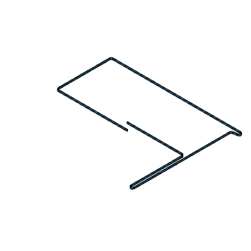 | Belt_Lower GT2 6mm | 2GT 6mm Belt | Buy |  | 1 | *Length defined by Frame Calculator: https://miragec79.github.io/HevORT/framecalculator.html |  | https://s.click.aliexpress.com/e/_AFHDkY
XYHT | Buy | 2 | 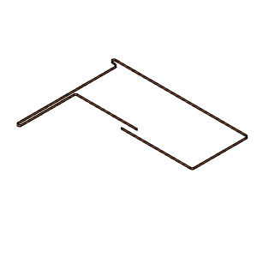 | Belt_Upper GT2 6mm | 2GT 6mm Belt | Buy |  | 1 | *Length defined by Frame Calculator: https://miragec79.github.io/HevORT/framecalculator.html |  | https://s.click.aliexpress.com/e/_AFHDkY
XYHT | Buy | 3 | 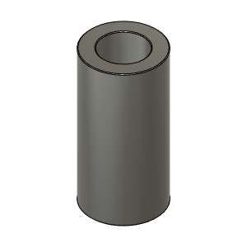 | Busching_3X5X10 | Bushing, Spacer - 3ID X 5OD | Buy |  | 6* | * Required if using 5mm bore idler pulleys at all locations Recommended to buy Mellow 3mm Bore Pulley directly instead of using bushings. See Item #4 and #5 | 3x5x5mm Qty 2 per pulley | https://s.click.aliexpress.com/e/_AN0YX6
XYHT | Buy | 4 | 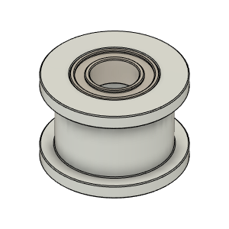 | Gates_2GT_20T_Smooth | Pulley, Smooth Idler - 6mmGT2 5mm bore | Buy |  | 4* 4X5mm + bushings or 4X3mm without bushing | *Gates 2GT pulleys are 10mm in height and have 5mm bore. You can order 3mm version of these pulleys from Mellow Store on Aliexpress: https://www.aliexpress.com/item/4000040551804.html?spm=a2g0s.9042311.0.0.2e6d4c4d7eSBhP | Aliexpress (Mellow Store recommended for 3mm version) | https://s.click.aliexpress.com/e/_9JaFmc
XYHT | Buy | 5 | 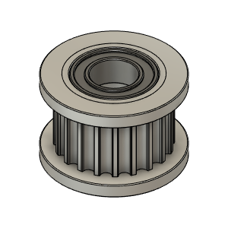 | Gates_2GT_20T_Toothed | Pulley, Toothed Idler - 6mmGT2 5mm bore | Buy |  | 6* or (4 x 5mm) + (2 X 3mm) | * Gates 2GT pulleys are 10mm in height and have 5mm bore. You can order 3mm version of these pulleys from Mellow Store on Aliexpress: | Aliexpress (Mellow Store recommended for 3mm version) | https://s.click.aliexpress.com/e/_9JaFmc
XYHT | Buy | 6 | 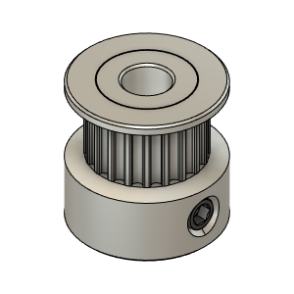 | GT2 Timing Pulley 20T 6mm - Hole_5mm v4 | Pulley, Timming - 20tooth 6mmGT2, 5mm bore | Buy |  | 2 |  | Aliexpress Mellow Store | https://s.click.aliexpress.com/e/_9jJDug
XYHT | Buy | 7 | 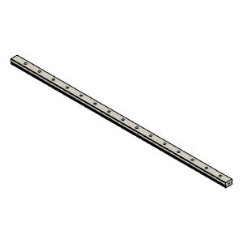 | MGN12 Rail for X axis | MGN_Rail_X | Buy |  | 1 | *Length defined by Frame Calculator: https://miragec79.github.io/HevORT/framecalculator.html
XYHT | Buy | 8 | 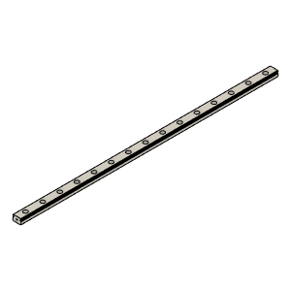 | MGN12 Rail for Y axis | MGN12 Rail_Y | Buy |  | 2* | *Length defined by Frame Calculator: https://miragec79.github.io/HevORT/framecalculator.html
XYHT | Buy | 9 | 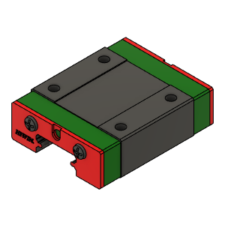 | MGN12C Block For Y Rail | MGN12C Block_Y | Buy |  | 2* | Comes with Rail
XYHT | Buy | 10 | 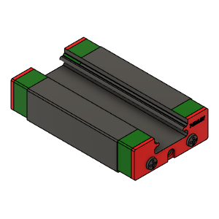 | MGN12H Block for X rail | MGN12H_Block_X | Buy |  | 1 | Comes with Rail
XYHT | Buy | 11 | 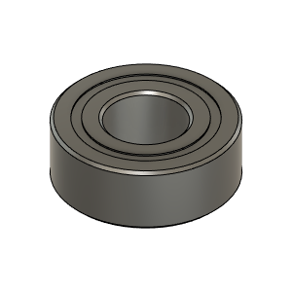 | MR115ZZ_Bearing_7804K107 | Bearing, 5x11x4mm | Buy | X | 2
XYHT | Buy | 12 | 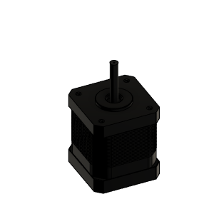 | NEMA17_E3D_High_Torque_48mm | Stepper Motor - NEMA17X48mm | Buy |  | 2
XYHT | Buy | 13 | 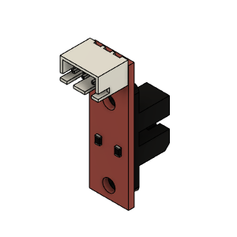 | Opto endstop PM | Optical End-Stop | Buy |  | 1 |  |  | https://s.click.aliexpress.com/e/_AKV732
XYHT | Buy | 14 | 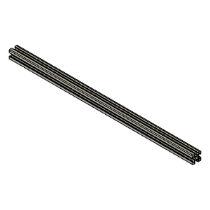 | TrackX_2020Profile | 2020 Aluminum Extrusion | Buy |  | 1* | *Length defined by Frame Calculator: https://miragec79.github.io/HevORT/framecalculator.html
XYHT | Hardware | 15 |  | M3X10_CapScrew_92290A115 | Screw, Cap - M3X10mm | Buy | X | 34
XYHT | Hardware | 16 |  | M3X3030_TSlot_Nut | Nut, TSlot - M3X3030 for Y Axis | Buy | X | 16* | Qty 16 based on Y Print size at 315. Add Qty2 (one per Y side) for every additional 5cm of Y axis over 315mm. (one every 2 holes) *Multiply by two if you want to fasten each rail hole | AliExpress | https://s.click.aliexpress.com/e/_AL5GuY
XYHT | Hardware | 17 |  | M3X2020_T-Nut | Nut, TSlot - M3X2020 For X Axis | Buy | X | 8* | Qty 8 based on X Print size at 315. Add Qty1 for every additional 5cm of X axis over 315mm. (one every two holes) *Multiply by two if you want to fasten each rail hole | AliExpress | https://s.click.aliexpress.com/e/_A1wo9I
XYHT | Hardware | 18 | 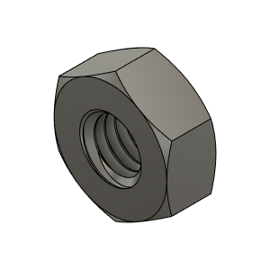 | M3_Nut_94150A325 | Nut, Hex - M3 | Buy | X | 12
XYHT | Hardware | 19 | 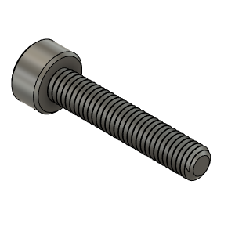 | M3X16_CapScrew_92290A120 | Screw, Cap - M3X16mm | Buy | X | 4
XYHT | Hardware | 20 | 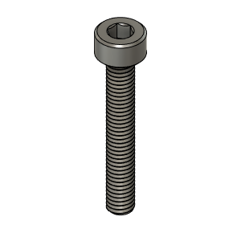 | M3X20_CapScrew_92290A122 | Screw, Cap - M3X20mm | Buy | X | 6
XYHT | Hardware | 21 | 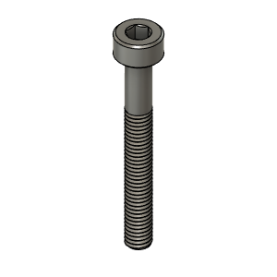 | M3X25_CapScrew_92290A124 | Screw, Cap - M3X25mm | Buy | X | 2
XYHT | Hardware | 22 | 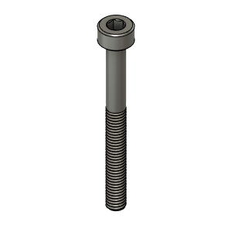 | M3X30_CapScrew_92290A126 | Screw, Cap - M3X30mm | Buy | X | 4
XYHT | Hardware | 23 | 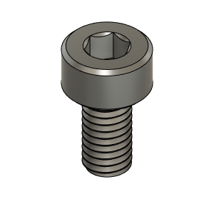 | M3X6_CapScrew_92290A111 | Screw, Cap - M3X6mm | Buy | X | 4
XYHT | Hardware | 24 | 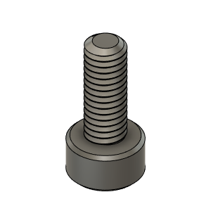 | M3X8_CapScrew_92290A113 | Screw, Cap - M3X8mm | Buy | X | 25
XYHT | Hardware | 25 | 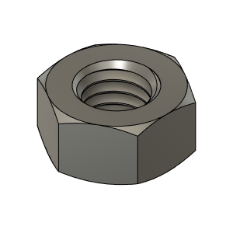 | M5_HexNut_94150A340 | Nut, Hex - M5 | Buy | X | 4
XYHT | Hardware | 26 | 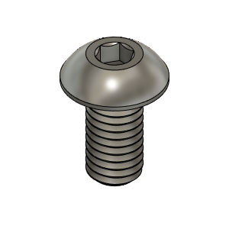 | M5X10_ButtonHeadScrew_97763A820 | Screw, ButtonHead - M5X10mm | Buy | X | 6
XYHT | Hardware | 27 | 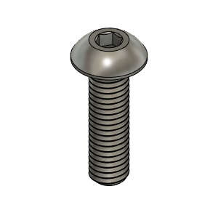 | M5X18_ButtonHeadScrew_91239A241 | Screw, ButtonHead | Buy | X | 2
XYHT | Hardware | 28 | 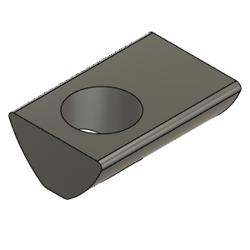 | M5X2020_T-Nut_91239A224 | Nut, T-Slot - M5 for 2020 profile | Buy | X | 6
XYHT | Hardware | 29 | 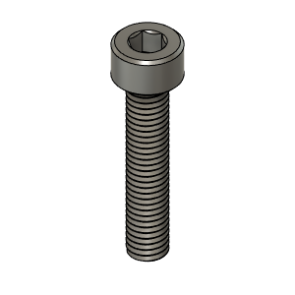 | M5X25_CapScrew_92290A252 | Screw, Cap - M5x25mm | Buy | X | 1
XYHT | Hardware | 30 | 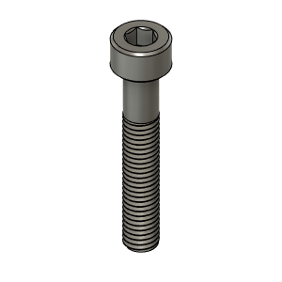 | M5X30_CapScrew_92290A254 | Screw, Cap - M5x30mm | Buy | X | 3
XYHT | Hardware | 31 | 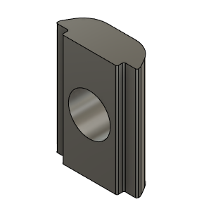 | M6_TSlot_Nut | Nut, T-Slot - M6 for 3030 profile | Buy | X | 27
XYHT | Hardware | 32 | 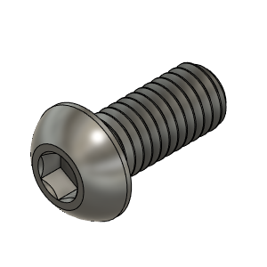 | M6X14_ButtonHeadScrew_92095A227 | Screw, ButtonHead - M6X14mm | Buy | X | 27
XYHT | Make | 33 | 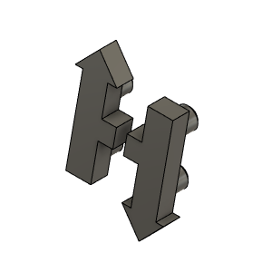 | HevORT LOGO_Small | HevORT Logo, Small | Make |  | 1
XYHT | Make | 34 | 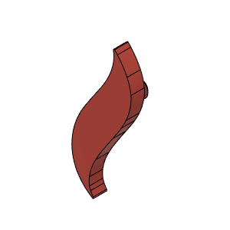 | HTLogoBigFlame |  | Make |  | 1 |  | Thingiverse | https://www.thingiverse.com/thing:4402495
XYHT | Make | 35 | 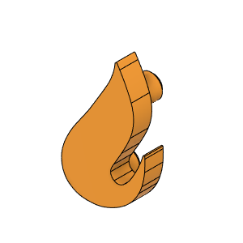 | HTLogoSMallFlame |  | Make |  | 1 |  | Thingiverse | https://www.thingiverse.com/thing:4402495
XYHT | Make | 36 | 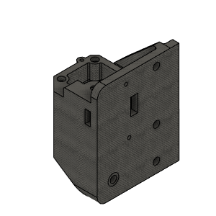 | MotorBracket_LEFT_Body (1) |  | Make |  | 1 |  | Thingiverse | https://www.thingiverse.com/thing:4402495
XYHT | Make | 37 | 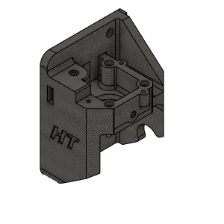 | MotorBracket_RIGHT_Body V1.1 | Motor Bracket Right | Make |  | 1 |  | Thingiverse | https://www.thingiverse.com/thing:4402495
XYHT | Make | 38 | 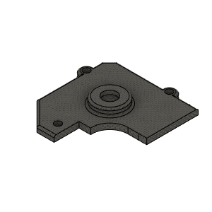 | MotorCover_BODY_LEFT | Motor Cover Left | Make |  | 1 |  | Thingiverse | https://www.thingiverse.com/thing:4402495
XYHT | Make | 39 | 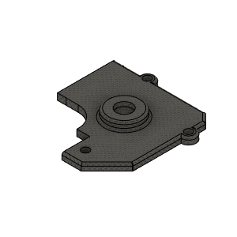 | MotorCover_BODY_RIGHT | Motor Cover Rght | Make |  | 1 |  | Thingiverse | https://www.thingiverse.com/thing:4402495
XYHT | Make | 40 | 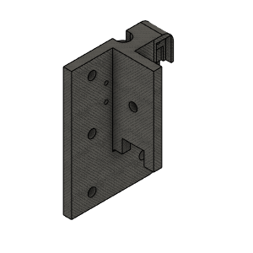 | PulleyMount_FRONT_LEFT_BodyV1.1 | Pulley Mount Front Left | Make |  | 1 |  | Thingiverse | https://www.thingiverse.com/thing:4402495
XYHT | Make | 41 | 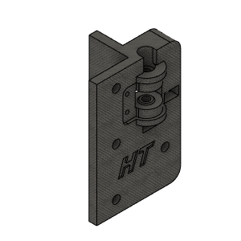 | PulleyMount_FRONT_RIGHT_BodyV1.1 | Pulley Mount Front Right | Make |  | 1 |  | Thingiverse | https://www.thingiverse.com/thing:4402495
XYHT | Make | 42 | 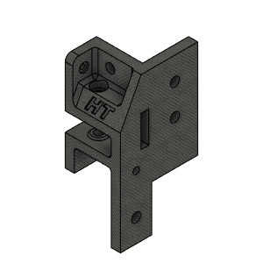 | PulleyMount_REAR_LEFT_Body | Pulley Mount Rear Left | Make |  | 1 |  | Thingiverse | https://www.thingiverse.com/thing:4402495
XYHT | Make | 43 | 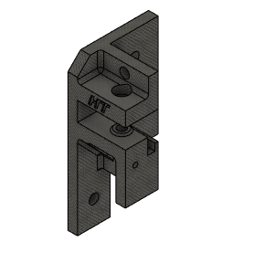 | PulleyMount_REAR_RIGHT_Body | Pulley Mount Rear Right | Make |  | 1 |  | Thingiverse | https://www.thingiverse.com/thing:4402495
XYHT | Make | 44 | 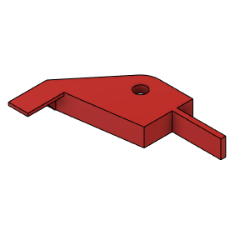 | XY_EndStop_Flag_V1 |  | Make |  | 1 |  | Thingiverse | https://www.thingiverse.com/thing:4402495
XYHT | Make | 45 | 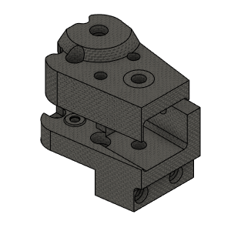 | Y_CarriageHT_LEFT_Body (1) |  | Make |  | 1 |  | Thingiverse | https://www.thingiverse.com/thing:4402495
XYHT | Make | 46 | 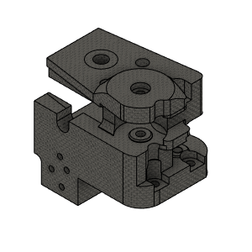 | Y_CarriageHT_RIGHT_Body (1) |  | Make |  | 1 |  | Thingiverse | https://www.thingiverse.com/thing:4402495

