From Fusion 360
SubAssy | Category | Item | Thumbnail | Part Name | Part Description | Make/Buy | QTY | Comment | Vendor | Vendor URL
X_Hemera_TopMount | Buy | 1 | 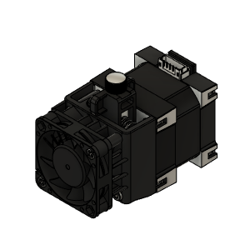 | E3D_Hemera_Final | Hemera Assembly | Buy | 1 | Use Direct Drive version. V6 Heater Bloc will not be used | E3D-Online | https://e3d-online.com/
X_Hemera_TopMount | Buy | 2 | 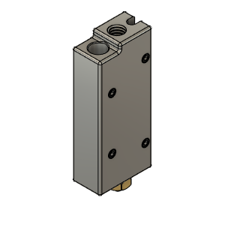 | E3D_SuperVolcano |  | Buy | 1 |  | E3D-Online | https://e3d-online.com/
X_Hemera_TopMount | Buy | 3 | 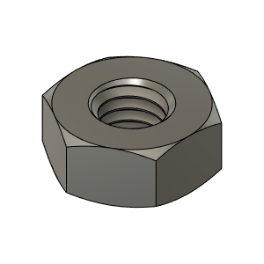 | M3_Nut_94150A325 | Nut, Hex - M3 | Buy | 11
X_Hemera_TopMount | Buy | 4 | 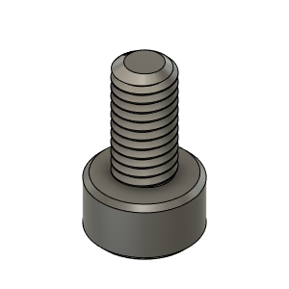 | M3X6_CapScrew_92290A111 | Screw, Cap - M3X6mm | Buy | 3
X_Hemera_TopMount | Buy | 5 | 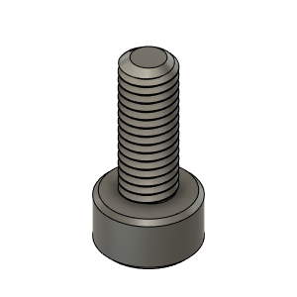 | M3X8_CapScrew_92290A113 | Screw, Cap - M3X8mm | Buy | 3
X_Hemera_TopMount | Buy | 6 | 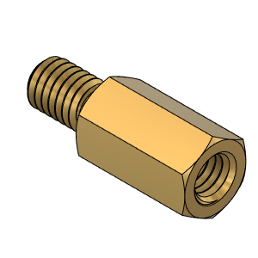 | StandOff_M3X8mm | StandOff - M3X8 | Buy | 1
X_Hemera_TopMount | Buy | 7 | 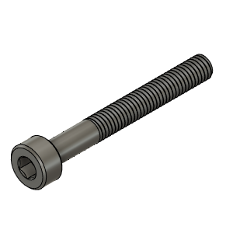 | M3X25_CapScrew_92290A124 | Screw, Cap - M3X25mm | Buy | 1
X_Hemera_TopMount | Buy | 8 | 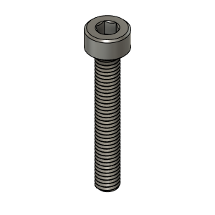 | M3X20_CapScrew_92290A122 | Screw, Cap - M3X20mm | Buy | 2
X_Hemera_TopMount | Buy | 9 | 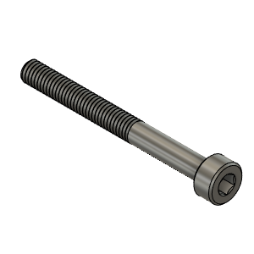 | M3X30_CapScrew_92290A126 | Screw, Cap - M3X30mm | Buy | 2
X_Hemera_TopMount | Buy | 10 | 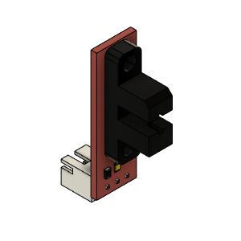 | Opto endstop PM | Optical End-Stop | Buy | 1 |  | AliExpress | https://www.aliexpress.com/item/33006421501.html?spm=a2g0s.9042311.0.0.3e4d4c4dQtB9Y8
X_Hemera_TopMount | Buy | 11 | 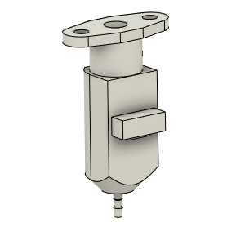 | bltouch |  | Buy | 1 | Recommended to use OEM Bltouch only for better accuracy.
X_Hemera_TopMount | Buy | 12 | 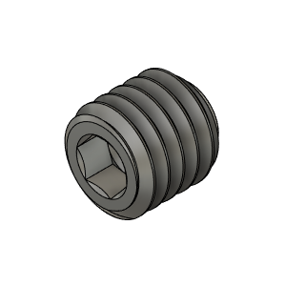 | M2.5 x 5 Grub Screw |  | Buy | 2
X_Hemera_TopMount | Hardware | 13 | 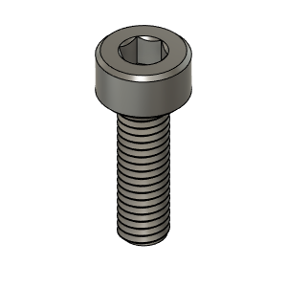 | M3X10_CapScrew_92290A115 | Screw, Cap - M3X10mm | Buy | 3
X_Hemera_TopMount | Hardware | 14 | 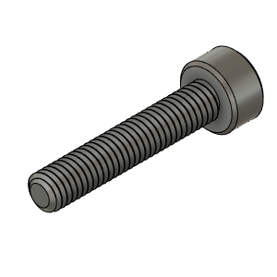 | M3X16_CapScrew_92290A120 | Screw, Cap - M3X16mm | Buy | 4
X_Hemera_TopMount | Hardware | 15 | 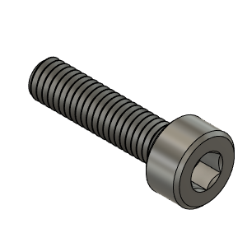 | M3X12_CapScrew_92290A117 | Screw, Cap - M3X12mm | Buy | 5
X_Hemera_TopMount | Make | 16 | 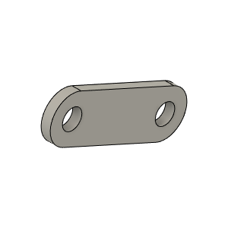 | Brace_SuperVolcano_Body |  | Make | 1 | Made from Printed Circuit Board Tirmmed and Drilled to dimension
X_Hemera_TopMount | Make | 17 | 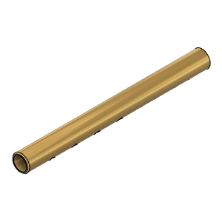 | BerdAir_Tube_Drilled |  | Make | 2 | Made from 5/32 Brass Pipe_Holes should be 0.8 - 1 mm only
X_Hemera_TopMount | Print | 18 | 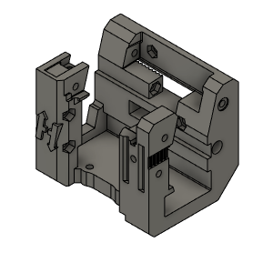 | X_CarriageBODY_Hemera_Body_V1 |  | Make | 1 | Print as STL orientation. Hight temp and Rigid Material is suggested due to proximity of heaterblock. Tested successfuly with Extrudr Greentec pro carbon | Thingiverse
X_Hemera_TopMount | Print | 19 | 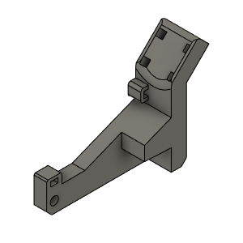 | MainHarnessHolder_Body |  | Make | 1 |  | Thingiverse
X_Hemera_TopMount | Print | 20 | 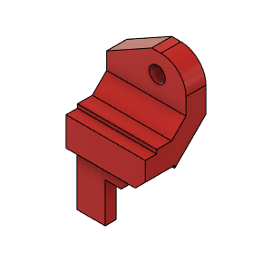 | BeltHolder_LR |  | Make | 1 |  | Thingiverse
X_Hemera_TopMount | Print | 21 | 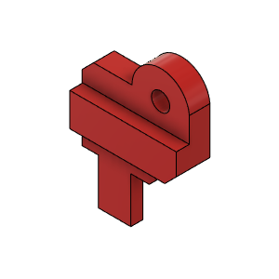 | BeltHolder_RR |  | Make | 1 |  | Thingiverse
X_Hemera_TopMount | Print | 22 | 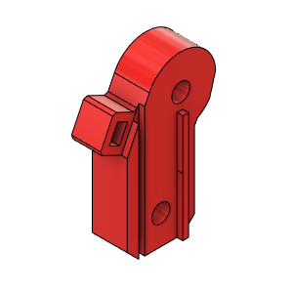 | FrontRightBeltHolder |  | Make | 1 |  | Thingiverse
X_Hemera_TopMount | Print | 23 | 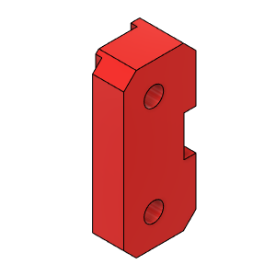 | FrontLeftBeltHolder |  | Make | 1 |  | Thingiverse
X_Hemera_TopMount | Print | 24 | 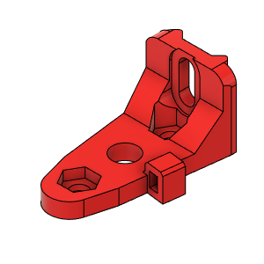 | BLTouchMount_TopMountedHemera |  | Make | 1 |  | Thingiverse
X_Hemera_TopMount | Print | 25 | 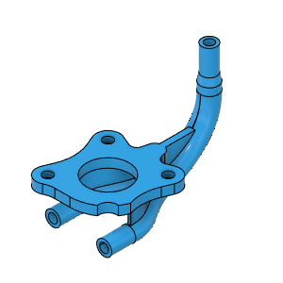 | BerdAir_Hemera_TopMount_Body |  | Make | 1 | Best when printed with DLP/SLA Printer (Resin) | Thingiverse

