Calculator
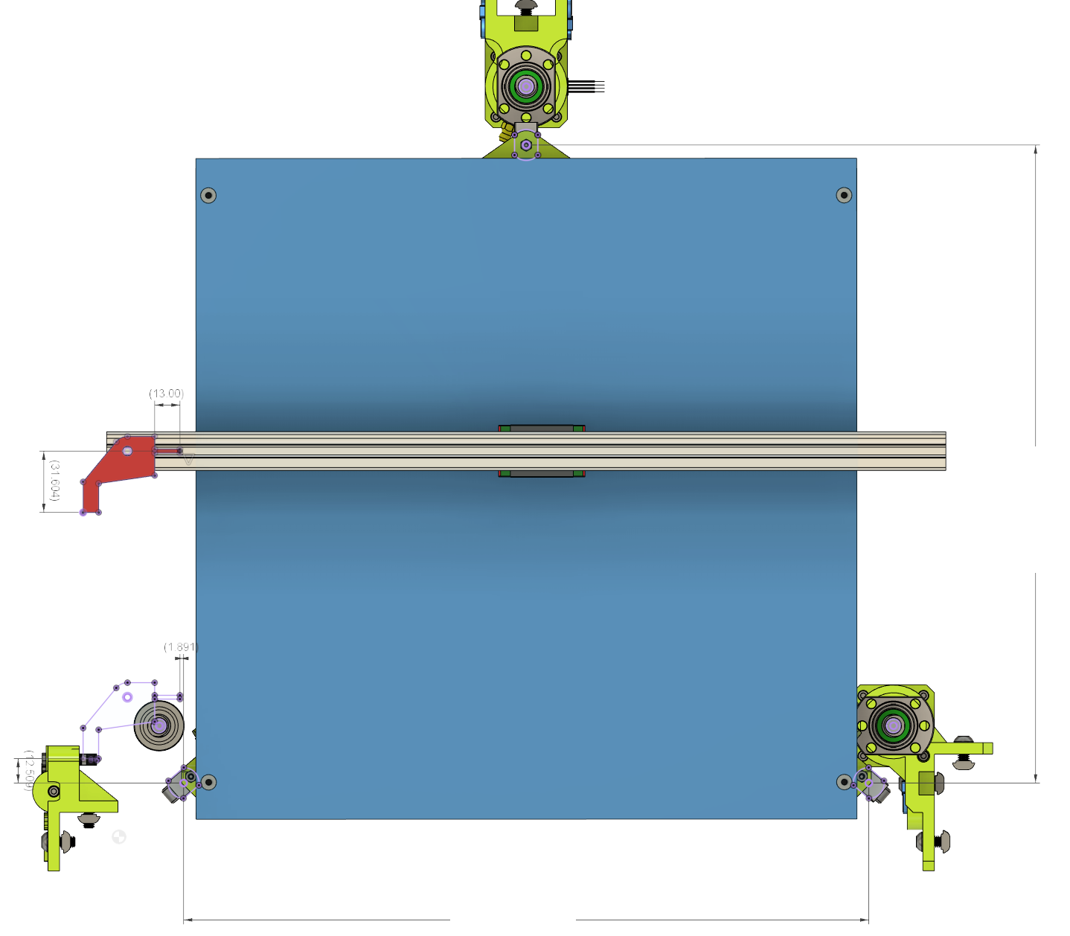
Printer Specs | CHOOSE !
PRINT AREA XY | 315 | <- Select |  |  | RR
PRINT_HEAD | BMG_Aqua | <- Select
 |  |  |  |  | Rear Lift Point Coordinates from Nozzle
CustomFlag Offset | Length mm |  |  |  | X | Y
X Flag | 13 | <- Adjust |  |  | 162.911 | 330.231
Y Flag | 31.604 | <- Adjust

Results

Z Lift Point position
M671 X-13.298:162.911:339.12 Y2.021:330.231:2.021 S10

 |  |  | Flag YOffset |  |  |  |  | 328.21

 |  |  |  | Flag XOffset
 | FL |  |  |  |  |  |  |  | FR

 | Front Left Lift Point Coordinates |  |  |  |  |  |  |  | Front Right Lift Point Coordinates
 | X | Y |  |  |  |  |  |  | X | Y
 | -13.298 | 2.021 |  |  |  |  |  |  | 339.12 | 2.021

 |  |  |  |  |  |  | 352.418

BMG_AQUA
