FRAMECALCULATOR

 |  | Desired Print Area | STD
 |  | X | 515 | 1. Adjust the Desired X dimension (Y will be adjusted automatically)*
 |  | Y | 515 | Same as X to ensure ZR arm alignment
 |  | Z | 1000 | 2. Enter desired Z Dimension
 |  |  |  |  |  |  |  |  |  |  |  |  |  | 315x315x340 Version
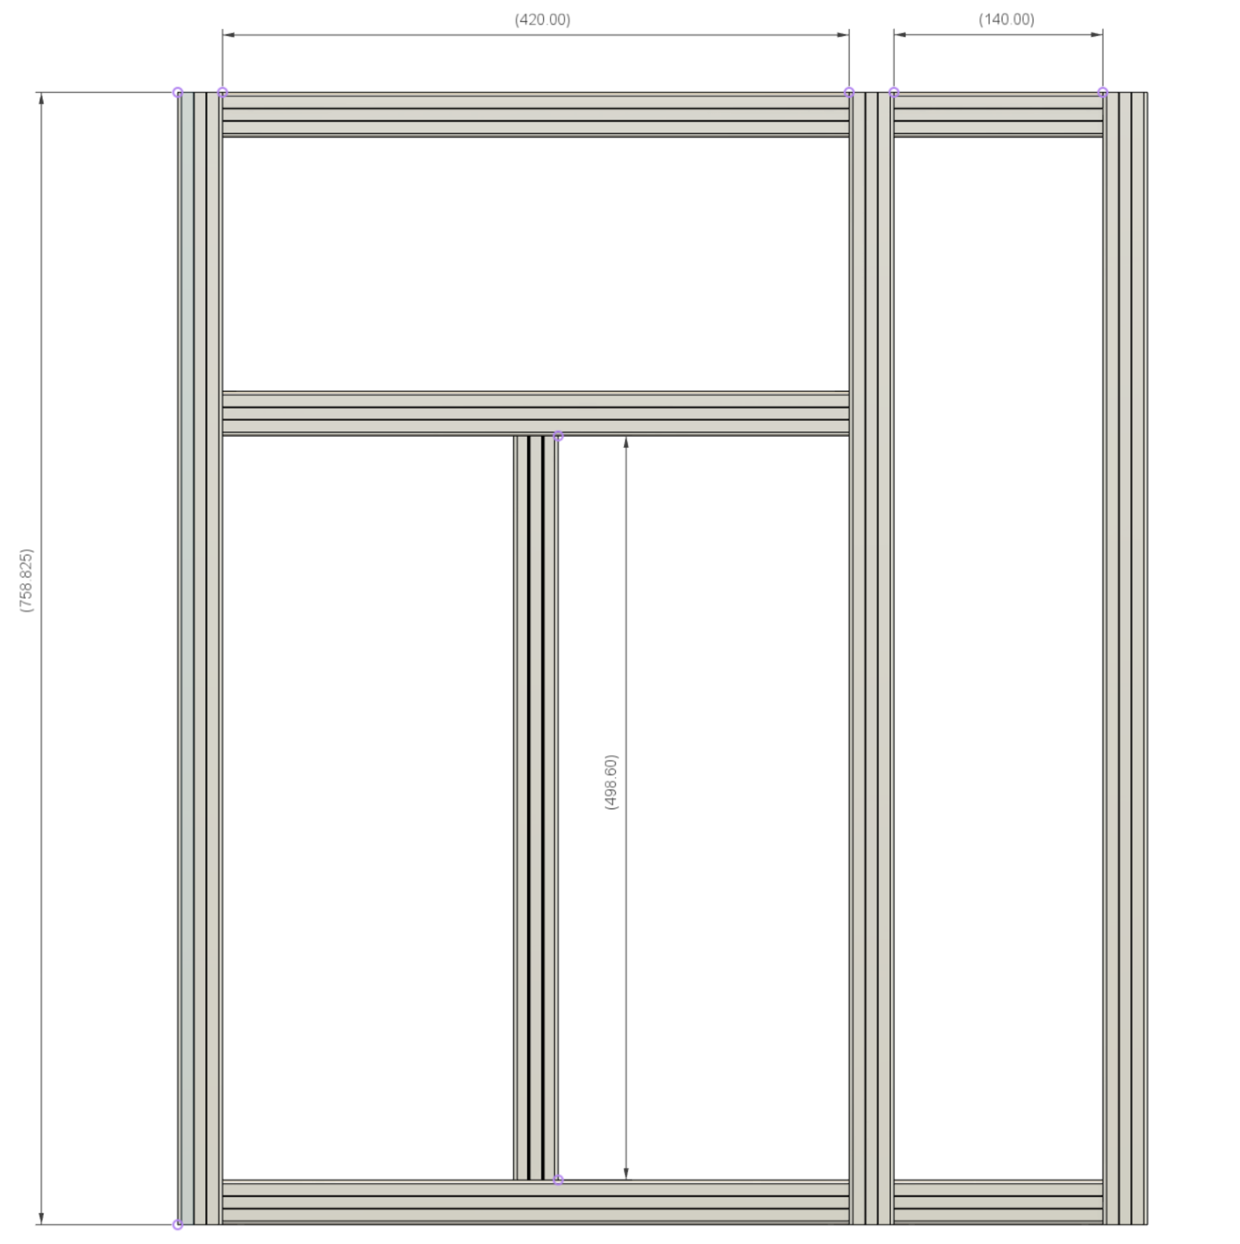
Frame & Friends Calculator |  |  |  |  |  |  |  |  |  |  | Summary
Structure Section | CAD_Part | Description | Part Type | Length mm | Qty | Axis | STD | CONST |  |  | Sum of Qty
Frame | HHB | Horizontal_High_Back | 3030 Extrusion | 620 | 1 | X | 315 | 105 |  |  | Part Type | Length mm | Total
Frame | HHF | Horizontal_High_Front | 3030 Extrusion | 620 | 1 | X | 315 | 105 |  |  | 2020 Extrusion | 460 | 2
Frame | HHL | Horizontal_High_Left | 3030 Extrusion | 610 | 1 | Y | 315 | 95 |  |  | 2020 Extrusion | 520 | 2
Frame | HHR | Horizontal_High_Right | 3030 Extrusion | 610 | 1 | Y | 315 | 95 |  |  | 2020 Extrusion | 631 | 1
Frame | HLB | Horizontal_Low_Back | 3030 Extrusion | 620 | 1 | X | 315 | 105
Frame | HLF | Horizontal_Low_Front | 3030 Extrusion | 620 | 1 | X | 315 | 105 |  |  | 3030 Extrusion | 140 | 4
Frame | HLL | Horizontal_Low_Left | 3030 Extrusion | 610 | 1 | Y | 315 | 95 |  |  | 3030 Extrusion | 620 | 5
Frame | HLR | Horizontal_Low_Right | 3030 Extrusion | 610 | 1 | Y | 315 | 95 |  |  | 3030 Extrusion | 610 | 8
Frame | HMB | Horizontal_Mid_Back | 3030 Extrusion | 620 | 1 | X | 315 | 105 |  |  | 3030 Extrusion | 1540 | 6
Frame | HML | Horizontal_Mid_Left | 3030 Extrusion | 610 | 1 | Y | 315 | 95 |  |  | 3030 Extrusion | 1170 | 3
Frame | HMR | Horizontal_Mid_Right | 3030 Extrusion | 610 | 1 | Y | 315 | 95
Frame | VBL | Vertical_Back_Left | 3030 Extrusion | 1540 | 1 | Z | 340 | 540 |  |  | MGN12C Rail | 600 | 2
Frame | VBR | Vertical_Back_Right | 3030 Extrusion | 1540 | 1 | Z | 340 | 540
Frame | VFL | Vertical_Front_Left | 3030 Extrusion | 1540 | 1 | Z | 340 | 540 |  |  | MGN12H Rail | 150 | 3
Frame | VFR | Vertical_Front_Right | 3030 Extrusion | 1540 | 1 | Z | 340 | 540 |  |  | MGN12H Rail | 585 | 1
Xtension_ElectronicBay | XHH | Xtension_Horizontal_High_Right | 3030 Extrusion | 610 | 1 | Y | 315 | 95 |  |  | MGN12H Rail | 1110 | 3
Xtension_ElectronicBay | XHHB | Xtension_Horizontal_High_Back | 3030 Extrusion | 140 | 1 | NA | 140 | 140
Xtension_ElectronicBay | XHHF | Xtension_Horizontal_High_Front | 3030 Extrusion | 140 | 1 | NA | 140 | 140 |  |  | MIC6 Alu 6mm | 540 | 1
Xtension_ElectronicBay | XHLB | Xtension_Horizontal_Low_Back | 3030 Extrusion | 140 | 1 | NA | 140 | 140
Xtension_ElectronicBay | XHLF | Xtension_Horizontal_Low_Front | 3030 Extrusion | 140 | 1 | NA | 140 | 140 |  |  | SFU1204 Screw | 1110 | 3
Xtension_ElectronicBay | XHLR | Xtension_Horizontal_Low_Right | 3030 Extrusion | 610 | 1 | Y | 315 | 95
Xtension_ElectronicBay | XVBR | Xtension_Vertical_Back_Right | 3030 Extrusion | 1540 | 1 | Z | 340 | 540 |  |  | GT2 Belt | 5600 | 1
Xtension_ElectronicBay | XVF | Xtension_Vertical_Front | 3030 Extrusion | 1540 | 1 | Z | 340 | 540
ZR_Support | VFL_ZR | ZR Doubler Vertical_Front_Left | 3030 Extrusion | 1170 | 1 | Z | 340 | 170
ZR_Support | VFR_ZR | ZR Doubler Vertical_Front_Right | 3030 Extrusion | 1170 | 1 | Z | 340 | 170 |  | 3. Right-Click in the table above and do "Refresh"
ZR_Support | VRR_ZR | ZR Doubler Vertical_Rear | 3030 Extrusion | 1170 | 1 | Z | 340 | 170
BedFrame | BedFR | BedFrame Front | 2020 Extrusion | 460 | 1 | X | 315 | -55
BedFrame | BedRR | BedFrame Rear | 2020 Extrusion | 460 | 1 | X | 315 | -55 | (*) NOTE
BedFrame | BedLH | BedFrame Left | 2020 Extrusion | 520 | 1 | Y | 315 | 5 | In order to obtain standard MGN rails and ball screw lengths, use here below proposed values
BedFrame | BedRH | BedFrame Right | 2020 Extrusion | 520 | 1 | Y | 315 | 5
X Axis Support | Track_X_2020Profile | X axis support aluminum profile 2020 | 2020 Extrusion | 631 | 1 | X | 315 | 116
BedPlate | BedPlate | Bed Plate (Square) | MIC6 Alu 6mm | 540 | 1 | X | 315 | 25 | XY |  | Z
XYRails | Y_MGN12C_Left | MGN12 Rail with MGNC (Compact Bloc) | MGN12C Rail | 600 | 1 | Y | 315 | 85 | 315 |  | 340
XYRails | Y_MGN12C_Right | MGN12 Rail with MGNC (Compact Bloc) | MGN12C Rail | 600 | 1 | Y | 315 | 85 | 365 |  | 390
XYRails | X_MGN12H | MGN12 Rail with MGN12H (Normal Bloc) | MGN12H Rail | 585 | 1 | X | 315 | 70 | 415 |  | 440
ZR_Motion | ZR_MGN12H_FL | MGN12 Rail with MGN12H (Normal Bloc) | MGN12H Rail | 1110 | 1 | Z | 340 | 110 | 465 |  | 490
ZR_Motion | ZR_MGN12H_FL | MGN12 Rail with MGN12H (Normal Bloc) | MGN12H Rail | 1110 | 1 | Z | 340 | 110 | 515 |  | 540
ZR_Motion | ZR_MGN12H_FL | MGN12 Rail with MGN12H (Normal Bloc) | MGN12H Rail | 1110 | 1 | Z | 340 | 110 | 565 |  | 590
ZR_Motion | ZR_MGN12H_BED | MGN12 Rail with MGN12H (Normal Bloc) | MGN12H Rail | 150 | 3 | NA | 150 | 150 | 615 |  | 640 |  | 121.4
ZR_Motion | ZR_SFU1204_FL | Ball Screw SFU1204 Front Left | SFU1204 Screw | 1110 | 1 | Z | 340 | 110 | 665 |  | 690
ZR_Motion | ZR_SFU1204_FR | Ball Screw SFU1204 Front Right | SFU1204 Screw | 1110 | 1 | Z | 340 | 110
ZR_Motion | ZR_SFU1204_RR | Ball Screw SFU1204 Front Rear | SFU1204 Screw | 1110 | 1 | Z | 340 | 110
XY_Belts | Upper and Lower Belts | Gates GT2 PowerGrip Belt | GT2 Belt | 5600 | 1 | Y | 315 | 1480

BED Holes Location
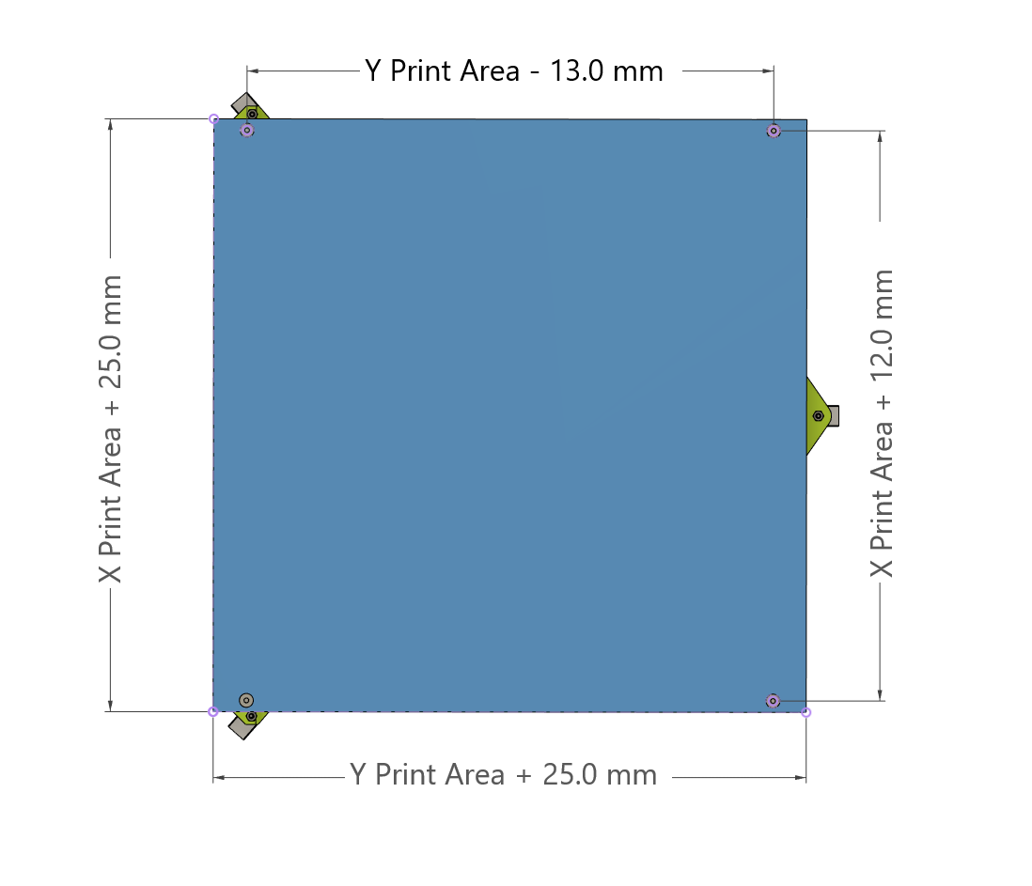

As eneterd on the previous sheet:
Desired Print Area | mm
X | 515
Y | 515

Bed Size | mm
X | 540
Y | 540

Mounting Hole Spacing | mm
X | 527
Y | 502

