From Fusion 360
SubAssy | Category | Item | Thumbnail | Part Name | Part Description | Make/Buy | QTY | Comment | Vendor | Vendor URL
XY_HT | Buy | 1 | 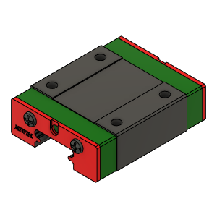 | MGN12C Block | MGN12C Block | Buy | 2
XY_HT | Buy | 2 | 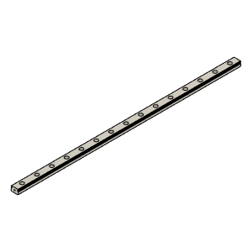 | MGN12 Rail | MGN12 Rail | Buy | 2
XY_HT | Buy | 4 | 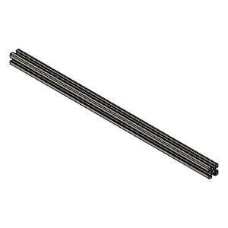 | TrackX_2020Profile |  | Buy | 1
XY_HT | Buy | 5 | 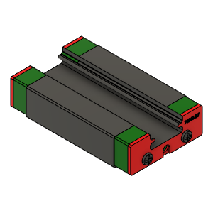 | MGN12H Block |  | Buy | 1
XY_HT | Buy | 6 | 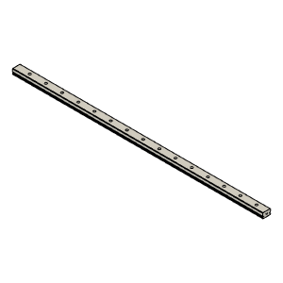 | MGN12 Rail |  | Buy | 1
XY_HT | Buy | 19 | 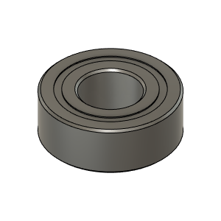 | MR115ZZ_Bearing_7804K107 | Bearing, 5x11x4mm | Buy | 2
XY_HT | Buy | 23 | 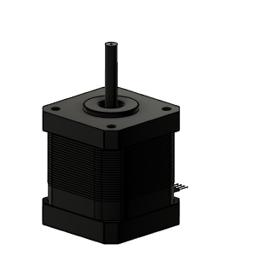 | NEMA17_E3D_High_Torque_48mm | Stepper Motor - NEMA17X48mm | Buy | 2
XY_HT | Buy | 26 | 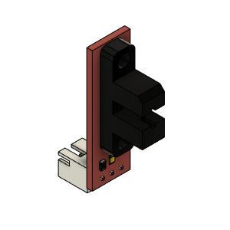 | Opto endstop PM | Optical End-Stop | Buy | 1 |  | AliExpress | https://www.aliexpress.com/item/33006421501.html?spm=a2g0s.9042311.0.0.3e4d4c4dQtB9Y8
XY_HT | Buy | 32 | 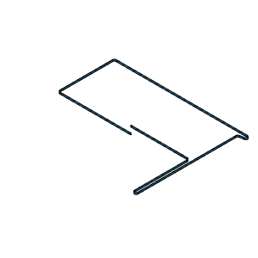 | LowerBelt GT2 6mm | GT2 6mm Belt | Buy | 1
XY_HT | Buy | 33 | 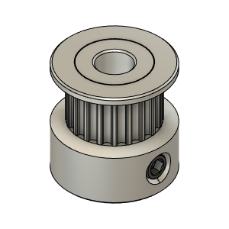 | GT2 Timing Pulley 20T 6mm - Hole_5mm v4 | Pulley, Timming - 20tooth 6mmGT2, 5mm bore | Buy | 2
XY_HT | Buy | 34 | 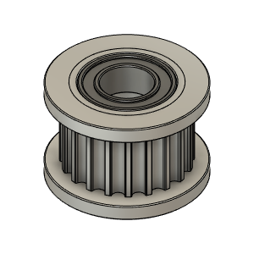 | Gates_2GT_20T_Toothed | Pulley, Toothed Idler - 6mmGT2 5mm bore | Buy | 6
XY_HT | Buy | 35 | 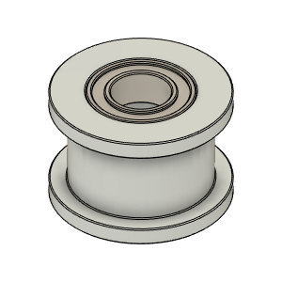 | Gates_2GT_20T_Smooth | Pulley, Smooth Idler - 6mmGT2 5mm bore | Buy | 4
XY_HT | Buy | 36 | 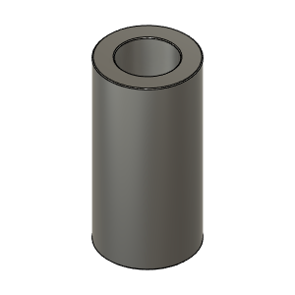 | Busching_3X5X10 | Bushing, Spacer - 3ID X 5OD | Buy | 6
XY_HT | Buy | 37 | 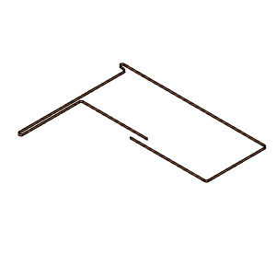 | UpperBelt GT2 6mm | GT2 6mm | Buy | 1
XY_HT | Hardware | 3 | 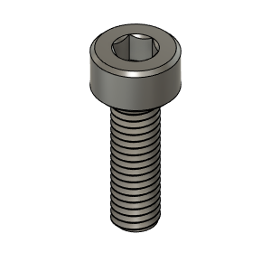 | M3X10_CapScrew_92290A115 | Screw, Cap - M3X10mm | Buy | 49
XY_HT | Hardware | 7 | 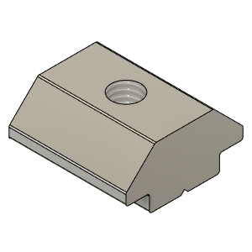 | M3X2020_T-Nut | Nut, TSlot - M3X2020 | Buy | 16 | Qty 16 based on X&Y Print size at 315. Add Qty2 for every additional 5cm of Y axis over 315mm. | AliExpress | https://www.aliexpress.com/item/32917702848.html?spm=a2g0s.9042311.0.0.10194c4dtWXsMc
XY_HT | Hardware | 11 | 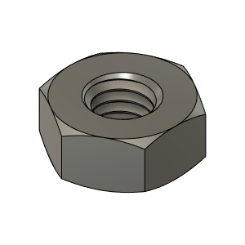 | M3_Nut_94150A325 | Nut, Hex - M3 | Buy | 4
XY_HT | Hardware | 12 | 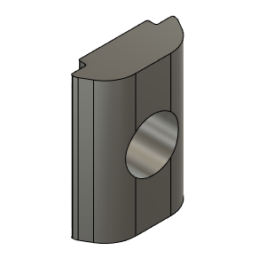 | M6_TSlot_Nut | Nut, T-Slot - M6 for 3030 profile | Buy | 27
XY_HT | Hardware | 13 | 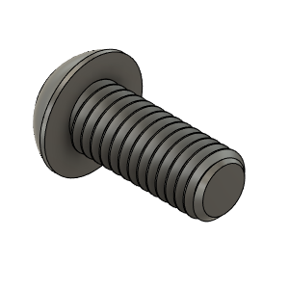 | M6X14_ButtonHeadScrew_92095A227 | Screw, ButtonHead - M6X14mm | Buy | 27
XY_HT | Hardware | 14 | 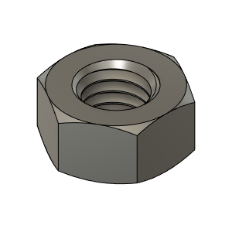 | M5_HexNut_94150A340 | Nut, Hex - M5 | Buy | 4
XY_HT | Hardware | 15 | 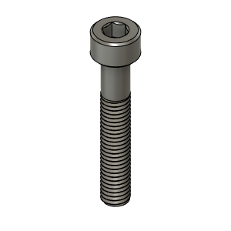 | M5X30_CapScrew_92290A254 | Screw, Cap - M5x30mm | Buy | 3
XY_HT | Hardware | 18 | 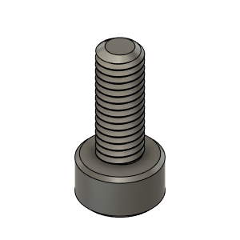 | M3X8_CapScrew_92290A113 | Screw, Cap - M3X8mm | Buy | 6
XY_HT | Hardware | 20 | 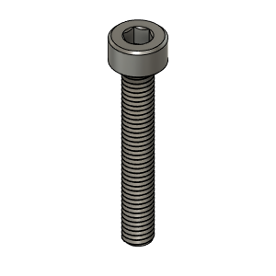 | M3X20_CapScrew_92290A122 | Screw, Cap - M3X20mm | Buy | 6
XY_HT | Hardware | 21 | 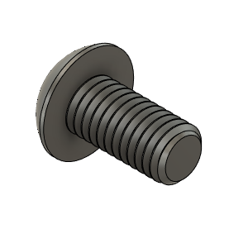 | M5X10_ButtonHeadScrew_97763A820 | Screw, ButtonHead - M5X10mm | Buy | 2
XY_HT | Hardware | 22 | 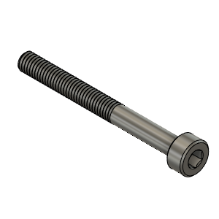 | M3X30_CapScrew_92290A126 | Screw, Cap - M3X30mm | Buy | 2
XY_HT | Hardware | 39 | 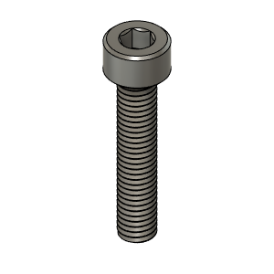 | M5X25_CapScrew_92290A252 | Screw, Cap - M5x25mm | Buy | 1
XY_HT | Make | 8 | 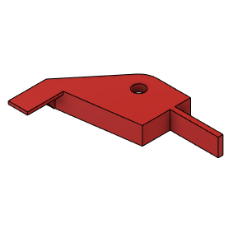 | XY_EndStop_Flag_V1_NoDuct |  | Make | 1 |  | Thingiverse | https://www.thingiverse.com/thing:4402495
XY_HT | Make | 9 | 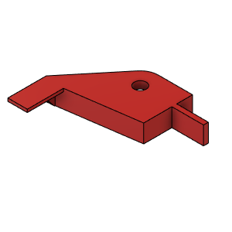 | XY_EndStop_Flag_V2_WithDuct (1) |  | Make | 1 | Default (can be trimmed if too long) | Thingiverse | https://www.thingiverse.com/thing:4402496
XY_HT | Make | 10 | 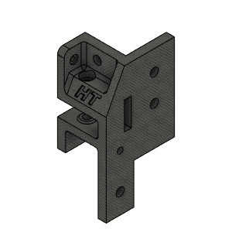 | PulleyMount_REAR_LEFT_Body | Pulley Mount Rear Left | Make | 1 |  | Thingiverse | https://www.thingiverse.com/thing:4402497
XY_HT | Make | 16 | 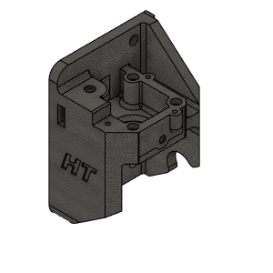 | MotorBracket_RIGHT_Body V1.1 | Motor Bracket Right | Make | 1 |  | Thingiverse | https://www.thingiverse.com/thing:4402498
XY_HT | Make | 17 | 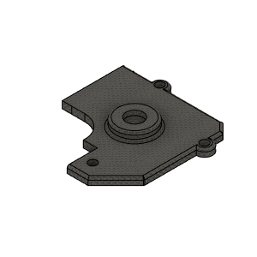 | MotorCover_BODY_RIGHT | Motor Cover Rght | Make | 1 |  | Thingiverse | https://www.thingiverse.com/thing:4402499
XY_HT | Make | 24 | 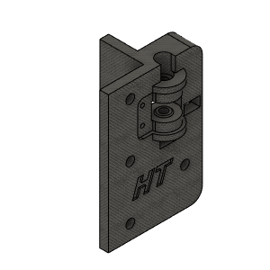 | PulleyMount_FRONT_RIGHT_BodyV1.1 | Pulley Mount Front Right | Make | 1 |  | Thingiverse | https://www.thingiverse.com/thing:4402500
XY_HT | Make | 25 | 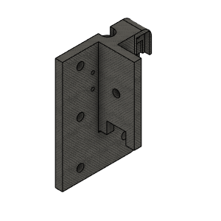 | PulleyMount_FRONT_LEFT_BodyV1.1 | Pulley Mount Front Left | Make | 1 |  | Thingiverse | https://www.thingiverse.com/thing:4402501
XY_HT | Make | 27 | 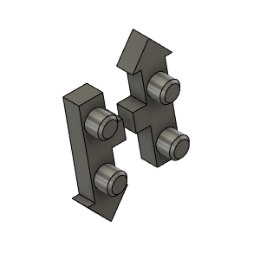 | HevORT LOGO_Small_Grey | HevORT Logo, Small | Make | 1 |  | Thingiverse | https://www.thingiverse.com/thing:4402502
XY_HT | Make | 28 | 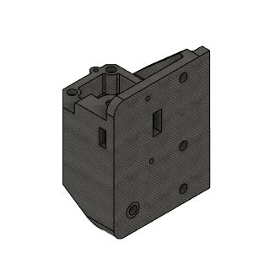 | MotorBracket_LEFT_Body (1) |  | Make | 1 |  | Thingiverse | https://www.thingiverse.com/thing:4402503
XY_HT | Make | 29 | 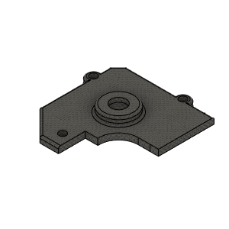 | MotorCover_BODY_LEFT | Motor Cover Left | Make | 1 |  | Thingiverse | https://www.thingiverse.com/thing:4402504
XY_HT | Make | 30 | 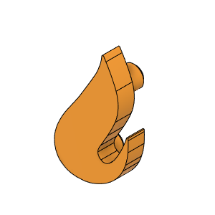 | HTLogoSMallFlame |  | Make | 1 |  | Thingiverse | https://www.thingiverse.com/thing:4402505
XY_HT | Make | 31 | 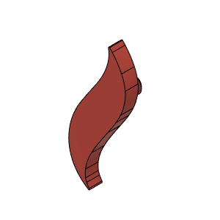 | HTLogoBigFlame |  | Make | 1 |  | Thingiverse | https://www.thingiverse.com/thing:4402506
XY_HT | Make | 38 | 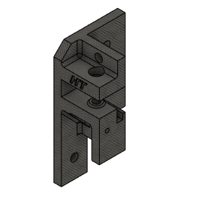 | PulleyMount_REAR_RIGHT_Body | Pulley Mount Rear Right | Make | 1 |  | Thingiverse | https://www.thingiverse.com/thing:4402507

