From Fusion 360
Item # | Thumbnail | Part Name | Description | Make/Buy | Quantity | Vendor | Vendor URL
1 | 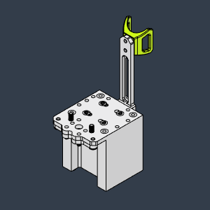 | Carriage |  |  | 1
2 | Image Unavailable | Sliding mount |  |  | 1
3 | 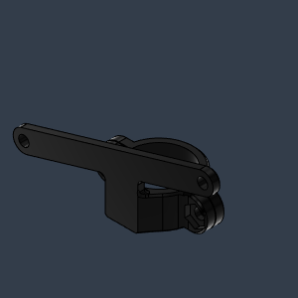 | CPAP clamp |  |  | 1
4 | 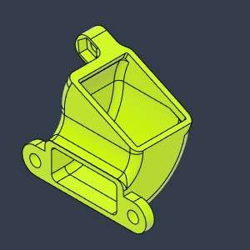 | 5015 upper duct |  |  | 1
5 | 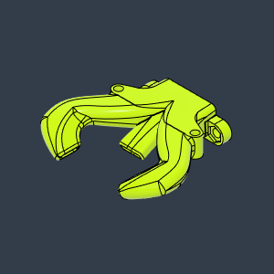 | Vz-Printhead-Under duct-trihorn v13 |  |  | 1
6 | 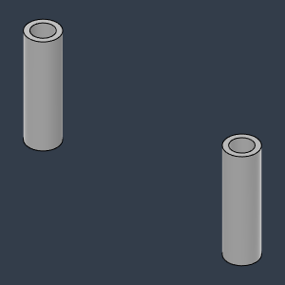 | Middle spacers |  |  | 1
7 | Image Unavailable | M3 30mm Button Head v1 |  |  | 2
8 | 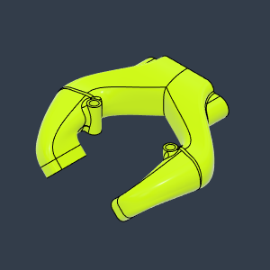 | Vez Goliath Duct |  |  | 1
9 | Image Unavailable | Heat insert M3x4.6x5 v1 |  |  | 4
10 | Image Unavailable | M3 14mm Button Head v1 |  |  | 4
11 | 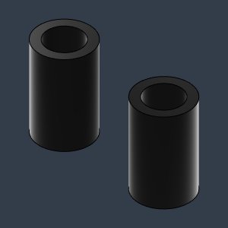 | Front spacers (1) |  |  | 1
12 | 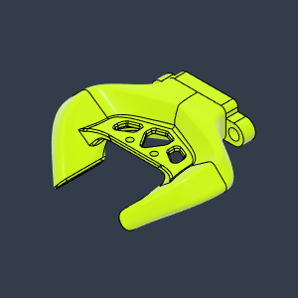 | Vez Goliath-Short Duct |  |  | 1
13 |  | Front spacers (1) (1) |  |  | 1
14 | Image Unavailable | Beacon_RevD_Assm_Normal v1 |  |  | 1
15 |  | Vez Goliath Duct Beacon |  |  | 1
16 | 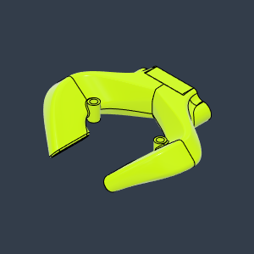 | Vez Goliath Wide |  |  | 1
17 | 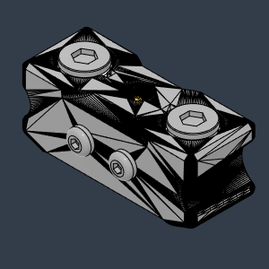 | QD_Probe |  |  | 1
18 | 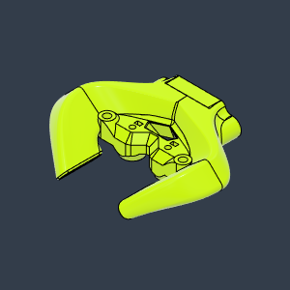 | Vez Goliath short wider -QD1 |  |  | 1
19 |  | QD2_Probe v2 |  |  | 1
20 | 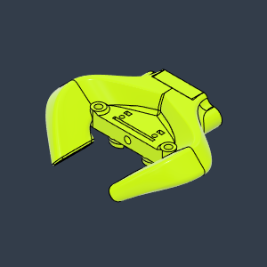 | Vez_Goliath short wider QD2 |  |  | 1
21 | 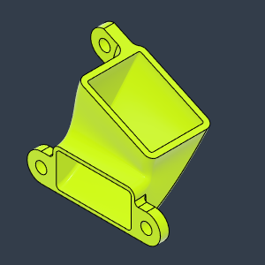 | 5015 Upper duct new -Beacon clearance |  |  | 1
22 | Image Unavailable | HDx_VzPrintHead_TentaCool_GoliathShort_Beacon_Body |  |  | 2
23 | Image Unavailable | Beacon_RevD_Assm_Normal v1 (1) |  |  | 2
24 | Image Unavailable | TentacoolSpacer_GoliathLong |  |  | 2
25 | Image Unavailable | M3X22_CapScrew_92290A762 v2 |  |  | 1
26 | Image Unavailable | M3X22_CapScrew_92290A762 v2 (1) |  |  | 1
27 | 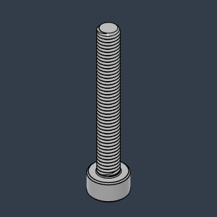 | 92290A762_Super-Corrosion-Resistant 316 Stainless Steel Socket Head Screw |  |  | 2
28 | Image Unavailable | mosquito magnum+ v1 |  |  | 1
29 | Image Unavailable | RapidoUHF v1 |  |  | 1
30 | Image Unavailable | Goliath Mockup short v10 |  |  | 1
31 | Image Unavailable | Goliath Mockup Water v2 |  |  | 1
32 | 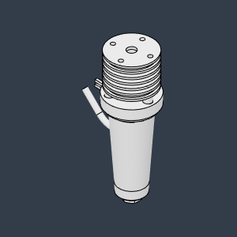 | Goliath Mockup AIR v2 |  |  | 1
33 | 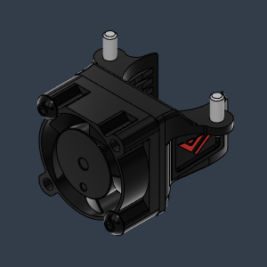 | Fan duct 2510-With flange for Vz-Printhead CNC v2 |  |  | 1
34 | 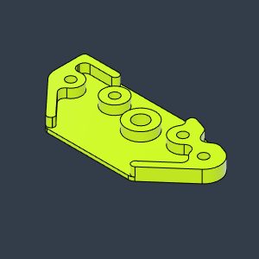 | Orbiter Adapter plate CNC |  |  | 1
35 | 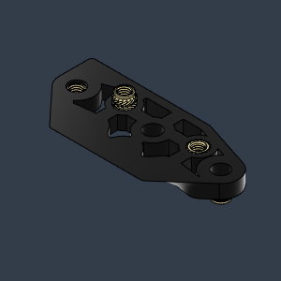 | Orbiter-adapter plate printed |  |  | 1
36 | 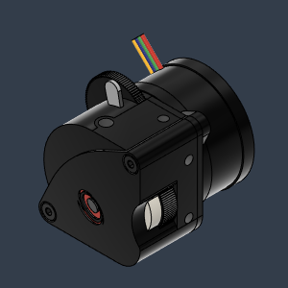 | LGX-Lite Dummy V5 v1 |  |  | 1
37 | 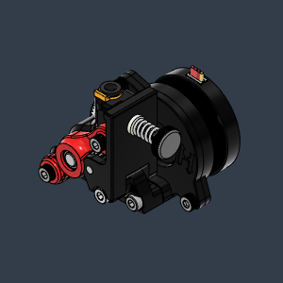 | Vz-Hextrudort-Low motor v1 |  |  | 1
38 | 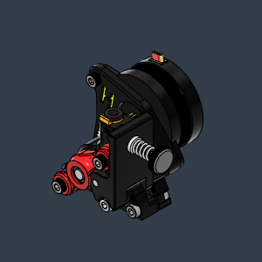 | Vz-Hextrudort-High motor v1 |  |  | 1
39 | 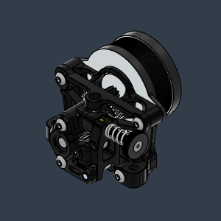 | sherpa_mini_release1 v1 |  |  | 1
40 | 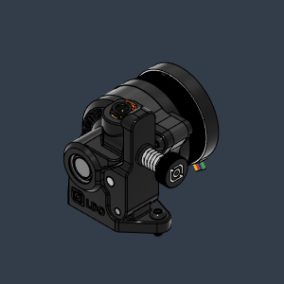 | Orbiter v2.0 mockup v1 |  |  | 1
41 | 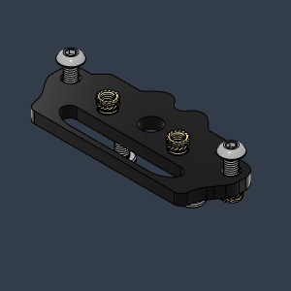 | Sherpa mini adapter plate |  |  | 1
42 | 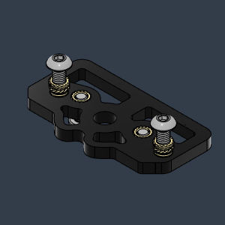 | SherpaMicro adapter |  |  | 1
43 | 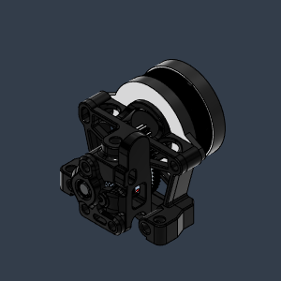 | libra v1 |  |  | 1
44 | 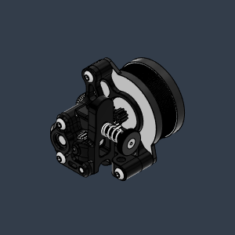 | sherpa_micro v1 |  |  | 1
45 | 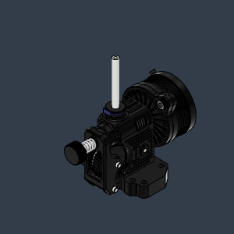 | Mellow NF cannon v1 |  |  | 1
46 | 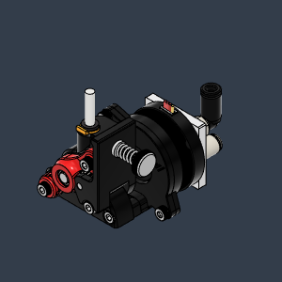 | Vz-Hextrudort-Low motor-helical v1 |  |  | 1
47 | 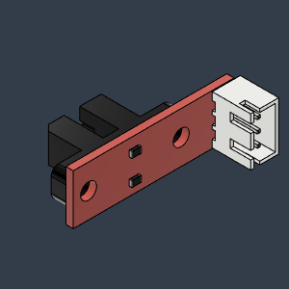 | Opto endstop PM v5 |  |  | 1
48 | 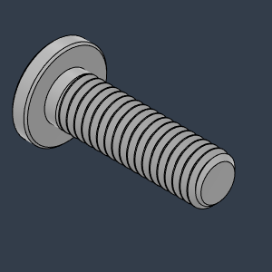 | 90358A003_Ultra-Low-Profile Socket Head Screw |  |  | 2
49 | 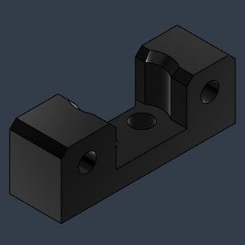 | HDxTop_VZPrintHead_XEndStopMount |  |  | 1

