From Fusion 360
SubAssy | Category | Item | Thumbnail | Part Name | Part Description | Make/Buy | QTY | Comment | Vendor | Vendor URL
ZR_V2.5 | Buy | 1 |  | BedSquare | 2020 Extrusion | Buy | 1 | See required Dimension as per Frame Calculator
ZR_V2.5 | Buy | 2 |  | BedSpring_20mm | 20mm Spring | Buy | 4 | Commonly available (same springs as most printers)
ZR_V2.5 | Buy | 3 |  | SFU1204-450 With Nut | BAll Screw with Nut | Buy | 3 | BK10 and BF10 machined end required. BK10 and BF10 blocks ARE NOT required.
ZR_V2.5 | Buy | 4 |  | Ball Bearing 608ZZ | Bearing 608ZZ | Buy | 3
ZR_V2.5 | Buy | 5 | 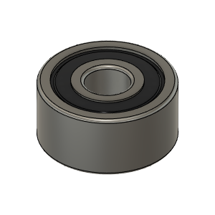 | Bearing_5200-2RS | Double Angular Contact Bearing | Buy | 3
ZR_V2.5 | Buy | 6 | 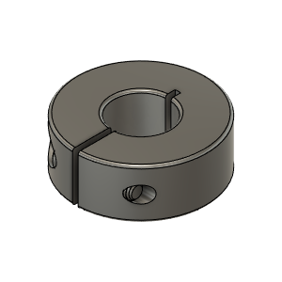 | Ruland_57445K444_CLAMPING SHAFT COLLAR (MCL-10-F) | Shaft Collar, 10mm ID | Buy | 3 |  |  | https://www.ruland.com/mcl-10-f.html
ZR_V2.5 | Buy | 7 |  | Coupler D20L25-5.0-8.0 | Coupler, Spider - 8 to 5mm | Buy | 3 |  |  | https://s.click.aliexpress.com/e/_AVhQZK
ZR_V2.5 | Buy | 8 |  | MGN12H_150MM | MGN12 Rail with H Block | Buy | 3
ZR_V2.5 | Buy | 9 |  | MGN12H_Rail Assy | MGN12H Rail - For Z | Buy | 3 | See required Dimension as per Frame Calculator
ZR_V2.5 | Buy | 10 |  | BedPlate | MIC6 Aluminum 6mm thickness | Buy | 1 | See required Dimension as per Frame Calculator |  | Mic 6® a registered trademark of Arconic Alca 5™ a registered trademark of PCP Aluminum Alpase K100-S® is a registered trademark of TST, Inc (Flatness not equal) Vista Metals ATP 5™ is a registered trademark of Vista Metals Corp Alimex ACP 5080™ is a registered trademark of Alimex, Germany. Formodal 030™ is a registered trademark of Bikar Metal in Germany. Thanks to Steven Kleinert for the info.
ZR_V2.5 | Buy | 11 |  | POS8_RodEnd | RodEnd, POS08 | Buy | 3 | Note: you may want to buy a few extra if ordering from AliExpress as level of precision of the bearing can vary. | AliExpres | https://s.click.aliexpress.com/e/_A4bJ8W
ZR_V2.5 | Buy | 12 |  | NEMA17 1.8 degree Stepper Motors 60 mm* | Stepper Motor - NEMA17X60mm | Buy | 3 | *It is recommended to use 60mm 1.8 degree motors to avoid the bed falling down due to backdriving
ZR_V2.5 | Hardware | 13 |  | Ball_Bearing_6mm | Bearing, Ball - 6mm | Buy | 9 | Ball Bearing dont need to be magnetized, Chrome Steal preffered.
ZR_V2.5 | Hardware | 14 |  | Magnet_8X3mm | Magnet, Disc - 8X3mm | Buy | 30 | Neodymium (these magnets are sold as 3mm thick but the ones received are 2.75mm. True 3mm thick will not create any issue.) | Amazon | https://amzn.to/3qlpSaa
ZR_V2.5 | Hardware | 15 |  | M10X1.00_HexNut_91415A215 | Nut, Hex - M10X1.00 | Buy | 3 | Thread has to be 1.00 to match Ball Screw machined end for BK10
ZR_V2.5 | Hardware | 16 | 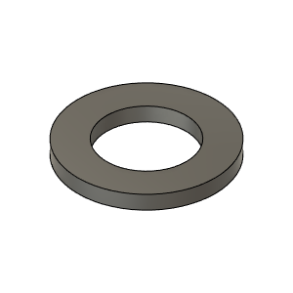 | M10X18X1.5_Washer_98690A115 | Washer, M10X18X1.5 | Buy | 3
ZR_V2.5 | Hardware | 17 |  | M3_Nut_94150A325 | Nut, Hex - M3 | Buy | 22
ZR_V2.5 | Hardware | 18 |  | M4_Nut_94150A335 | Nut, Hex - M4 | Buy | 9
ZR_V2.5 | Hardware | 19 |  | M8X1.25_HexNut_90593A007 | Nut, Hex - M8X1.25 | Buy | 6
ZR_V2.5 | Hardware | 20 |  | M5X2020_T-Nut_91239A224 | Nut, T-Slot - M5 for 2020 profile | Buy | 26 | Any type is ok, make sure to have a few roll in (drop in) T-Nut under hand
ZR_V2.5 | Hardware | 21 |  | M3X3030_TSlot_Nut | Nut, TSlot - M3X3030 | Buy | 24 | Qty 24 based on Z Print size at 340. Add Qty3 for every additional 5cm of Z axis over 340mm.
ZR_V2.5 | Hardware | 22 |  | M5X3030_TSlot_Nut | Nut, TSlot - M5X3030 | Buy | 6 | Any type is ok, make sure to have a few roll in (drop in) T-Nut under hand
ZR_V2.5 | Hardware | 23 |  | M6_TSlot_Nut | Nut, T-Slot - M6 for 3030 profile | Buy | 15 | Any type is ok, make sure to have a few roll in (drop in) T-Nut under hand
ZR_V2.5 | Hardware | 24 |  | M6X20_ButtonHeadScrew_91239A326 | Screw, Button Head - M6X20 | Buy | 3
ZR_V2.5 | Hardware | 25 |  | M5X10_ButtonHeadScrew_97763A820 | Screw, ButtonHead - M5X10mm | Buy | 26
ZR_V2.5 | Hardware | 26 |  | M5X12_ButtonHeadScrew_91239A228 | Screw, ButtonHead - M5X12mm | Buy | 6
ZR_V2.5 | Hardware | 27 |  | M6X14_ButtonHeadScrew_92095A227 | Screw, ButtonHead - M6X14mm | Buy | 16
ZR_V2.5 | Hardware | 28 |  | M3X10_CapScrew_92290A115 | Screw, Cap - M3X10mm | Buy | 46
ZR_V2.5 | Hardware | 29 |  | M3X12_CapScrew_92290A117 | Screw, Cap - M3X12mm | Buy | 18
ZR_V2.5 | Hardware | 30 |  | M3X14_CapScrew_92290A118 | Screw, Cap - M3X14 | Buy | 4
ZR_V2.5 | Hardware | 31 | 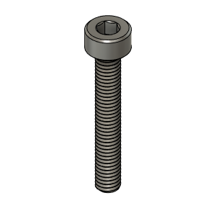 | M3X20_CapScrew_92290A122 | Screw, Cap - M3X20 | Buy | 9
ZR_V2.5 | Hardware | 32 |  | M3X8_CapScrew_92290A113 | Screw, Cap - M3X8mm | Buy | 12
ZR_V2.5 | Hardware | 33 |  | M4X14_CapScrew_92290A150 | Screw, Cap - M4X14mm | Buy | 9
ZR_V2.5 | Hardware | 34 |  | M8X35_CapScrew_90605A257 | Screw, Cap - M8X35 | Buy | 1
ZR_V2.5 | Hardware | 35 |  | M8X30_CapScrew_91290A434 | Screw, CapScrew - M8X30 | Buy | 2
ZR_V2.5 | Hardware | 36 |  | M4X40_FlatHead_93395A277 | Screw, FlatHead - M4X40mm | Buy | 4
ZR_V2.5 | Make | 37 |  | BedPlateMount_RL_Body_V2 | BedPlateMount_RL | Make | 1 | Improved by capturing both extrusions at each corner | Thingiverse | HevORT/files/STL/ZR_V2.5 at master · MirageC79/HevORT (github.com)
ZR_V2.5 | Make | 38 |  | BedPlateMount_RR_Body_V2 | BedPlateMount_RR | Make | 1 | Improved by capturing both extrusions at each corner | Thingiverse | HevORT/files/STL/ZR_V2.5 at master · MirageC79/HevORT (github.com)
ZR_V2.5 | Make | 39 |  | HevORT LOGO_Small_Grey | HevORT Logo, Small | Make | 3 | Best with resin printer | Thingiverse | HevORT/files/STL/ZR_V2.5 at master · MirageC79/HevORT (github.com)
ZR_V2.5 | Make | 40 | 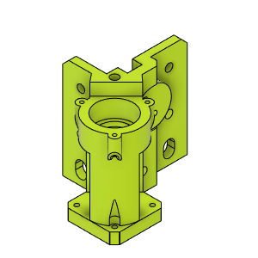 | ZR_MotorMount_Angular_FR_Body_V2.5 | Mount, Motor - AngularContact Bearing | Make | 1 |  | Thingiverse | HevORT/files/STL/ZR_V2.5 at master · MirageC79/HevORT (github.com)
ZR_V2.5 | Make | 41 |  | ZR_AngularContact_BearingCageCover_FR | Bearing Cage Cover | Make | 1 |  |  | HevORT/files/STL/ZR_V2.5 at master · MirageC79/HevORT (github.com)
ZR_V2.5 | Make | 42 | 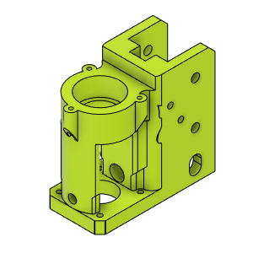 | ZR_MotorMount_RR_Body_V2.5 | Mount, Motor - AngularContact Bearing | Make | 1 |  | Thingiverse | HevORT/files/STL/ZR_V2.5 at master · MirageC79/HevORT (github.com)
ZR_V2.5 | Make | 43 | 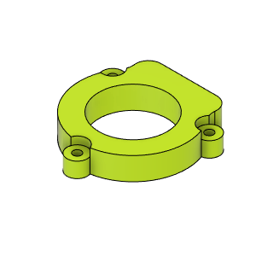 | ZR_AngularContact_BearingCageCover_RR | Bearing Cage Cover | Make | 1 |  |  | HevORT/files/STL/ZR_V2.5 at master · MirageC79/HevORT (github.com)
ZR_V2.5 | Make | 44 | 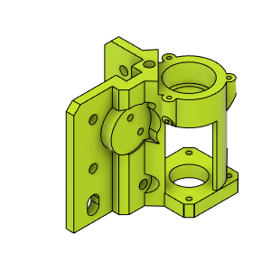 | ZR_MotorMount_Angular_FL_Body_V2.5 | Mount, Motor - AngularContact Bearing | Make | 1 |  | Thingiverse | HevORT/files/STL/ZR_V2.5 at master · MirageC79/HevORT (github.com)
ZR_V2.5 | Make | 45 | 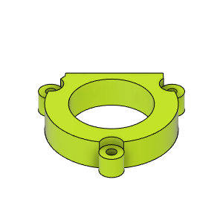 | ZR_AngularContact_BearingCageCover_LH | Bearing Cage Cover | Make | 1 |  |  | HevORT/files/STL/ZR_V2.5 at master · MirageC79/HevORT (github.com)
ZR_V2.5 | Make | 46 |  | ZR_Slider_Mount_V2_RR_Body | Mount, Slider - With Wobble Wings | Make | 1 |  | Thingiverse | HevORT/files/STL/ZR_V2.5 at master · MirageC79/HevORT (github.com)
ZR_V2.5 | Make | 47 |  | ZR_SliderMount_FL_Body_V2 | Mount, Slider - With Wobble Wings | Make | 1 |  | Thingiverse | HevORT/files/STL/ZR_V2.5 at master · MirageC79/HevORT (github.com)
ZR_V2.5 | Make | 48 |  | ZR_SliderMount_FR_Body_V2 | Mount, Slider - With Wobble Wings | Make | 1 |  | Thingiverse | HevORT/files/STL/ZR_V2.5 at master · MirageC79/HevORT (github.com)
ZR_V2.5 | Make | 49 |  | Z_Bed_Arm_RodEnd_Support | RodEnd_Support | Make | 3 |  | Thingiverse | HevORT/files/STL/ZR_V2.5 at master · MirageC79/HevORT (github.com)
ZR_V2.5 | Make | 50 |  | ZR_WobbleWing_Upper_Body | WobbleWing Upper, FR and LH | Make | 1 |  | Thingiverse | HevORT/files/STL/ZR_V2.5 at master · MirageC79/HevORT (github.com)
ZR_V2.5 | Make | 51 |  | ZR_WobbleWing_Upper_Body | WobbleWing, Upper - FL,FR | Make | 2 |  | Thingiverse | HevORT/files/STL/ZR_V2.5 at master · MirageC79/HevORT (github.com)
ZR_V2.5 | Make | 52 |  | ZR_WobbleWing_Lower_Body | WobbleWing, Upper - All | Make | 3 |  | Thingiverse | HevORT/files/STL/ZR_V2.5 at master · MirageC79/HevORT (github.com)
ZR_V2.5 | Make | 53 |  | ZRLogo | ZR Logo | Make | 4 | Best with resin printer | Thingiverse | HevORT/files/STL/ZR_V2.5 at master · MirageC79/HevORT (github.com)
ZR_V2.5 | Make | 54 |  | ZR Logo Small | ZR Logo Small | Make | 2 | Best with resin printer | Thingiverse | HevORT/files/STL/ZR_V2.5 at master · MirageC79/HevORT (github.com)
ZR_V2.5 | Make | 55 |  | ZR_BearingTopMount_FL_Body | ZR_BearingTopMount_FL | Make | 1 | To be used with 48mm Stepper and Double Thrust Bearing Motor Mounts. | Thingiverse | HevORT/files/STL/ZR_V2.5 at master · MirageC79/HevORT (github.com)
ZR_V2.5 | Make | 56 |  | ZR_BearingTopMount_FR_Body | ZR_BearingTopMount_FR | Make | 1 | To be used with 48mm Stepper and Double Thrust Bearing Motor Mounts. | Thingiverse | HevORT/files/STL/ZR_V2.5 at master · MirageC79/HevORT (github.com)
ZR_V2.5 | Make | 57 |  | ZR_BearingTopMount_RR_Body | ZR_BearingTopMount_RR | Make | 1 | To be used with 48mm Stepper and Double Thrust Bearing Motor Mounts. | Thingiverse | HevORT/files/STL/ZR_V2.5 at master · MirageC79/HevORT (github.com)
ZR_V2.5 | Make | 58 |  | ZR_BedPlateMount_FR_Body_V2 | ZR_BedMountFR_Body | Make | 1 | Improved by capturing both extrusions at each corner | Thingiverse | HevORT/files/STL/ZR_V2.5 at master · MirageC79/HevORT (github.com)
ZR_V2.5 | Make | 59 |  | ZR_BedPlate_InnerBraquet_FL | ZR_BedPlate_InnerBraquet_FL | Make | 1 |  | Thingiverse | HevORT/files/STL/ZR_V2.5 at master · MirageC79/HevORT (github.com)
ZR_V2.5 | Make | 60 |  | ZR_BedPlate_InnerBraquet_FR_Body | ZR_BedPlate_InnerBraquet_FR | Make | 1 |  | Thingiverse | HevORT/files/STL/ZR_V2.5 at master · MirageC79/HevORT (github.com)
ZR_V2.5 | Make | 61 |  | ZR_BedPlateMount_FL_Body_V2 | ZR_BedPlateMount_FL | Make | 1 | Improved by capturing both extrusions at each corner | Thingiverse | HevORT/files/STL/ZR_V2.5 at master · MirageC79/HevORT (github.com)
ZR_V2.5 | Make | 62 |  | ZR_BedRailSupport_RR_Body | ZR_BedRailSupport_RR | Make | 1 |  | Thingiverse | HevORT/files/STL/ZR_V2.5 at master · MirageC79/HevORT (github.com)

