From Fusion 360
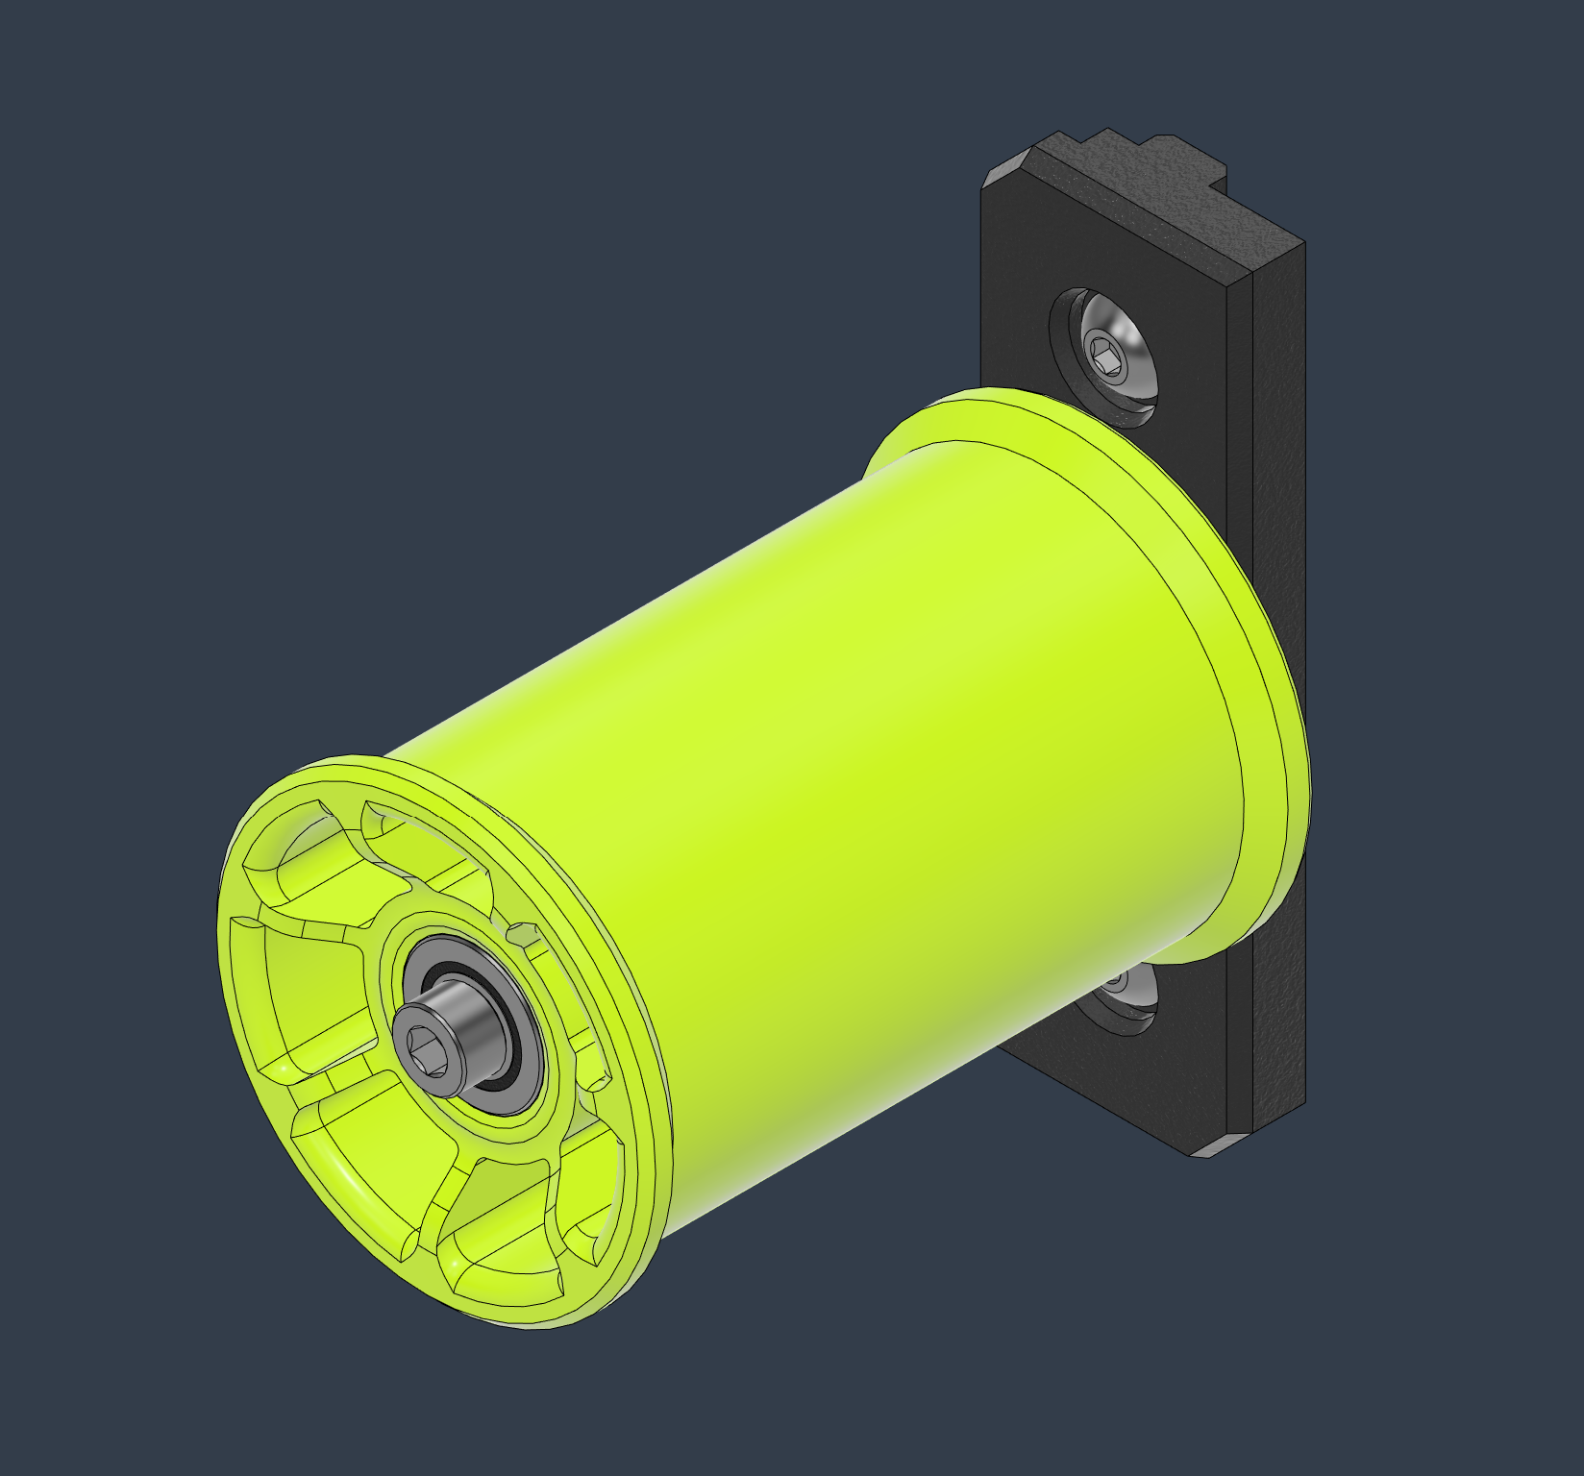 |  |  |  | LINK TO CAD | This Spool holder integrates a magnetic braking system that provides a very subtle spin resistance. Just enough to prevent unwanted filament unroll, but not enough to disrupt your precise extrusion consistency ;) Happy Printing |  |  |  | 
SubAssy | Category | Item | Thumbnail | Part Name | Part Description | Make/Buy | QTY | Comment | Vendor | Vendor URL
ENCLOSURE Accessory SpoolHolder | Buy | 1 | 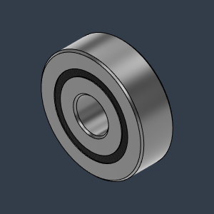 | Bearing_625-2RS_6153K69 | Bearing, 625-2RS | Buy | 2
ENCLOSURE Accessory SpoolHolder | Buy | 2 | 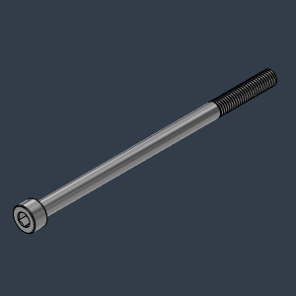 | M5X90_CapScrew_91290A278 | CapScrew | Buy | 1 | This screw will make contact with the bottom of the 3030 extrusion groove.
ENCLOSURE Accessory SpoolHolder | Buy | 3 | 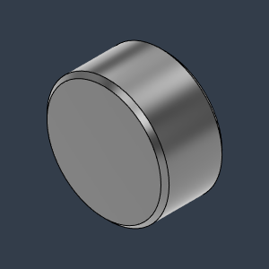 | Magnet_6X3 | Magnet, 6X3 | Buy | 9
ENCLOSURE Accessory SpoolHolder | Buy | 4 | 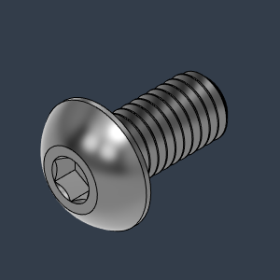 | M5X10_ButtonHeadScrew_97763A820 | Screw, ButtonHead - M5X10mm | Buy | 2
ENCLOSURE Accessory SpoolHolder | Buy | 5 | 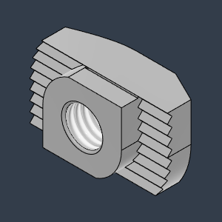 | M5X3030_Tslot_TurnIn | Nut, T Solt, M5 for 3030 | Buy | 3
ENCLOSURE Accessory SpoolHolder | Make | 6 | 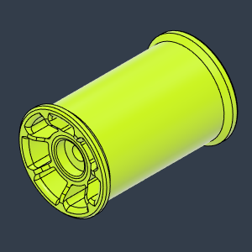 | SpoolRollBody | Spool Holder | Make | 1 |  | STL | https://github.com/MirageC79/HevORT/blob/master/files/STL/Enclosure/SpoolHolder/SpoolRollBody.stl
ENCLOSURE Accessory SpoolHolder | Make | 7 | 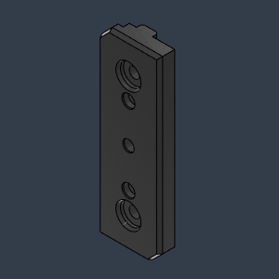 | FrameBracket | Bracket, Frame | Make | 1 |  | STL | https://github.com/MirageC79/HevORT/blob/master/files/STL/Enclosure/SpoolHolder/FrameBracket.stl

