From Fusion 360
SubAssy | Category | Item | Thumbnail | Part Name | Part Description | Make/Buy | Included in HDWKit_XYHD9 | QTY | Comment | Vendor | Vendor URL
XYHD9 | Buy | 42 | 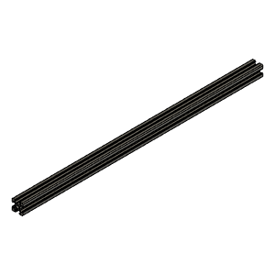 | 2020 Aluminum Extrusion Profile v1 | X Cross Member 2020 | Buy |  | 1* | *Length defined by Frame Calculator: https://miragec79.github.io/HevORT/framecalculator.html Look for HD X Cross Member into calculator
XYHD9 | Buy | 12 | 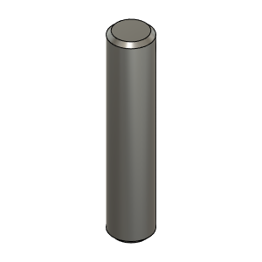 | 5mmX24mm Shaft v1 | Pin,Dowel - 5x24mm | Buy | X | 2 | Can be cut to length from longer pin or shaft usin Dremel or other cutting tool. | 1: Amazon (Link to Canada) 2: AliExpress | 1: https://www.amazon.ca/gp/product/B01MTKNWZB/ref=ppx_yo_dt_b_asin_image_o03_s00?ie=UTF8&psc=1 2: https://www.aliexpress.com/item/4000473863693.html?spm=a2g0s.9042311.0.0.46214c4dj2VePT
XYHD9 | Buy | 14 | 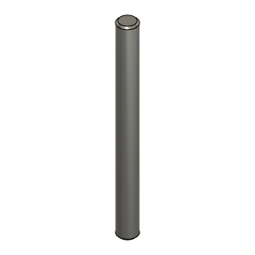 | 5mmX60mm Shaft v1 | Shaft - 5X60mm | Buy | X | 3 | Can be cut to length from longer pin or shaft usin Dremel or other cutting tool. | 1: Amazon (Link to Canada) 2: AliExpress | 1: https://www.amazon.ca/gp/product/B01MTKNWZB/ref=ppx_yo_dt_b_asin_image_o03_s00?ie=UTF8&psc=1 2: https://www.aliexpress.com/item/4000473863693.html?spm=a2g0s.9042311.0.0.46214c4dj2VePT
XYHD9 | Buy | 54 | 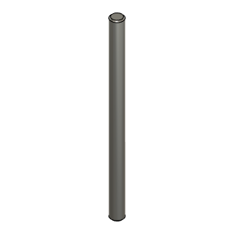 | 5X74mm_Shaft | Shaft, 5X74mm | Buy | X | 1 | Can be cut to length from longer pin or shaft usin Dremel or other cutting tool. | 1: Amazon (Link to Canada) 2: AliExpress | 1: https://www.amazon.ca/gp/product/B01MTKNWZB/ref=ppx_yo_dt_b_asin_image_o03_s00?ie=UTF8&psc=1 2: https://www.aliexpress.com/item/4000473863693.html?spm=a2g0s.9042311.0.0.46214c4dj2VePT
XYHD9 | Buy | 8 | 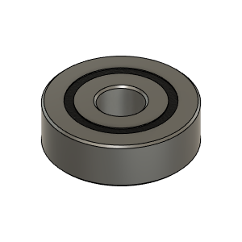 | Bearing_625-2RS_6153K69 | Bearing, 625-2RS | Buy | X | 4 | ABEC rated bearings 1 to 5 provides better accuracy and smoothness | AliExpress | https://www.aliexpress.com/item/32856629143.html?spm=a2g0s.9042311.0.0.27424c4djK3sna
XYHD9 | Buy | 24 | 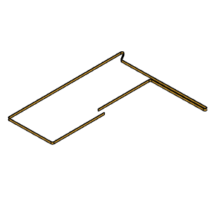 | BeltLower_YLH_Section | 9mm 2GT Belt | Buy |  | 1* | GATES-LL-2GT gear synchronous belt, 9mm wide *Length defined by Frame Calculator: https://miragec79.github.io/HevORT/framecalculator.html | AliExpress, Mellow Store | https://www.aliexpress.com/item/32952396111.html?spm=a2g0s.9042311.0.0.27424c4dlCkvdt
XYHD9 | Buy | 25 | 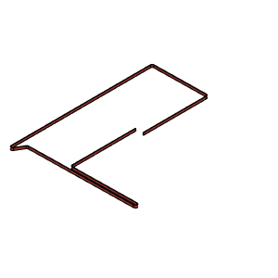 | BeltUpper_YLH_Section | 9mm 2GT belt | Buy |  | 1* | GATES-LL-2GT gear synchronous belt, 9mm wide *Length defined by Frame Calculator: https://miragec79.github.io/HevORT/framecalculator.html | AliExpress, Mellow Store | https://www.aliexpress.com/item/32952396111.html?spm=a2g0s.9042311.0.0.27424c4dlCkvdt
XYHD9 | Buy | 3 | 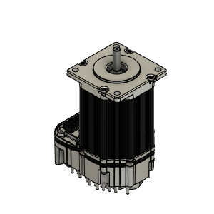 | CPM-_ _ _ _ - 2321_-Q_ | Motor, Servo - Nema 23 | Buy |  | 2 | Any NEMA23 form factor motor will fit. Ensure to use correct spider coupling diameter. Note: NEMA23 Stepper Motors are slow. You might consider to use Nema 17 High Torque from E3D using adapter plate if you are not ready for Servo Motors. | ClearPath by Teknic | https://www.teknic.com/model-info/CPM-SDSK-2321S-RQN/?model_voltage=75
XYHD9 | Buy | 36 | 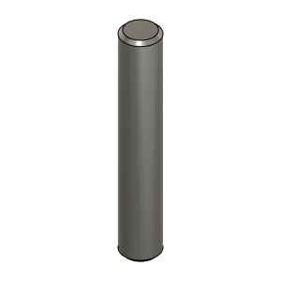 | Dowel_Pin_5mmX30mm | Pin, Dowel - 5x30mm | Buy | X | 4 | Can be cut to length from longer pin or shaft usin Dremel or other cutting tool. | 1: Amazon (Link to Canada) 2: AliExpress | 1: https://www.amazon.ca/gp/product/B01MTKNWZB/ref=ppx_yo_dt_b_asin_image_o03_s00?ie=UTF8&psc=1 2: https://www.aliexpress.com/item/4000473863693.html?spm=a2g0s.9042311.0.0.46214c4dj2VePT
XYHD9 | Buy | 18 | 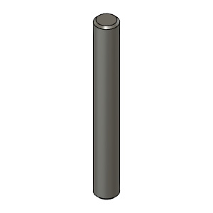 | Dowel_Pin_5mmX40mm | Pin, Dowel - 5x40mm | Buy | X | 4 | Can be cut to length from longer pin or shaft usin Dremel or other cutting tool. | 1: Amazon (Link to Canada) 2: AliExpress | 1: https://www.amazon.ca/gp/product/B01MTKNWZB/ref=ppx_yo_dt_b_asin_image_o03_s00?ie=UTF8&psc=1 2: https://www.aliexpress.com/item/4000473863693.html?spm=a2g0s.9042311.0.0.46214c4dj2VePT
XYHD9 | Buy | 28 | 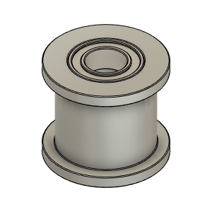 | Gates_2GT_20T_9mm_Smooth v1 | Pulley, Smooth Idler - 9mmGT2 5mm bore | Buy |  | 4 | Specs: https://e3d-online.dozuki.com/Document/xOq6j12tQyJ35Q5d/Gates_S_Idler_9.pdf | AliExpress, Mellow Store | https://www.aliexpress.com/item/33023133633.html?spm=a2g0s.9042311.0.0.27424c4doxVFvb
XYHD9 | Buy | 27 | 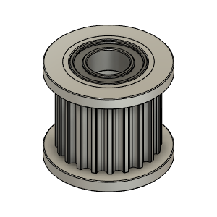 | Gates_2GT_20T_9mm_Toothed v1 | Pulley, Toothed Idler - 9mmGT2 5mm bore | Buy |  | 6 | Specs: https://e3d-online.dozuki.com/Document/awQSBj4am1DMESpY/Gates_T_Idler_9.pdf | AliExpress, Mellow Store | https://www.aliexpress.com/item/33023133633.html?spm=a2g0s.9042311.0.0.27424c4doxVFvb
XYHD9 | Buy | 26 | 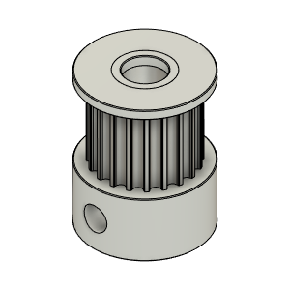 | Gates_2GT_20T_9mm_Toothed_MotorPulley_v1 | Pulley, Motor 20tooth, 9mm | Buy |  | 2 | Specs: https://e3d-online.dozuki.com/Document/Nld1XpHUpijTF4Gy/Gates_Pulley_20T_9.pdf | AliExpress, Mellow Store | https://www.aliexpress.com/item/33023279793.html?spm=a2g0s.9042311.0.0.27424c4doxVFvb
XYHD9 | Buy | 4 | 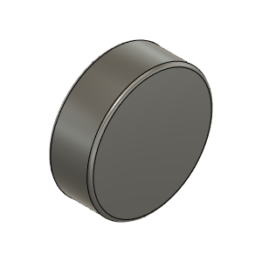 | Magnet_8X3mm | Magnet, Disc - 8X3mm | Buy | X | 2 | Thickness does not need to be precise, only Diameter. | AliExpress | https://www.aliexpress.com/item/33002873710.html?spm=a2g0s.9042311.0.0.79334c4dbGMssZ
XYHD9 | Buy | 2 | 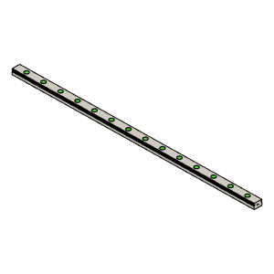 | MGN12 Rail | MGN12 Rail for Y axis | Buy |  | 2* | *Length defined by Frame Calculator: https://miragec79.github.io/HevORT/framecalculator.html
XYHD9 | Buy | 15 |  | MGN12 Rail | MGN12 Rail for X axis | Buy |  | 1* | *Length defined by Frame Calculator: https://miragec79.github.io/HevORT/framecalculator.html
XYHD9 | Buy | 1 | 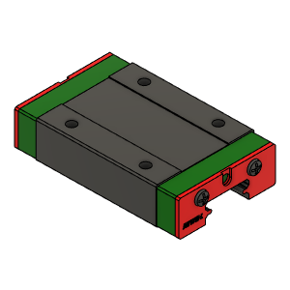 | MGN12H Block | MGN12 Block for Y axis and X axis | Buy |  | 3 | Comes with Rail
XYHD9 | Buy | 11 | 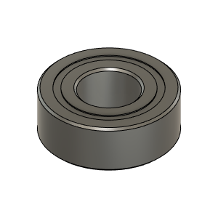 | MR115ZZ_Bearing_7804K107 | Bearing, 5x11x4mm | Buy | X | 4 | ABEC rated bearings 1 to 5 provides better accuracy and smoothness | RDC Official Store - AliExpress | https://www.aliexpress.com/item/32856649040.html?spm=2114.12010612.8148356.71.2e8e17b83q00jq
XYHD9 | Buy | 43 | 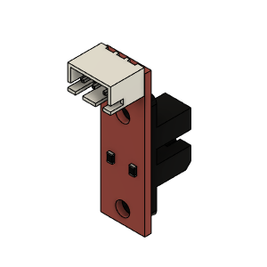 | Opto endstop PM | Optical End-Stop | Buy |  | 1
XYHD9 | Buy | 7 | 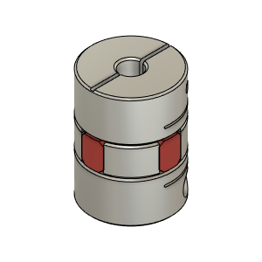 | Ruland_SpiderCoupling_6.35mm-5mm | SpiderCoupling | Buy |  | 2 | Needs to match motor shaft Diameter on one side. Other side needs to be 5mm to match Pulley Shaft | AliExpress | https://www.aliexpress.com/item/33008007487.html?spm=a2g0s.9042311.0.0.27424c4dyaVcbb
XYHD9 | Hardware | 34 | 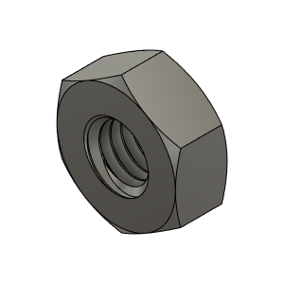 | M3_Nut_94150A325 | Nut, Hex - M3 | Buy | X | 6
XYHD9 | Hardware | 14 |  | M3X10_CapScrew_92290A115 | Screw, Cap - M3X10mm | Buy | X | 24 | Qty 24 based on X&Y Print size at 315. Add Qty2 (one per Y side) for every additional 5cm of Y axis over 315mm. (one every 2 holes)
XYHD9 | Hardware | 33 | 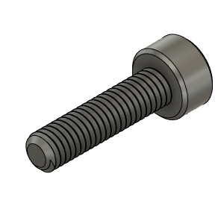 | M3X12_CapScrew_92290A117 | Screw, Cap - M3X12mm | Buy | X | 4
XYHD9 | Hardware | 23 |  | M3X2020_T-Nut | Nut, TSlot - M3X2020 For X Axis | Buy | X | 8 | Qty 8 based on X&Y Print size at 315. Add Qty1 for every additional 5cm of Y axis over 315mm. (one every two holes) | AliExpress
XYHD9 | Hardware | 24 |  | M3X3030_TSlot_Nut | Nut, TSlot - M3X3030 for Y Axis | Buy | X | 24 | Qty 24 based on X&Y Print size at 315. Add Qty2 (one per Y side) for every additional 5cm of Y axis over 315mm. (one every 2 holes) | AliExpress | https://www.aliexpress.com/item/32917702848.html?spm=a2g0s.9042311.0.0.10194c4dtWXsMc
XYHD9 | Hardware | 37 | 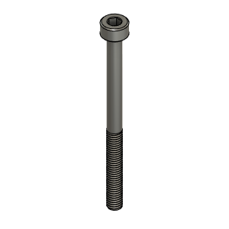 | M3X40_CapScrew_92290A128 | Screw, Cap - M3X40mm | Buy | X | 4
XYHD9 | Hardware | 32 | 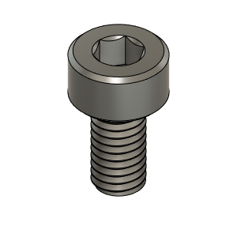 | M3X6_CapScrew_92290A111 | Screw, Cap - M3X6mm | Buy | X | 6
XYHD9 | Hardware | 15 |  | M3X8_CapScrew_92290A113 | Screw, Cap - M3X8mm | Buy | X | 8 | Qty 8 based on X&Y Print size at 315. Add Qty1 for every additional 5cm of Y axis over 315mm. (one every two holes)
XYHD9 | Hardware | 31 | 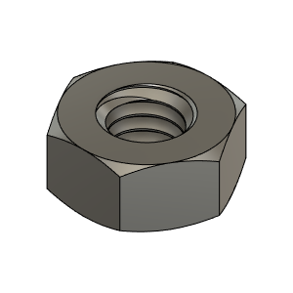 | M4_Nut_94150A335 | Nut, Hex - M4 | Buy | X | 2
XYHD9 | Hardware | 38 | 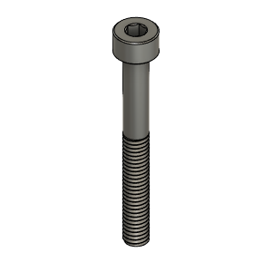 | M4X35_CapScrew_91290A182 | Screw, Cap - M4X35mm | Buy | X | 2
XYHD9 | Hardware | 6 | 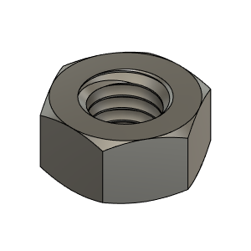 | M5_HexNut_94150A340 | Nut, Hex - M5 | Buy | X | 18
XYHD9 | Hardware | 40 | 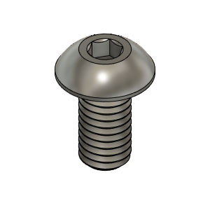 | M5X10_ButtonHeadScrew_97763A820 | Screw, ButtonHead - M5X10mm | Buy | X | 5
XYHD9 | Hardware | 46 | 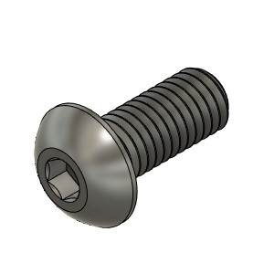 | M5X12_ButtonHeadScrew_91239A228 | Screw, ButtonHead - M5X12mm | Buy | X | 12
XYHD9 | Hardware | 35 | 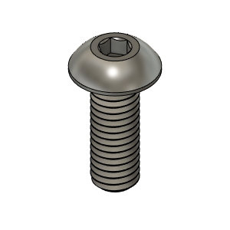 | M5X14_ButtonHeadScrew_91239A230 | Screw, ButtonHead - M5X14mm | Buy | X | 1
XYHD9 | Hardware | 16 | 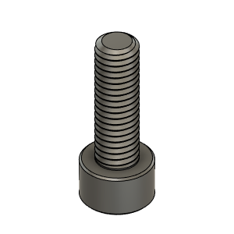 | M5X16_CapScrew_91290A232 | Screw, Cap - M5X16mm | Buy | X | 8
XYHD9 | Hardware | 41 | 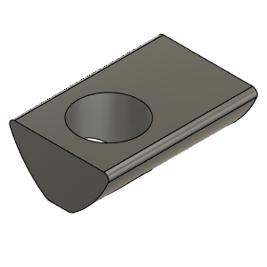 | M5X2020_T-Nut_91239A224 | Nut, T-Slot - M5 for 2020 profile | Buy | X | 8
XYHD9 | Hardware | 39 | 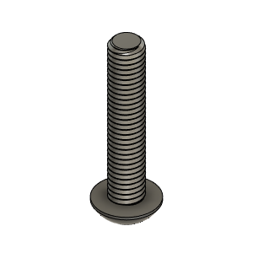 | M5X25_ButtonHeadScrew_91239A234 | Screw, ButtonHead - M5X25mm | Buy | X | 2
XYHD9 | Hardware | 10 | 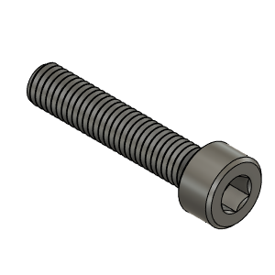 | M5X25_CapScrew_92290A252 | Screw, Cap - M5x25mm | Buy | X | 2
XYHD9 | Hardware | 15 | 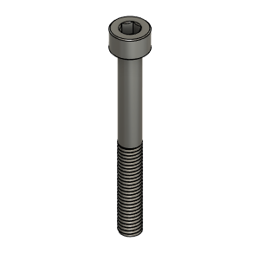 | M5X45_CapScrew_91290A260 | Screw, Cap - M5X45mm | Buy | X | 2
XYHD9 | Hardware | 23 | 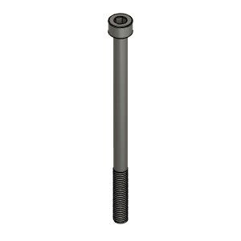 | M5X80_CapScrew_91290A276 | Screw, Cap - M5X80mm | Buy | X | 6
XYHD9 | Hardware | 17 | 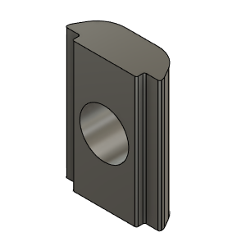 | M6_TSlot_Nut | Nut, T-Slot - M6 for 3030 profile | Buy | X | 25
XYHD9 | Hardware | 13 | 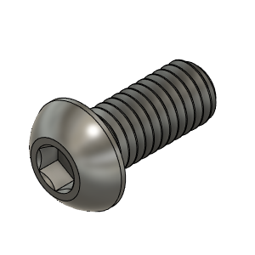 | M6X14_ButtonHeadScrew_92095A227 | Screw, ButtonHead - M6X14mm | Buy | X | 13
XYHD9 | Hardware | 19 | 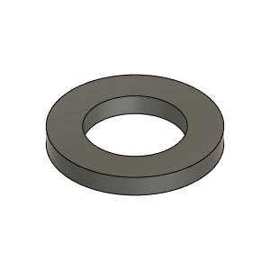 | Washer, 5mmID X 9mmOD X 1mm THK | Washer - Optional. | Buy | X | 4 | Optional - These washer are to manage any axial loads induced on the motor shaft. Depending on the application these washers may be ommited.
XYHD9 | Make | 9 | 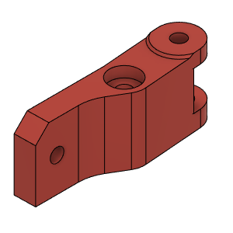 | HD_BeltBinderLH_Body |  | Make |  | 1 |  | Thingiverse | https://www.thingiverse.com/thing:4629715
XYHD9 | Make | 21 | 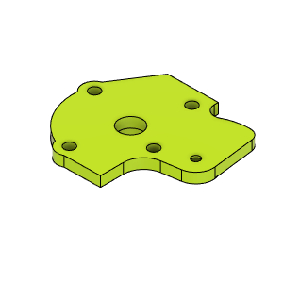 | HD_MotorCover_LH_Body |  | Make |  | 1 |  | Thingiverse | https://www.thingiverse.com/thing:4629715
XYHD9 | Make | 50 | 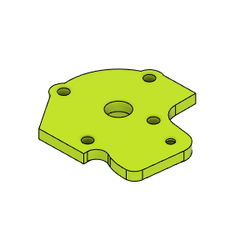 | HD_MotorCover_RH_Body |  | Make |  | 1 |  | Thingiverse | https://www.thingiverse.com/thing:4629715
XYHD9 | Make | 20 | 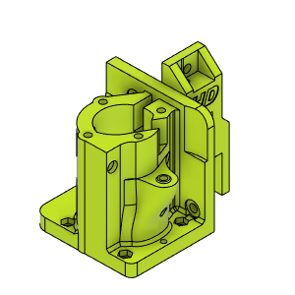 | HD_MotorMount_LH_Body |  | Make |  | 1 |  | Thingiverse | https://www.thingiverse.com/thing:4629715
XYHD9 | Make | 44 | 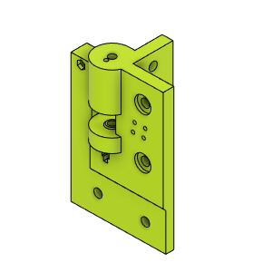 | HD_PulleyMountFL_Body |  | Make |  | 1 |  | Thingiverse | https://www.thingiverse.com/thing:4629715
XYHD9 | Make | 53 | 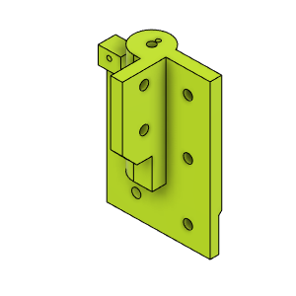 | HD_PulleyMountFR_Body |  | Make |  | 1 |  | Thingiverse | https://www.thingiverse.com/thing:4629715
XYHD9 | Make | 55 | 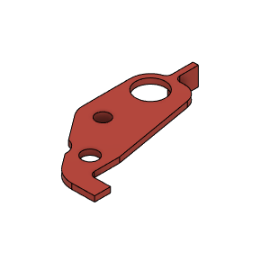 | HD_XYFlag_RH |  | Make |  | 1 |  | Thingiverse | https://www.thingiverse.com/thing:4629715
XYHD9 | Make | 29 | 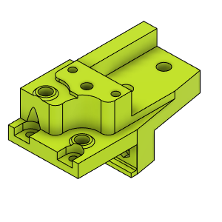 | HD_YCarriage_LH_LowerBody |  | Make |  | 1 |  | Thingiverse | https://www.thingiverse.com/thing:4629715
XYHD9 | Make | 30 | 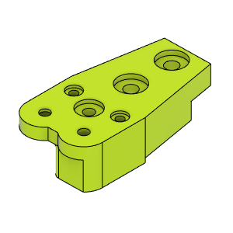 | HD_YCarriage_LH_UpperBody |  | Make |  | 1 |  | Thingiverse | https://www.thingiverse.com/thing:4629715
XYHD9 | Make | 51 | 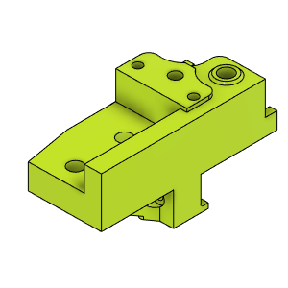 | HD_YCarriage_RH_LowerBody |  | Make |  | 1 |  | Thingiverse | https://www.thingiverse.com/thing:4629715
XYHD9 | Make | 52 | 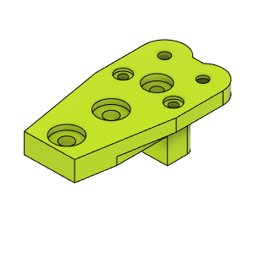 | HD_YCarriage_RH_UpperBody |  | Make |  | 1 |  | Thingiverse | https://www.thingiverse.com/thing:4629715
XYHD9 | Make | 48 | 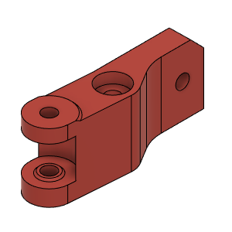 | HDBeltBinderRH_Body |  | Make |  | 1 |  | Thingiverse | https://www.thingiverse.com/thing:4629715
XYHD9 | Make | 49 |  | HD_MotorMountRH_Body |  |  |  | 1 |  | Thingiverse | https://www.thingiverse.com/thing:4629715
XYHD9 | Make | 47 |  | HevORT LOGO_Small_Grey | HevORT Logo, Small | Make |  | 1 |  | Thingiverse | https://www.thingiverse.com/thing:4629715

