From Fusion 360
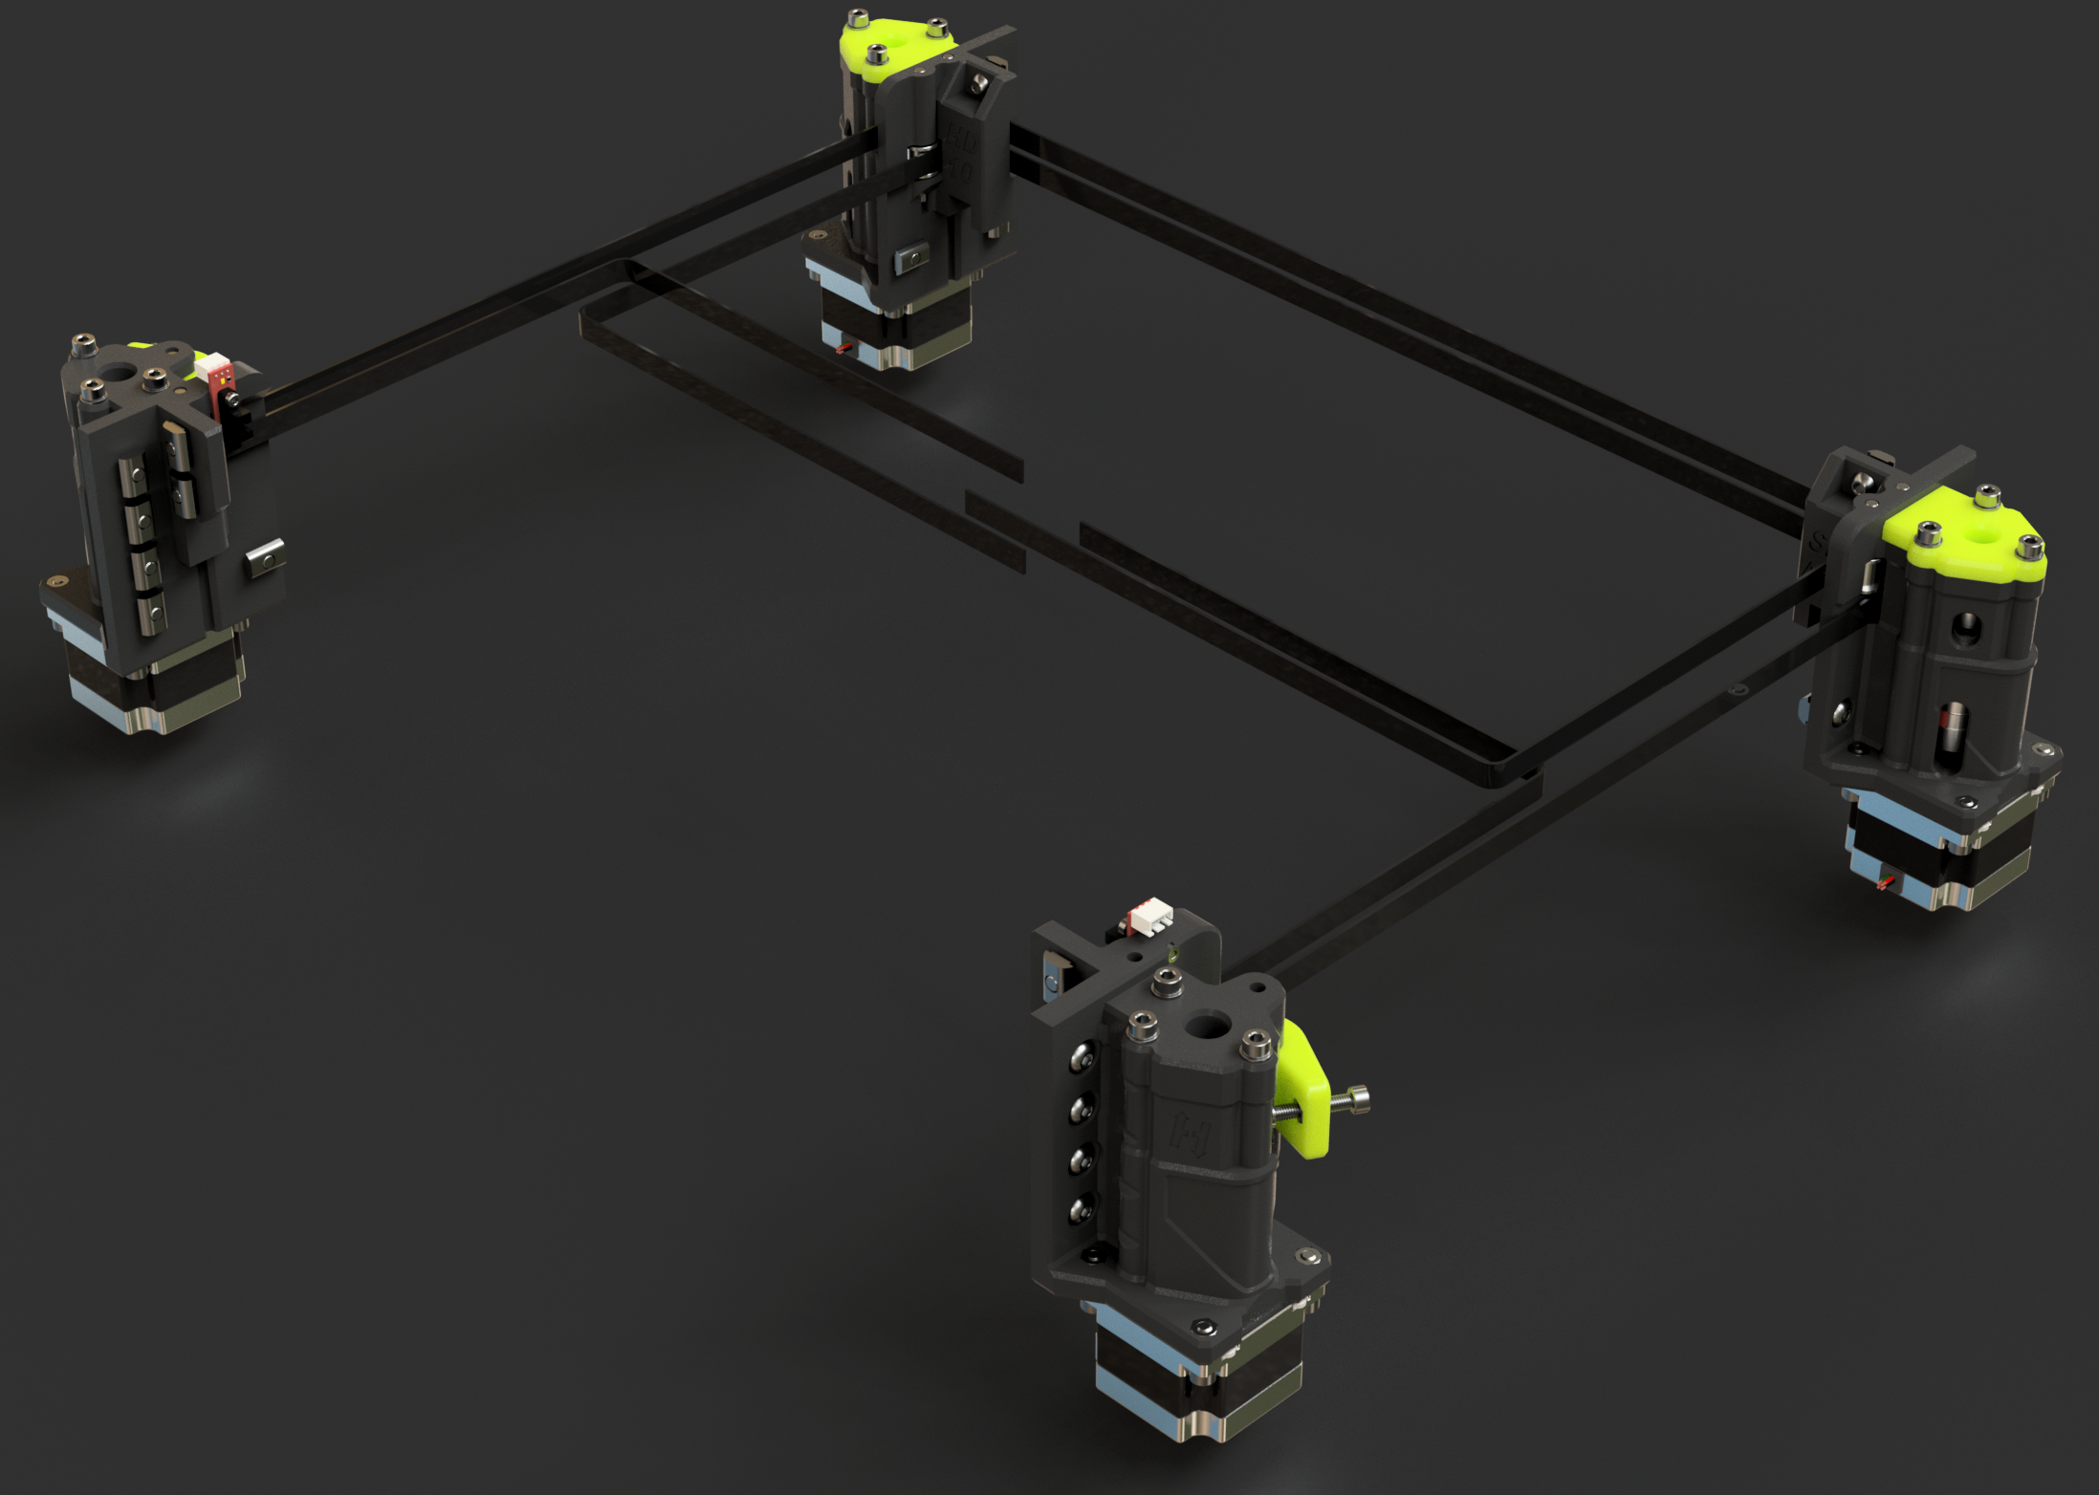 |  |  |  | LINK TO CAD | This XY gantry for the HevORT integrates the same robustness philosophy as the previous HD (heavy duty) chapters. But this time around it multiplies the available power by a factor of TWO! That's it! Four Stepper motors to make your HevORT ALL Wheel(corner) Drive. Motors are place in a diagonal fashion for each belt reducing the path length between drive force to print head to a minimum. |  |  |  |  | HD9 & HD10 SPAWD Short Path All Wheel Drive
SubAssy | Category | Item | Thumbnail | Part Name | Part Description | Make/Buy | QTY | Included in KIT | Comment | Vendor | Vendor URL
XYHD9_10_SPAWD | Buy | 1 | 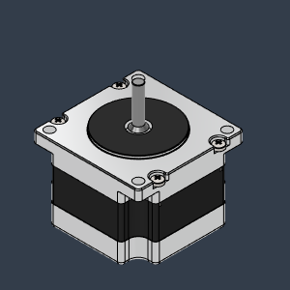 | NEMA 23 - 41mm | LDO Motors NEMA 23 for HevORT | Buy | 4* | NO | You can chose between Nema17 or Nema23. See this Nema23 Hevort Spec here: https://github.com/MirageC79/HevORT/blob/master/refdocs/LDO-57STH41-2804MACHEV_RevA.pdf | Mellow 3D | https://s.click.aliexpress.com/e/_DekXDl5
XYHD9_10_SPAWD | OPTION | 1.1 | 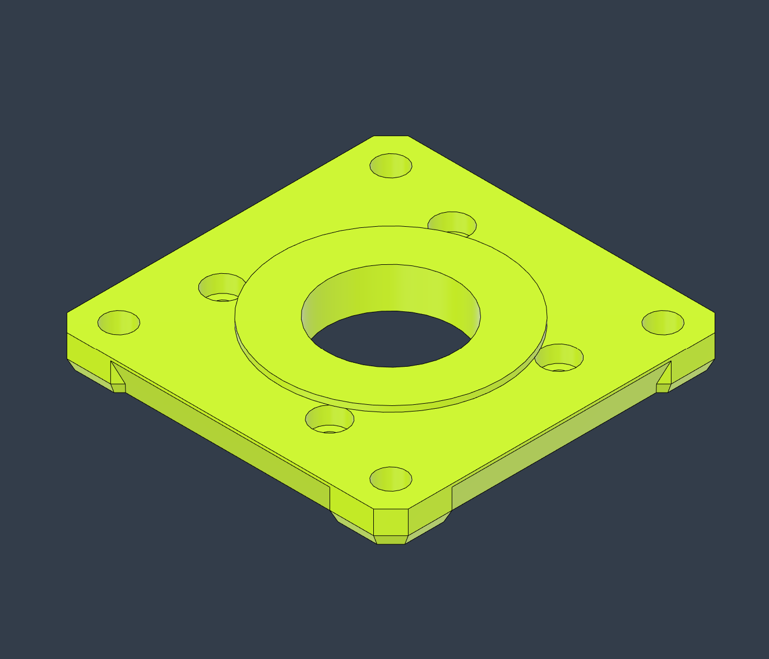 | HD_NEMA17_AdapterPlate_LH | Adapter plate for HD to fit NEMA17 Motors | Make | 1* | NO | This configuration can use Nema23 or Nema17 motors. See Nema 17 HD Adapters: Recommended to be made of ABS or meterial that can support higher temperature. Steppers can become quite hot. | HevORT.com | https://github.com/MirageC79/HevORT/blob/master/files/STL/HD12/HD_NEMA17_AdapterPlate_LH_BodyV2.stl
XYHD9_10_SPAWD | OPTION | 1.2 |  | HD_NEMA17_AdapterPlate_RH | Adapter plate for HD to fit NEMA17 Motors | Make | 1* | NO | This configuration can use Nema23 or Nema17 motors. See Nema 17 HD Adapters: Recommended to be made of ABS or meterial that can support higher temperature. Steppers can become quite hot. | HevORT.com | https://github.com/MirageC79/HevORT/blob/master/files/STL/HD12/HD_NEMA17_AdapterPlate_RH_BodyV2.stl
XYHD9_10_SPAWD | Buy | 2 | 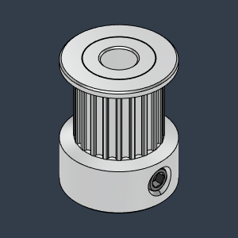 | GT2 Timing Pulley 20T 10mm - Hole_5mm v4 |  | Buy | 4 | YES | These pulleys can accept 9mm or 10mm belts | Mellow 3D | https://s.click.aliexpress.com/e/_DdWl4jd
XYHD9_10_SPAWD | Buy | 3 | 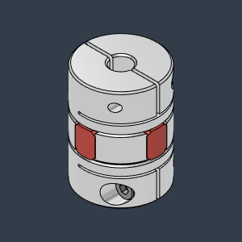 | Spider_Coupling2025_5X5 | For 5mm Shaft | Buy | 4 | YES |  | Kande(Aliexpress) | https://s.click.aliexpress.com/e/_DB5X9xN
XYHD9_10_SPAWD | Buy | 4 | 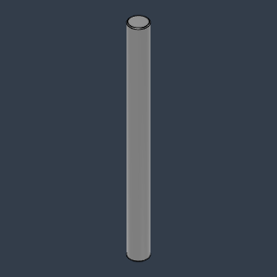 | 5mmX60mm StealShaft | Can be bearing steel Stainless is ok | Buy | 6 | YES | Stainless Steel or CarbonFiber **Some 5mm hobby shaft will have 5.00+ dimension wich makes them difficult for installation. | Aliexpress | https://s.click.aliexpress.com/e/_DFH5ic7
XYHD9_10_SPAWD | Buy | 5 | 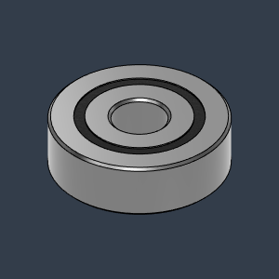 | Bearing_625-2RS_6153K69 | Bearing, 625-2RS | Buy | 8 | YES |  | Aliexpress | https://s.click.aliexpress.com/e/_DmGeRhZ
XYHD9_10_SPAWD | Buy | 6 | 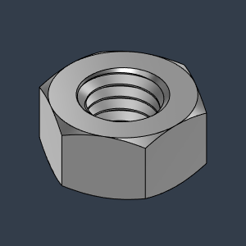 | M5_HexNut_94150A340 | Nut, Hex - M5 | Buy | 30 | YES |  | Aliexpress | https://s.click.aliexpress.com/e/_DmaPGRv
XYHD9_10_SPAWD | Buy | 7 | 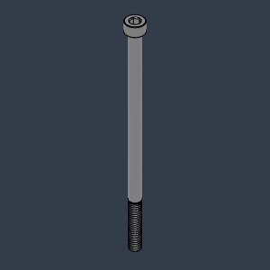 | M5X100_CapScrew_91290A280 |  | Buy | 12 | YES |  | Aliexpress | https://s.click.aliexpress.com/e/_DCjxg7p
XYHD9_10_SPAWD | Buy | 8 | 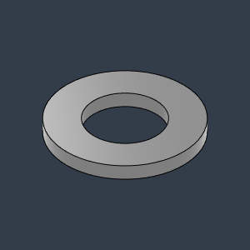 | M5X1_Washer_93413A130 | 1mm thick | Buy | 12 | YES |  | Aliexpress | https://s.click.aliexpress.com/e/_DDBAIzH
XYHD9_10_SPAWD | Buy | 9 | 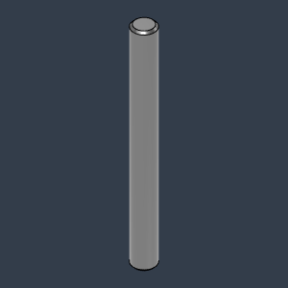 | 5mmX50mm Shaft | Can be bearing steel Stainless is ok | Buy | 6 | YES | Stainless Steel or CarbonFiber **Some 5mm hobby shaft will have 5.00+ dimension wich makes them difficult for installation. | Aliexpress | https://s.click.aliexpress.com/e/_DFH5ic7
XYHD9_10_SPAWD | Buy | 10 | 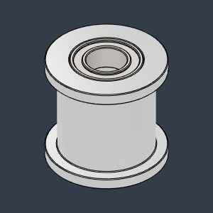 | Gates_2GT_20T_9mmbelt_Smooth v1 | Pulley, Smooth Idler - 6mmGT2 5mm bore | Buy | 4 | YES |  | Mellow 3D | https://s.click.aliexpress.com/e/_DBtplJv
XYHD9_10_SPAWD | Buy | 11 | 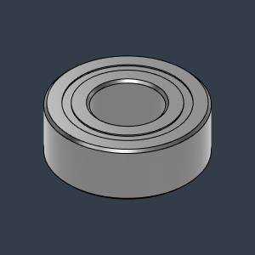 | MR115ZZ_Bearing_7804K107 | Bearing, 5x11x4mm | Buy | 4 | YES |  | Aliexpress | https://s.click.aliexpress.com/e/_DCKr3WF
XYHD9_10_SPAWD | Buy | 12 | 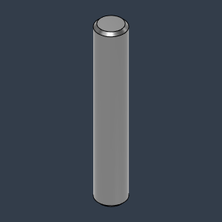 | Dowel_Pin_5mmX30mm | Can be bearing steel Stainless is ok | Buy | 2 | YES |  | Aliexpress | https://s.click.aliexpress.com/e/_DFH5ic7
XYHD9_10_SPAWD | Buy | 13 | 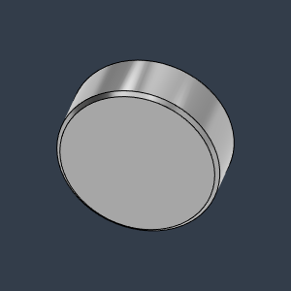 | MAgnet8X3 | Neodymium | Buy | 2 | YES |  | Aliexpress | https://s.click.aliexpress.com/e/_Dm3pRCR
XYHD9_10_SPAWD | Buy | 14 | 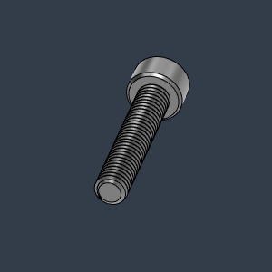 | M5X25_CapScrew_92290A252 | Screw, Cap - M5x25mm | Buy | 2 | YES |  | Aliexpress | https://s.click.aliexpress.com/e/_DmKwDVZ
XYHD9_10_SPAWD | Buy | 15 | 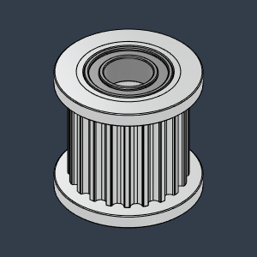 | Gates_2GT_20T_9mmbelt_Toothed v1 Copy | Pulley, Toothed Idler - 6mmGT2 5mm bore | Make | 4 | YES |  | Mellow 3D | https://s.click.aliexpress.com/e/_DBtplJv
XYHD9_10_SPAWD | Buy | 16 | 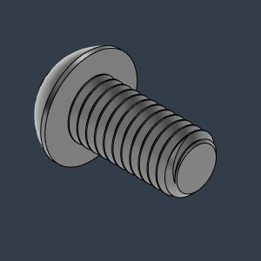 | M6X12_ButtonHeadScrew_91239A318 | Screw, ButtonHead - M6X12mm | Buy | 26 | YES |  | Aliexpress | https://s.click.aliexpress.com/e/_De5h0jh
XYHD9_10_SPAWD | Buy | 17 | 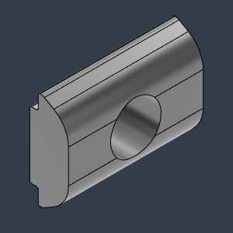 | M6_TSlot_Nut | Nut, Roll-In T-Slot - M6 for 3030 profile | Buy | 26 | YES | 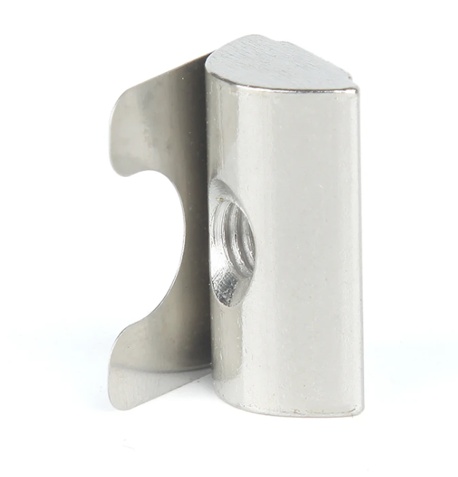 Recommended to buy roll in t-nuts that can stay in place with a spring tab: | Aliexpress | https://s.click.aliexpress.com/e/_DmVm5fN
XYHD9_10_SPAWD | Buy | 18 | 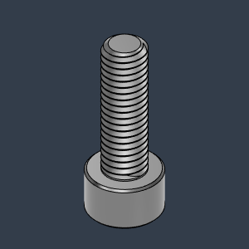 | M5X16_CapScrew_91290A232 | Screw, Cap - M5X16mm | Buy | 16 | YES |  | Aliexpress | https://s.click.aliexpress.com/e/_DmKwDVZ
XYHD9_10_SPAWD | Buy | 19 | 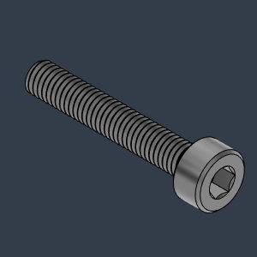 | M3X18_CapScrew_92290A761 |  | Buy | 2 | YES
XYHD9_10_SPAWD | Buy | 20 | 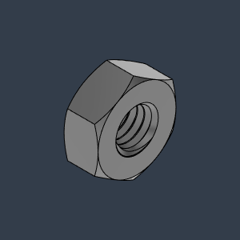 | M3_Nut_94150A325 | Nut, Hex - M3 | Buy | 2 | YES
XYHD9_10_SPAWD | Buy | 21 | 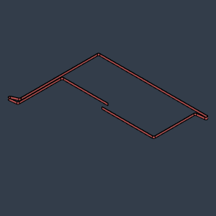 | HD10_SPAWD_GT2_10mm_Belt_Upper | GATES-LL-2GT Gear Synchronous Belt 9 Or 10mm wide | Buy | 1 | NO | 4 meters of belt is typically good for most build sizes | Mellow3D | https://s.click.aliexpress.com/e/_DdqSYQP
XYHD9_10_SPAWD | Buy | 22 | 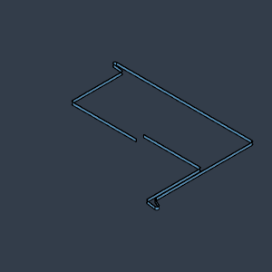 | HD10_SPAWD_GT2_10mm_Belt_Lower | GATES-LL-2GT Gear Synchronous Belt 9 Or 10mm wide | Buy | 1 | NO | 4 meters of belt is typically good for most build sizes | Mellow3D | https://s.click.aliexpress.com/e/_DdqSYQP
XYHD9_10_SPAWD | Make | 23 | 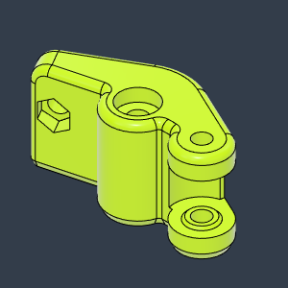 | HD10_SPAWD_BeltTensioner_FL | Left Hand Side | Make | 1 | NO |  | HevORT.com
XYHD9_10_SPAWD | Make | 24 | 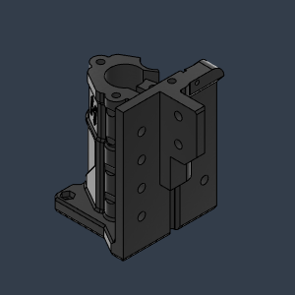 | HD10_SPAWD_MotorMount_FL | Motor Mount - Front Left | Make | 1 | NO |  | HevORT.com
XYHD9_10_SPAWD | Make | 25 | 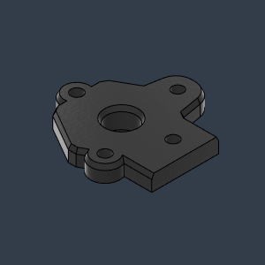 | HD10_SPAWD_Cover_MotorMount_FL | Cover - Front Left | Make | 1 | NO |  | HevORT.com
XYHD9_10_SPAWD | Make | 26 | 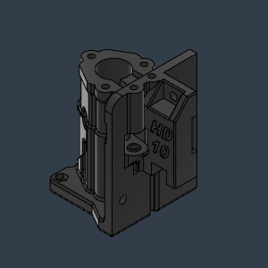 | HD10_SPAWD_MotorMount_RL | Motor Mount - Rear Left | Make | 1 | NO |  | HevORT.com
XYHD9_10_SPAWD | Make | 27 | 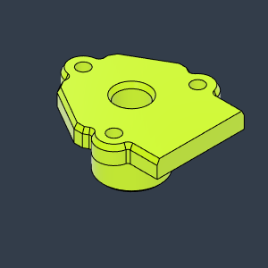 | HD10_SPAWD_Cover_MotorMount_RL | Cover - Rear Left | Make | 1 | NO |  | HevORT.com
XYHD9_10_SPAWD | Make | 28 | 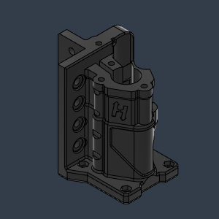 | HD10_SPAWD_MotorMount_FR | MotorMount - Front Right | Make | 1 | NO |  | HevORT.com
XYHD9_10_SPAWD | Make | 29 | 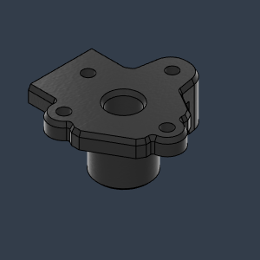 | HD10_SPAWD_Cover_MotorMount_FR | Cover - Front Right | Make | 1 | NO |  | HevORT.com
XYHD9_10_SPAWD | Make | 30 | 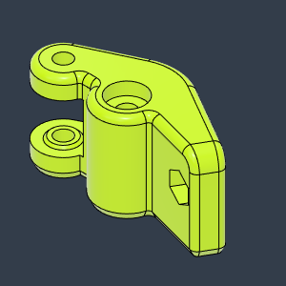 | HD10_SPAWD_BeltTensioner_Right | Front - Right | Make | 1 | NO |  | HevORT.com
XYHD9_10_SPAWD | Make | 31 | 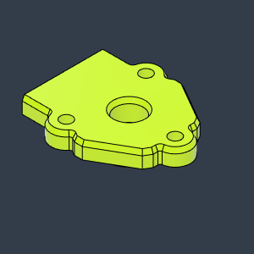 | HD10_SPAWD_Cover_MotorMount_RR | Cover - Rear Right | Make | 1 | NO |  | HevORT.com
XYHD9_10_SPAWD | Make | 32 | 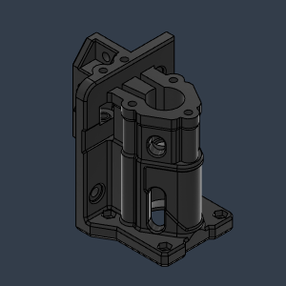 | HD10_SPAWD_MotorMount_RR | Motor Mount - Rear Right | Make | 1 | NO |  | HevORT.com

