From Fusion 360
Item # | Thumbnail | Part Name | Description | Make/Buy | Quantity | Vendor | Vendor URL
1 | 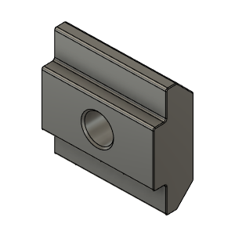 | M5X3030_TSlot_Nut | Nut, TSlot - M5X3030 | Buy | 114
2 | 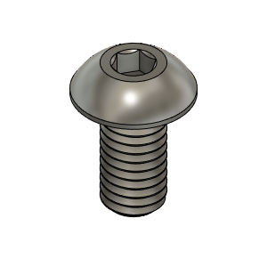 | M5X10_ButtonHeadScrew_97763A820 | Screw, ButtonHead - M5X10mm | Buy | 40
3 |  | PanelClip | Clip, Panle |  | 30
4 | 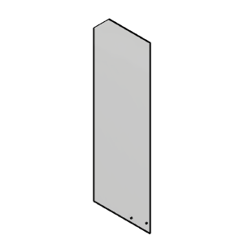 | DoorLH | Panel |  | 1
5 | 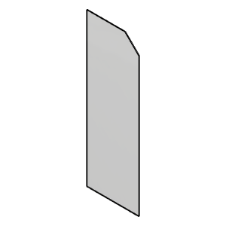 | DoorRH | Panel |  | 1
6 | 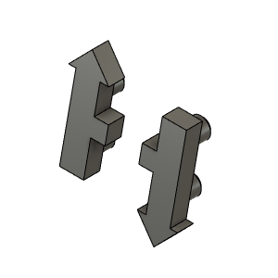 | HevORT LOGO_Small | HevORT Logo, Small | Make | 1
7 | 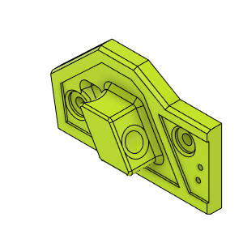 | HandleBase_Left | Front Door Handle Left | Make | 1
8 | 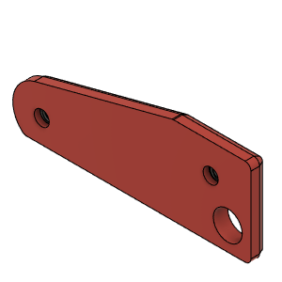 | HandleMagnetPlateLH | BackPlate, Handle_LH | Make | 1
9 | 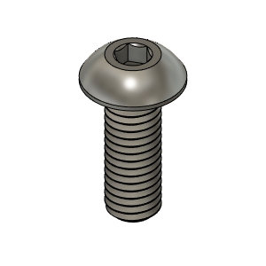 | M5X14_ButtonHeadScrew_91239A230 | Screw, ButtonHead - M5X14mm | Buy | 6
10 | 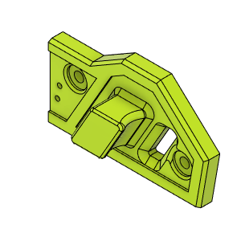 | HandleBase_Right | Front Door Handle Right |  | 1
11 | 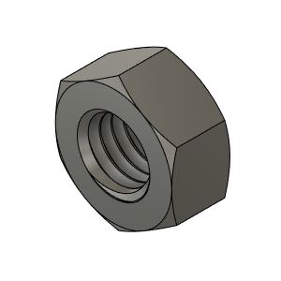 | M5_HexNut_94150A340 v1(Mirror) | Nut, Hex - M5 | Buy | 2
12 |  | HandleMagnetPlateRH_Body | HandleMagnetPlateRH | Make | 1
13 | 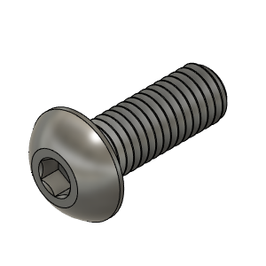 | M5X14_ButtonHeadScrew_91239A230 v1(Mirror) | Screw, ButtonHead - M5X14mm | Buy | 2
14 | 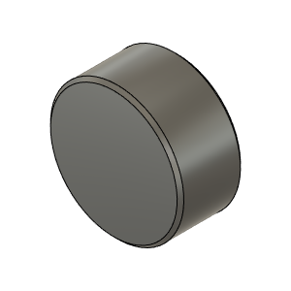 | Magnet_10X5 | Magnet_10X5 | Buy | 12
15 | 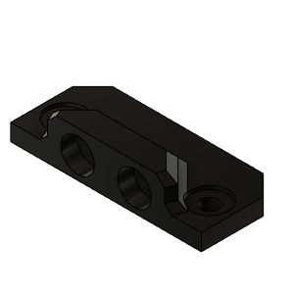 | DoorLatch_MagnetHolder | DoorLatch_MagnetHolder |  | 4
16 | 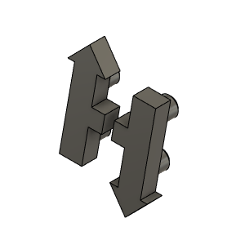 | HevORT LOGO_Small_Grey | HevORT Logo, Small | Make | 1
17 | 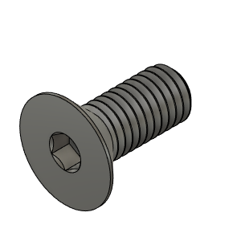 | M5X12_FlatHeadScrew_92125A210 v1(Mirror) (1) |  |  | 2
18 | 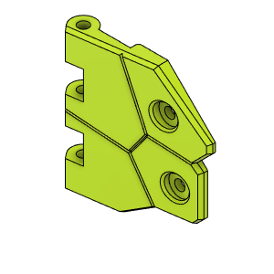 | DoorHingeFlapper_LowLH |  |  | 1
19 | 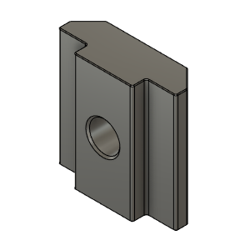 | M5X3030_TSlot_Nut v2(Mirror) (1) | Nut, TSlot - M5X3030 | Buy | 2
20 | 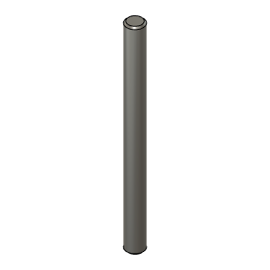 | HingePin(Mirror) (1) |  |  | 1
21 | 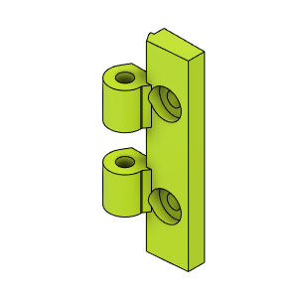 | DoorHingeV3_HingeUpLH_HingeMount |  |  | 6
22 | 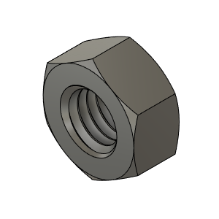 | M5_HexNut_94150A340 | Nut, Hex - M5 | Buy | 18
23 | 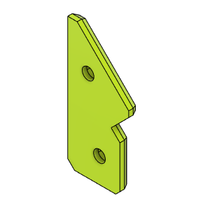 | HingeBackPlateB |  |  | 3
24 | 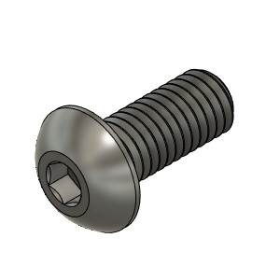 | M5X12_ButtonHeadScrew_91239A228 | Screw, ButtonHead - M5X12mm | Buy | 100
25 | 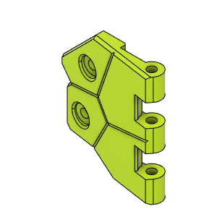 | DoorHingeFlapper_LowRH |  |  | 1
26 |  | M5X3030_TSlot_Nut v2(Mirror) (1)(Mirror) | Nut, TSlot - M5X3030 | Buy | 2
27 | 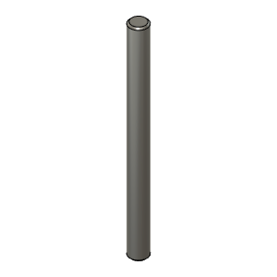 | HingePin(Mirror) (1)(Mirror) |  |  | 1
28 | 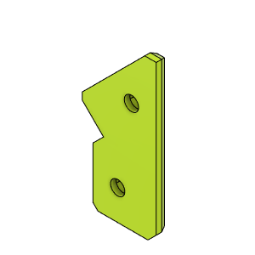 | DoorHingeBackPlateA |  |  | 3
29 | 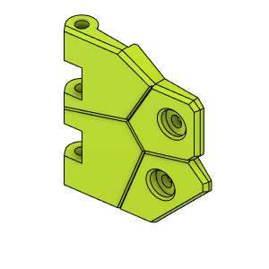 | DoorHingeFlapper_UpLH |  |  | 2
30 |  | HingePin |  | Buy | 2
31 | 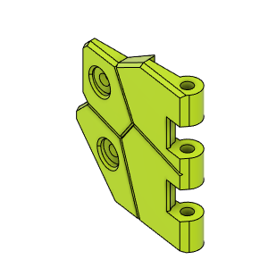 | DoorHingeFlapperUpRH |  |  | 2
32 |  | M5X3030_TSlot_Nut v2(Mirror) | Nut, TSlot - M5X3030 | Buy | 4
33 |  | HingePin(Mirror) |  |  | 2
34 | 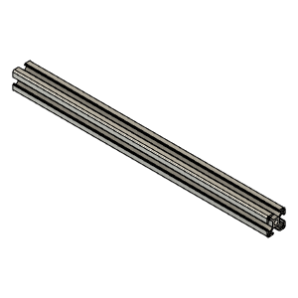 | 3030_profile v1 |  |  | 1
35 | 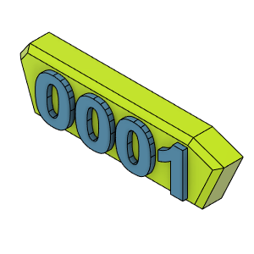 | PlateLH_SN |  |  | 1
36 | 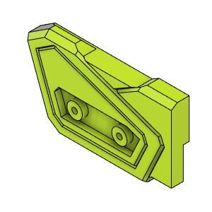 | Door_UpperMagnetHolder_LH |  |  | 1
37 | 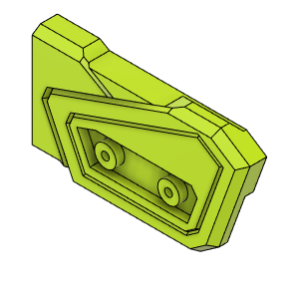 | Door_UpperMagnetHolder_RH |  |  | 1
38 | 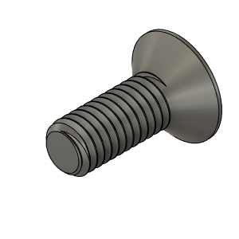 | M3X8_FlatHead_93395A201 |  | Buy | 4
39 | 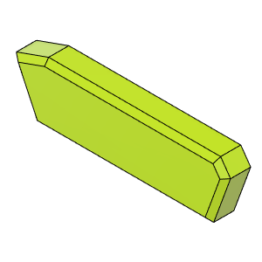 | PlateRH_SN |  |  | 1
40 | 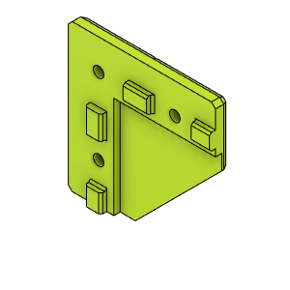 | 3030PanelClip_Corner_Body | Clip_Corner |  | 22
41 | 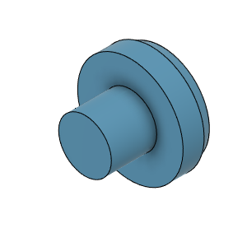 | DummyPin | Dummy Pin, Deco |  | 22
42 | 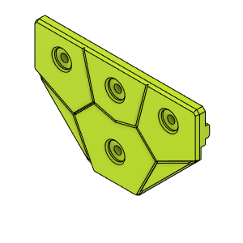 | 3030PanelClip_Corner_Body | Clip, Intersection |  | 6
43 | 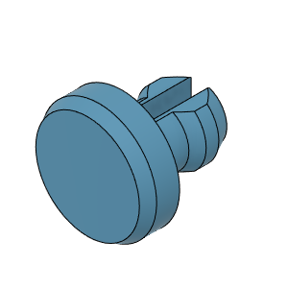 | DummyPin | Dummy Pin, Deco |  | 6
44 | 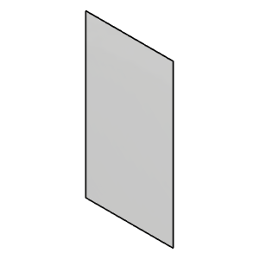 | Panel_Rear | Panel_Rear |  | 1
45 | 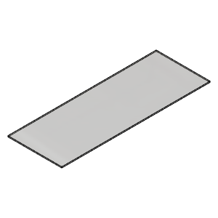 | Panel_EbayTop | Panel_EbayTop |  | 1
46 | 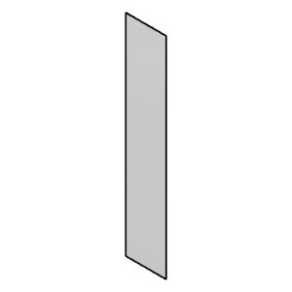 | Panel_EbayFront | Panel_EbayFront |  | 1
47 |  | Panel_EbayRear | Panel_EbayRear |  | 1
48 | 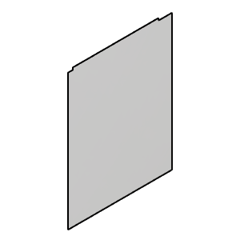 | Panel_LoLH | Panel_LoLH |  | 1
49 | 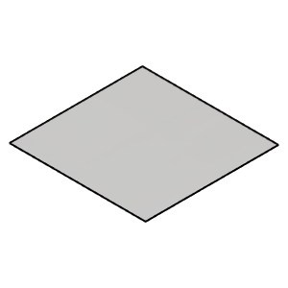 | Panel_TopMain | Panel_TopMain |  | 1
50 | 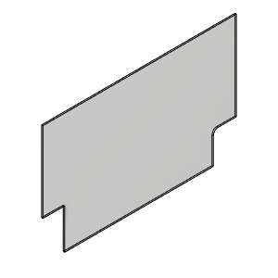 | Panel_UpLH | Panel_UpLH |  | 1
51 | 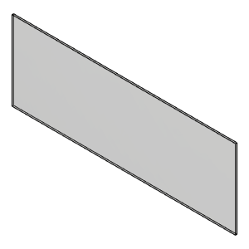 | Lower Panel | Lower Panel |  | 1
52 |  | ElecBayFireWallLower | ElecBayFireWallLower |  | 1
53 | 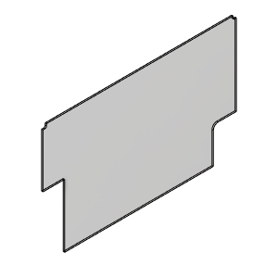 | ElectFireWallBAyUpper | ElectFireWallBAyUpper |  | 1
54 | 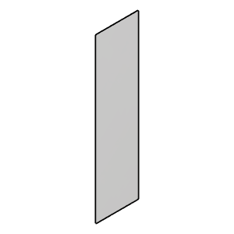 | Reardoor | Door, Ebay Rear | Make | 1
55 |  | FrontDoor | Door, Ebay Front | Make | 1
56 | 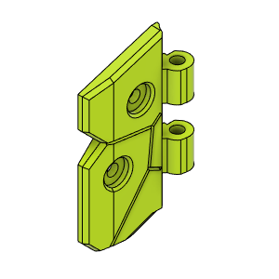 | ButterFly_Hinge_LowLH | ButterFly_Hinge_LowLH | Make | 1
57 | 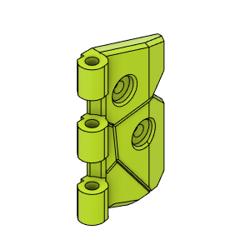 | ButterFly_Hinge_LowRH | ButterFly_Hinge_LowRH | Make | 1
58 | 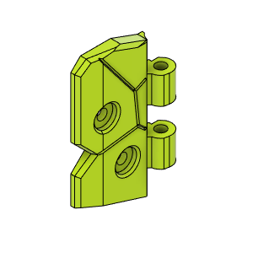 | ButterFly_Hinge_UpLH | ButterFly_Hinge_UpLH | Make | 1
59 | 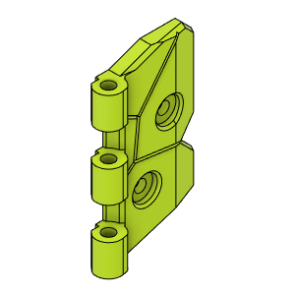 | ButterFly_Hinge_UpRH | ButterFly_Hinge_UpRH | Make | 1
60 |  | ButterflyHinge_InnerRetainerB_Body | ButterflyHinge_InnerRetainerB_Body |  | 1
61 |  | ButterflyHinge_InnerRetainerA_Body | ButterflyHinge_InnerRetainerA_Body |  | 1
62 |  | M5_HexNut_94150A340 v1(Mirror) (1) | Nut, Hex - M5 | Buy | 2
63 |  | M5_HexNut_94150A340 v1(Mirror) (2) | Nut, Hex - M5 | Buy | 2
64 |  | ButterflyHinge_InnerRetainer_Body(Mirror)(Mirror) |  |  | 1
65 |  | M5_HexNut_94150A340 v1(Mirror) (1)(Mirror) | Nut, Hex - M5 | Buy | 2
66 | Image Unavailable | EbayHandleBackPlate | EbayHandleBackPlate |  | 1
67 | Image Unavailable | EbayHandle | EbayHandle |  | 1
68 |  | DummyPin | Dummy Pin, Deco |  | 4
69 |  | EbayDoorHandle | EbayDoorHandle |  | 1
70 |  | EbayDoorHandle_BackPlate_Body | EbayDoorHandle_BackPlate_Assy |  | 1

