From Fusion 360
Specefic | Item # | Thumbnail | Part Name | Part Number | Make/Buy | Quantity | Vendor | Vendor URL
 | 1 | 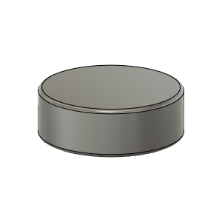 | Magnet_8X2.75mm | Magnet_8X2.75mm (3mm) | Buy | 1
HD12 | 2 | 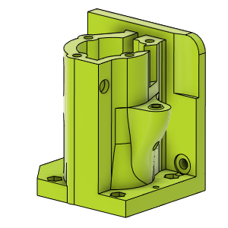 | HDMotorMountLH_Body | HDMotorMountLH_Body | Make | 1
HD12 | 3 | 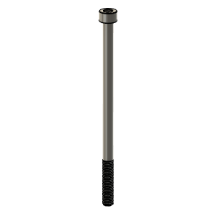 | M5X90_CapScrew_91290A278 | M5X90_CapScrew_91290A278 | Buy | 3
 | 4 | 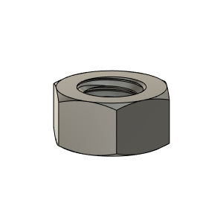 | M5_HexNut_94150A340 | M5_HexNut_94150A340 | Buy | 10
HD12 | 5 | 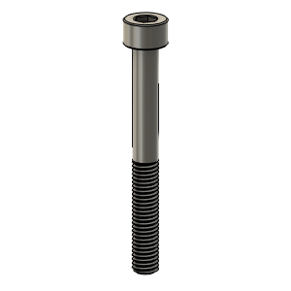 | M5X45_CapScrew_91290A260 | M5X45_CapScrew_91290A260 | Buy | 1
 | 6 | 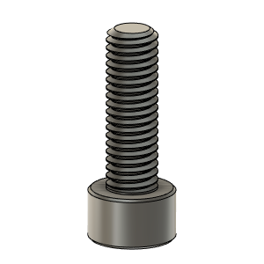 | M5X16_CapScrew_91290A232 | M5X16_CapScrew_91290A232 | Buy | 4
 | 7 | 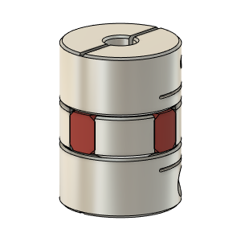 | Ruland_SpiderCoupling_6.35mm-5mm | Ruland_SpiderCoupling_6.35mm-5mm | Buy | 1
 | 8 | 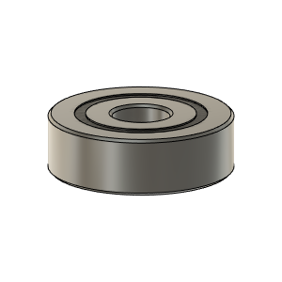 | Bearing_625-2RS_6153K69 | Bearing_625-2RS_6153K69 | Buy | 2
HD12 | 9 | 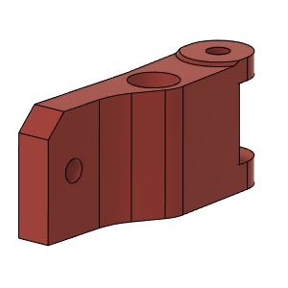 | LHBinder_Body | LHBinder_Body |  | 1
HD12 | 10 | 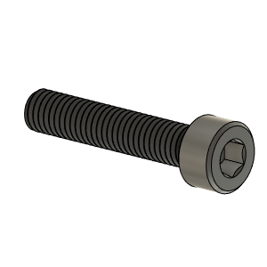 | M5X25_CapScrew_92290A252 | M5X25_CapScrew_92290A252 | Buy | 1
 | 11 | 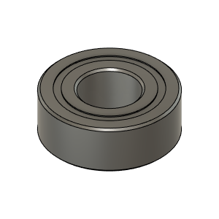 | MR115ZZ_Bearing_7804K107 | MR115ZZ_Bearing_7804K107 | Buy | 2
HD12 | 12 | 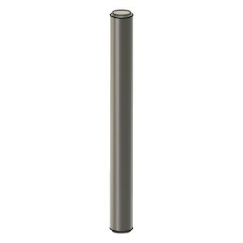 | 5mmX50mm Shaft | 5mmX50mm Shaft | Buy | 1
HD12 | 13 | 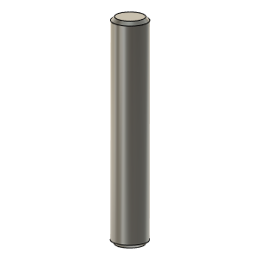 | 5mmX30mm Shaft v1 | 5mmX30mm Shaft v1 | Buy | 1
 | 14 | 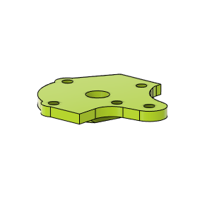 | HDMotorCoverLH | HDMotorCoverLH | Make | 1
 | 15 | 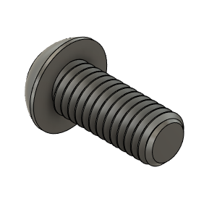 | M6X14_ButtonHeadScrew_92095A227 | M6X14_ButtonHeadScrew_92095A227 | Buy | 4
HD12 | 16 | 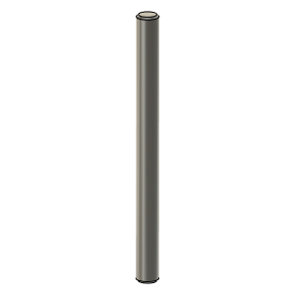 | 5mmX60mm Shaft v1 | 5mmX60mm Shaft v1 | Buy | 1
 | 17 | 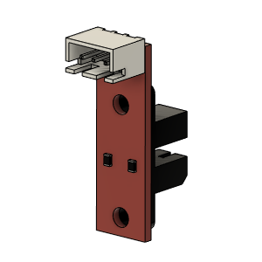 | Opto endstop PM | Opto endstop PM | Buy | 1
 | 18 | 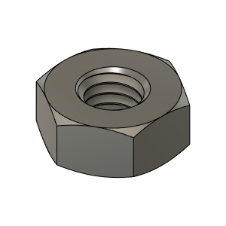 | M3_Nut_94150A325 | M3_Nut_94150A325 | Buy | 3
HD12 | 19 | 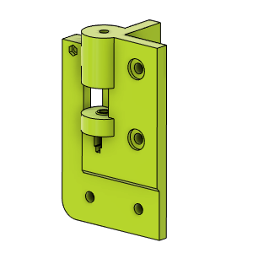 | HD_PulleyMountFL_Body | HD_PulleyMountFL_Body | Make | 1
HD12 | 20 | 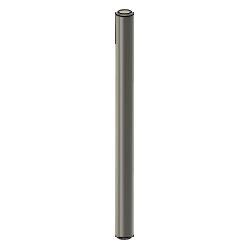 | 5mm Shaft IdlerPin_65mm | IdlerPin_65mm | Buy | 1
 | 21 | 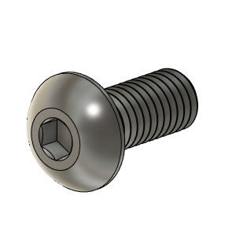 | M5X12_ButtonHeadScrew_91239A228 | M5X12_ButtonHeadScrew_91239A228 | Buy | 6
HD12 | 22 | 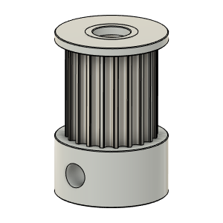 | Gates_2GT_20T_FX_Toothed_MotorPulley_12mm v1 | Gates_2GT_20T_FX_Toothed_MotorPulley_12mm v1 |  | 1
HD12 | 23 | 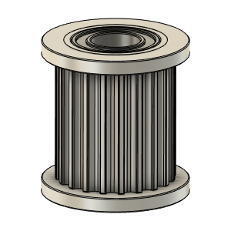 | Gates_2GT_20T_Fx_Toothed v1 | Gates_2GT_20T_Fx_Toothed v1 | Buy | 3
HD12 | 24 | 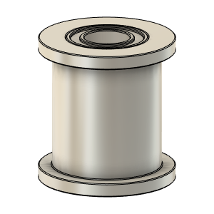 | Gates_2GT_20T_Fx_Smooth v1 | Gates_2GT_20T_Fx_Smooth v1 | Buy | 2
HD12 | 25 | 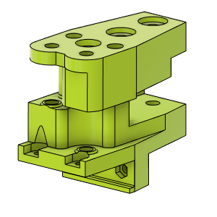 | HD_YCarriage_LH_Body | HD_YCarriage_LH_Body | Make | 1
HD12 | 26 | 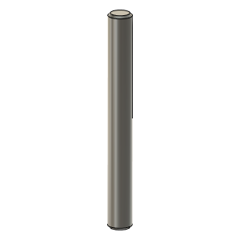 | 5mm Shaft_IdlerPin_45mm | IdlerPin_45mm | Buy | 1
HD12 | 27 |  | 5mm Shaft_IdlerPIn_30mm | IdlerPIn_30mm | Buy | 1
HD12 | 28 | 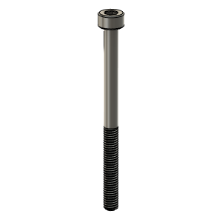 | M3X40_CapScrew_92290A128 | M3X40_CapScrew_92290A128 | Buy | 2
 | 29 | 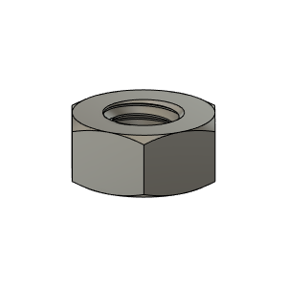 | M4_Nut_94150A335 | M4_Nut_94150A335 | Buy | 1
 | 30 | 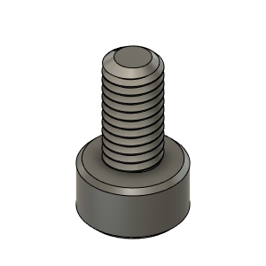 | M3X6_CapScrew_92290A111 | M3X6_CapScrew_92290A111 | Buy | 2
 | 31 | 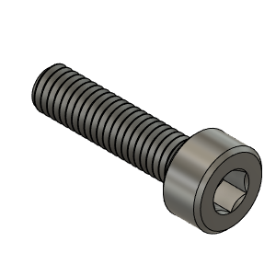 | M3X12_CapScrew_92290A117 | M3X12_CapScrew_92290A117 | Buy | 2
HD12 | 32 | 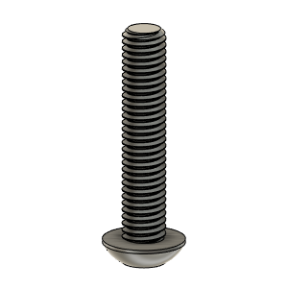 | M5X25_ButtonHeadScrew_91239A234 | M5X25_ButtonHeadScrew_91239A234 | Buy | 1
HD12 | 33 | 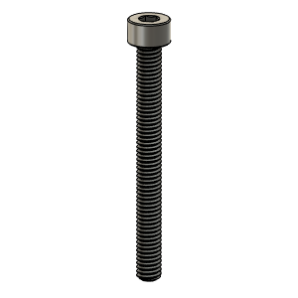 | M4X40_CapScrew_91290A174 | M4X40_CapScrew_91290A174 | Buy | 1
HD12 | 34 | 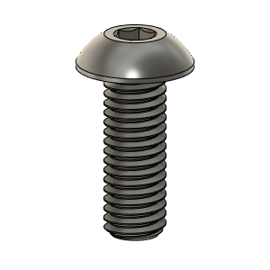 | M5X14_ButtonHeadScrew_91239A230 | M5X14_ButtonHeadScrew_91239A230 | Buy | 3

