From Fusion 360
SubAssy | Category | Thumbnail | Part Name | Part Number | Description | Make/Buy | Quantity | Comment | Vendor | Vendor URL
X_BMGAqua | Hardware | 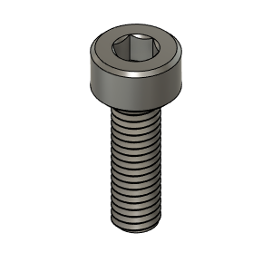 | M3X10_CapScrew_92290A115 | M3X10_CapScrew_92290A115 | Screw, Cap - M3X10mm | Buy | 2
X_BMGAqua | Hardware | 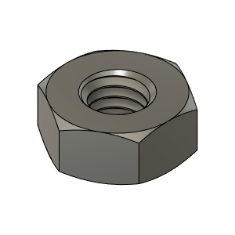 | M3_Nut_94150A325 | M3_Nut_94150A325 | Nut, Hex - M3 | Buy | 20
X_BMGAqua | Hardware | 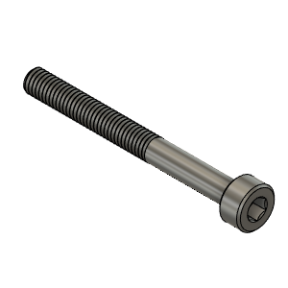 | M3X30_CapScrew_92290A126 | M3X30_CapScrew_92290A126 | Screw, Cap - M3X30mm | Buy | 4
X_BMGAqua | Hardware | 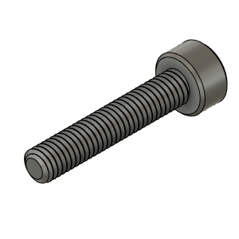 | M3X16_CapScrew_92290A120 | M3X16_CapScrew_92290A120 | Screw, Cap - M3X16mm | Buy | 6
X_BMGAqua | Hardware | 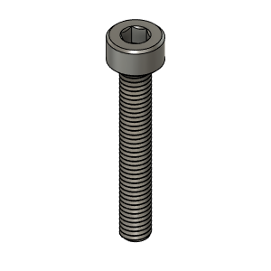 | M3X20_CapScrew_92290A122 | M3X20_CapScrew_92290A122 | Screw, Cap - M3X20mm | Buy | 2
X_BMGAqua | Buy | 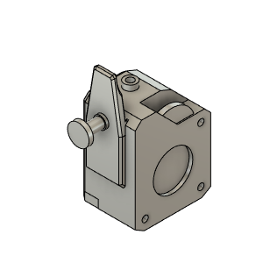 | BMG_Extruder v3 | BMG_Extruder v3 |  | Buy | 1
X_BMGAqua | Buy | 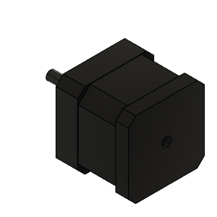 | NEMA_17_SIMPLE_WANTAI v1 | NEMA_17_SIMPLE_WANTAI v1 |  | Buy | 1
X_BMGAqua | Hardware | 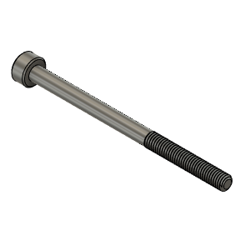 | M3X45_CapScrew_92290A764 | M3X45_CapScrew_92290A764 | Screw, Cap - M3X45mm | Buy | 2
X_BMGAqua | Hardware | 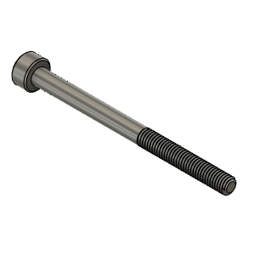 | M3X40_CapScrew_92290A128 | M3X40_CapScrew_92290A128 | Screw, Cap - M3X40mm | Buy | 2
X_BMGAqua | Hardware | 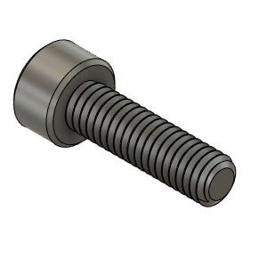 | M4X14_CapScrew_92290A150 | M4X14_CapScrew_92290A150 | Screw, Cap - M4X14mm | Buy | 3
X_BMGAqua | Hardware | 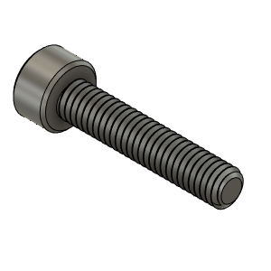 | M4X20_CapScrew_92290A168 | M4X20_CapScrew_92290A168 | Screw, Cap - M4X20mm | Buy | 1
X_BMGAqua | Buy | 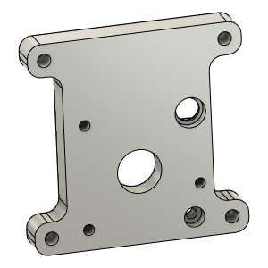 | Aqua_Adapter | Aqua_Adapter |  | Buy | 1
X_BMGAqua | Buy | 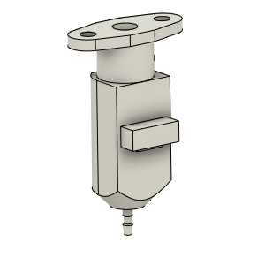 | bltouch | bltouch |  | Buy | 1
X_BMGAqua | Hardware | 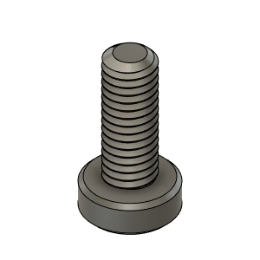 | M3X8_CapScrew_LowHead_90666A104 | M3X8_CapScrew_LowHead_90666A104 | Screw, Low Head Cap - M3X8mm | Buy | 2
X_BMGAqua | Hardware | 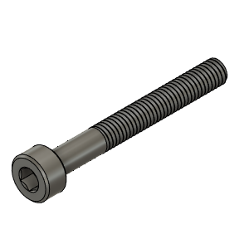 | M3X25_CapScrew_92290A124 | M3X25_CapScrew_92290A124 | Screw, Cap - M3X25mm | Buy | 1
X_BMGAqua | Hardware | 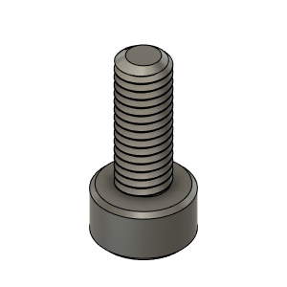 | M3X8_CapScrew_92290A113 | M3X8_CapScrew_92290A113 | Screw, Cap - M3X8mm | Buy | 3
X_BMGAqua | Hardware | 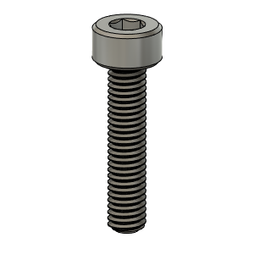 | M3X14_CapScrew_92290A118 | M3X14_CapScrew_92290A118 | Screw, Cap - M3X14 | Buy | 2
X_BMGAqua | Hardware | 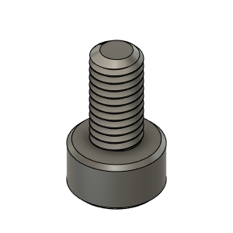 | M3X6_CapScrew_92290A111 | M3X6_CapScrew_92290A111 | Screw, Cap - M3X6mm | Buy | 1
X_BMGAqua | Buy | 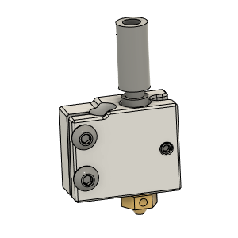 | Volcano hotend - Assemble v1 | Volcano hotend - Assemble v1 |  | Buy | 1
X_BMGAqua | Hardware | 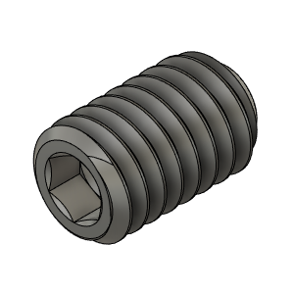 | M2.5X4_GrubScrew_92605A064 | M2.5X4_GrubScrew_92605A064 | Screw, Grub - M2.5X4mm | Buy | 2
X_BMGAqua | Buy | 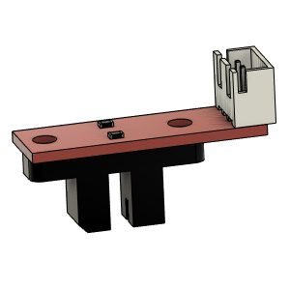 | Opto endstop PM | Opto endstop PM | Optical End-Stop | Buy | 1 |  | AliExpress | https://www.aliexpress.com/item/33006421501.html?spm=a2g0s.9042311.0.0.3e4d4c4dQtB9Y8
X_BMGAqua | Make | 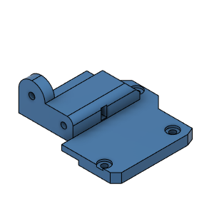 | X_CarriageTop_Hemera_Body | X_CarriageTop_Hemera_Body |  | Make | 1
X_BMGAqua | Make | 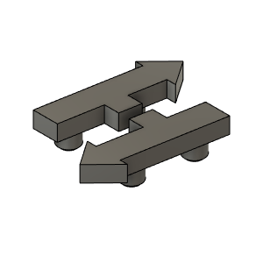 | HevORT LOGO v1 | HevORT LOGO v1 |  | Make | 1
X_BMGAqua | Make | 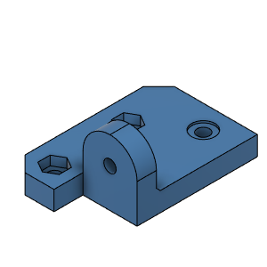 | X_CarriageEndStopMount_Body | X_CarriageEndStopMount_Body |  | Make | 1
X_BMGAqua | Make | 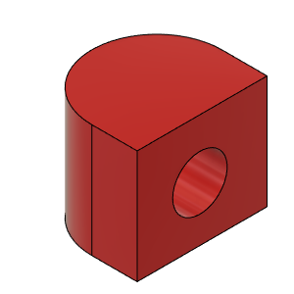 | BeltTensionnerBloc (2) | BeltTensionnerBloc (2) |  | Make | 2
X_BMGAqua | Make | 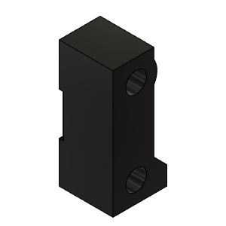 | X_BeltHolderFL_Hemera | X_BeltHolderFL_Hemera |  | Make | 1
X_BMGAqua | Make | 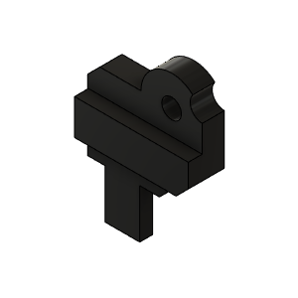 | X_BeltHolderRR_Hemera | X_BeltHolderRR_Hemera |  | Make | 2
X_BMGAqua | Make | 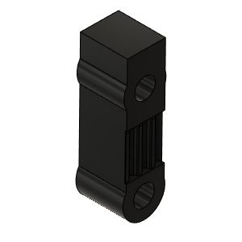 | X_BeltHolder_LH | X_BeltHolder_LH |  | Make | 1
X_BMGAqua | Make | 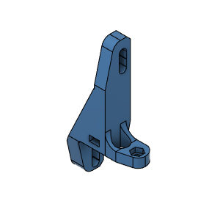 | BMGAQUA_BL_TOUCH_MountBody | BMGAQUA_BL_TOUCH_MountBody |  | Make | 1
X_BMGAqua | Make | 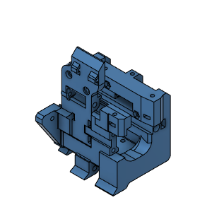 | BMG/Aqua_Carriage_Body | BMG/Aqua_Carriage_Body |  | Make | 1
X_BMGAqua | Make | 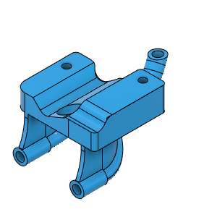 | Blower duct body | Blower duct body |  | Make | 1
X_BMGAqua | Make | 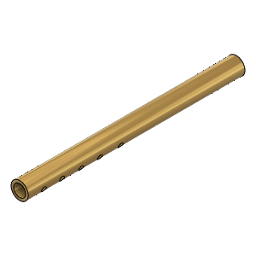 | Tube Left | Tube Left |  | Make | 1
X_BMGAqua | Make | 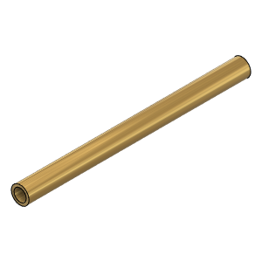 | Tube Right | Tube Right |  | Make | 1

