From Fusion 360
SubAssy | Category | Item | Thumbnail | Part Name | Part Description | Make/Buy | Included in HDWKit_XYHT | QTY | Comment | Vendor | Vendor URL
OPTION_XYHT_CFX_MGN9 | BUY + Fabricate | 1 | 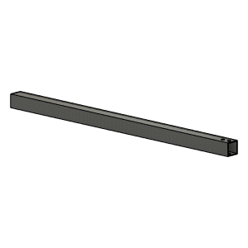 | CarbonFiberTube_20x20x1.8 | Cut To Length (423.5 for 315x315 build) | Buy |  | 1 | Center and position rail using Y carriages and use rail as drill jig. | Aliexpress - TianYuQi | https://s.click.aliexpress.com/e/_ABtMKb
OPTION_XYHT_CFX_MGN9 | Buy | 2 | 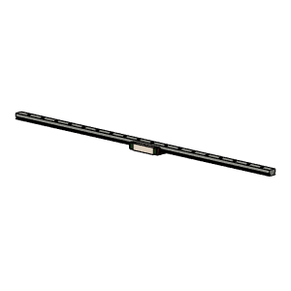 | MGN9 | MGN9H Rail Assy with Block | Buy |  | 1 | Any Good Quality MGN9H Rail and Block assy will do.
OPTION_XYHT_CFX_MGN9 | BUY (Already on Printer) | 3 | 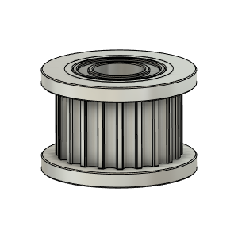 | Gates_2GT_20T_Toothed_3mmBore | Pulley, Toothed Idler - 6mmGT2 - 3mm bore | Buy |  | 2 |  | AliExpress - Mellow Store | https://s.click.aliexpress.com/e/_9y1aPV
OPTION_XYHT_CFX_MGN9 | BUY (Already on Printer) | 4 | 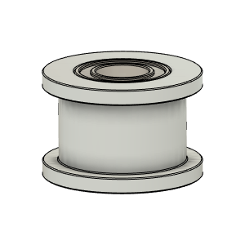 | Gates_2GT_20T_Smooth_3mmBore | Pulley, Smooth Idler - 6mmGT2 - 3mm bore | Buy |  | 2 |  | AliExpress - Mellow Store | https://s.click.aliexpress.com/e/_9y1aPV
OPTION_XYHT_CFX_MGN9 | Hardware | 5 | 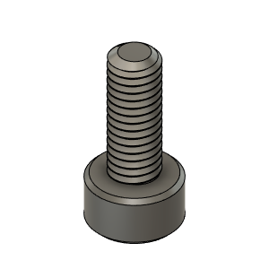 | M3X8_CapScrew_92290A113 | Screw, Cap - M3X8mm | Buy |  | 9
OPTION_XYHT_CFX_MGN9 | Hardware | 6 | 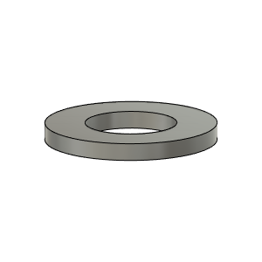 | M3_Washer_Flat_98690A110 | Washer, Flat - M3 | Buy |  | 9
OPTION_XYHT_CFX_MGN9 | Hardware | 7 | 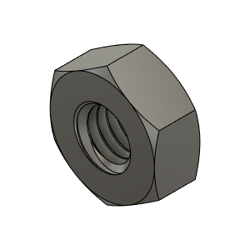 | M3_Nut_94150A325 | Nut, Hex - M3 | Buy |  | 22
OPTION_XYHT_CFX_MGN9 | Hardware | 8 | 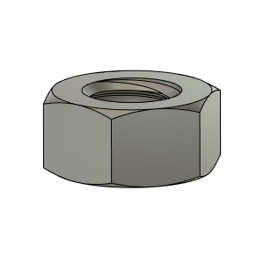 | M5_HexNut_94150A340 | Nut, Hex - M5 | Buy |  | 4
OPTION_XYHT_CFX_MGN9 | Hardware | 9 | 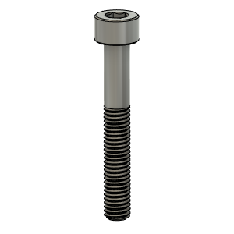 | M5X35_CapScrew_91290A256 | Screw, Cap - M5X35mm | Buy |  | 2
OPTION_XYHT_CFX_MGN9 | Hardware | 10 | 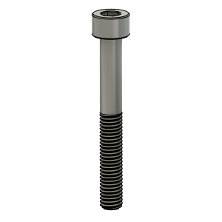 | M5X40_CapScrew_91290A258 | Screw, Cap - M5X35 | Buy |  | 2
OPTION_XYHT_CFX_MGN9 | Hardware | 11 | 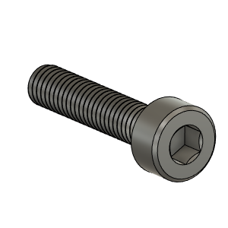 | M3X14_CapScrew_92290A118 | Screw, Cap - M3X14 | Buy |  | 4
OPTION_XYHT_CFX_MGN9 | Hardware | 12 | 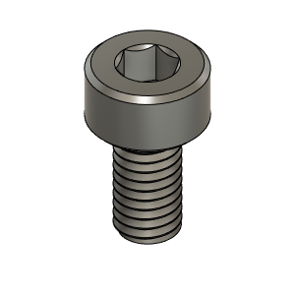 | M3X6_CapScrew_92290A111 | Screw, Cap - M3X6mm | Buy |  | 4
OPTION_XYHT_CFX_MGN9 | Hardware | 13 | 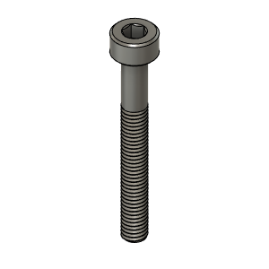 | M3X25_CapScrew_92290A124 | Screw, Cap - M3X25mm | Buy |  | 4
OPTION_XYHT_CFX_MGN9 | Hardware | 14 | 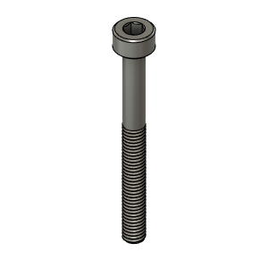 | M3X30_CapScrew_92290A126 | Screw, Cap - M3X30mm | Buy |  | 4
OPTION_XYHT_CFX_MGN9 | PRINT | 15 | 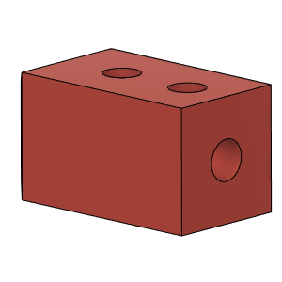 | HTCarbonX_InnerBlock |  | Make |  | 2 |  |  | https://www.thingiverse.com/thing:4880808
OPTION_XYHT_CFX_MGN9 | PRINT | 16 | 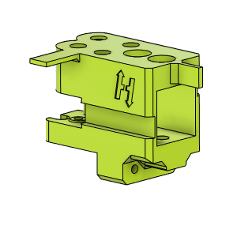 | HTCarbonX_YCarriage_LH_Body |  | Make |  | 1 |  |  | https://www.thingiverse.com/thing:4880808
OPTION_XYHT_CFX_MGN9 | PRINT | 17 | 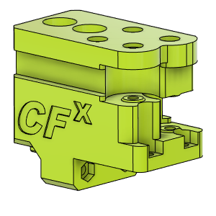 | HTCarbonX_YCarriage_RH_Body |  | Make |  | 1 |  |  | https://www.thingiverse.com/thing:4880808
OPTION_XYHT_CFX_MGN9 | PRINT | 18 | 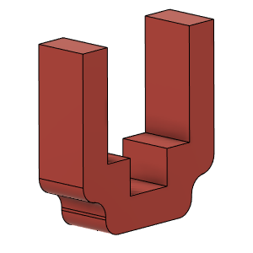 | PositionningTool_MGN9 |  | Make |  | 2 |  |  | https://www.thingiverse.com/thing:4880808
OPTION_XYHT_CFX_MGN9 | PRINT | 19 | 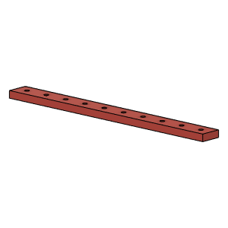 | NutPositionningTool_MGN9 |  | Make |  | 1 |  |  | https://www.thingiverse.com/thing:4880808

