From Fusion 360
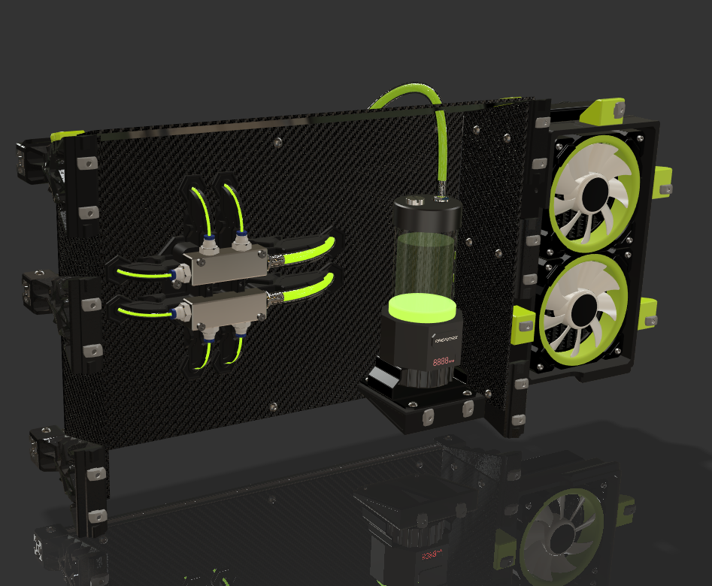 |  |  |  | LINK TO CAD | This water cooling system uses a distribution manifold with 9mm barb fitting tube intake and 4mm OD push-to-fit distribution ports. Same thing happens on the collector side. The 4mmOD config was selected to match components designed by my good friend Vez. Happy Printing |  |  |  |  | 
SubAssy | Category | Item | Thumbnail | Part Name | Part Description | Make/Buy | QTY | Comment | Vendor | Vendor URL
ENCLOSURE WaterCooling Bay | BUY | 1 | 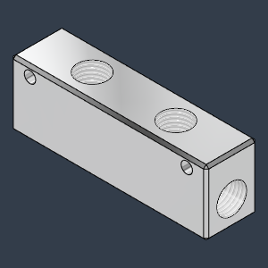 | G1/4_4Ports_DistributorBlock | Aluminum Distribution Block | Buy | 2 | For Distributon and collector | AliExpress | https://www.aliexpress.com/item/4001107973330.html?spm=a2g0o.order_list.order_list_main.139.2be518028GdbGe
ENCLOSURE WaterCooling Bay | BUY | 2 | 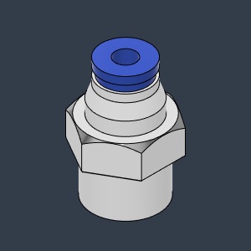 | Ø4 x 1-4G - Push to fit | G1/4 to PushFit 4mmOD | Buy | 6 | Apply Teflon Tape (A lot of it! the fit between distribution block and G1/4 push to fit fittings is pretty loose, a lot of teflon tape will cover the gap. Been running the pump for the last 2 Months without a single drip.) | AliExpress | https://s.click.aliexpress.com/e/_Dk2a4dz
ENCLOSURE WaterCooling Bay | BUY | 3 | 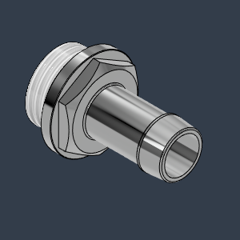 | Barb_G1/4_9mm | Barb_G1/4_9mm | Buy | 6 | Qty2 on Spider Qty2 on Pump Qty2 on Rad | Amazon | https://amzn.to/44DKazf
ENCLOSURE WaterCooling Bay | BUY | 4 | 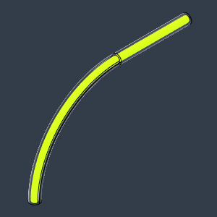 | Tube4mm | PolyUrethan Flexible Clear tubing, 4mmOD | Buy | AR | As required, Buy a bit more length than you anticipate in case of errors. | AliExpress | https://s.click.aliexpress.com/e/_Dd0baVz
ENCLOSURE WaterCooling Bay | BUY | 5 | 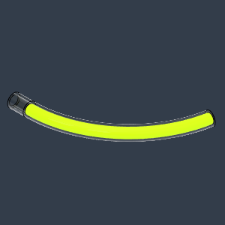 | ReturnTube | PolyUrethan Flexible Clear tubing, 8mmID | Buy | AR | As Required. 5/16in ID tube from harware store will work too.
ENCLOSURE WaterCooling Bay | BUY | 6 | 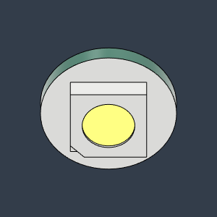 | NeoPixel_SinglePCB | WS2812 addressable RGB neopixel | Buy | 8 | Have fun soldering these guys! :P | Amazon | https://amzn.to/46punp9
ENCLOSURE WaterCooling Bay | BUY | 7 | 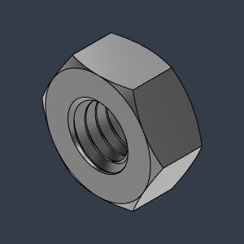 | M4_Nut_94150A335 | Nut, Hex - M4 | Buy | 4
ENCLOSURE WaterCooling Bay | BUY | 8 | 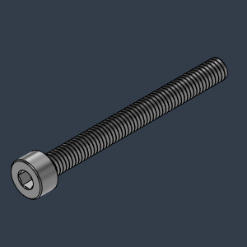 | M4X40_CapScrew_91290A174 | Screw, Cap - M4X40mm | Buy | 4
ENCLOSURE WaterCooling Bay | BUY | 9 | 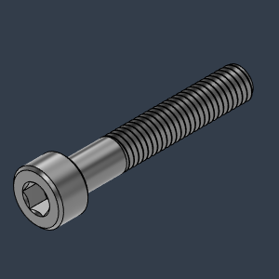 | M5X30_CapScrew_92290A254 | Screw, Cap - M5x30mm | Buy | 3
ENCLOSURE WaterCooling Bay | BUY | 10 | 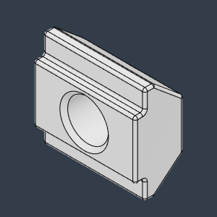 | M5X2020_Tslot-Nut |  | Buy | 21
ENCLOSURE WaterCooling Bay | BUY | 11 | 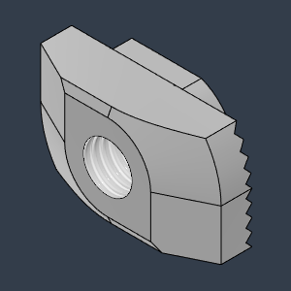 | M5X3030_Tslot_TurnIn |  | Buy | 18
ENCLOSURE WaterCooling Bay | BUY | 12 | 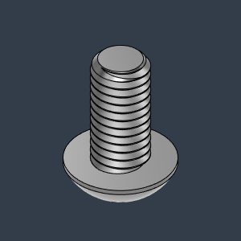 | M5X10_ButtonHeadScrew_97763A820 | Screw, ButtonHead - M5X10mm | Buy | 30
ENCLOSURE WaterCooling Bay | BUY | 13 | 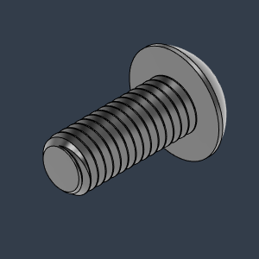 | M5X12_ButtonHeadScrew_91239A228 | Screw, ButtonHead - M5X12mm | Buy | 28
ENCLOSURE WaterCooling Bay | BUY | 14 | 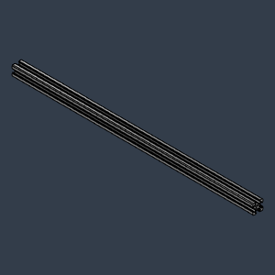 | 2020 Aluminum Extrusion Profile v1 |  | Buy | 3 | Length is equivalent to your frame Horizontal Back and Horizontal Front 3030 extrusion + 60mm
ENCLOSURE WaterCooling Bay | BUY | 15 | 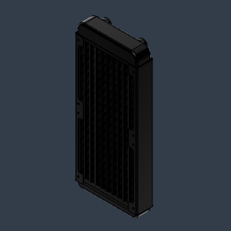 | Radiator_240mm | Aluminum* Radiator, Dual fan 240mm | Buy | 1 | A 240mm (dual fan) radiator is recommended. * Since most 3D printing cooling accessories are made from Aluminum, it is strongly advised to use an Aluminum Radiator to avoid galvanic corrosion. Even if using corrosion inhibitting coolant. | Amazon | https://amzn.to/3YVvr1F
ENCLOSURE WaterCooling Bay | BUY | 16 | 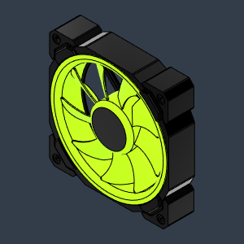 | 120mm PC cooling fan | 120mm PWM PC cooling fan with ARGB leds | Buy | 2 | I am using Cooler Master fans | Amazon | https://amzn.to/45xJ2i1
ENCLOSURE WaterCooling Bay | BUY | 17 | 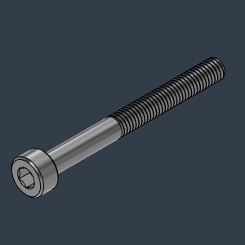 | M3X30_CapScrew_92290A126 | Screw, Cap - M3X30mm | Buy | 8 | To hold the 120mm Fans
ENCLOSURE WaterCooling Bay | BUY | 18 | 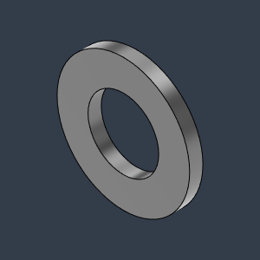 | M3_Washer_Flat_98690A110 | Washer, Flat - M3 | Buy | 8 | To hold the 120mm Fans
ENCLOSURE WaterCooling Bay | BUY | 19 | 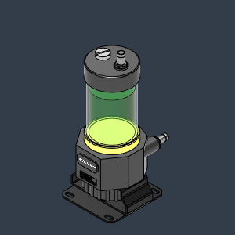 | WaterPump Assembly | PC cooling Water Pump with integrated reserve | Buy | 1 | Choose one with RGB or ARGB leds for more fun ;)
ENCLOSURE WaterCooling Bay | MAKE | 20 | 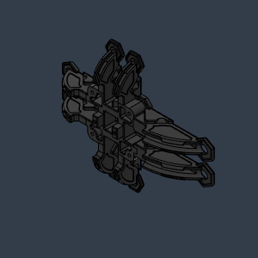 | Cooling Spider Base |  | Make | 1 | Can be printer in any material since this resides outside of the heating chamber. |  | https://github.com/MirageC79/HevORT/blob/master/files/STL/Enclosure/WaterCooling_Bay/Cooling%20Spider%20Base.stl
ENCLOSURE WaterCooling Bay | MAKE | 21 | 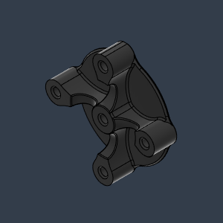 | Mounting_Spacer |  | Make | 1 |  |  | https://github.com/MirageC79/HevORT/blob/master/files/STL/Enclosure/WaterCooling_Bay/Mounting_Spacer.stl
ENCLOSURE WaterCooling Bay | MAKE | 22 | 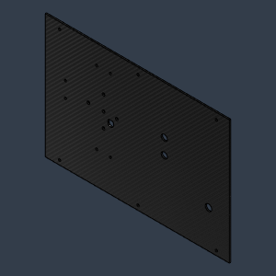 | BackPanel |  | Make | 1 | Make From 3mm thick Acrylic Panel with CF vinyl wrapping | CF Wrapping on Amazon | https://amzn.to/48rqmT5
ENCLOSURE WaterCooling Bay | MAKE | 23 | 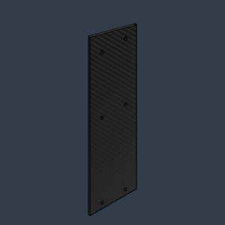 | SidePanel |  | Make | 2 | Make From 3mm thick Acrylic Panel with CF vinyl wrapping | CF Wrapping on Amazon | https://amzn.to/48rqmT5
ENCLOSURE WaterCooling Bay | MAKE | 24 | 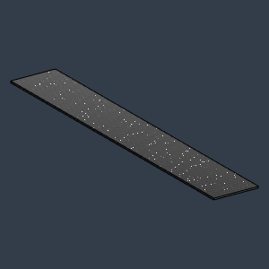 | TopCoverPanel |  | Make | 1 | Make From 3mm thick Acrylic Panel with CF vinyl wrapping | CF Wrapping on Amazon | https://amzn.to/48rqmT5
ENCLOSURE WaterCooling Bay | MAKE | 27 | 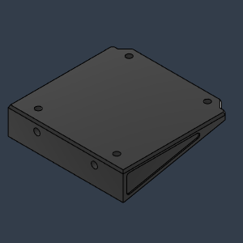 | WaterPumpBracket |  | Make | 1 |  |  | https://github.com/MirageC79/HevORT/blob/master/files/STL/Enclosure/WaterCooling_Bay/WaterPumpBracket.stl
ENCLOSURE WaterCooling Bay | MAKE | 28 | 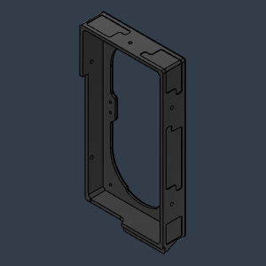 | RadHolder_DoubleFan |  | Make | 1 | A cut-off section has been done to allow HD12 motor mount clearance on HevORTs with shorter Frame top section (above the bed) |  | https://github.com/MirageC79/HevORT/blob/master/files/STL/Enclosure/WaterCooling_Bay/WaterCoolingTray_Support.stl
ENCLOSURE WaterCooling Bay | MAKE | 29 | 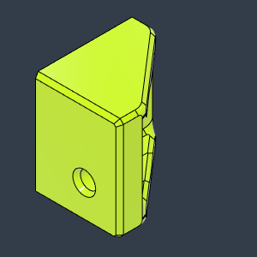 | RadHolding Bracket |  | Make | 4 |  |  | https://github.com/MirageC79/HevORT/blob/master/files/STL/Enclosure/WaterCooling_Bay/WaterPumpBracket.stl
ENCLOSURE WaterCooling Bay | MAKE | 30 | 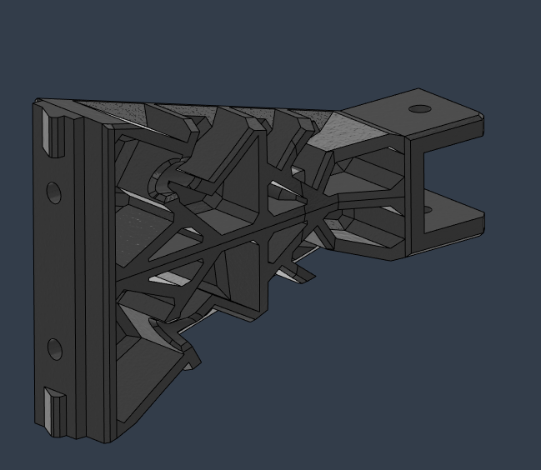 | WaterCoolingTray_Support |  | Make | 4 |  |  | https://github.com/MirageC79/HevORT/blob/master/files/STL/Enclosure/WaterCooling_Bay/WaterCoolingTray_Support.stl
ENCLOSURE WaterCooling Bay | MAKE | 31 | 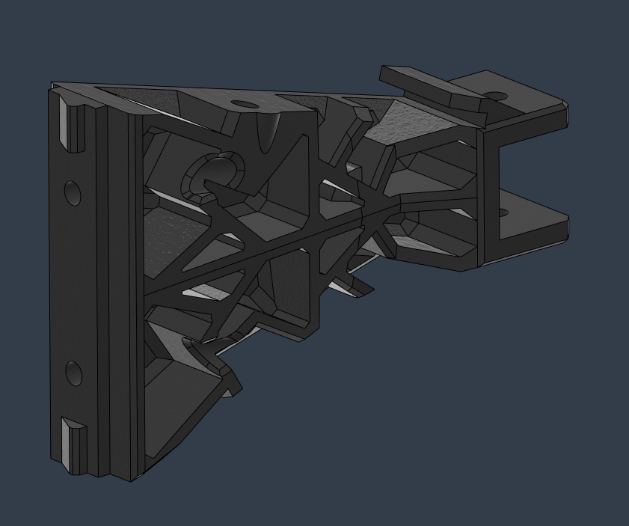 | WaterCoolingTray_Support_Top_RH |  | Make | 1 |  |  | https://github.com/MirageC79/HevORT/blob/master/files/STL/Enclosure/WaterCooling_Bay/WaterCoolingTray_Support_Top_RH.stl
ENCLOSURE WaterCooling Bay | MAKE | 26 | 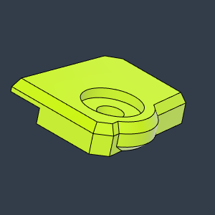 | WaterCoolingBay_BracketClipRH |  | Make | 1 |  |  | https://github.com/MirageC79/HevORT/blob/master/files/STL/Enclosure/WaterCooling_Bay/WaterCoolingBay_BracketClipRH.stl
ENCLOSURE WaterCooling Bay | MAKE | 32 |  | WaterCoolingTray_Support_Top_LH |  | Make | 1 |  |  | https://github.com/MirageC79/HevORT/blob/master/files/STL/Enclosure/WaterCooling_Bay/WaterCoolingTray_Support_Top_LH.stl
ENCLOSURE WaterCooling Bay | MAKE | 25 | 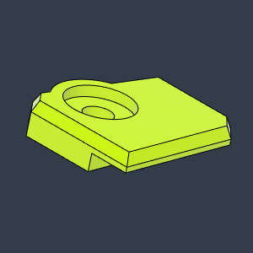 | WaterCoolingBay_BracketClipLH |  | Make | 1 |  |  | https://github.com/MirageC79/HevORT/blob/master/files/STL/Enclosure/WaterCooling_Bay/WaterCoolingBay_BracketClipLH.stl

