Calculator
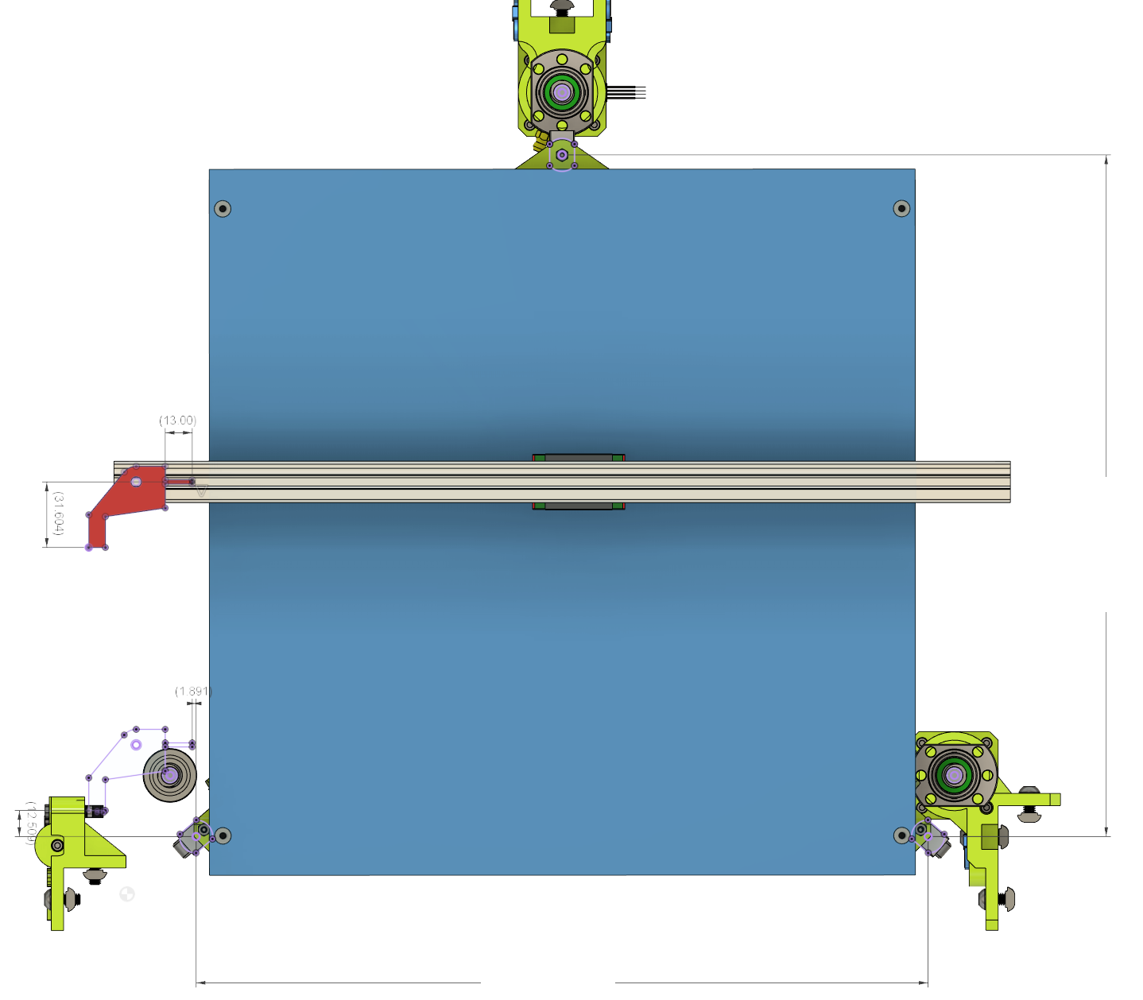
Printer Specs | CHOOSE !
PRINT AREA XY | 315 | <- Select |  |  | RR
PRINT_HEAD | HEMERA_TOPMOUNT | <- Select
 |  |  |  |  | Rear Lift Point Coordinates from Nozzle
CustomFlag Offset | Length mm |  |  |  | X | Y
X Flag | 13 | <- Adjust |  |  | 155.004 | 311.758
Y Flag | 31.604 | <- Adjust

Results to be inserted in config.g

Z Lift Point position
M671 X-21.205:155.004:331.213 Y-16.452:311.758:-16.452 S10

Z-Probe Offset
G31 P500 X27.455 Y9.134 Z[measured via Paper technique]

 |  |  | Flag YOffset |  |  |  |  | 328.21

 |  |  |  | Flag XOffset
 | FL |  |  |  |  |  |  |  | FR

 | Front Left Lift Point Coordinates |  |  |  |  |  |  |  | Front Right Lift Point Coordinates
 | X | Y |  |  |  |  |  |  | X | Y
 | -21.205 | -16.452 |  |  |  |  |  |  | 331.213 | -16.452

 |  |  |  |  |  |  | 352.418

NIMBLE_KRYO
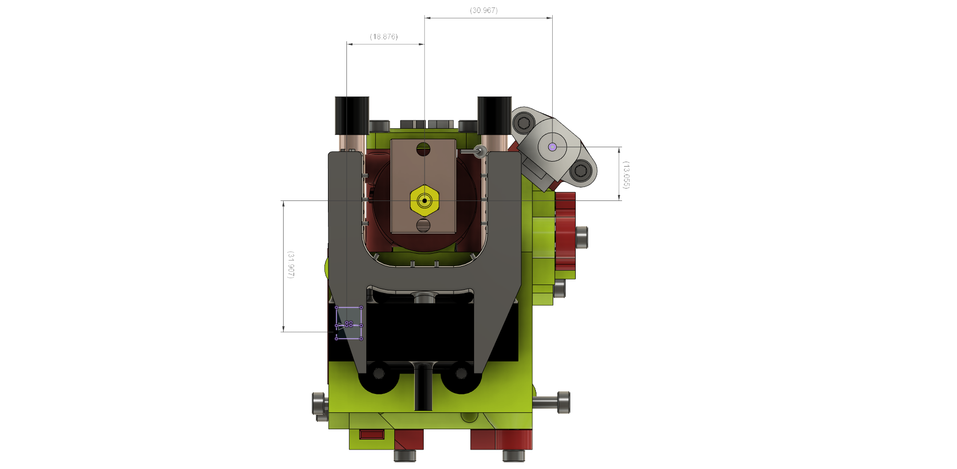

BMG_AQUA
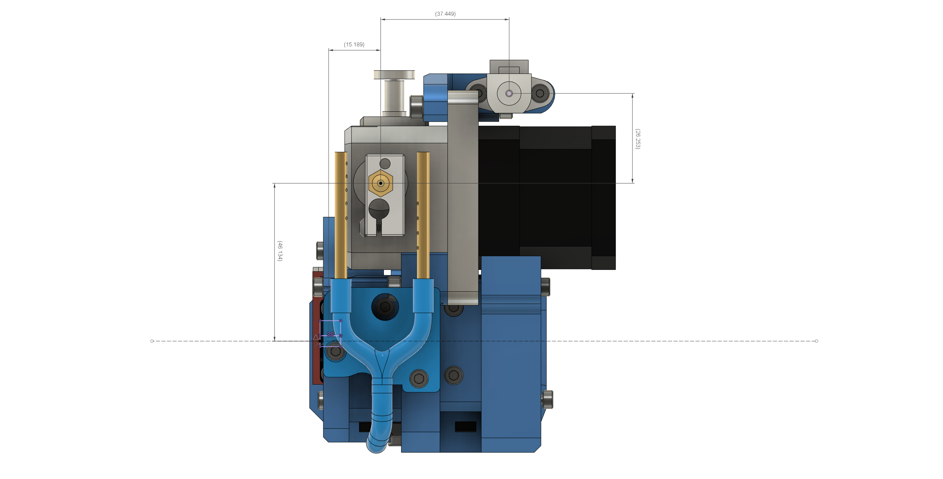

BMG_KRYO
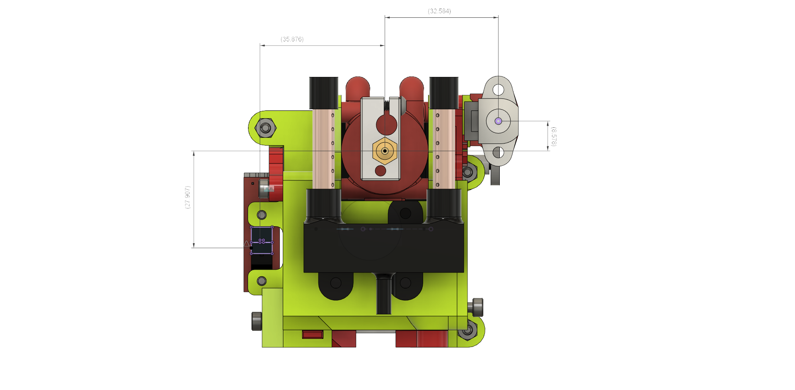

HEMERA
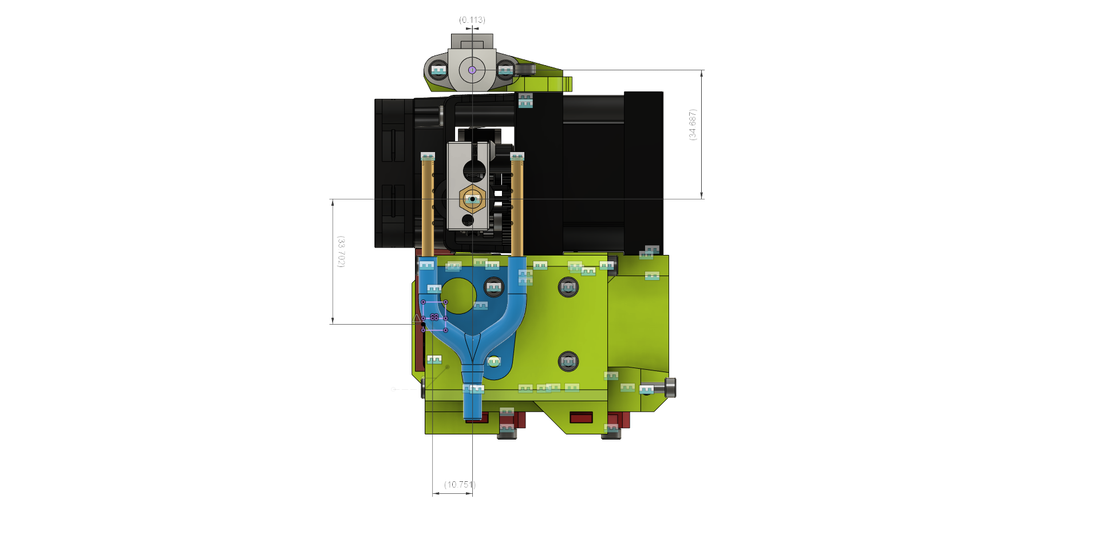

HEMERA_TOPMOUNT
