From Fusion 360
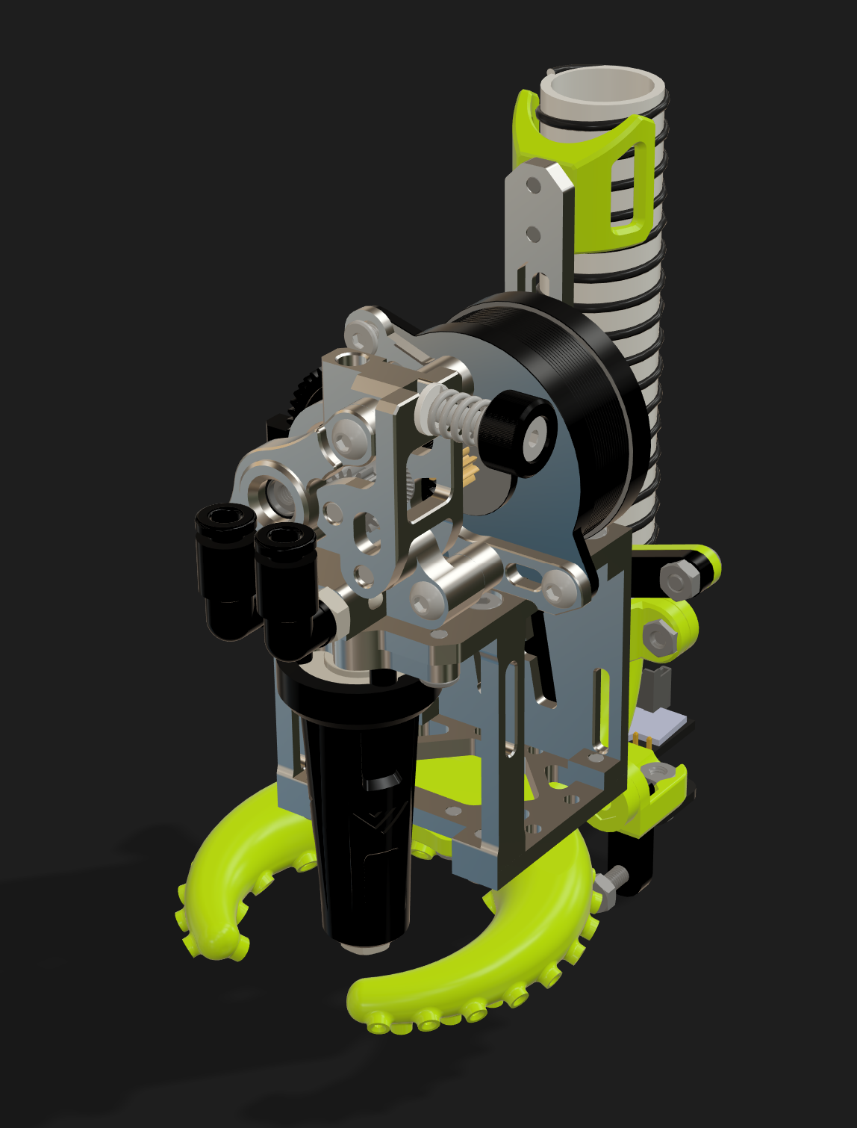 |  |  |  | LINK TO CAD | All metal, all flow, all rigidity! The Vez Metal Print Head for HevORT offers maximum rigidity and light weight in a very compact form factor. Coupled to the mighty Goliath Hotend and the Vz-HextrudORT Metal, this print head becomes the perfect weapon for all print conditions. Thank you Vez! |  |  |  | Metal Print Head for HevORT with Goliath SHORT and VZHextrudORT Metal WATERCOOLED
Prerequisits |  |  |  | XY Gantry from any HD config: HD9, HD12, SPAWD9/10, SPAWD 12 |  |  |  | https://docs.hevort.com/#/pages/component-selection?id=_2-xy-gantry
 |  |  |  | X axis with MGN9 rail mounted to the top of cross beam |  |  |  | https://docs.hevort.com/#/pages/component-selection?id=x-axis-options
 |  |  |  | ZR2.6 High Reach Mod (Goliath Short, is very short ;) ) |  |  |  | https://discord.com/channels/790612368056647682/819621988409802823/1142211491475505292
 |  |  |  | Water Cooling System |  |  |  | https://docs.hevort.com/#/pages/component-selection?id=a-water-cooling-bay
 |  |  |  | CPAP compressor system |  |  |  | No official config yet
SubAssy | Category | Item | Thumbnail | Part Name | Part Description | Make/Buy | QTY | Comment | Vendor | Vendor URL
HDx_VZ Metal Print Head Watercooled Goliath SHORT | Buy | 1 | 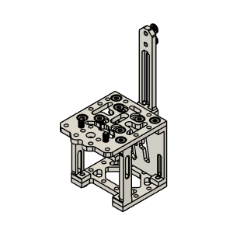 | Carriage | Vez Metal Print Head | Buy | 1 | 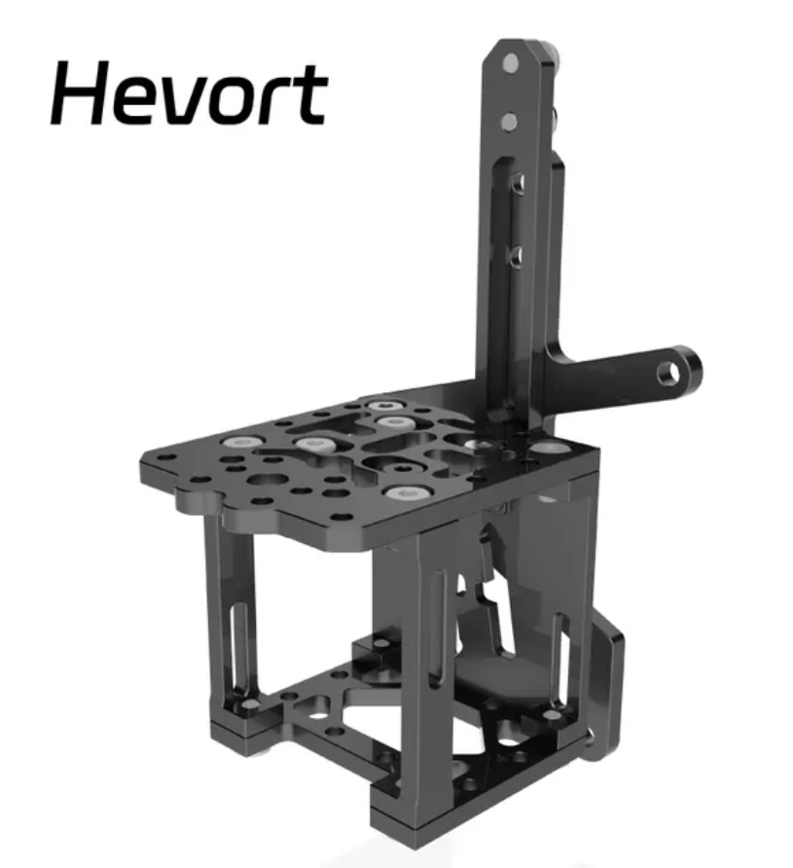 Select HevORT configuration from the link. Choose Black or Silver | Mellow 3D | https://s.click.aliexpress.com/e/_DkVvPcn
HDx_VZ Metal Print Head Watercooled Goliath SHORT | * | 2 | 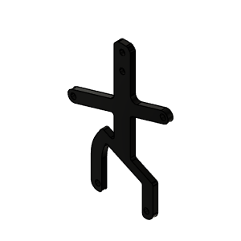 | Cooling duct Sliding mount | comes with metal print head | * | 1* | * Comes with Metal Print Head from Mellow | Mellow 3D
HDx_VZ Metal Print Head Watercooled Goliath SHORT | Buy | 3 | 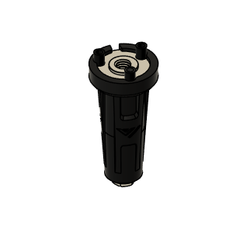 | Goliath short |  | Buy | 1 | 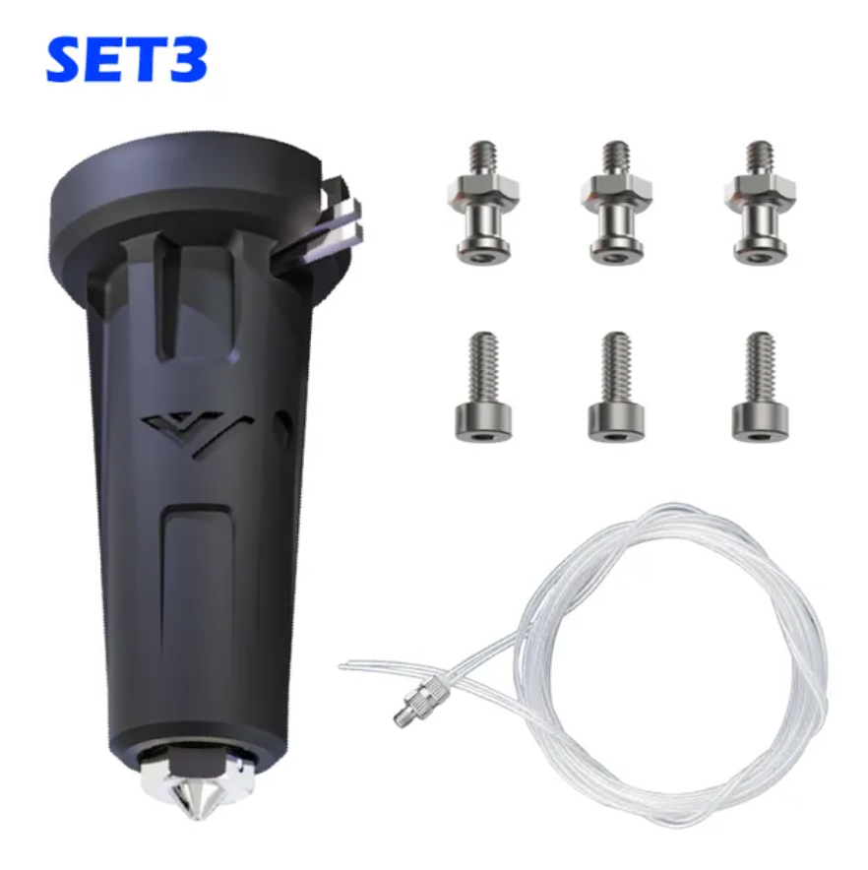 Set #13 does not include any Heat Sink. It assumes that you will be using the Watercooled VZ HExtrudORT (Item 6 here below) | Mellow 3D Set #13 | https://s.click.aliexpress.com/e/_DkWpMEx
HDx_VZ Metal Print Head Watercooled Goliath SHORT | Buy | 4 | 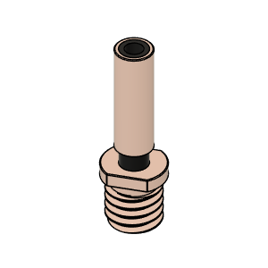 | Vz-Heatbreak Mellow | For Vz-HextrudORT Watercooled | Buy | 1 | 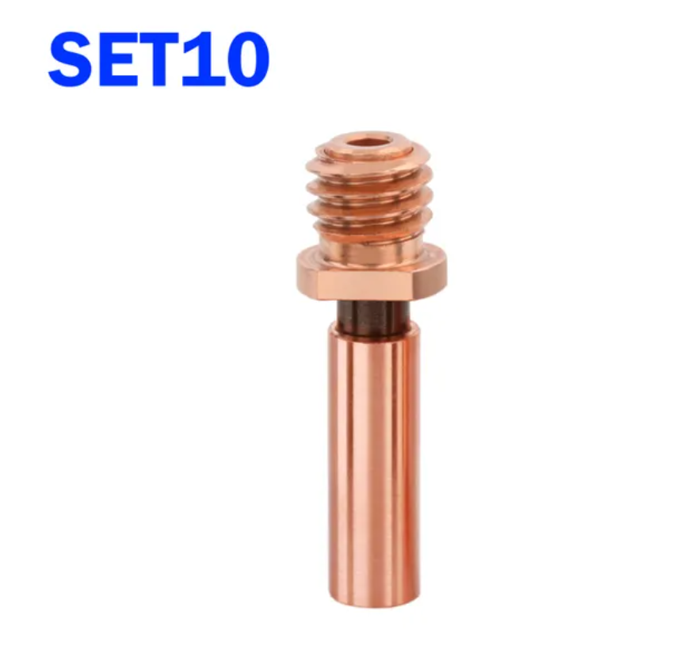 Heat break required for Goliath Short to fit in VZ HextrudORT WaterCooled | Mellow 3D Set #10 | https://s.click.aliexpress.com/e/_DErM6Qn
HDx_VZ Metal Print Head Watercooled Goliath SHORT | Buy | 5 | 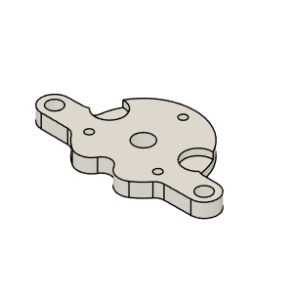 | Goliath short adapter plate | For Goliath Short installation. (HextrudORT is the Heat sink) | Buy | 1 | 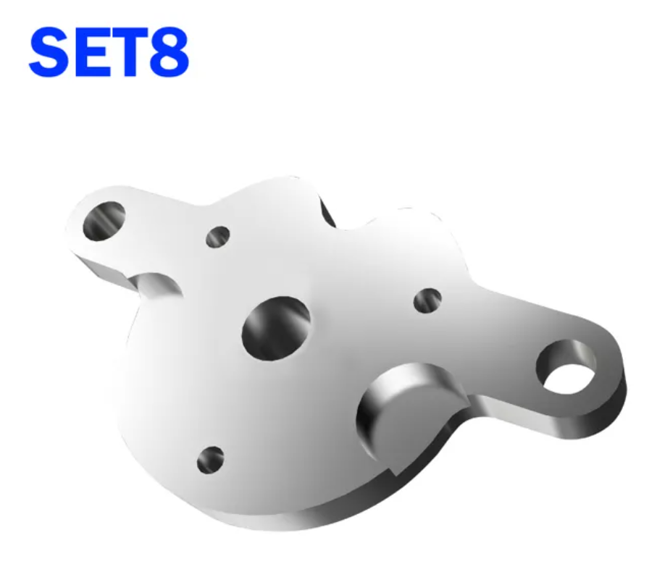 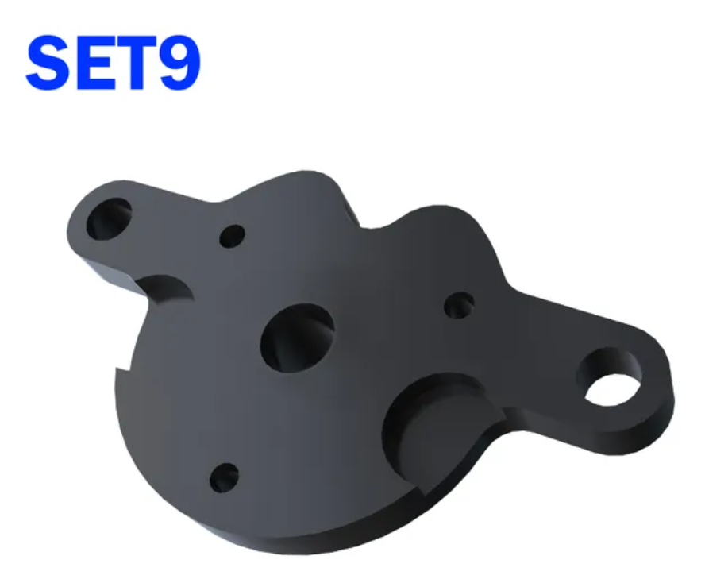 | Mellow 3D Set 8 OR 9 | https://s.click.aliexpress.com/e/_DErM6Qn
HDx_VZ Metal Print Head Watercooled Goliath SHORT | Buy | 6 | 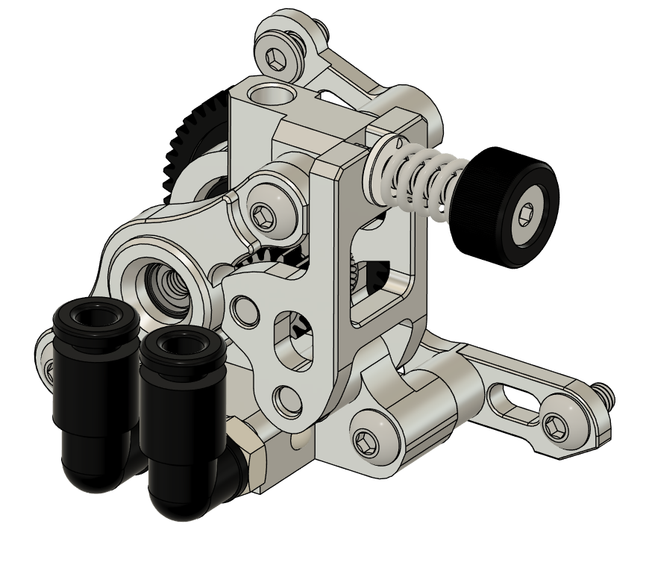 | Vz-HextrudORT CNC Watercooled |  | Buy | 1 | 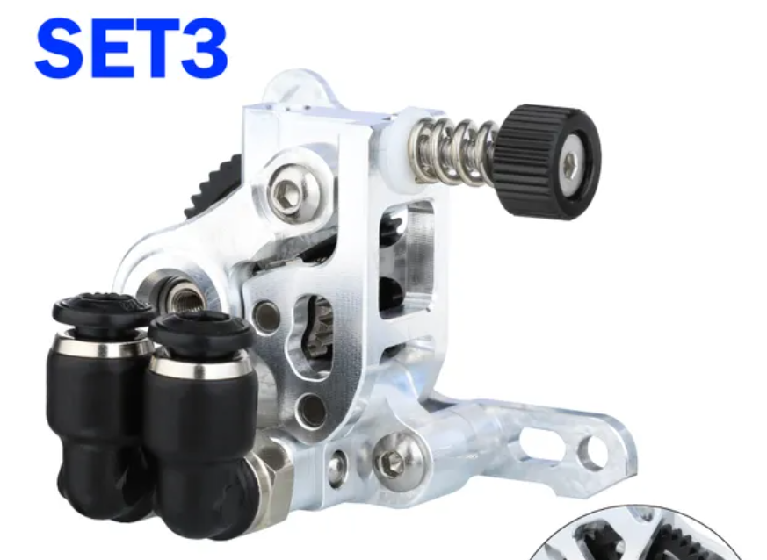 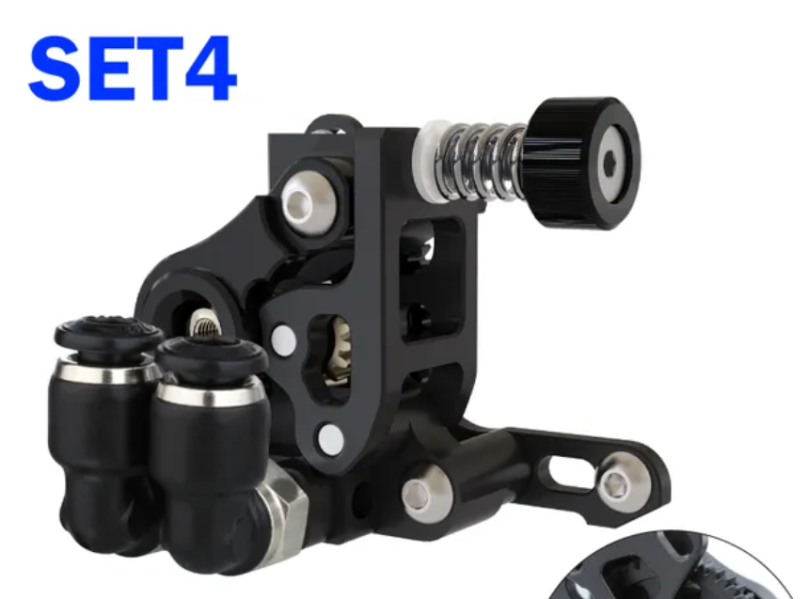 | Mellow 3D Set 3 OR 4 | https://s.click.aliexpress.com/e/_DErM6Qn
HDx_VZ Metal Print Head Watercooled Goliath SHORT | Buy | 7 | 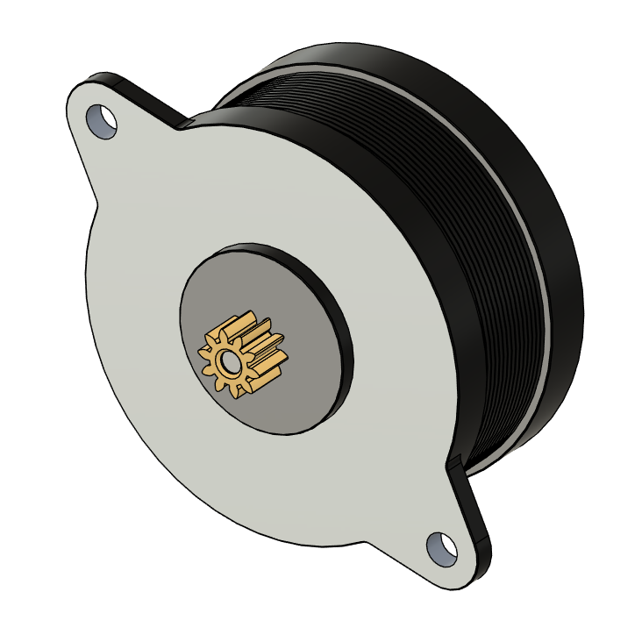 | Nema 14 |  | Buy | 1 | 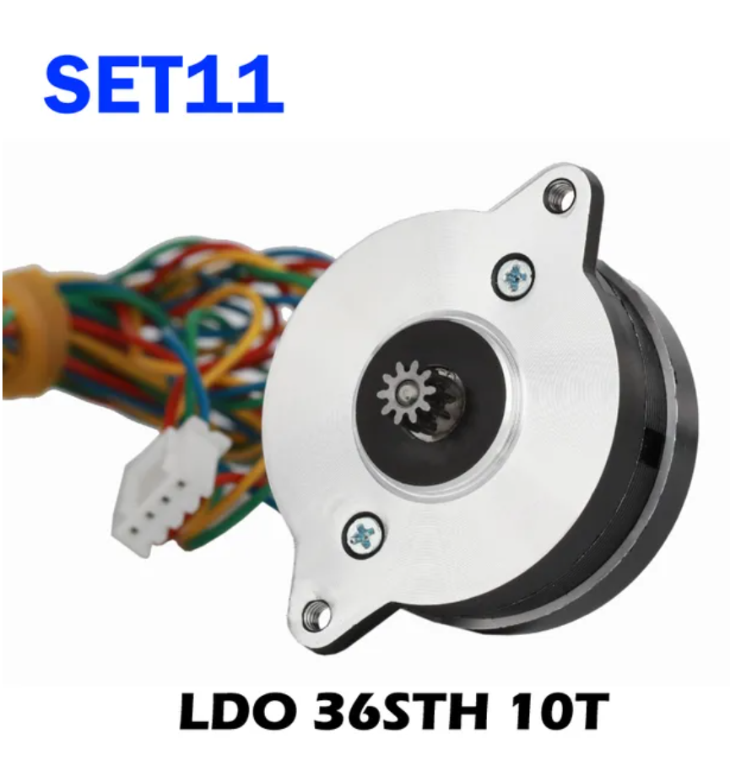 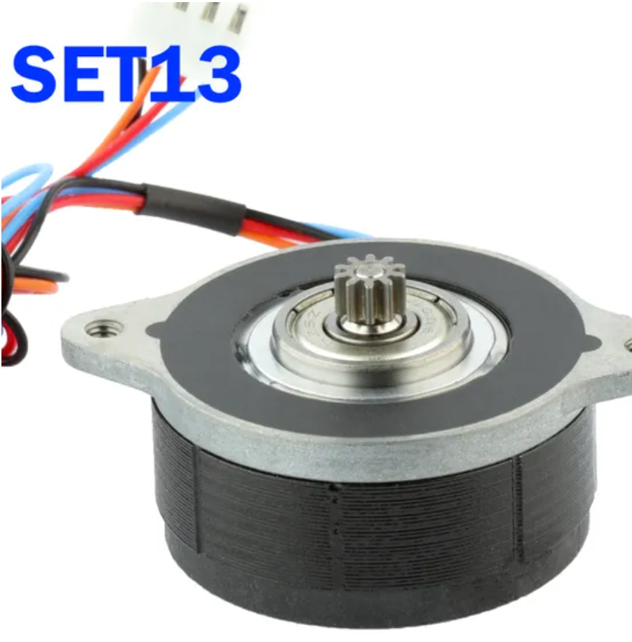 It is recommmended to use 10teeth version. Either LDO or MOONS | Mellow 3D Set 11 OR 13 | https://s.click.aliexpress.com/e/_DErM6Qn
HDx_VZ Metal Print Head Watercooled Goliath SHORT | Buy | 8 | 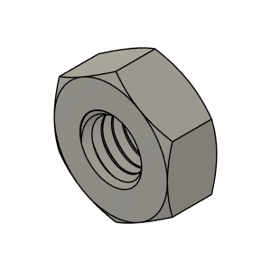 | M3 Nut |  | Buy | 11
HDx_VZ Metal Print Head Watercooled Goliath SHORT | Buy | 9 | 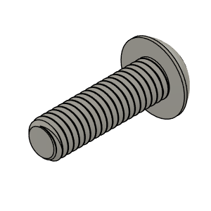 | M3 10mm Button Head |  | Buy | 4
HDx_VZ Metal Print Head Watercooled Goliath SHORT | Buy | 10 | 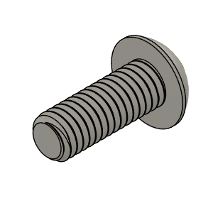 | M3 8mm Button Head |  | Buy | 2
HDx_VZ Metal Print Head Watercooled Goliath SHORT | Buy | 11 | 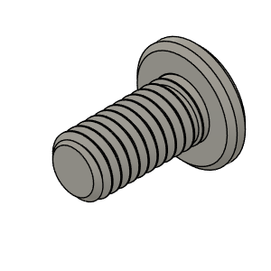 | M3 6mm Flat Head Ultra Low profile |  | Buy | 9
HDx_VZ Metal Print Head Watercooled Goliath SHORT | Buy | 12 | 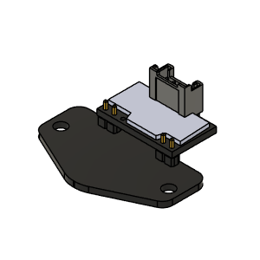 | Beacon_RevD_Assm_Normal | Normal Configuration * | Buy | 1 | * Both Normal and Low config will work, just be careful as depending on your printer config, the Beacon may crash into the rear ballscrew top bearing mount when reaching to end of Y axis and middle of X. | Beacon 3D | https://beacon3d.com/
HDx_VZ Metal Print Head Watercooled Goliath SHORT | Buy | 13 | 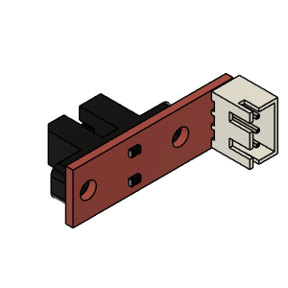 | Opto endstop PM | Optical End-Stop | Buy | 1 |  | Aliexpress | https://s.click.aliexpress.com/e/_DFuQmVt
HDx_VZ Metal Print Head Watercooled Goliath SHORT | Make | 14 | 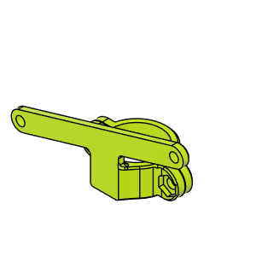 | CPAP clamp |  | Make | 1 |  | Hevort.com | https://github.com/MirageC79/HevORT/tree/master/files/STL/PrintHead/VezMetalPrintHead_HDx
HDx_VZ Metal Print Head Watercooled Goliath SHORT | Make | 15 | 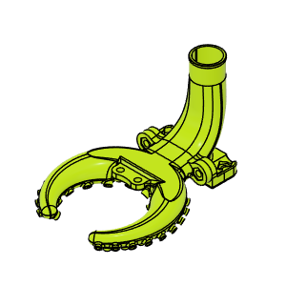 | HDx_VzPrintHead_TentaCool_GoliathShort_Beacon_Body |  | Make | 1 | I have included 3 Angle version of the Duct depending on your preferrence. https://discord.com/channels/790612368056647682/819621988409802823/1158610905647554661 | Hevort.com | https://github.com/MirageC79/HevORT/tree/master/files/STL/PrintHead/VezMetalPrintHead_HDx
HDx_VZ Metal Print Head Watercooled Goliath SHORT | Make | 16 | 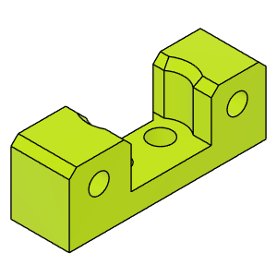 | HDxTop_VZPrintHead_XEndStopMount |  | Make | 1 | This End stop mount will require the TopRail_MGN9_VZPrintHead_Xflag from HD9/12 Top Rail CFx | Hevort.com | https://github.com/MirageC79/HevORT/tree/master/files/STL/PrintHead/VezMetalPrintHead_HDx
HDx_VZ Metal Print Head Watercooled Goliath SHORT | Make | 17 | 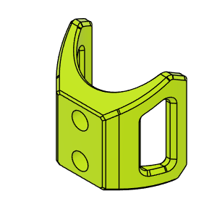 | cable holder Vz |  | Make | 1 |  | Hevort.com | https://github.com/MirageC79/HevORT/tree/master/files/STL/PrintHead/VezMetalPrintHead_HDx

