Sheet1
Elamani Tech Private Limited
Bagasse Automation Cleaning Module

Section | Sl No | Component | Specification | Material | Dimension | Qty | Reference image
Mechanical | 1 | Stirrer Blade (SS304) | 2-wing | SS 304 | 680x300x3 mm, | 1
Mechanical | 2 | Shaft | EN8 | SS -304 | Ø12–15 mm, L=600 mm | 1 | 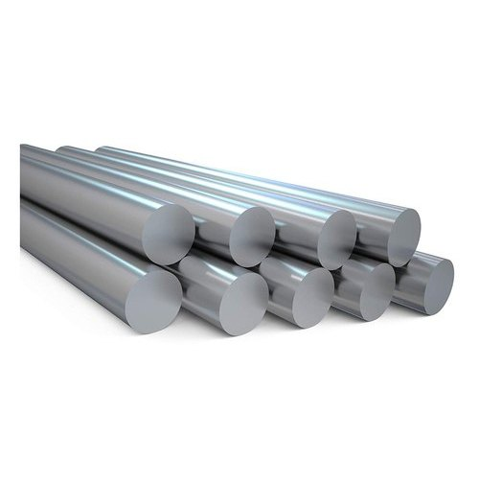
Mechanical | 3 | Pillow Block Bearing | UCP205 | SS/MS |  | 1 | 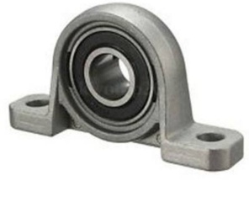
Mechanical | 4 | Flexible Coupling | Jaw type | MS | 12 mm * | 1
Mechanical | 5 | Linear Bearings / Rail Guides |  | SS-304 | 1200mm | 4 | 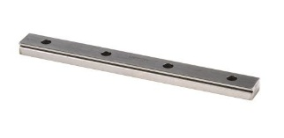
Mechanical | 6 | Ball Screw Assembly
Mechanical | 7 | Mounting Brackets & Fasteners |  | SS-304 |  |  | 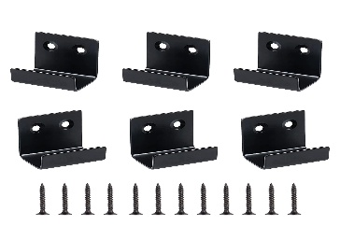
Mechanical | 8 | Support Frame | Fabricated MS |  |  | 1
Mechanical | 9 | Gearbox drive | planetary gearbox |  | 40:1–50:1 | 2
Mechanical | 10 | Drive Shaft & Bearings | Servo shaft:: Ø14 mm (200W class) Ball screw end: usually Ø10 orBK12 + BF12 14 mm × 10/12 mm |  |  | 2 | 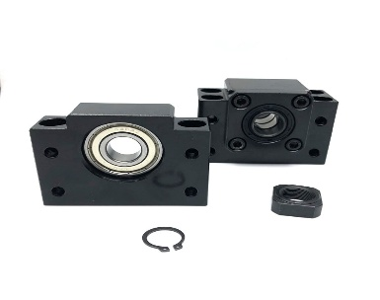
Mechanical | 11 | Base Plate |  | SS-304 | 4 ft* 8 ft | 1 | 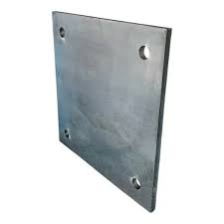
Mechanical | 12 | Fasteners | Bolts & nuts | MS | M6- scoket screw/ M6*6 | in count

Control | 1 | PLC | Delta DVP28SV PLC, 28-point (16 input/12 output) Slim-type,High-speed motion control with 16K steps of memory/ NPN/PNP transistor or relay outputs, built-in RS-232 and RS-485 ports (Modbus ASCII/RTU), and expansion capabilities for up to 512 I/O points |  | 35mm DIN rail/ Approximately 90 mm x 60 mm x 70 mm. | 1 | 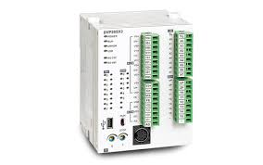
Control | 2 | Analog Module | DVP04DA-S |  |  | 1 | 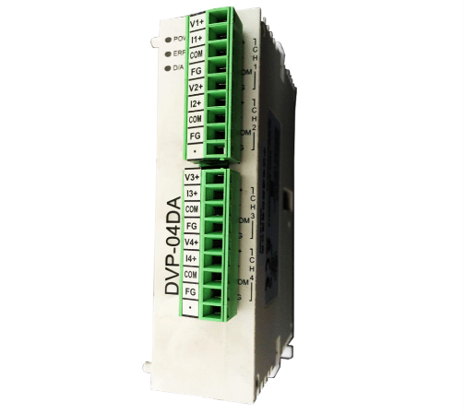
Control | 3 | PVC Channel | SS1/SS2 |  | 30 X 25 (HxW) |  | 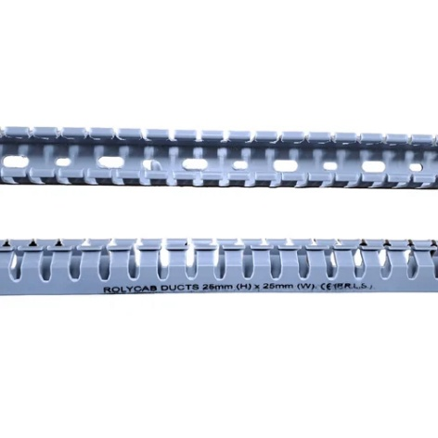
Control | 4 | Programming Cable | Yaskawa Sigma-7 JZSP-CMP02-03-E High-Power - Servo Motor & Encoder Cable Assembly |  |  | 1 | 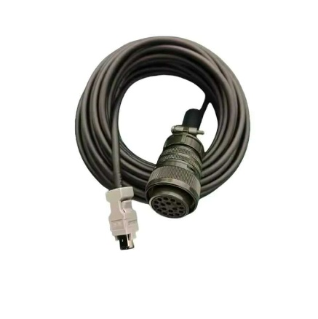
Control | 5 | Driver (STEPPER) | Leadshine EM806 Stepper Driver |  |  | 2 | 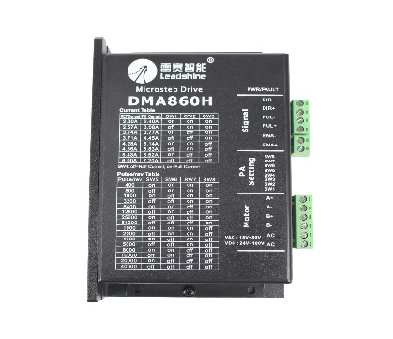
Control | 6 | Driver (SERVO) | Delta ASDA-B2 Servo Drive |  |  | 2 | 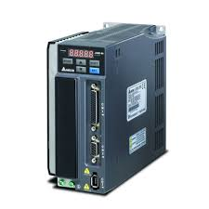
Control | 7 | Relay Module | E-NRP2ZL-10A-DC24 |  |  | 1 | 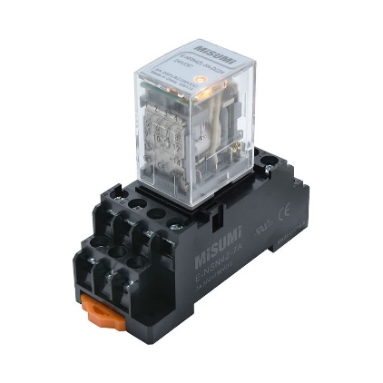

Electrical | 1 | SMPS | 48V 10–15A |  |  | 2 | 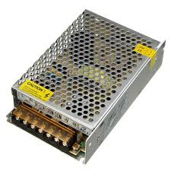
Electrical | 2 | SMPS | 24V 10–15A |  |  | 1
Electrical | 3 | MCB | 2P 6–10A |  |  | 1 | 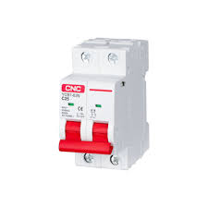
Electrical | 4 | Fuse & Holder | Protection |  |  | 2 | 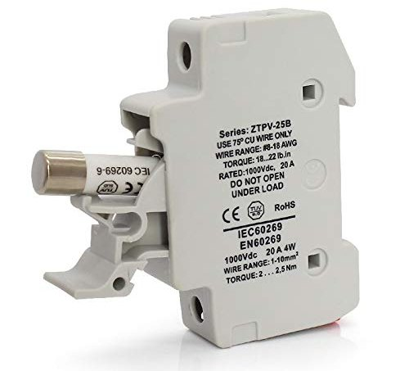
Electrical | 5 | Terminal Blocks | DIN rail |  |  | 1 | 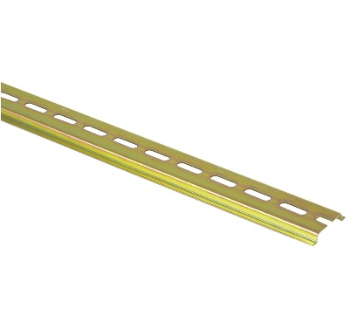
Electrical | 6 | Wires & Cables | Industrial |  |  | 1
Electrical | 7 | Control Panel Box | IP54 |  |  | 1 | 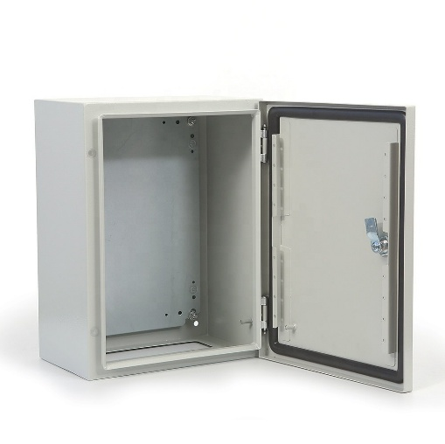
Electrical | 8 | STEPPER motor | P Series IP67 Waterproof Nema 34 Stepper Motor 6.0A 4.5Nm(637.38oz.in) |  |  | 2 | 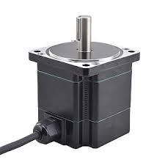
Electrical | 9 | Servo motor | IP65/ 48/24 votl / 3000RPM / 0.78Nm |  |  | 2 | 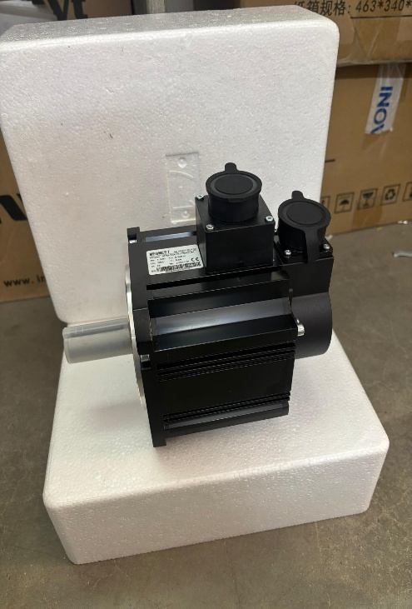
Electrical | 10 | Cooling Fan | Panel ventilation |  |  | 1 | 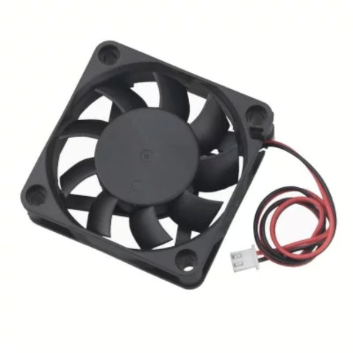

Safety | 1 | Current Sensor | 0–20A/ CTL general-purpose series output lead wire mini type AC current sensor for general gauge. (CTL-12L-8) |  |  | 1 | 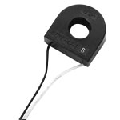
Safety | 2 | Emergency Stop | Rated Insulation Voltage (Ui) : 600V Agreed Thermal Current (Ith):10A Mushroom Diameter: Approx.4cm Size (L x W x H): Approx. 7 x 3.6 x 3 cm Material: Plastic and metal Weight: 20 grams |  |  | 1 | 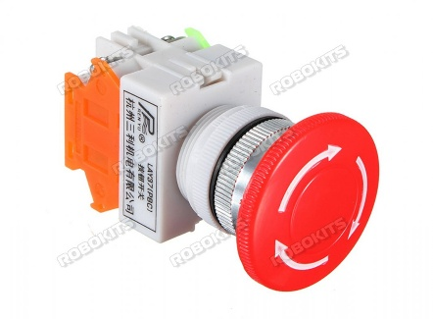
Safety | 3 | Indicator Lamps | uxcell Red Indicator Light with Buzzer AC/DC 12V, 22mm Panel Mount Flashing Alarm, for Electrical Control Panel, HVAC, DIY Projects |  |  | 1 | 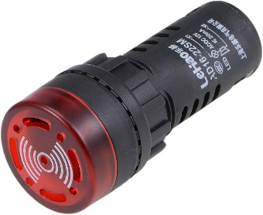

Misc | 1 | Cable Glands
Misc | 2 | Ferrules & Lugs
Misc | 3 | Heat Shrink
Misc | 4 | Labels

