Profile
Expert First Name | Expert Last Name | Bio (2 sentence) | Experience (Yrs) | Expertise Breed | Expertise Breed 2 | Rating | Location | Profile Picture | First Name + Last Name | Whatsapp Contact Number | Experts Email Address | Categories | Email
Kevin | Garcia | With a friendly and patient demeanor, Kevin makes pet training a fun and rewarding experience for both pets and their owners, resulting in happier, healthier relationships. | 10 | Pitbull | Saint Bernard | 4.2 | New York City |  | KevinGarcia | +1-247-839-4053 | KevinGarcia@gmail.com |  |  | 505 | 832 | 1658
Mandy | Singh | Meet Martha, a dedicated and compassionate pet trainer who uses positive reinforcement techniques to help pet owners build a deeper bond with their furry companions. | 6 | German Shepherd | Rottweiler | 4.4 | Austin |  | MandySingh | +1-364-710-6361 | MandySingh@gmail.com |  |  | 341 | 664 | 4928
Angelo | Kim | Angelo is an experienced pet trainer who specializes in working with rescue animals, helping them overcome behavioral challenges and find loving homes. | 8 | Great Dane | Australian Shepherd | 4.9 | San Francisco |  | AngeloKim | +1-203-604-4841 | AngeloKim@gmail.com |  |  | 243 | 784 | 1117
Marie | Weiner | Meet Marie, a pet trainer expert with a passion for training corgis and beagles. With years of experience and a deep understanding of these breeds, Marie has helped countless pet owners build a stronger bond with their furry friends through positive reinforcement training techniques | 5 | Corgi | Beagle | 4.1 | Boston |  | MarieWeiner | +1-426-614-2611 | MarieWeiner@gmail.com | Barking |  | 242 | 576 | 8734
Mark | Manz | Introducing Mark, a skilled pet trainer with extensive expertise in training Shih Tzus and Lhasa Apsos. Mark utilizes positive reinforcement techniques to help pet owners develop a strong bond with their furry companions, leading to happier and healthier lives for both pet and owner. | 2 | Shih Tzu | Lhasa Apso | 4.2 | Los Angeles |  | MarkManz | +1-202-560-8567 | MarkManz@gmail.com | Aggression |  | 382 | 881 | 6896
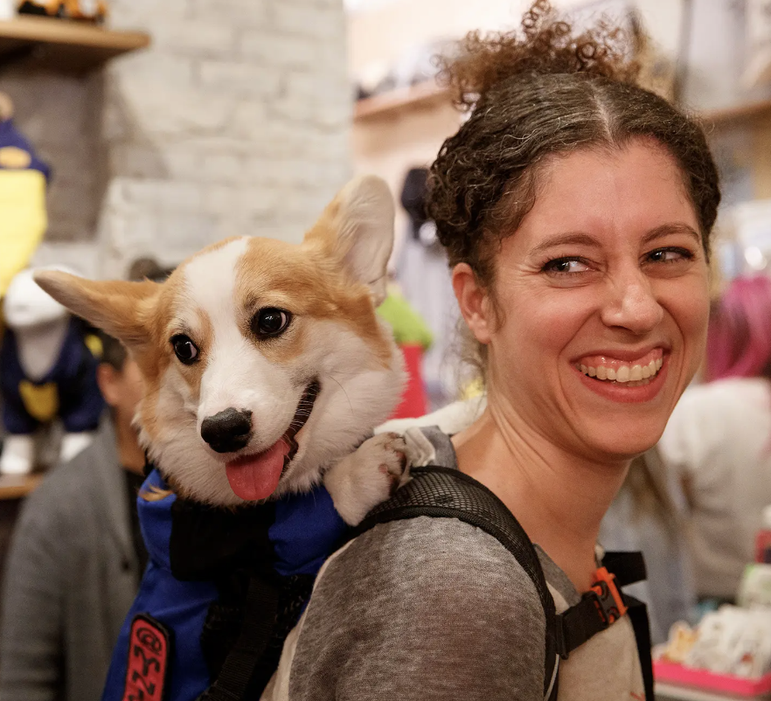
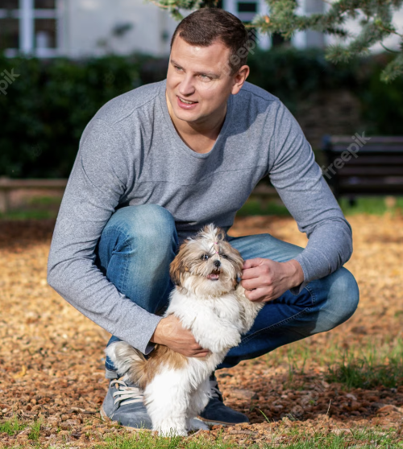
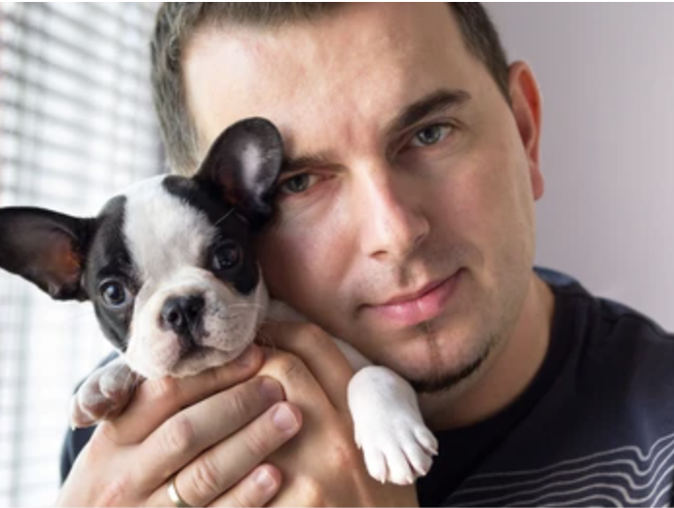
Josh | Casper | Josh is an experienced pet trainer who specializes in working with rescue animals, helping them overcome behavioral challenges and find loving homes. | 20 | French Bulldog | Shih Tzu | 4.5 | Chicago |  | JoshCasper | +1-260-518-1179 | JoshCasper@gmail.com | Pooping |  | 374 | 683 | 3759
Zak | George | With years of experience training a wide range of breeds, Zak is an expert pet trainer who can help you teach your furry friend new tricks and improve their behavior. | 1 | Corgi | Pug | 5 | Boston |  | ZakGeorge | +1-503-514-9586 | ZakGeorge@gmail.com | Barking |  | 592 | 647 | 1567
McCann | DogTraining | If you're struggling to train your pet, look no further than McCann, who employs patient and knowledgeable trainers who can help you achieve the results you're looking for. | 15 | Dalmation | Poodle | 3.8 | Atlanta |  | McCann DogTraining | +1-312-785-6993 | McCann DogTraining@gmail.com | Barking |  | 275 | 630 | 4882
Joel | Hernandez | Joel is a highly qualified pet trainer who understands that every animal is unique and tailors their training programs accordingly, resulting in happier and healthier pets. | 7 | Great Dane | Golden Retriever | 4.3 | St. Lake City |  | JoelHernandez | +1-536-596-1300 | JoelHernandez@gmail.com |  |  | 274 | 568 | 2268 | Josh Casper
Mackenzie | Lee | As a skilled dog trainer with 5 years of experience, I have honed my craft in preparing showdogs for the limelight. My passion for training dogs has led me to work with a wide variety of breeds, helping them excel in competitions and reach their full potential. With a keen eye for detail and a patient approach, I am dedicated to bringing out the best in every dog I work with. | 5 | Coorgi | Daschound | 4.6 | Dallas |  | MackenzieLee | +1-470-584-8202 | MackenzieLee@gmail.com |  |  | 550 | 550 | 1786
Liz | Patel | I'm a San Jose-based dog trainer specializing in pitbull rescues and correcting separation anxieties, with a proven track record of success in improving the behavior and well-being of my clients' beloved furry companions. Let me help you and your pitbull overcome separation anxiety and thrive together. | 8 | Chihuahua | Bulldog | 4.8 | San Jose |  | LizPatel | +1-470-546-9824 | LizPatel@gmail.com |  |  | 397 | 892 | 7298
Adam | Chen | With a deep understanding of animal behavior and a passion for helping pet owners, Adam is a skilled trainer who can help you overcome any training challenges you may be facing. | 15 | Dogo Argentino | Bull Mastiff | 4 | Atlanta |  | AdamChen | +1-245-632-8284 | AdamChen@gmail.com |  |  | 208 | 895 | 6122
Tom | Williams | If you want to create a stronger bond with your pet and improve their obedience, Tom is the trainer for you - they have a proven track record of success. | 12 | Himalayan Sheepdog | Chow Chow | 4.3 | Portland |  | Tom Williams | +1-461-557-5270 | Tom Williams@gmail.com |  |  | 373 | 755 | 6096
Victoria | Martinez | Whether you're looking to train a new puppy or correct behavioral issues in an older dog, Victoria has the experience and expertise to help you achieve your goals. | 7 | Siberian Husky | Alaskan Malamute | 4.7 | Las Vegas |  | VictoriaMartinez | +1-515-643-1563 | VictoriaMartinez@gmail.com |  |  | 269 | 743 | 5243
David | Butler | David is a pet trainer who believes in a holistic approach to training, taking into account the physical and emotional needs of each animal they work with. | 9 | Kangal | Cane Corso | 4.6 | Evanston |  | DavidButler | +1-289-600-3454 | DavidButler@gmail.com |  |  | 322 | 599 | 2968
Joel | Beckman |  |  |  |  |  |  |  |  |  |  | Pooping
Nate | Schoemer |  |  |  |  |  |  |  |  |  |  | Barking
Cesar | Milan |  |  |  |  |  |  |  |  |  |  | Pooping, Destructive Behavior, Barking

