network performance
 |  |  |  |  |  |  |  |  |  | Non APP Run
 |  |  |  |  |  |  | latency |  | Bandwidth |  | Jitter |  | loss
 |  |  |  |  |  |  | Broker | Server | Broker | Server | Broker | Server | Broker | Server
 |  |  |  |  |  | IoT1 | 33.329 | 28.366 | 5.3 | 2.65 | 0.676 | 0.665 | 3.7 | 1.8
 |  |  |  |  |  | IoT2 | 10.503 | 16.521 | 1.61 | 1.03 | 0.393 | 1.681 | 12 | 11
 |  |  |  |  |  | IoT3 | 8.509 | 5.936 | 35.8 | 19.9 | 0.201 | 0.157 | 3.4 | 0.98
 |  |  |  |  |  | IoT4 | 6.983 | 22.797 | 32.3 | 13.4 | 0.282 | 0.721 | 4.1 | 1.8
 |  |  |  |  |  | IoT5 | 10.708 | 5.222 | 22 | 7.87 | 2.025 | 0 | 0 | 2.9
 |  |  |  |  |  | IoT6 | 8.119 | 11.703 | 34 | 22.3 | 0.637 | 0.093 | 2.9 | 0.89
 |  |  |  |  |  | IoT7 | 14.067 | 8.045 | 32.9 | 19.8 | 0.714 | 0.111 | 4.1 | 1.9
 |  |  |  |  |  | IoT8 | 2.508 | 5.491 | 21.8 | 7.34 | 0.215 | 0.121 | 5.4 | 2.7
 |  |  |  |  |  | IoT9 | 7.59 | 4.415 | 32.7 | 13.9 | 0.216 | 0.73 | 3.2 | 1.9
 |  |  |  |  |  | IoT10 | 10.633 | 11.698 | 27.8 | 19.1 | 0.175 | 0.609 | 4.2 | 2.3
 |  |  |  |  |  | NU1 | 10.229 | 3.153 | 65.6 | 41.3 | 0.769 | 0.394 | 1.9 | 0
 |  |  |  |  |  | NU2 | 5.413 | 12.307 | 51.5 | 11.9 | 0.217 | 0.768 | 4 | 2.1
 |  |  |  |  |  | NU3 | 2.436 | 21.357 | 7.4 | 27.8 | 0.144 | 0.732 | 3.2 | 1.1
 |  |  |  |  |  | NU4 | 4.047 | 2.813 | 55.2 | 26.5 | 0.204 | 0.104 | 3 | 1.7
 |  |  |  |  |  | NU5 | 3.893 | 7.621 | 39.2 | 13 | 0.639 | 0.096 | 4.9 | 3
 |  |  |  |  |  | NU6 | 2.388 | 17.342 | 54.8 | 32.8 | 2.273 | 0.207 | 3.1 | 0.76
 |  |  |  |  |  | NU7 | 7.693 | 1.647 | 21.8 | 11.7 | 0.107 | 0.147 | 5.2 | 2.8
 |  |  |  |  |  | NU8 | 2.528 | 1.898 | 46.5 | 25.1 | 0.18 | 0.531 | 4 | 1.9
 |  |  |  |  |  | Average | 8.4208888889 | 10.462888889 | 32.678333333 | 17.632777778 | 0.55927777778 | 0.43705555556 | 4.0166666667 | 2.3072222222

 |  |  |  |  |  | AverageII | 9.4418888889 |  | 25.155555556 |  | 0.49816666667 |  | 3.1619444444

 |  |  |  |  |  |  |  |  |  | Normal APP Run Only
 |  |  |  |  |  |  | latency |  | Bandwidth |  | Jitter |  | loss
 |  |  |  |  |  |  | Broker | Server | Broker | Server | Broker | Server | Broker | Server
 |  |  |  |  |  | IoT1 | 24.654 | 28.718 | 10.3 | 10.1 | 0.502 | 0.628 | 2 | 3.8
 |  |  |  |  |  | IoT2 | 3.267 | 5.777 | 9.47 | 9.19 | 0.46 | 3.293 | 9.8 | 12
 |  |  |  |  |  | IoT3 | 2.897 | 6.597 | 10.4 | 10.2 | 1.066 | 0.523 | 0.9 | 2.9
 |  |  |  |  |  | IoT4 | 3.066 | 5.26 | 10.3 | 10.1 | 0.778 | 0.744 | 1.8 | 4
 |  |  |  |  |  | IoT5 | 2.621 | 12.514 | 10.2 | 9.96 | 0.45 | 0.205 | 2.9 | 5
 |  |  |  |  |  | IoT6 | 2.819 | 3.828 | 10.4 | 10.2 | 0.753 | 347 | 0.93 | 3.1
 |  |  |  |  |  | IoT7 | 1.814 | 5.088 | 10.3 | 10.1 | 0.1 | 0.193 | 2.1 | 4.1
 |  |  |  |  |  | IoT8 | 2.782 | 4.668 | 10.2 | 9.99 | 0.181 | 0.162 | 2.8 | 4.7
 |  |  |  |  |  | IoT9 | 2.528 | 3.388 | 10.3 | 10.1 | 0.777 | 0.564 | 2.2 | 4
 |  |  |  |  |  | IoT10 | 3.437 | 3.772 | 10.3 | 10 | 0.739 | 7.79 | 2.1 | 4
 |  |  |  |  |  | NU1 | 3.53 | 4.026 | 10.5 | 10.3 | 0.441 | 0.35 | 0 | 1.9
 |  |  |  |  |  | NU2 | 4.162 | 10.474 | 10.3 | 10.1 | 0.183 | 0.143 | 2 | 4
 |  |  |  |  |  | NU3 | 1.536 | 2.977 | 10.2 | 10.2 | 0.562 | 0.634 | 0.87 | 2.9
 |  |  |  |  |  | NU4 | 3.323 | 3.452 | 10.4 | 10.2 | 0.488 | 0.34 | 0.76 | 2.7
 |  |  |  |  |  | NU5 | 1.366 | 2.271 | 10.2 | 9.97 | 0.45 | 0.148 | 2.9 | 5
 |  |  |  |  |  | NU6 | 4.415 | 3.461 | 10.4 | 10.1 | 0.677 | 0.786 | 0.98 | 3.4
 |  |  |  |  |  | NU7 | 2.351 | 12.384 | 10.2 | 9.93 | 0.243 | 1.657 | 3 | 5.1
 |  |  |  |  |  | NU8 | 2.877 | 2.13 | 10.3 | 10.1 | 0.851 | 0.391 | 1.9 | 4
 |  |  |  |  |  | Average | 4.0802777778 | 6.7102777778 | 10.259444444 | 10.046666667 | 0.53894444444 | 20.308388889 | 2.2188888889 | 4.2555555556

 |  |  |  |  |  | AverageII | 5.3952777778 |  | 10.153055556 |  | 10.423666667 |  | 3.2372222222

 |  |  |  |  |  |  |  |  |  | Normal APP Run with port mirroring
 |  |  |  |  |  |  | latency |  | Bandwidth |  | Jitter |  | loss
 |  |  |  |  |  |  | Broker | Server | Broker | Server | Broker | Server | Broker | Server
 |  |  |  |  |  | IoT1 | 24.496 | 26.11 | 10.3 | 10.1 | 0.753 | 1.597 | 2.2 | 3.9
 |  |  |  |  |  | IoT2 | 5.553 | 3.606 | 9.43 | 9.24 | 0.648 | 0.499 | 10 | 12
 |  |  |  |  |  | IoT3 | 4.275 | 4.11 | 10.4 | 10.1 | 0.759 | 1.61 | 1.1 | 3.1
 |  |  |  |  |  | IoT4 | 4.162 | 3.88 | 10.3 | 10 | 0.261 | 0.658 | 2 | 4.2
 |  |  |  |  |  | IoT5 | 3.629 | 4.071 | 10.2 | 9.98 | 0.526 | 0.543 | 3.1 | 4.8
 |  |  |  |  |  | IoT6 | 2.175 | 6.17 | 10.4 | 10.2 | 0.193 | 0.305 | 0.98 | 3
Bandwidth (Mbps)
Packet loss (%)
 |  |  |  |  |  | IoT7 | 4.744 | 3.25 | 10.3 | 10.1 | 0.248 | 0.423 | 2.2 | 4
 |  |  |  |  |  | IoT8 | 2.101 | 4.34 | 10.2 | 10 | 0.186 | 0.449 | 2.9 | 4.6
 |  |  |  |  |  | IoT9 | 3.961 | 6.257 | 10.3 | 10.1 | 0.175 | 0.339 | 2 | 4
 |  |  |  |  |  | IoT10 | 3.229 | 7.692 | 10.3 | 10.1 | 0.697 | 0.33 | 2 | 4
 |  |  |  |  |  | NU1 | 4.838 | 3.589 | 10.5 | 10.2 | 1.23 | 0.222 | 0 | 2.3
 |  |  |  |  |  | NU2 | 3.439 | 5.01 | 10.3 | 10 | 0.14 | 0.816 | 1.8 | 4.3
 |  |  |  |  |  | NU3 | 2.059 | 1.762 | 10.4 | 10.2 | 0.911 | 0.364 | 1.1 | 3
 |  |  |  |  |  | NU4 | 2.845 | 1.279 | 10.4 | 10.2 | 0.556 | 0.491 | 1 | 3.1
 |  |  |  |  |  | NU5 | 3.389 | 1.893 | 10.2 | 9.96 | 0.285 | 0.622 | 2.9 | 5.1
 |  |  |  |  |  | NU6 | 3.192 | 2.901 | 10.4 | 10.2 | 0.587 | 0.598 | 1.1 | 2.9
 |  |  |  |  |  | NU7 | 1.867 | 2.901 | 10.2 | 9.97 | 0.181 | 0.407 | 2.7 | 4.9
 |  |  |  |  |  | NU8 | 2.113 | 2.769 | 10.3 | 10.1 | 0.838 | 1.045 | 1.9 | 4
 |  |  |  |  |  | Average | 4.5592777778 | 5.0883333333 | 10.268333333 | 10.041666667 | 0.50966666667 | 0.62877777778 | 2.2766666667 | 4.2888888889

Latency (ms)
 |  |  |  |  |  | AverageII | 4.8238055556 |  | 10.155 |  | 0.56922222222 |  | 3.2827777778
Jitter (ms)

 |  |  |  |  |  |  |  |  |  | Normal APP Run with port mirroring DI & AD
 |  |  |  |  |  |  | latency |  | Bandwidth |  | Jitter |  | loss
 |  |  |  |  |  |  | Broker | Server | Broker | Server | Broker | Server | Broker | Server
 |  |  |  |  |  | IoT1 | 28.714 | 28.934 | 10.2 | 10.8 | 0.303 | 2.351 | 2.4 | 13
 |  |  |  |  |  | IoT2 | 3.589 | 4.484 | 9.44 | 9.2 | 0.53 | 0.121 | 10 | 12
 |  |  |  |  |  | IoT3 | 4.561 | 3.454 | 10.4 | 10.2 | 0.2 | 0.152 | 0.93 | 2.8
 |  |  |  |  |  | IoT4 | 3.569 | 8.286 | 10.3 | 10.1 | 0.909 | 0.55 | 2 | 4.2
 |  |  |  |  |  | IoT5 | 3.557 | 3.343 | 10.2 | 10.1 | 0.215 | 0.59 | 2.8 | 5
Sl. No. | Scenario | Latency (ms) | Bandwidth (Mbps) | Jitter (ms) | Packet loss (%) | IoT6 | 3.789 | 4.553 | 10.4 | 12.5 | 0.6 | 0.546 | 1.3 | 3.1
1 | All host inactive | 9.44 | 25.16 | 0.50 | 3.16 | IoT7 | 2.418 | 4.68 | 10.3 | 10.1 | 0.327 | 0.204 | 2 | 4.1
2 | All host active | 5.40 | 10.15 | 10.42 | 3.24 | IoT8 | 2.489 | 7.826 | 10.2 | 9.97 | 0.45 | 0.324 | 2.9 | 5.1
3 | Port mirroring with all host active | 4.82 | 10.16 | 0.57 | 3.28 | IoT9 | 3.445 | 4.631 | 10.3 | 9.95 | 0.193 | 0.09 | 2.2 | 5.3
4 | Framework deployed with all host active | 5.73 | 10.24 | 0.41 | 3.65 | IoT10 | 4.114 | 6.464 | 10.3 | 10.1 | 0.211 | 0.5 | 2 | 4.1
 |  |  |  |  |  | NU1 | 5.26 | 4.23 | 10.5 | 10.3 | 1.08 | 0.2 | 0 | 1.9
 |  |  |  |  |  | NU2 | 4.09 | 3.929 | 10.2 | 10.1 | 0.427 | 0.39 | 2.3 | 4.1
 |  |  |  |  |  | NU3 | 10.777 | 4.84 | 10.4 | 10.2 | 0.978 | 0.184 | 1.1 | 3
 |  |  |  |  |  | NU4 | 3.31 | 3.23 | 10.4 | 10.2 | 0.156 | 0.194 | 1.2 | 3
 |  |  |  |  |  | NU5 | 4.121 | 2.543 | 10.1 | 9.97 | 0.19 | 0.171 | 4.2 | 5
 |  |  |  |  |  | NU6 | 5.122 | 4.916 | 10.5 | 10.2 | 0.145 | 0.23 | 1 | 3.1
 |  |  |  |  |  | NU7 | 3.665 | 4.629 | 10.1 | 9.98 | 0.29 | 0.244 | 3.8 | 4.8
 |  |  |  |  |  | NU8 | 1.602 | 3.23 | 10.3 | 10.1 | 0.113 | 0.462 | 2 | 3.6
 |  |  |  |  |  | Average | 5.4551111111 | 6.0112222222 | 10.252222222 | 10.226111111 | 0.4065 | 0.41683333333 | 2.4516666667 | 4.8444444444

 |  |  |  |  |  | AverageII | 5.7331666667 |  | 10.239166667 |  | 0.41166666667 |  | 3.6480555556

Sheet4
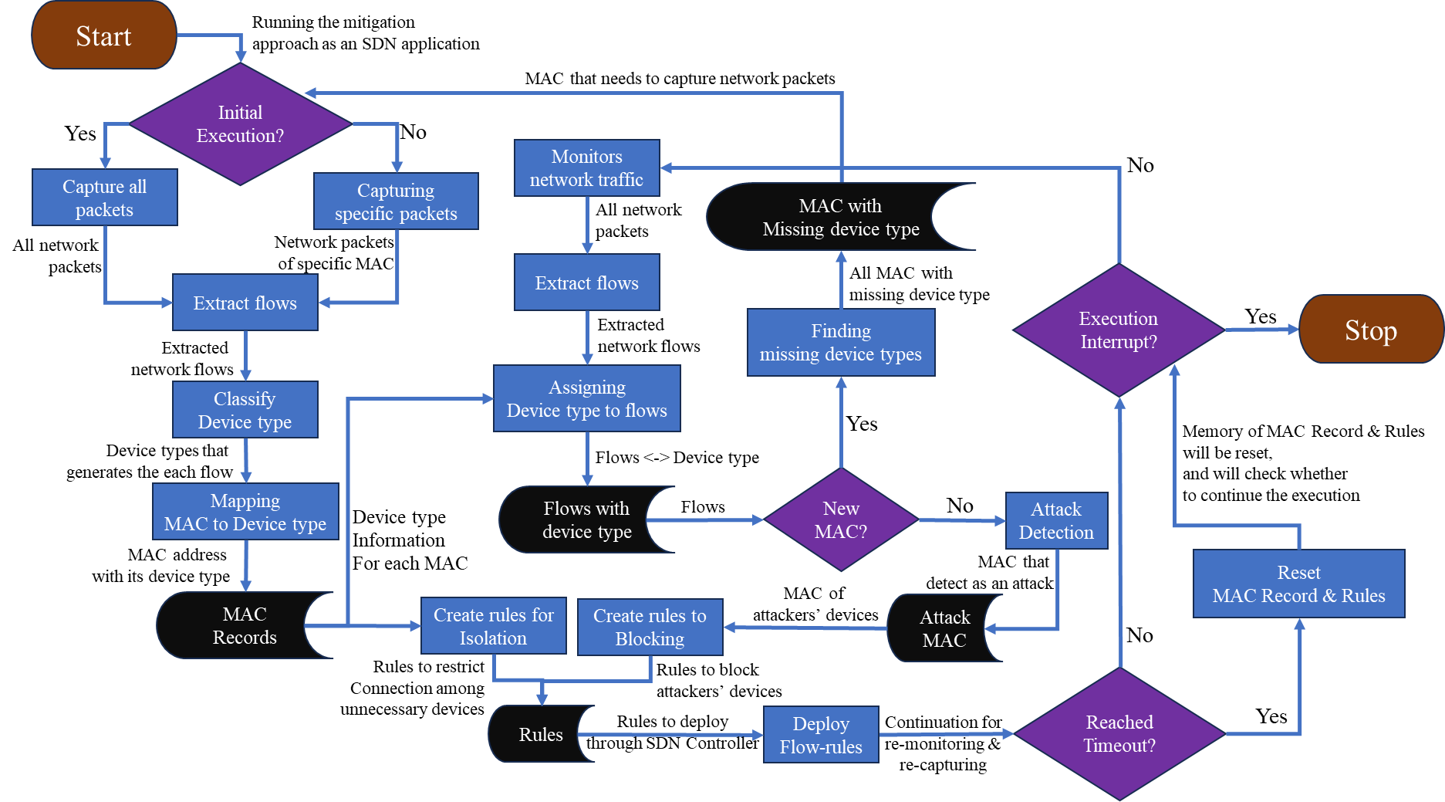

Sheet6
