Bonis
COSMO-CLM (8km) annual avg Tmax
 | COSMO-CLM-Tmax mean rcp4.5 | COSMO-CLM-Tmax mean rcp8.5
year | 16.794885282 | 16.03998917
2006 | 15.398457474 | 15.866614737
2007 | 16.00670759 | 16.032446577
2008 | 17.622904301 | 16.255562066
2009 | 16.538771973 | 16.082926389
2010 | 16.943434712 | 16.749504548
2011 | 16.5683675 | 16.99566329
2012 | 16.641257433 | 16.50352691
2013 | 17.881227688 | 17.335343534
2014 | 16.192384337 | 17.222108271
2015 | 16.558085874 | 17.74583194
2016 | 15.989042049 | 15.797274647
2017 | 16.4467382 | 16.606747112
2018 | 15.337105567 | 16.065692058
2019 | 17.50315212 | 17.284240246
2020 | 16.793151912 | 15.87642974
2021 | 17.055120945 | 16.232189866
2022 | 16.164601076 | 17.082000438
2023 | 16.167360616 | 16.399267842
2024 | 16.878250479 | 17.035696052
2025 | 15.723167416 | 16.57011614
2026 | 18.055908638 | 17.478335337
2027 | 15.171821194 | 17.264011997
2028 | 15.677340373 | 18.304810164
2029 | 16.853361777 | 15.91597474
2030 | 15.852748789 | 17.029051808
2031 | 16.507282492 | 17.750235861
2032 | 16.45551969 | 17.712848219
2033 | 16.73021094 | 17.349294185
2034 | 16.579045137 | 17.335871214
2035 | 18.400762934 | 18.132910027
2036 | 16.914167223 | 16.74436766
2037 | 16.941142274 | 17.086837203
2038 | 17.615724353 | 18.162181575
2039 | 16.291792514 | 16.31278288
2040 | 16.300287888 | 18.091836386
2041 | 16.457273742 | 16.705308367
2042 | 16.814257085 | 17.655126904
2043 | 17.163537377 | 16.352673902
2044 | 19.377272548 | 17.935509855
2045 | 17.145884898 | 16.887396164
2046 | 16.925135781 | 18.142473688
2047 | 18.049975705 | 18.501470792
2048 | 18.129004747 | 17.353343501
2049 | 17.782650902 | 18.120049096
2050 | 17.222336027 | 20.226346082
2051 | 17.384106175 | 18.268337033
2052 | 16.279014032 | 18.848959455
2053 | 17.528263644 | 19.968582767
2054 | 18.780531967 | 19.230702192
...
COSMO-CLM (8km) annual cum Precip
year | COSMO-CLM-Tmax mean rcp4.5 | COSMO-CLM-Tmin mean rcp4.5 | COSMO-CLM-Prec cum rcp4.5 | COSMO-CLM-Tmax mean rcp8.5 | COSMO-CLM-Tmin mean rcp8.5 | COSMO-CLM-Prec cum rcp8.5
2006 | 16.794885282 | 10.243424933 | 979.35412149 | 16.03998917 | 9.3386075432 | 1080.354421
2007 | 15.398457474 | 8.8475400997 | 760.34338029 | 15.866614737 | 9.7890185515 | 1188.6141054
2008 | 16.00670759 | 9.4386410164 | 725.50031239 | 16.032446577 | 9.5662293339 | 1030.5802434
2009 | 17.622904301 | 10.740959299 | 838.9354507 | 16.255562066 | 9.6821959863 | 902.37126347
2010 | 16.538771973 | 9.7510514548 | 1054.8799214 | 16.082926389 | 9.6911412727 | 812.7962775
2011 | 16.943434712 | 10.531606501 | 1136.9563894 | 16.749504548 | 9.8889605186 | 594.18166482
2012 | 16.5683675 | 10.214373329 | 925.98765794 | 16.99566329 | 10.285080193 | 1093.7783753
2013 | 16.641257433 | 10.155021406 | 1024.5305621 | 16.50352691 | 9.7804757123 | 628.58175277
2014 | 17.881227688 | 10.814163128 | 462.80992448 | 17.335343534 | 10.443416923 | 688.49825974
2015 | 16.192384337 | 9.595259029 | 772.61765348 | 17.222108271 | 10.446839136 | 747.85908721
2016 | 16.558085874 | 9.864259279 | 808.34478112 | 17.74583194 | 10.983806418 | 774.22851131
2017 | 15.989042049 | 9.2598205151 | 1084.0745277 | 15.797274647 | 9.6612218299 | 1139.676364
2018 | 16.4467382 | 10.066010378 | 1296.7280145 | 16.606747112 | 9.8360218948 | 827.71330174
2019 | 15.337105567 | 9.1934992778 | 1094.545708 | 16.065692058 | 9.4804788359 | 1068.6263879
2020 | 17.50315212 | 10.886820295 | 824.5145427 | 17.284240246 | 10.900806577 | 1058.6465478
2021 | 16.793151912 | 10.200669961 | 678.34726076 | 15.87642974 | 9.2834610792 | 728.98546883
2022 | 17.055120945 | 10.565261334 | 869.55021475 | 16.232189866 | 9.833764518 | 957.60151868
2023 | 16.164601076 | 9.7079403333 | 883.676867 | 17.082000438 | 10.520252999 | 1128.6757294
2024 | 16.167360616 | 9.9204442514 | 826.51030351 | 16.399267842 | 10.078565057 | 977.24168959
2025 | 16.878250479 | 10.26912771 | 982.98732617 | 17.035696052 | 10.566720786 | 1323.7801475
2026 | 15.723167416 | 9.3134628795 | 1180.2146606 | 16.57011614 | 10.068702241 | 696.65420807
2027 | 18.055908638 | 11.103790751 | 537.3969574 | 17.478335337 | 10.818175627 | 1051.1300867
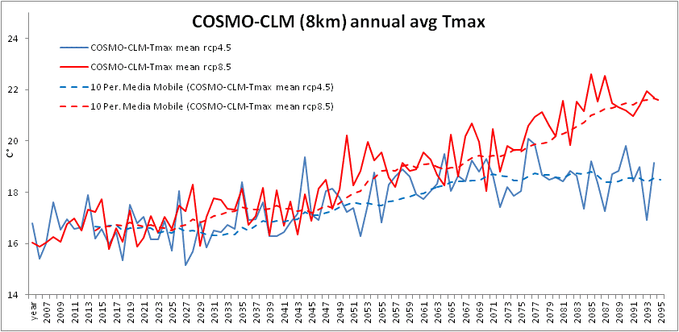
2028 | 15.171821194 | 8.7819053825 | 1349.6371666 | 17.264011997 | 10.422344145 | 922.56531663
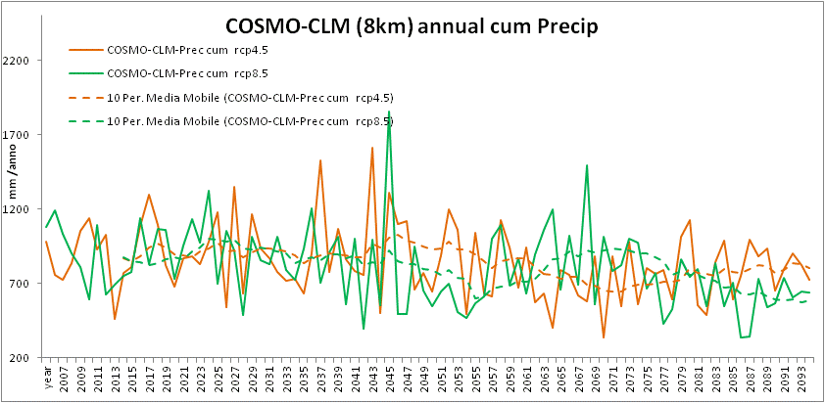
2029 | 15.677340373 | 8.8454945068 | 633.47945804 | 18.304810164 | 11.080144101 | 486.85974587
2030 | 16.853361777 | 10.02904644 | 1163.9098157 | 15.91597474 | 9.6120948874 | 1014.7798809
2031 | 15.852748789 | 9.1793929384 | 935.65016097 | 17.029051808 | 10.500466254 | 858.73146769
2032 | 16.507282492 | 9.7631796557 | 869.71017313 | 17.750235861 | 10.93463009 | 829.2728671
2033 | 16.45551969 | 9.949326063 | 774.95857291 | 17.712848219 | 11.006002027 | 1016.2378855
2034 | 16.73021094 | 10.273629786 | 716.93757002 | 17.349294185 | 10.553795099 | 792.74449578
2035 | 16.579045137 | 10.087129113 | 732.77610053 | 17.335871214 | 10.577497194 | 723.39460259 | media(2005-2035)
2036 | 18.400762934 | 11.308375569 | 633.91050664 | 18.132910027 | 11.591469463 | 937.05793904 | 16.564134726 | 9.9645363424 | 889.02503427 | 16.840403714 | 10.232980203 | 905.87805204
2037 | 16.914167223 | 10.453111628 | 900.40821363 | 16.74436766 | 10.295961695 | 1201.2343283
2038 | 16.941142274 | 10.435425879 | 1523.7028786 | 17.086837203 | 10.534966921 | 702.05375564
2039 | 17.615724353 | 10.828579685 | 780.2514723 | 18.162181575 | 11.565526744 | 910.92707165
2040 | 16.291792514 | 9.7213470768 | 1063.1946547 | 16.31278288 | 9.9622841421 | 1015.1704259
2041 | 16.300287888 | 9.6868909329 | 862.77176538 | 18.091836386 | 11.221918856 | 559.05143074
2042 | 16.457273742 | 9.7125268279 | 781.3074623 | 16.705308367 | 10.217371499 | 999.67826269
2043 | 16.814257085 | 10.246655148 | 757.38534553 | 17.655126904 | 10.694150838 | 393.58720401
2044 | 17.163537377 | 10.999415645 | 1610.9234925 | 16.352673902 | 9.7539764668 | 996.16958194
2045 | 19.377272548 | 12.368798334 | 501.36108697 | 17.935509855 | 11.085864299 | 554.428084
2046 | 17.145884898 | 10.3436611 | 1310.9742507 | 16.887396164 | 10.15124859 | 1855.1660245
2047 | 16.925135781 | 10.408538688 | 1096.3543549 | 18.142473688 | 10.995914066 | 494.15219243
2048 | 18.049975705 | 11.393749456 | 1121.7630692 | 18.501470792 | 11.438909149 | 493.47659069
2049 | 18.129004747 | 11.339404622 | 661.98095689 | 17.353343501 | 10.984711753 | 949.79763426
2050 | 17.782650902 | 10.879969493 | 772.69580172 | 18.120049096 | 11.292818271 | 651.91408963
2051 | 17.222336027 | 10.42251971 | 648.72343628 | 20.226346082 | 12.978432189 | 547.14081286
2052 | 17.384106175 | 10.855154516 | 887.42535692 | 18.268337033 | 11.555992795 | 647.20814498
2053 | 16.279014032 | 10.166515088 | 1198.0961033 | 18.848959455 | 11.829312303 | 699.11625313
2054 | 17.528263644 | 10.891471238 | 1059.7110746 | 19.968582767 | 13.051121088 | 505.04052744
2055 | 18.780531967 | 11.930115241 | 493.66281607 | 19.230702192 | 12.418068993 | 469.62158892
2056 | 16.810674377 | 10.256916992 | 1042.271149 | 19.54263235 | 12.389685746 | 567.8512041
2057 | 18.289733562 | 11.381808803 | 634.85500324 | 18.597426515 | 11.663976832 | 611.04904568
2058 | 18.626739836 | 11.843068972 | 611.99843553 | 18.204601945 | 11.880468171 | 1003.7151342
2059 | 18.891085507 | 12.078375899 | 1123.3629927 | 19.140593425 | 12.241962934 | 1090.3313682
2060 | 18.616071963 | 12.10951323 | 944.42070815 | 18.821345328 | 12.222354801 | 694.34533192
2061 | 17.927712542 | 11.214588443 | 670.19503235 | 18.888881902 | 12.192689619 | 872.21814867
2062 | 17.724992932 | 11.161176388 | 938.51128604 | 19.568508989 | 12.651492452 | 631.21337924
2063 | 18.057362071 | 11.26328151 | 570.68186813 | 19.2895467 | 12.573960712 | 894.70798391
2064 | 18.344467833 | 11.356033265 | 630.74873749 | 18.683944145 | 11.986552426 | 1061.5930542 | Media(2036-2066)
2065 | 19.491884907 | 12.27633895 | 401.98131339 | 18.260900219 | 11.874531233 | 1199.1042516 | 17.676128245 | 10.977777611 | 874.52102084 | 18.257519235 | 11.509923168 | 806.93736148
2066 | 18.043123901 | 11.368137911 | 789.01817011 | 20.239433233 | 13.567006586 | 657.51100313
2067 | 18.649539907 | 11.678559598 | 758.09129527 | 18.619442219 | 11.954785353 | 1023.2294123
2068 | 18.417072966 | 11.505441262 | 621.03661951 | 20.170555557 | 13.238657396 | 692.90000055
2069 | 19.249220992 | 12.052928945 | 580.83623216 | 20.686807589 | 13.673283614 | 1490.6462969
2070 | 18.787897526 | 11.9965439 | 881.21311223 | 19.970942877 | 13.309105634 | 559.91816776
2071 | 19.314595945 | 12.325405323 | 340.05277087 | 18.052281699 | 11.654930405 | 1016.3705637
2072 | 18.692221557 | 11.82921829 | 880.43747867 | 20.479128251 | 13.681239399 | 782.81195092
2073 | 17.424695411 | 10.834935964 | 545.5149444 | 18.797846822 | 12.145935178 | 823.96857255
2074 | 18.199403353 | 11.731064477 | 979.32182638 | 19.811858712 | 13.067587244 | 1002.5693569
2075 | 17.861548148 | 11.038231032 | 560.9221525 | 19.63589434 | 13.076156732 | 977.39121824
2076 | 18.035999325 | 11.107509107 | 801.50831856 | 19.636625137 | 12.911927738 | 666.58399297
2077 | 20.08116611 | 13.059869326 | 765.36890941 | 20.595527288 | 13.72114826 | 771.61789144
2078 | 19.857118877 | 12.693164397 | 792.70439953 | 20.955132 | 14.066956026 | 428.82761526
2079 | 18.671416318 | 11.996593439 | 590.59330674 | 21.123138247 | 13.915489939 | 529.20274438
2080 | 18.483787787 | 11.82268697 | 1016.102094 | 20.590227077 | 13.83806026 | 862.73018494
2081 | 18.581736904 | 12.259315721 | 1122.8858478 | 20.177091151 | 13.509872441 | 744.93803696
2082 | 18.419482252 | 11.332981451 | 554.8242395 | 21.583649205 | 14.638915814 | 796.56588325
2083 | 18.843961312 | 11.98558583 | 486.04551491 | 19.839322658 | 13.267487997 | 548.74154448
2084 | 18.654546448 | 11.923717904 | 843.69772271 | 21.526225246 | 14.592852828 | 835.51891301
2085 | 17.354480685 | 10.997409041 | 989.43528412 | 21.149591918 | 13.968173425 | 544.92901775
2086 | 19.204816986 | 12.399655611 | 589.89597667 | 22.609227945 | 15.3831186 | 704.08767741
2087 | 18.377280932 | 11.581272249 | 748.52847869 | 21.525235918 | 14.322604466 | 337.12655099
2088 | 17.253387732 | 10.661923986 | 994.20929921 | 22.541457377 | 15.163675369 | 342.62257479
2089 | 18.696726822 | 11.944921367 | 882.77783727 | 21.465110356 | 14.873619507 | 728.94610915
2090 | 18.828553014 | 12.063809753 | 933.97408312 | 21.325675863 | 14.185986019 | 542.17696252
2091 | 19.801838173 | 12.832129337 | 650.44402016 | 21.191563178 | 14.297982438 | 568.56349146
2092 | 18.416042568 | 11.65236421 | 796.24217433 | 20.960591284 | 14.083875505 | 736.63620731
2093 | 19.006013205 | 12.113943575 | 904.73318254 | 21.369696301 | 14.278951652 | 607.61143678
2094 | 16.90252323 | 10.621227764 | 821.56723971 | 21.949786685 | 14.726835323 | 648.37112306 | Media(2066-2095)
2095 | 19.138527233 | 12.440447849 | 721.27848101 | 21.694216301 | 14.826395167 | 641.00129852 | 18.574957521 | 11.795033186 | 764.77536707 | 20.675776081 | 13.798087211 | 720.47052664

