16-channew
Spherical coordinates |  |  | Cartesian coordinates
The spherical coordinates are in degrees, the head is approximated as a sphere. |  |  | The Radius of the head is r (circumference divided by 2π), assuming the
Spherical angles are measured from an imaginary center in the middle of the head. |  |  | head is a perfect sphere. The below Cartesian values are in Millimeters,
Inclination: positive is right hemisphere, directing Cz is 0, negative is left hemisphere. |  |  | with r calculated from the entered head cirumference.
Azimuth: | from T7 for left hemisphere, and from T8 for the right hemisphere, |  | The center of the head is located at position 0,0,0.
 | pos is anti-clockwise, neg is clockwise |  | x: positive is direction neck.
 |  |  | y: positive is direction right ear.
http://en.wikipedia.org/wiki/Spherical_coordinate_system |  |  | z: positive is direction sky.

 |  |  | http://en.wikipedia.org/wiki/Cartesian_coordinate_system

 |  |  | Enter the head circumference here: (in centimeters)
 |  |  |  | Circumference = | 55
 |  |  |  | → r (in mm) = | 87.53522298
 |  |  | After entering the head circumference, all Cartesian cordinates are scaled accordingly.
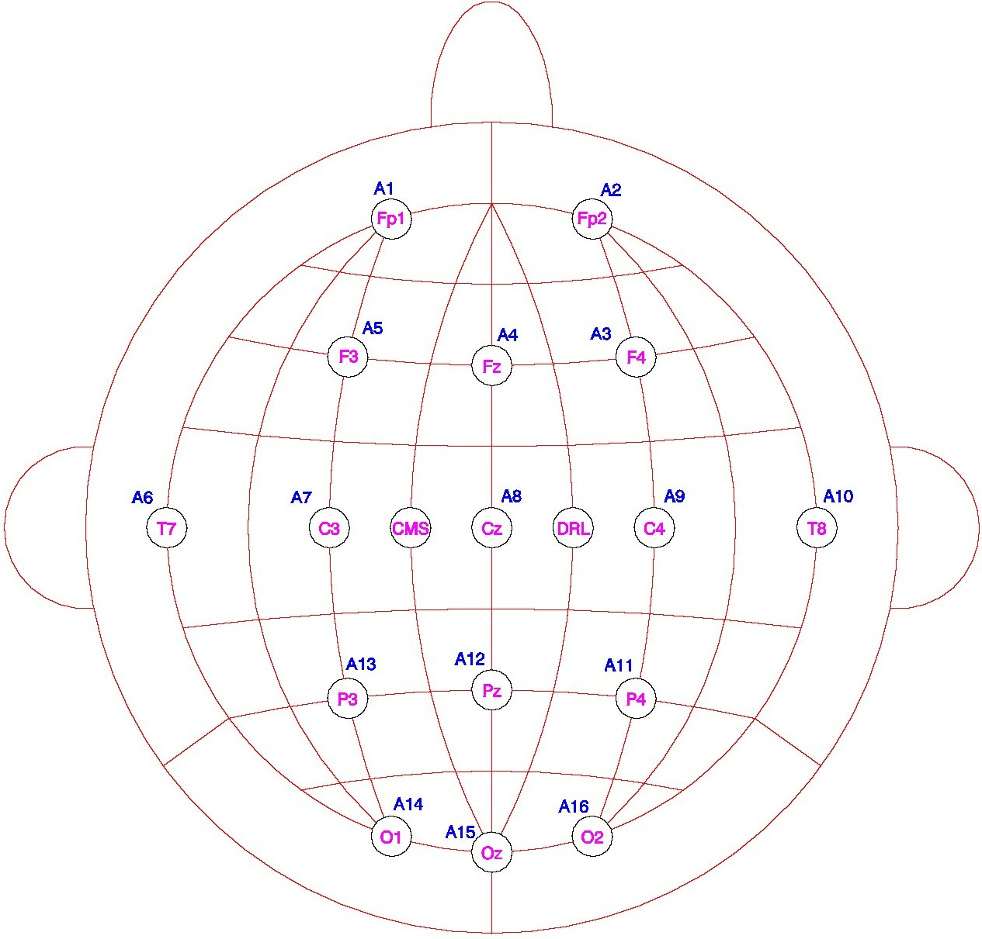

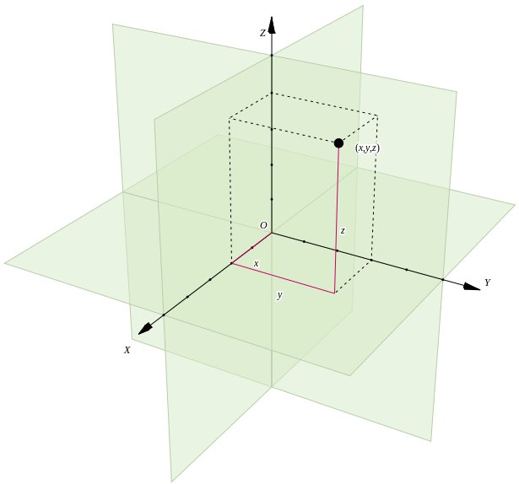

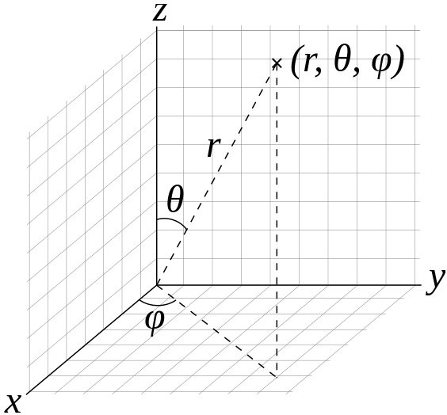

Electrode | θ (Inclination) | φ (Azimuth) |  | x = -r sinθ sinφ | y = r sinθ cosφ | z = r cosθ
Fp1 | -92 | -72 |  | -83 | -27 | -3
Fp2 | 92 | 72 |  | -83 | 27 | -3
F4 | 60 | 51 |  | -59 | 48 | 44
Fz | 46 | 90 |  | -63 | 0 | 61
F3 | -60 | -51 |  | -59 | -48 | 44
T7 (T3) | -92 | 0 |  | 0 | -87 | -3
C3 | -46 | 0 |  | 0 | -63 | 61
Cz | 0 | 0 |  | 0 | 0 | 88
C4 | 46 | 0 |  | 0 | 63 | 61
T8 (T4) | 92 | 0 |  | 0 | 87 | -3
P4 | 60 | -51 |  | 59 | 48 | 44
Pz | 46 | -90 |  | 63 | 0 | 61
P3 | -60 | 51 |  | 59 | -48 | 44
O1 | -92 | 72 |  | 83 | -27 | -3
Oz | 92 | -90 |  | 87 | 0 | -3
O2 | 92 | -72 |  | 83 | 27 | -3

Nasion, Inion, T9 (left preauricular) and T10 (right preauricular) reference points:
Nasion | 115 | 90
Inion | 115 | -90
T9 | -115 | 0
T10 | 115 | 0

32-chan
Spherical coordinates |  |  | Cartesian coordinates
The spherical coordinates are in degrees, the head is approximated as a sphere. |  |  | The Radius of the head is r (circumference divided by 2π), assuming the
Spherical angles are measured from an imaginary center in the middle of the head. |  |  | head is a perfect sphere. The below Cartesian values are in Millimeters,
Inclination: positive is right hemisphere, directing Cz is 0, negative is left hemisphere. |  |  | with r calculated from the entered head cirumference.
Azimuth: | from T7 for left hemisphere, and from T8 for the right hemisphere, |  | The center of the head is located at position 0,0,0.
 | pos is anti-clockwise, neg is clockwise |  | x: positive is direction neck.
 |  |  | y: positive is direction right ear.
http://en.wikipedia.org/wiki/Spherical_coordinate_system |  |  | z: positive is direction sky.

 |  |  | http://en.wikipedia.org/wiki/Cartesian_coordinate_system

 |  |  | Enter the head circumference here: (in centimeters)
 |  |  |  | Circumference = | 55
 |  |  |  | → r (in mm) = | 87.53522298
 |  |  | After entering the head circumference, all Cartesian cordinates are scaled accordingly.

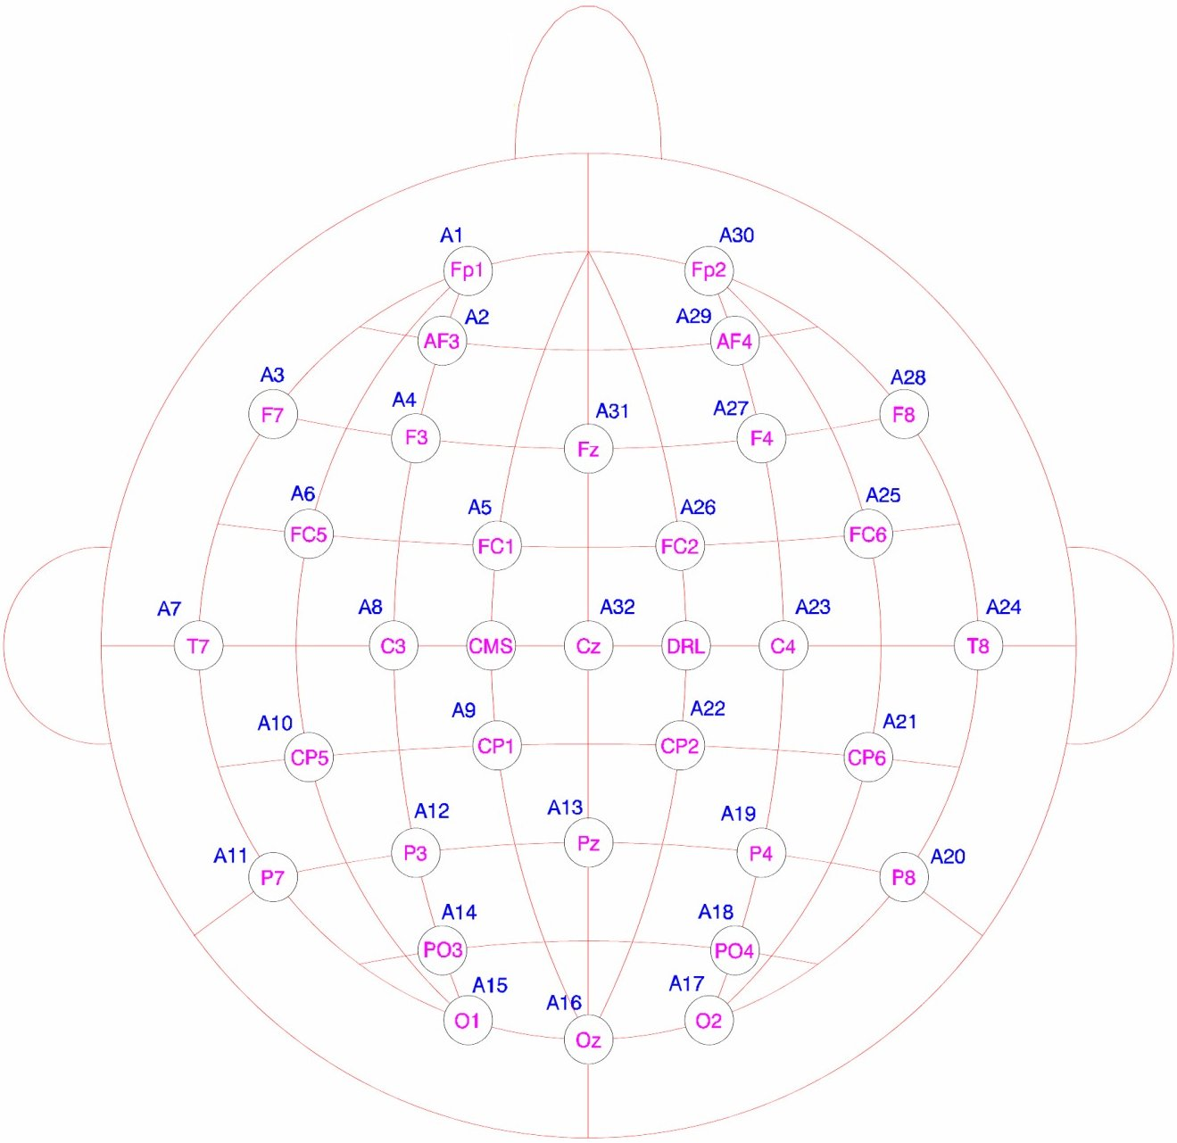

Electrode | θ (Inclination) | φ (Azimuth) |  | x = -r sinθ sinφ | y = r sinθ cosφ | z = r cosθ
Fp1 | -92 | -72 |  | -83 | -27 | -3
AF3 | -74 | -65 |  | -76 | -36 | 24
F7 | -92 | -36 |  | -51 | -71 | -3
F3 | -60 | -51 |  | -59 | -48 | 44
FC1 | -32 | -45 |  | -33 | -33 | 74
FC5 | -72 | -21 |  | -30 | -78 | 27
T7 | -92 | 0 |  | 0 | -87 | -3
C3 | -46 | 0 |  | 0 | -63 | 61
CP1 | -32 | 45 |  | 33 | -33 | 74
CP5 | -72 | 21 |  | 30 | -78 | 27
P7 | -92 | 36 |  | 51 | -71 | -3
P3 | -60 | 51 |  | 59 | -48 | 44
Pz | 46 | -90 |  | 63 | 0 | 61
PO3 | -74 | 65 |  | 76 | -36 | 24
O1 | -92 | 72 |  | 83 | -27 | -3
Oz | 92 | -90 |  | 87 | 0 | -3
O2 | 92 | -72 |  | 83 | 27 | -3
PO4 | 74 | -65 |  | 76 | 36 | 24
P4 | 60 | -51 |  | 59 | 48 | 44
P8 | 92 | -36 |  | 51 | 71 | -3
CP6 | 72 | -21 |  | 30 | 78 | 27
CP2 | 32 | -45 |  | 33 | 33 | 74
C4 | 46 | 0 |  | 0 | 63 | 61
T8 | 92 | 0 |  | 0 | 87 | -3
FC6 | 72 | 21 |  | -30 | 78 | 27
FC2 | 32 | 45 |  | -33 | 33 | 74
F4 | 60 | 51 |  | -59 | 48 | 44
F8 | 92 | 36 |  | -51 | 71 | -3
AF4 | 74 | 65 |  | -76 | 36 | 24
Fp2 | 92 | 72 |  | -83 | 27 | -3
Fz | 46 | 90 |  | -63 | 0 | 61
Cz | 0 | 0 |  | 0 | 0 | 88

Nasion, Inion, T9 (left preauricular) and T10 (right preauricular) reference points:
Nasion | 115 | 90
Inion | 115 | -90
T9 | -115 | 0
T10 | 115 | 0

64-chan
Spherical coordinates |  |  | Cartesian coordinates
The spherical coordinates are in degrees, the head is approximated as a sphere. |  |  | The Radius of the head is r (circumference divided by 2π), assuming the
Spherical angles are measured from an imaginary center in the middle of the head. |  |  | head is a perfect sphere. The below Cartesian values are in Millimeters,
Inclination: positive is right hemisphere, directing Cz is 0, negative is left hemisphere. |  |  | with r calculated from the entered head cirumference.
Azimuth: | from T7 for left hemisphere, and from T8 for the right hemisphere, |  | The center of the head is located at position 0,0,0.
 | pos is anti-clockwise, neg is clockwise |  | x: positive is direction neck.
 |  |  | y: positive is direction right ear.
http://en.wikipedia.org/wiki/Spherical_coordinate_system |  |  | z: positive is direction sky.

 |  |  | http://en.wikipedia.org/wiki/Cartesian_coordinate_system

 |  |  | Enter the head circumference here: (in centimeters)
 |  |  |  | Circumference = | 55
 |  |  |  | → r (in mm) = | 87.53522298
 |  |  | After entering the head circumference, all Cartesian cordinates are scaled accordingly.

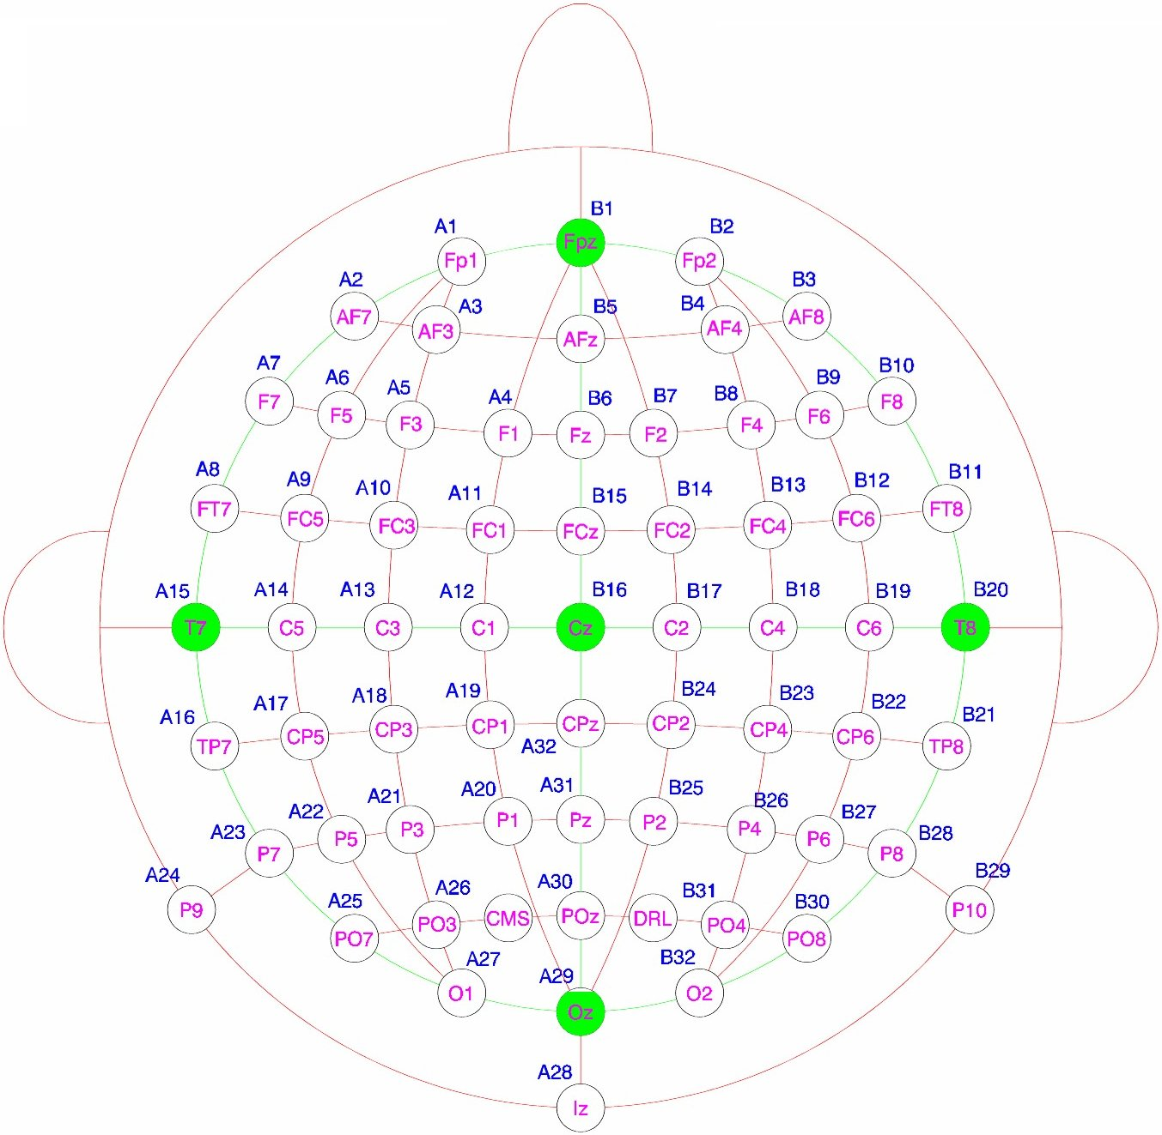

Electrode | θ (Inclination) | φ (Azimuth) |  | x = -r sinθ sinφ | y = r sinθ cosφ | z = r cosθ
Fp1 | -92 | -72 |  | -83 | -27 | -3
AF7 | -92 | -54 |  | -71 | -51 | -3
AF3 | -74 | -65 |  | -76 | -36 | 24
F1 | -50 | -68 |  | -62 | -25 | 56
F3 | -60 | -51 |  | -59 | -48 | 44
F5 | -75 | -41 |  | -55 | -64 | 23
F7 | -92 | -36 |  | -51 | -71 | -3
FT7 | -92 | -18 |  | -27 | -83 | -3
FC5 | -72 | -21 |  | -30 | -78 | 27
FC3 | -50 | -28 |  | -31 | -59 | 56
FC1 | -32 | -45 |  | -33 | -33 | 74
C1 | -23 | 0 |  | 0 | -34 | 81
C3 | -46 | 0 |  | 0 | -63 | 61
C5 | -69 | 0 |  | 0 | -82 | 31
T7 | -92 | 0 |  | 0 | -87 | -3
TP7 | -92 | 18 |  | 27 | -83 | -3
CP5 | -72 | 21 |  | 30 | -78 | 27
CP3 | -50 | 28 |  | 31 | -59 | 56
CP1 | -32 | 45 |  | 33 | -33 | 74
P1 | -50 | 68 |  | 62 | -25 | 56
P3 | -60 | 51 |  | 59 | -48 | 44
P5 | -75 | 41 |  | 55 | -64 | 23
P7 | -92 | 36 |  | 51 | -71 | -3
P9 | -115 | 36 |  | 47 | -64 | -37
PO7 | -92 | 54 |  | 71 | -51 | -3
PO3 | -74 | 65 |  | 76 | -36 | 24
O1 | -92 | 72 |  | 83 | -27 | -3
Iz | 115 | -90 |  | 79 | 0 | -37
Oz | 92 | -90 |  | 87 | 0 | -3
POz | 69 | -90 |  | 82 | 0 | 31
Pz | 46 | -90 |  | 63 | 0 | 61
CPz | 23 | -90 |  | 34 | 0 | 81
Fpz | 92 | 90 |  | -87 | 0 | -3
Fp2 | 92 | 72 |  | -83 | 27 | -3
AF8 | 92 | 54 |  | -71 | 51 | -3
AF4 | 74 | 65 |  | -76 | 36 | 24
Afz | 69 | 90 |  | -82 | 0 | 31
Fz | 46 | 90 |  | -63 | 0 | 61
F2 | 50 | 68 |  | -62 | 25 | 56
F4 | 60 | 51 |  | -59 | 48 | 44
F6 | 75 | 41 |  | -55 | 64 | 23
F8 | 92 | 36 |  | -51 | 71 | -3
FT8 | 92 | 18 |  | -27 | 83 | -3
FC6 | 72 | 21 |  | -30 | 78 | 27
FC4 | 50 | 28 |  | -31 | 59 | 56
FC2 | 32 | 45 |  | -33 | 33 | 74
FCz | 23 | 90 |  | -34 | 0 | 81
Cz | 0 | 0 |  | 0 | 0 | 88
C2 | 23 | 0 |  | 0 | 34 | 81
C4 | 46 | 0 |  | 0 | 63 | 61
C6 | 69 | 0 |  | 0 | 82 | 31
T8 | 92 | 0 |  | 0 | 87 | -3
TP8 | 92 | -18 |  | 27 | 83 | -3
CP6 | 72 | -21 |  | 30 | 78 | 27
CP4 | 50 | -28 |  | 31 | 59 | 56
CP2 | 32 | -45 |  | 33 | 33 | 74
P2 | 50 | -68 |  | 62 | 25 | 56
P4 | 60 | -51 |  | 59 | 48 | 44
P6 | 75 | -41 |  | 55 | 64 | 23
P8 | 92 | -36 |  | 51 | 71 | -3
P10 | 115 | -36 |  | 47 | 64 | -37
PO8 | 92 | -54 |  | 71 | 51 | -3
PO4 | 74 | -65 |  | 76 | 36 | 24
O2 | 92 | -72 |  | 83 | 27 | -3

Nasion, Inion, T9 (left preauricular) and T10 (right preauricular) reference points:
Nasion | 115 | 90
Inion | 115 | -90
T9 | -115 | 0
T10 | 115 | 0

128-chan
Spherical coordinates |  |  | Cartesian coordinates
The spherical coordinates are in degrees, the head is approximated as a sphere. |  |  | The Radius of the head is r (circumference divided by 2π), assuming the
Spherical angles are measured from an imaginary center in the middle of the head. |  |  | head is a perfect sphere. The below Cartesian values are in Millimeters,
Inclination: positive is right hemisphere, directing Cz is 0, negative is left hemisphere. |  |  | with r calculated from the entered head cirumference.
Azimuth: | from T7 for left hemisphere, and from T8 for the right hemisphere, |  | The center of the head is located at position 0,0,0.
 | pos is anti-clockwise, neg is clockwise |  | x: positive is direction neck.
 |  |  | y: positive is direction right ear.
http://en.wikipedia.org/wiki/Spherical_coordinate_system |  |  | z: positive is direction sky.

 |  |  | http://en.wikipedia.org/wiki/Cartesian_coordinate_system

 |  |  | Enter the head circumference here: (in centimeters)
 |  |  |  | Circumference = | 55
 |  |  |  | → r (in mm) = | 87.53522298
 |  |  | After entering the head circumference, all Cartesian cordinates are scaled accordingly.

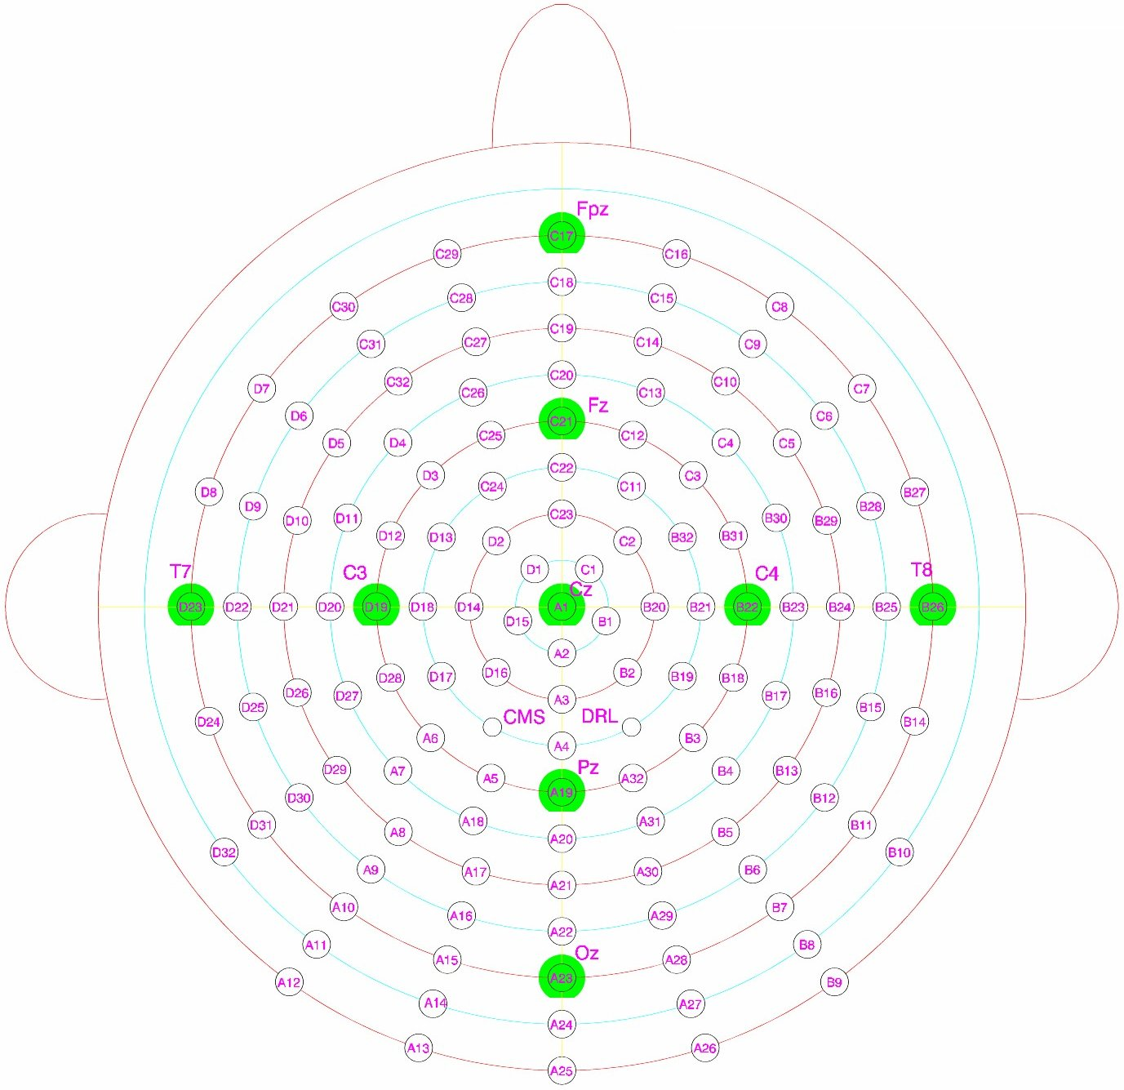

Electrode | θ (Inclination) | φ (Azimuth) |  | x = -r sinθ sinφ | y = r sinθ cosφ | z = r cosθ
A1 (Cz) | 0 | 0 |  | 0 | 0 | 88
A2 | 11.5 | -90 |  | 17 | 0 | 86
A3 (CPz) | 23 | -90 |  | 34 | 0 | 81
A4 | 34.5 | -90 |  | 50 | 0 | 72
A5 | -46 | 67.5 |  | 58 | -24 | 61
A6 | -46 | 45 |  | 45 | -45 | 61
A7 | -57.5 | 45 |  | 52 | -52 | 47
A8 | -69 | 54 |  | 66 | -48 | 31
A9 | -80.5 | 54 |  | 70 | -51 | 14
A10 (PO7) | -92 | 54 |  | 71 | -51 | -3
A11 | -103.5 | 54 |  | 69 | -50 | -20
A12 | -115 | 54 |  | 64 | -47 | -37
A13 | -115 | 72 |  | 75 | -25 | -37
A14 | -103.5 | 72 |  | 81 | -26 | -20
A15 (O1) | -92 | 72 |  | 83 | -27 | -3
A16 | -80.5 | 72 |  | 82 | -27 | 14
A17 | -69 | 72 |  | 78 | -25 | 31
A18 | -57.5 | 67.5 |  | 68 | -28 | 47
A19 (Pz) | 46 | -90 |  | 63 | 0 | 61
A20 | 57.5 | -90 |  | 74 | 0 | 47
A21 (POz) | 69 | -90 |  | 82 | 0 | 31
A22 | 80.5 | -90 |  | 86 | 0 | 14
A23 (Oz) | 92 | -90 |  | 87 | 0 | -3
A24 | 103.5 | -90 |  | 85 | 0 | -20
A25 (Iz, Inion) | 115 | -90 |  | 79 | 0 | -37
A26 | 115 | -72 |  | 75 | 25 | -37
A27 | 103.5 | -72 |  | 81 | 26 | -20
A28 (O2) | 92 | -72 |  | 83 | 27 | -3
A29 | 80.5 | -72 |  | 82 | 27 | 14
A30 | 69 | -72 |  | 78 | 25 | 31
A31 | 57.5 | -67.5 |  | 68 | 28 | 47
A32 | 46 | -67.5 |  | 58 | 24 | 61
B1 | 11.5 | -18 |  | 5 | 17 | 86
B2 | 23 | -45 |  | 24 | 24 | 81
B3 | 46 | -45 |  | 45 | 45 | 61
B4 | 57.5 | -45 |  | 52 | 52 | 47
B5 | 69 | -54 |  | 66 | 48 | 31
B6 | 80.5 | -54 |  | 70 | 51 | 14
B7 (PO8) | 92 | -54 |  | 71 | 51 | -3
B8 | 103.5 | -54 |  | 69 | 50 | -20
B9 | 115 | -54 |  | 64 | 47 | -37
B10 | 103.5 | -36 |  | 50 | 69 | -20
B11 (P8) | 92 | -36 |  | 51 | 71 | -3
B12 | 80.5 | -36 |  | 51 | 70 | 14
B13 | 69 | -36 |  | 48 | 66 | 31
B14 (TP8) | 92 | -18 |  | 27 | 83 | -3
B15 | 80.5 | -18 |  | 27 | 82 | 14
B16 | 69 | -18 |  | 25 | 78 | 31
B17 | 57.5 | -22.5 |  | 28 | 68 | 47
B18 | 46 | -22.5 |  | 24 | 58 | 61
B19 | 34.5 | -30 |  | 25 | 43 | 72
B20 (C2) | 23 | 0 |  | 0 | 34 | 81
B21 | 34.5 | 0 |  | 0 | 50 | 72
B22 (C4) | 46 | 0 |  | 0 | 63 | 61
B23 | 57.5 | 0 |  | 0 | 74 | 47
B24 (C6) | 69 | 0 |  | 0 | 82 | 31
B25 | 80.5 | 0 |  | 0 | 86 | 14
B26 (T8) | 92 | 0 |  | 0 | 87 | -3
B27 (FT8) | 92 | 18 |  | -27 | 83 | -3
B28 | 80.5 | 18 |  | -27 | 82 | 14
B29 | 69 | 18 |  | -25 | 78 | 31
B30 | 57.5 | 22.5 |  | -28 | 68 | 47
B31 | 46 | 22.5 |  | -24 | 58 | 61
B32 | 34.5 | 30 |  | -25 | 43 | 72
C1 | 11.5 | 54 |  | -14 | 10 | 86
C2 | 23 | 45 |  | -24 | 24 | 81
C3 | 46 | 45 |  | -45 | 45 | 61
C4 | 57.5 | 45 |  | -52 | 52 | 47
C5 | 69 | 36 |  | -48 | 66 | 31
C6 | 80.5 | 36 |  | -51 | 70 | 14
C7 (F8) | 92 | 36 |  | -51 | 71 | -3
C8 (AF8) | 92 | 54 |  | -71 | 51 | -3
C9 | 80.5 | 54 |  | -70 | 51 | 14
C10 | 69 | 54 |  | -66 | 48 | 31
C11 | 34.5 | 60 |  | -43 | 25 | 72
C12 | 46 | 67.5 |  | -58 | 24 | 61
C13 | 57.5 | 67.5 |  | -68 | 28 | 47
C14 | 69 | 72 |  | -78 | 25 | 31
C15 | 80.5 | 72 |  | -82 | 27 | 14
C16 (Fp2) | 92 | 72 |  | -83 | 27 | -3
C17 (Fpz) | 92 | 90 |  | -87 | 0 | -3
C18 | 80.5 | 90 |  | -86 | 0 | 14
C19 (AFz) | 69 | 90 |  | -82 | 0 | 31
C20 | 57.5 | 90 |  | -74 | 0 | 47
C21 (Fz) | 46 | 90 |  | -63 | 0 | 61
C22 | 34.5 | 90 |  | -50 | 0 | 72
C23 (FCz) | 23 | 90 |  | -34 | 0 | 81
C24 | -34.5 | -60 |  | -43 | -25 | 72
C25 | -46 | -67.5 |  | -58 | -24 | 61
C26 | -57.5 | -67.5 |  | -68 | -28 | 47
C27 | -69 | -72 |  | -78 | -25 | 31
C28 | -80.5 | -72 |  | -82 | -27 | 14
C29 (Fp1) | -92 | -72 |  | -83 | -27 | -3
C30 (AF7) | -92 | -54 |  | -71 | -51 | -3
C31 | -80.5 | -54 |  | -70 | -51 | 14
C32 | -69 | -54 |  | -66 | -48 | 31
D1 | -11.5 | -54 |  | -14 | -10 | 86
D2 | -23 | -45 |  | -24 | -24 | 81
D3 | -46 | -45 |  | -45 | -45 | 61
D4 | -57.5 | -45 |  | -52 | -52 | 47
D5 | -69 | -36 |  | -48 | -66 | 31
D6 | -80.5 | -36 |  | -51 | -70 | 14
D7 (F7) | -92 | -36 |  | -51 | -71 | -3
D8 (FT7) | -92 | -18 |  | -27 | -83 | -3
D9 | -80.5 | -18 |  | -27 | -82 | 14
D10 | -69 | -18 |  | -25 | -78 | 31
D11 | -57.5 | -22.5 |  | -28 | -68 | 47
D12 | -46 | -22.5 |  | -24 | -58 | 61
D13 | -34.5 | -30 |  | -25 | -43 | 72
D14 (C1) | -23 | 0 |  | 0 | -34 | 81
D15 | -11.5 | 18 |  | 5 | -17 | 86
D16 | -23 | 45 |  | 24 | -24 | 81
D17 | -34.5 | 30 |  | 25 | -43 | 72
D18 | -34.5 | 0 |  | 0 | -50 | 72
D19 (C3) | -46 | 0 |  | 0 | -63 | 61
D20 | -57.5 | 0 |  | 0 | -74 | 47
D21 (C5) | -69 | 0 |  | 0 | -82 | 31
D22 | -80.5 | 0 |  | 0 | -86 | 14
D23 (T7) | -92 | 0 |  | 0 | -87 | -3
D24 (TP7) | -92 | 18 |  | 27 | -83 | -3
D25 | -80.5 | 18 |  | 27 | -82 | 14
D26 | -69 | 18 |  | 25 | -78 | 31
D27 | -57.5 | 22.5 |  | 28 | -68 | 47
D28 | -46 | 22.5 |  | 24 | -58 | 61
D29 | -69 | 36 |  | 48 | -66 | 31
D30 | -80.5 | 36 |  | 51 | -70 | 14
D31 (P7) | -92 | 36 |  | 51 | -71 | -3
D32 | -103.5 | 36 |  | 50 | -69 | -20

Nasion, Inion, T9 (left preauricular) and T10 (right preauricular) reference points:
Nasion | 115 | 90
Inion | 115 | -90
T9 | -115 | 0
T10 | 115 | 0

160-chan
Spherical coordinates |  |  | Cartesian coordinates
The spherical coordinates are in degrees, the head is approximated as a sphere. |  |  | The Radius of the head is r (circumference divided by 2π), assuming the
Spherical angles are measured from an imaginary center in the middle of the head. |  |  | head is a perfect sphere. The below Cartesian values are in Millimeters,
Inclination: positive is right hemisphere, directing Cz is 0, negative is left hemisphere. |  |  | with r calculated from the entered head cirumference.
Azimuth: | from T7 for left hemisphere, and from T8 for the right hemisphere, |  | The center of the head is located at position 0,0,0.
 | pos is anti-clockwise, neg is clockwise |  | x: positive is direction neck.
 |  |  | y: positive is direction right ear.
http://en.wikipedia.org/wiki/Spherical_coordinate_system |  |  | z: positive is direction sky.

 |  |  | http://en.wikipedia.org/wiki/Cartesian_coordinate_system

 |  |  | Enter the head circumference here: (in centimeters)
 |  |  |  | Circumference = | 55
 |  |  |  | → r (in mm) = | 87.53522298
 |  |  | After entering the head circumference, all Cartesian cordinates are scaled accordingly.

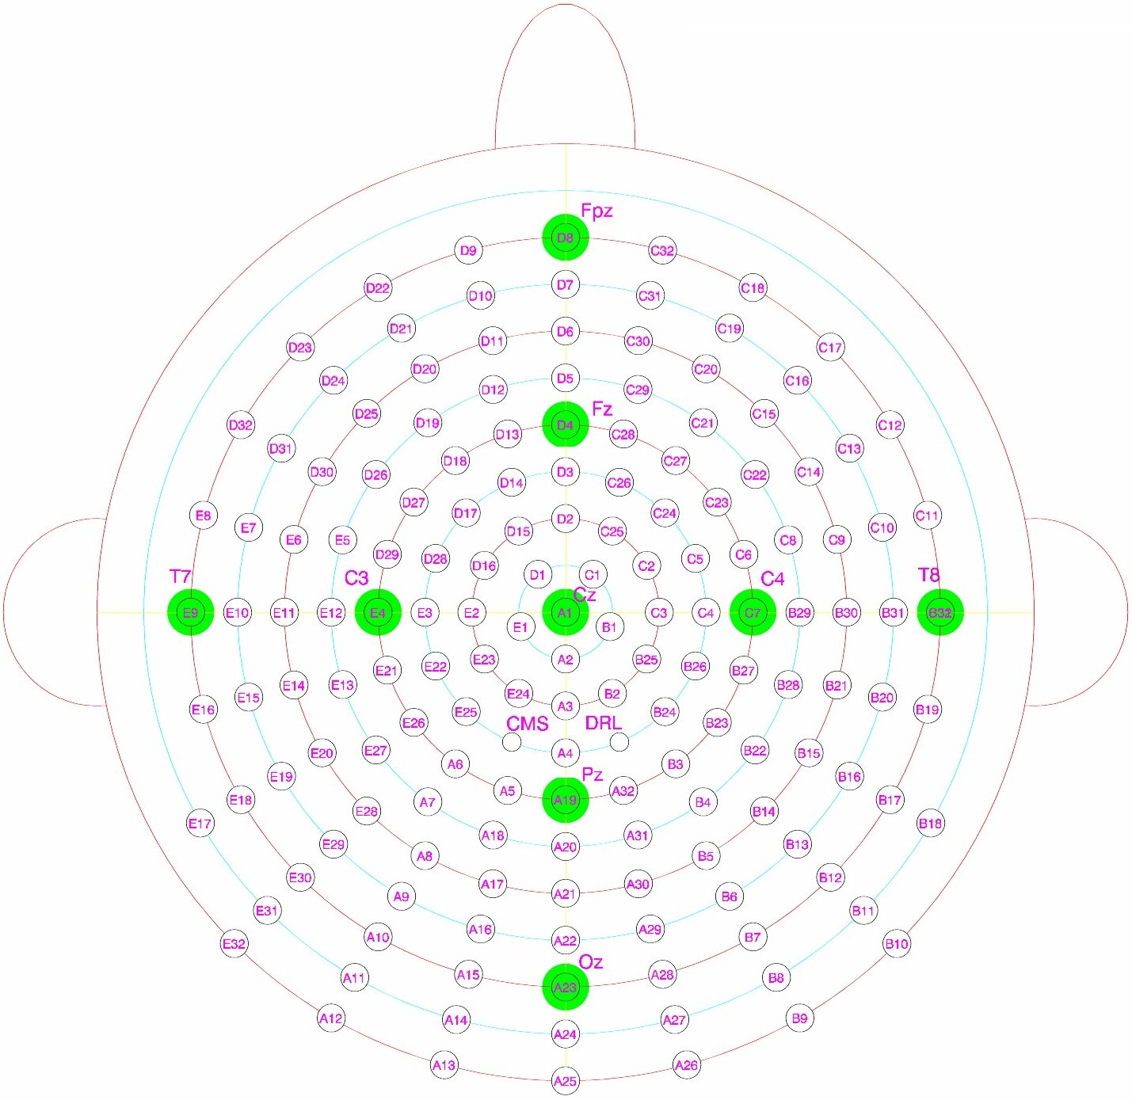

Electrode | θ (Inclination) | φ (Azimuth) |  | x = -r sinθ sinφ | y = r sinθ cosφ | z = r cosθ
A1 (Cz) | 0 | 0 |  | 0 | 0 | 88
A2 | 11.5 | -90 |  | 17 | 0 | 86
A3 | 23 | -90 |  | 34 | 0 | 81
A4 | 34.5 | -90 |  | 50 | 0 | 72
A5 | -46 | 72 |  | 60 | -19 | 61
A6 | -46 | 54 |  | 51 | -37 | 61
A7 | -57.5 | 54 |  | 60 | -43 | 47
A8 | -69 | 60 |  | 71 | -41 | 31
A9 | -80.5 | 60 |  | 75 | -43 | 14
A10 | -92 | 60 |  | 76 | -44 | -3
A11 | -103.5 | 60 |  | 74 | -43 | -20
A12 | -115 | 60 |  | 69 | -40 | -37
A13 | -115 | 75 |  | 77 | -21 | -37
A14 | -103.5 | 75 |  | 82 | -22 | -20
A15 | -92 | 75 |  | 85 | -23 | -3
A16 | -80.5 | 75 |  | 83 | -22 | 14
A17 | -69 | 75 |  | 79 | -21 | 31
A18 | -57.5 | 72 |  | 70 | -23 | 47
A19 (Pz) | 46 | -90 |  | 63 | 0 | 61
A20 | 57.5 | -90 |  | 74 | 0 | 47
A21 | 69 | -90 |  | 82 | 0 | 31
A22 | 80.5 | -90 |  | 86 | 0 | 14
A23 (Oz) | 92 | -90 |  | 87 | 0 | -3
A24 | 103.5 | -90 |  | 85 | 0 | -20
A25 | 115 | -90 |  | 79 | 0 | -37
A26 | 115 | -75 |  | 77 | 21 | -37
A27 | 103.5 | -75 |  | 82 | 22 | -20
A28 | 92 | -75 |  | 85 | 23 | -3
A29 | 80.5 | -75 |  | 83 | 22 | 14
A30 | 69 | -75 |  | 79 | 21 | 31
A31 | 57.5 | -72 |  | 70 | 23 | 47
A32 | 46 | -72 |  | 60 | 19 | 61
B1 | 11.5 | -18 |  | 5 | 17 | 86
B2 | 23 | -60 |  | 30 | 17 | 81
B3 | 46 | -54 |  | 51 | 37 | 61
B4 | 57.5 | -54 |  | 60 | 43 | 47
B5 | 69 | -60 |  | 71 | 41 | 31
B6 | 80.5 | -60 |  | 75 | 43 | 14
B7 | 92 | -60 |  | 76 | 44 | -3
B8 | 103.5 | -60 |  | 74 | 43 | -20
B9 | 115 | -60 |  | 69 | 40 | -37
B10 | 115 | -45 |  | 56 | 56 | -37
B11 | 103.5 | -45 |  | 60 | 60 | -20
B12 | 92 | -45 |  | 62 | 62 | -3
B13 | 80.5 | -45 |  | 61 | 61 | 14
B14 | 69 | -45 |  | 58 | 58 | 31
B15 | 69 | -30 |  | 41 | 71 | 31
B16 | 80.5 | -30 |  | 43 | 75 | 14
B17 | 92 | -30 |  | 44 | 76 | -3
B18 | 103.5 | -30 |  | 43 | 74 | -20
B19 | 92 | -15 |  | 23 | 85 | -3
B20 | 80.5 | -15 |  | 22 | 83 | 14
B21 | 69 | -15 |  | 21 | 79 | 31
B22 | 57.5 | -36 |  | 43 | 60 | 47
B23 | 46 | -36 |  | 37 | 51 | 61
B24 | 34.5 | -45 |  | 35 | 35 | 72
B25 | 23 | -30 |  | 17 | 30 | 81
B26 | 34.5 | -22.5 |  | 19 | 46 | 72
B27 | 46 | -18 |  | 19 | 60 | 61
B28 | 57.5 | -18 |  | 23 | 70 | 47
B29 | 57.5 | 0 |  | 0 | 74 | 47
B30 | 69 | 0 |  | 0 | 82 | 31
B31 | 80.5 | 0 |  | 0 | 86 | 14
B32 (T8) | 92 | 0 |  | 0 | 87 | -3
C1 | 11.5 | 54 |  | -14 | 10 | 86
C2 | 23 | 30 |  | -17 | 30 | 81
C3 | 23 | 0 |  | 0 | 34 | 81
C4 | 34.5 | 0 |  | 0 | 50 | 72
C5 | 34.5 | 22.5 |  | -19 | 46 | 72
C6 | 46 | 18 |  | -19 | 60 | 61
C7 (C4) | 46 | 0 |  | 0 | 63 | 61
C8 | 57.5 | 18 |  | -23 | 70 | 47
C9 | 69 | 15 |  | -21 | 79 | 31
C10 | 80.5 | 15 |  | -22 | 83 | 14
C11 | 92 | 15 |  | -23 | 85 | -3
C12 | 92 | 30 |  | -44 | 76 | -3
C13 | 80.5 | 30 |  | -43 | 75 | 14
C14 | 69 | 30 |  | -41 | 71 | 31
C15 | 69 | 45 |  | -58 | 58 | 31
C16 | 80.5 | 45 |  | -61 | 61 | 14
C17 | 92 | 45 |  | -62 | 62 | -3
C18 | 92 | 60 |  | -76 | 44 | -3
C19 | 80.5 | 60 |  | -75 | 43 | 14
C20 | 69 | 60 |  | -71 | 41 | 31
C21 | 57.5 | 54 |  | -60 | 43 | 47
C22 | 57.5 | 36 |  | -43 | 60 | 47
C23 | 46 | 36 |  | -37 | 51 | 61
C24 | 34.5 | 45 |  | -35 | 35 | 72
C25 | 23 | 60 |  | -30 | 17 | 81
C26 | 34.5 | 67.5 |  | -46 | 19 | 72
C27 | 46 | 54 |  | -51 | 37 | 61
C28 | 46 | 72 |  | -60 | 19 | 61
C29 | 57.5 | 72 |  | -70 | 23 | 47
C30 | 69 | 75 |  | -79 | 21 | 31
C31 | 80.5 | 75 |  | -83 | 22 | 14
C32 | 92 | 75 |  | -85 | 23 | -3
D1 | -11.5 | -54 |  | -14 | -10 | 86
D2 | 23 | 90 |  | -34 | 0 | 81
D3 | 34.5 | 90 |  | -50 | 0 | 72
D4 (Fz) | 46 | 90 |  | -63 | 0 | 61
D5 | 57.5 | 90 |  | -74 | 0 | 47
D6 | 69 | 90 |  | -82 | 0 | 31
D7 | 80.5 | 90 |  | -86 | 0 | 14
D8 (Fpz) | 92 | 90 |  | -87 | 0 | -3
D9 | -92 | -75 |  | -85 | -23 | -3
D10 | -80.5 | -75 |  | -83 | -22 | 14
D11 | -69 | -75 |  | -79 | -21 | 31
D12 | -57.5 | -72 |  | -70 | -23 | 47
D13 | -46 | -72 |  | -60 | -19 | 61
D14 | -34.5 | -67.5 |  | -46 | -19 | 72
D15 | -23 | -60 |  | -30 | -17 | 81
D16 | -23 | -30 |  | -17 | -30 | 81
D17 | -34.5 | -45 |  | -35 | -35 | 72
D18 | -46 | -54 |  | -51 | -37 | 61
D19 | -57.5 | -54 |  | -60 | -43 | 47
D20 | -69 | -60 |  | -71 | -41 | 31
D21 | -80.5 | -60 |  | -75 | -43 | 14
D22 | -92 | -60 |  | -76 | -44 | -3
D23 | -92 | -45 |  | -62 | -62 | -3
D24 | -80.5 | -45 |  | -61 | -61 | 14
D25 | -69 | -45 |  | -58 | -58 | 31
D26 | -57.5 | -36 |  | -43 | -60 | 47
D27 | -46 | -36 |  | -37 | -51 | 61
D28 | -34.5 | -22.5 |  | -19 | -46 | 72
D29 | -46 | -18 |  | -19 | -60 | 61
D30 | -69 | -30 |  | -41 | -71 | 31
D31 | -80.5 | -30 |  | -43 | -75 | 14
D32 | -92 | -30 |  | -44 | -76 | -3
E1 | -11.5 | 18 |  | 5 | -17 | 86
E2 | -23 | 0 |  | 0 | -34 | 81
E3 | -34.5 | 0 |  | 0 | -50 | 72
E4 (C3) | -46 | 0 |  | 0 | -63 | 61
E5 | -57.5 | -18 |  | -23 | -70 | 47
E6 | -69 | -15 |  | -21 | -79 | 31
E7 | -80.5 | -15 |  | -22 | -83 | 14
E8 | -92 | -15 |  | -23 | -85 | -3
E9 (T7) | -92 | 0 |  | 0 | -87 | -3
E10 | -80.5 | 0 |  | 0 | -86 | 14
E11 | -69 | 0 |  | 0 | -82 | 31
E12 | -57.5 | 0 |  | 0 | -74 | 47
E13 | -57.5 | 18 |  | 23 | -70 | 47
E14 | -69 | 15 |  | 21 | -79 | 31
E15 | -80.5 | 15 |  | 22 | -83 | 14
E16 | -92 | 15 |  | 23 | -85 | -3
E17 | -103.5 | 30 |  | 43 | -74 | -20
E18 | -92 | 30 |  | 44 | -76 | -3
E19 | -80.5 | 30 |  | 43 | -75 | 14
E20 | -69 | 30 |  | 41 | -71 | 31
E21 | -46 | 18 |  | 19 | -60 | 61
E22 | -34.5 | 22.5 |  | 19 | -46 | 72
E23 | -23 | 30 |  | 17 | -30 | 81
E24 | -23 | 60 |  | 30 | -17 | 81
E25 | -34.5 | 45 |  | 35 | -35 | 72
E26 | -46 | 36 |  | 37 | -51 | 61
E27 | -57.5 | 36 |  | 43 | -60 | 47
E28 | -69 | 45 |  | 58 | -58 | 31
E29 | -80.5 | 45 |  | 61 | -61 | 14
E30 | -92 | 45 |  | 62 | -62 | -3
E31 | -103.5 | 45 |  | 60 | -60 | -20
E32 | -115 | 45 |  | 56 | -56 | -37

Nasion, Inion, T9 (left preauricular) and T10 (right preauricular) reference points:
Nasion | 115 | 90
Inion | 115 | -90
T9 | -115 | 0
T10 | 115 | 0

256-chan
Spherical coordinates |  |  | Cartesian coordinates
The spherical coordinates are in degrees, the head is approximated as a sphere. |  |  | The Radius of the head is r (circumference divided by 2π), assuming the
Spherical angles are measured from an imaginary center in the middle of the head. |  |  | head is a perfect sphere. The below Cartesian values are in Millimeters,
Inclination: positive is right hemisphere, directing Cz is 0, negative is left hemisphere. |  |  | with r calculated from the entered head cirumference.
Azimuth: | from T7 for left hemisphere, and from T8 for the right hemisphere, |  | The center of the head is located at position 0,0,0.
 | pos is anti-clockwise, neg is clockwise |  | x: positive is direction neck.
 |  |  | y: positive is direction right ear.
http://en.wikipedia.org/wiki/Spherical_coordinate_system |  |  | z: positive is direction sky.

 |  |  | http://en.wikipedia.org/wiki/Cartesian_coordinate_system

 |  |  | Enter the head circumference here: (in centimeters)
 |  |  |  | Circumference = | 55
 |  |  |  | → r (in mm) = | 87.53522298
 |  |  | After entering the head circumference, all Cartesian cordinates are scaled accordingly.

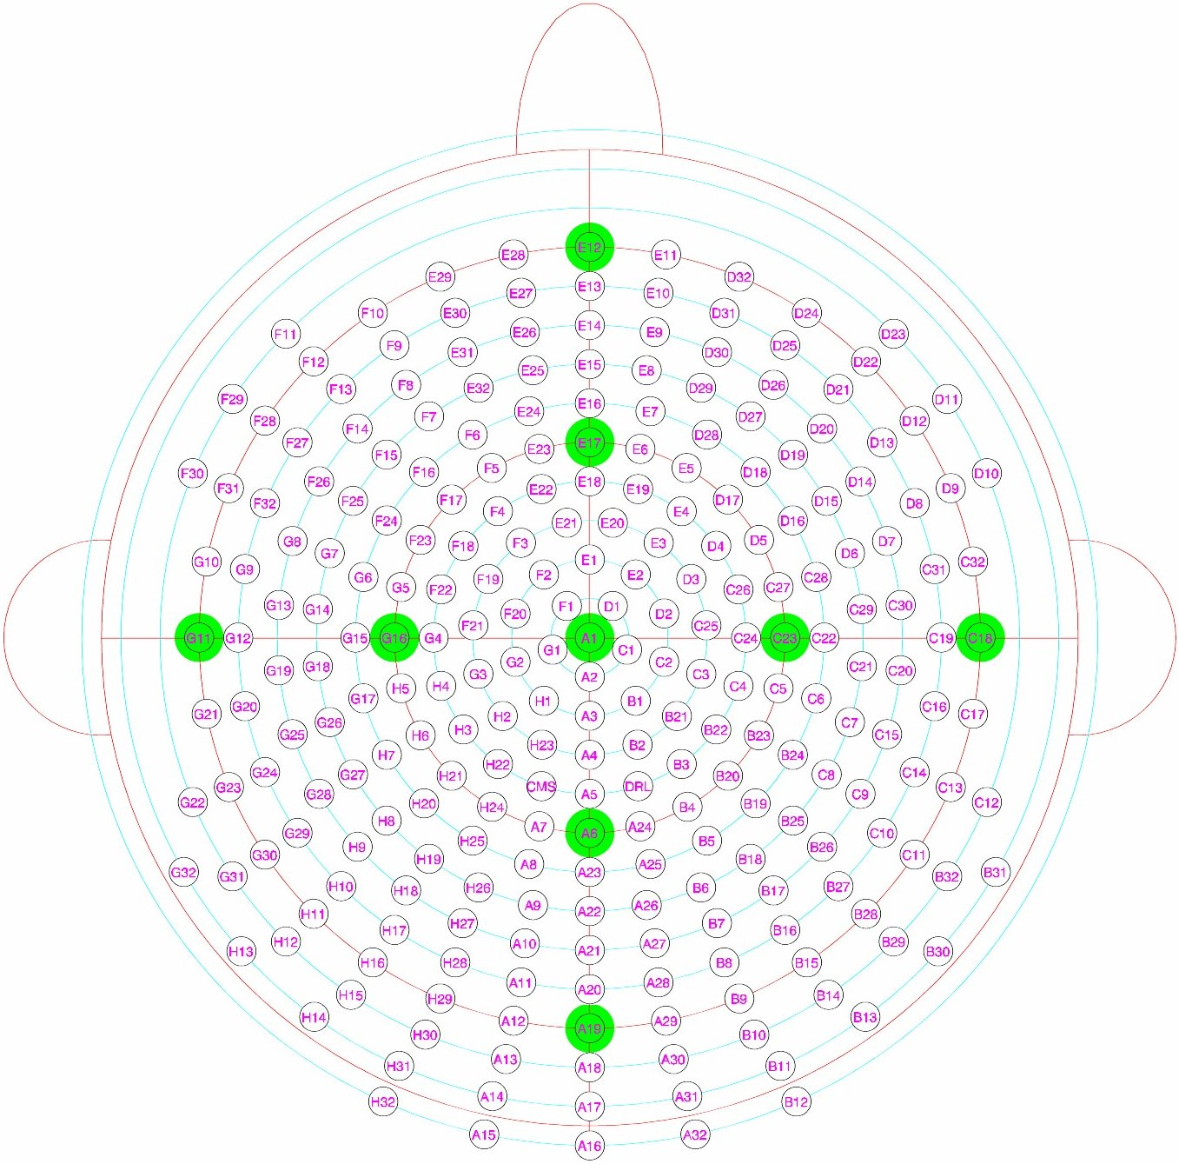

Electrode | θ (Inclination) | φ (Azimuth) |  | x = -r sinθ sinφ | y = r sinθ cosφ | z = r cosθ
A1 (Cz) | 0 | 0 |  | 0 | 0 | 88
A2 | 9.2 | -90 |  | 14 | 0 | 86
A3 | 18.4 | -90 |  | 28 | 0 | 83
A4 | 27.6 | -90 |  | 41 | 0 | 78
A5 | 36.8 | -90 |  | 52 | 0 | 70
A6 (Pz) | 46 | -90 |  | 63 | 0 | 61
A7 | -46 | 75 |  | 61 | -16 | 61
A8 | -55.2 | 75 |  | 69 | -19 | 50
A9 | -64.4 | 78 |  | 77 | -16 | 38
A10 | -73.6 | 78 |  | 82 | -17 | 25
A11 | -82.8 | 78.75 |  | 85 | -17 | 11
A12 | -92 | 78.75 |  | 86 | -17 | -3
A13 | -101.2 | 78.75 |  | 84 | -17 | -17
A14 | -110.4 | 78 |  | 80 | -17 | -31
A15 | -119.6 | 78 |  | 74 | -16 | -43
A16 | 119.6 | -90 |  | 76 | 0 | -43
A17 | 110.4 | -90 |  | 82 | 0 | -31
A18 | 101.2 | -90 |  | 86 | 0 | -17
A19 (Oz) | 92 | -90 |  | 87 | 0 | -3
A20 | 82.8 | -90 |  | 87 | 0 | 11
A21 | 73.6 | -90 |  | 84 | 0 | 25
A22 | 64.4 | -90 |  | 79 | 0 | 38
A23 | 55.2 | -90 |  | 72 | 0 | 50
A24 | 46 | -75 |  | 61 | 16 | 61
A25 | 55.2 | -75 |  | 69 | 19 | 50
A26 | 64.4 | -78 |  | 77 | 16 | 38
A27 | 73.6 | -78 |  | 82 | 17 | 25
A28 | 82.8 | -78.75 |  | 85 | 17 | 11
A29 | 92 | -78.75 |  | 86 | 17 | -3
A30 | 101.2 | -78.75 |  | 84 | 17 | -17
A31 | 110.4 | -78 |  | 80 | 17 | -31
A32 | 119.6 | -78 |  | 74 | 16 | -43
B1 | 18.4 | -54 |  | 22 | 16 | 83
B2 | 27.6 | -66 |  | 37 | 16 | 78
B3 | 36.8 | -54 |  | 42 | 31 | 70
B4 | 46 | -60 |  | 55 | 31 | 61
B5 | 55.2 | -60 |  | 62 | 36 | 50
B6 | 64.4 | -66 |  | 72 | 32 | 38
B7 | 73.6 | -66 |  | 77 | 34 | 25
B8 | 82.8 | -67.5 |  | 80 | 33 | 11
B9 | 92 | -67.5 |  | 81 | 33 | -3
B10 | 101.2 | -67.5 |  | 79 | 33 | -17
B11 | 110.4 | -66 |  | 75 | 33 | -31
B12 | 119.6 | -66 |  | 70 | 31 | -43
B13 | 110.4 | -54 |  | 66 | 48 | -31
B14 | 101.2 | -56.25 |  | 71 | 48 | -17
B15 | 92 | -56.25 |  | 73 | 49 | -3
B16 | 82.8 | -56.25 |  | 72 | 48 | 11
B17 | 73.6 | -54 |  | 68 | 49 | 25
B18 | 64.4 | -54 |  | 64 | 46 | 38
B19 | 55.2 | -45 |  | 51 | 51 | 50
B20 | 46 | -45 |  | 45 | 45 | 61
B21 | 27.6 | -42 |  | 27 | 30 | 78
B22 | 36.8 | -36 |  | 31 | 42 | 70
B23 | 46 | -30 |  | 31 | 55 | 61
B24 | 55.2 | -30 |  | 36 | 62 | 50
B25 | 64.4 | -42 |  | 53 | 59 | 38
B26 | 73.6 | -42 |  | 56 | 62 | 25
B27 | 82.8 | -45 |  | 61 | 61 | 11
B28 | 92 | -45 |  | 62 | 62 | -3
B29 | 101.2 | -45 |  | 61 | 61 | -17
B30 | 110.4 | -42 |  | 55 | 61 | -31
B31 | 110.4 | -30 |  | 41 | 71 | -31
B32 | 101.2 | -33.75 |  | 48 | 71 | -17
C1 | 9.2 | -18 |  | 4 | 13 | 86
C2 | 18.4 | -18 |  | 9 | 26 | 83
C3 | 27.6 | -18 |  | 13 | 39 | 78
C4 | 36.8 | -18 |  | 16 | 50 | 70
C5 | 46 | -15 |  | 16 | 61 | 61
C6 | 55.2 | -15 |  | 19 | 69 | 50
C7 | 64.4 | -18 |  | 24 | 75 | 38
C8 | 64.4 | -30 |  | 39 | 68 | 38
C9 | 73.6 | -30 |  | 42 | 73 | 25
C10 | 82.8 | -33.75 |  | 48 | 72 | 11
C11 | 92 | -33.75 |  | 49 | 73 | -3
C12 | 101.2 | -22.5 |  | 33 | 79 | -17
C13 | 92 | -22.5 |  | 33 | 81 | -3
C14 | 82.8 | -22.5 |  | 33 | 80 | 11
C15 | 73.6 | -18 |  | 26 | 80 | 25
C16 | 82.8 | -11.25 |  | 17 | 85 | 11
C17 | 92 | -11.25 |  | 17 | 86 | -3
C18 (T8) | 92 | 0 |  | 0 | 87 | -3
C19 | 82.8 | 0 |  | 0 | 87 | 11
C20 | 73.6 | -6 |  | 9 | 84 | 25
C21 | 64.4 | -6 |  | 8 | 79 | 38
C22 | 55.2 | 0 |  | 0 | 72 | 50
C23 (C4) | 46 | 0 |  | 0 | 63 | 61
C24 | 36.8 | 0 |  | 0 | 52 | 70
C25 | 27.6 | 6 |  | -4 | 40 | 78
C26 | 36.8 | 18 |  | -16 | 50 | 70
C27 | 46 | 15 |  | -16 | 61 | 61
C28 | 55.2 | 15 |  | -19 | 69 | 50
C29 | 64.4 | 6 |  | -8 | 79 | 38
C30 | 73.6 | 6 |  | -9 | 84 | 25
C31 | 82.8 | 11.25 |  | -17 | 85 | 11
C32 | 92 | 11.25 |  | -17 | 86 | -3
D1 | 9.2 | 54 |  | -11 | 8 | 86
D2 | 18.4 | 18 |  | -9 | 26 | 83
D3 | 27.6 | 30 |  | -20 | 35 | 78
D4 | 36.8 | 36 |  | -31 | 42 | 70
D5 | 46 | 30 |  | -31 | 55 | 61
D6 | 64.4 | 18 |  | -24 | 75 | 38
D7 | 73.6 | 18 |  | -26 | 80 | 25
D8 | 82.8 | 22.5 |  | -33 | 80 | 11
D9 | 92 | 22.5 |  | -33 | 81 | -3
D10 | 101.2 | 22.5 |  | -33 | 79 | -17
D11 | 101.2 | 33.75 |  | -48 | 71 | -17
D12 | 92 | 33.75 |  | -49 | 73 | -3
D13 | 82.8 | 33.75 |  | -48 | 72 | 11
D14 | 73.6 | 30 |  | -42 | 73 | 25
D15 | 64.4 | 30 |  | -39 | 68 | 38
D16 | 55.2 | 30 |  | -36 | 62 | 50
D17 | 46 | 45 |  | -45 | 45 | 61
D18 | 55.2 | 45 |  | -51 | 51 | 50
D19 | 64.4 | 42 |  | -53 | 59 | 38
D20 | 73.6 | 42 |  | -56 | 62 | 25
D21 | 82.8 | 45 |  | -61 | 61 | 11
D22 | 92 | 45 |  | -62 | 62 | -3
D23 | 101.2 | 45 |  | -61 | 61 | -17
D24 | 92 | 56.25 |  | -73 | 49 | -3
D25 | 82.8 | 56.25 |  | -72 | 48 | 11
D26 | 73.6 | 54 |  | -68 | 49 | 25
D27 | 64.4 | 54 |  | -64 | 46 | 38
D28 | 55.2 | 60 |  | -62 | 36 | 50
D29 | 64.4 | 66 |  | -72 | 32 | 38
D30 | 73.6 | 66 |  | -77 | 34 | 25
D31 | 82.8 | 67.5 |  | -80 | 33 | 11
D32 | 92 | 67.5 |  | -81 | 33 | -3
E1 | 18.4 | 90 |  | -28 | 0 | 83
E2 | 18.4 | 54 |  | -22 | 16 | 83
E3 | 27.6 | 54 |  | -33 | 24 | 78
E4 | 36.8 | 54 |  | -42 | 31 | 70
E5 | 46 | 60 |  | -55 | 31 | 61
E6 | 46 | 75 |  | -61 | 16 | 61
E7 | 55.2 | 75 |  | -69 | 19 | 50
E8 | 64.4 | 78 |  | -77 | 16 | 38
E9 | 73.6 | 78 |  | -82 | 17 | 25
E10 | 82.8 | 78.75 |  | -85 | 17 | 11
E11 | 92 | 78.75 |  | -86 | 17 | -3
E12 (Fpz) | 92 | 90 |  | -87 | 0 | -3
E13 | 82.8 | 90 |  | -87 | 0 | 11
E14 | 73.6 | 90 |  | -84 | 0 | 25
E15 | 64.4 | 90 |  | -79 | 0 | 38
E16 | 55.2 | 90 |  | -72 | 0 | 50
E17 (Fz) | 46 | 90 |  | -63 | 0 | 61
E18 | 36.8 | 90 |  | -52 | 0 | 70
E19 | 36.8 | 72 |  | -50 | 16 | 70
E20 | 27.6 | 78 |  | -40 | 8 | 78
E21 | -27.6 | -78 |  | -40 | -8 | 78
E22 | -36.8 | -72 |  | -50 | -16 | 70
E23 | -46 | -75 |  | -61 | -16 | 61
E24 | -55.2 | -75 |  | -69 | -19 | 50
E25 | -64.4 | -78 |  | -77 | -16 | 38
E26 | -73.6 | -78 |  | -82 | -17 | 25
E27 | -82.8 | -78.75 |  | -85 | -17 | 11
E28 | -92 | -78.75 |  | -86 | -17 | -3
E29 | -92 | -67.5 |  | -81 | -33 | -3
E30 | -82.8 | -67.5 |  | -80 | -33 | 11
E31 | -73.6 | -66 |  | -77 | -34 | 25
E32 | -64.4 | -66 |  | -72 | -32 | 38
F1 | -9.2 | -54 |  | -11 | -8 | 86
F2 | -18.4 | -54 |  | -22 | -16 | 83
F3 | -27.6 | -54 |  | -33 | -24 | 78
F4 | -36.8 | -54 |  | -42 | -31 | 70
F5 | -46 | -60 |  | -55 | -31 | 61
F6 | -55.2 | -60 |  | -62 | -36 | 50
F7 | -64.4 | -54 |  | -64 | -46 | 38
F8 | -73.6 | -54 |  | -68 | -49 | 25
F9 | -82.8 | -56.25 |  | -72 | -48 | 11
F10 | -92 | -56.25 |  | -73 | -49 | -3
F11 | -101.2 | -45 |  | -61 | -61 | -17
F12 | -92 | -45 |  | -62 | -62 | -3
F13 | -82.8 | -45 |  | -61 | -61 | 11
F14 | -73.6 | -42 |  | -56 | -62 | 25
F15 | -64.4 | -42 |  | -53 | -59 | 38
F16 | -55.2 | -45 |  | -51 | -51 | 50
F17 | -46 | -45 |  | -45 | -45 | 61
F18 | -36.8 | -36 |  | -31 | -42 | 70
F19 | -27.6 | -30 |  | -20 | -35 | 78
F20 | -18.4 | -18 |  | -9 | -26 | 83
F21 | -27.6 | -6 |  | -4 | -40 | 78
F22 | -36.8 | -18 |  | -16 | -50 | 70
F23 | -46 | -30 |  | -31 | -55 | 61
F24 | -55.2 | -30 |  | -36 | -62 | 50
F25 | -64.4 | -30 |  | -39 | -68 | 38
F26 | -73.6 | -30 |  | -42 | -73 | 25
F27 | -82.8 | -33.75 |  | -48 | -72 | 11
F28 | -92 | -33.75 |  | -49 | -73 | -3
F29 | -101.2 | -33.75 |  | -48 | -71 | -17
F30 | -101.2 | -22.5 |  | -33 | -79 | -17
F31 | -92 | -22.5 |  | -33 | -81 | -3
F32 | -82.8 | -22.5 |  | -33 | -80 | 11
G1 | -9.2 | 18 |  | 4 | -13 | 86
G2 | -18.4 | 18 |  | 9 | -26 | 83
G3 | -27.6 | 18 |  | 13 | -39 | 78
G4 | -36.8 | 0 |  | 0 | -52 | 70
G5 | -46 | -15 |  | -16 | -61 | 61
G6 | -55.2 | -15 |  | -19 | -69 | 50
G7 | -64.4 | -18 |  | -24 | -75 | 38
G8 | -73.6 | -18 |  | -26 | -80 | 25
G9 | -82.8 | -11.25 |  | -17 | -85 | 11
G10 | -92 | -11.25 |  | -17 | -86 | -3
G11 (T7) | -92 | 0 |  | 0 | -87 | -3
G12 | -82.8 | 0 |  | 0 | -87 | 11
G13 | -73.6 | -6 |  | -9 | -84 | 25
G14 | -64.4 | -6 |  | -8 | -79 | 38
G15 | -55.2 | 0 |  | 0 | -72 | 50
G16 (C3) | -46 | 0 |  | 0 | -63 | 61
G17 | -55.2 | 15 |  | 19 | -69 | 50
G18 | -64.4 | 6 |  | 8 | -79 | 38
G19 | -73.6 | 6 |  | 9 | -84 | 25
G20 | -82.8 | 11.25 |  | 17 | -85 | 11
G21 | -92 | 11.25 |  | 17 | -86 | -3
G22 | -101.2 | 22.5 |  | 33 | -79 | -17
G23 | -92 | 22.5 |  | 33 | -81 | -3
G24 | -82.8 | 22.5 |  | 33 | -80 | 11
G25 | -73.6 | 18 |  | 26 | -80 | 25
G26 | -64.4 | 18 |  | 24 | -75 | 38
G27 | -64.4 | 30 |  | 39 | -68 | 38
G28 | -73.6 | 30 |  | 42 | -73 | 25
G29 | -82.8 | 33.75 |  | 48 | -72 | 11
G30 | -92 | 33.75 |  | 49 | -73 | -3
G31 | -101.2 | 33.75 |  | 48 | -71 | -17
G32 | -110.4 | 30 |  | 41 | -71 | -31
H1 | -18.4 | 54 |  | 22 | -16 | 83
H2 | -27.6 | 42 |  | 27 | -30 | 78
H3 | -36.8 | 36 |  | 31 | -42 | 70
H4 | -36.8 | 18 |  | 16 | -50 | 70
H5 | -46 | 15 |  | 16 | -61 | 61
H6 | -46 | 30 |  | 31 | -55 | 61
H7 | -55.2 | 30 |  | 36 | -62 | 50
H8 | -64.4 | 42 |  | 53 | -59 | 38
H9 | -73.6 | 42 |  | 56 | -62 | 25
H10 | -82.8 | 45 |  | 61 | -61 | 11
H11 | -92 | 45 |  | 62 | -62 | -3
H12 | -101.2 | 45 |  | 61 | -61 | -17
H13 | -110.4 | 42 |  | 55 | -61 | -31
H14 | -110.4 | 54 |  | 66 | -48 | -31
H15 | -101.2 | 56.25 |  | 71 | -48 | -17
H16 | -92 | 56.25 |  | 73 | -49 | -3
H17 | -82.8 | 56.25 |  | 72 | -48 | 11
H18 | -73.6 | 54 |  | 68 | -49 | 25
H19 | -64.4 | 54 |  | 64 | -46 | 38
H20 | -55.2 | 45 |  | 51 | -51 | 50
H21 | -46 | 45 |  | 45 | -45 | 61
H22 | -36.8 | 54 |  | 42 | -31 | 70
H23 | -27.6 | 66 |  | 37 | -16 | 78
H24 | -46 | 60 |  | 55 | -31 | 61
H25 | -55.2 | 60 |  | 62 | -36 | 50
H26 | -64.4 | 66 |  | 72 | -32 | 38
H27 | -73.6 | 66 |  | 77 | -34 | 25
H28 | -82.8 | 67.5 |  | 80 | -33 | 11
H29 | -92 | 67.5 |  | 81 | -33 | -3
H30 | -101.2 | 67.5 |  | 79 | -33 | -17
H31 | -110.4 | 66 |  | 75 | -33 | -31
H32 | -119.6 | 66 |  | 70 | -31 | -43

Nasion, Inion, T9 (left preauricular) and T10 (right preauricular) reference points:
Nasion | 115 | 90
Inion | 115 | -90
T9 | -115 | 0
T10 | 115 | 0

