Host Protocol
Format of LSC Statement Packet |  |  |  |  |  |  |  |  |  |  | 2017 - 11 - 27

Packet Size : 12 Byte ~ ( 12+[N] ) Byte |  |  | Header | Destination Address |  | Source Address |  | Statement |  | Para Length | Parameters |  | CheckSum
 |  |  | 4 byte | 2 byte |  | 2 byte |  | 2 byte |  | 1 byte | Length [N] byte |  | 1 byte

Header | Header1 | 0xFF |  | Destination Address | Controller | Addr H | Each Addr | BroadCast
 | Header2 | 0xFF |  |  |  | Addr L | 1~65535 | 0
 | Header3 | 0x4C |  | Source Address | Host | Addr H
 | Header4 | 0x53 |  |  |  | Addr L

Statement | Statement1 | Type |  | Length | Para Length | Length [N] | ※ Depends on Statement
 | Statement2 | Code |  | Para | Parameters | [N] byte

CheckSum | = SrcAddr H + SrcAddr L + Statement1 + Statement2 + Length ( + Para1 + Para… + ParaN )

Statement | Type | DATA GET |  | 0x10
 |  | DATA SET |  | 0x20
 |  | EXECUTION |  | 0x30
 |  | Files Management |  | 0x40 |  | Response Data

 | DATA GET |  | Type | Code | Para Length | Para1 | Para2 | Para3 | Para4 | Para5 | Para6 | Para7 | Para8 | Para9 | …
 | Get LSC Version |  | 0x10 | 1 | 0
 |  |  |  |  | 3 | HW Version | FW Major | FW Minor
 | Get BAT Voltage |  |  | 2 | 0
 |  |  |  |  | 2 | BAT VoltageH | BAT VoltageL
 | Get Module ID (only 1EA Connected) |  |  | 3 | 0
 |  |  |  |  | 1 | LSM ID
 | Get Nbr of LSM(Connected) |  |  | 4 | 1 | Last ID
 |  |  |  |  | 1 | NumberOfLSM
 | Get LSMs NowPosition |  |  | 5 | [N]LSMs | LSM ID_1st | … | LSM ID_[N-1]th | LSM ID_[N]th
 |  |  |  |  | [N]LSMs x 3 | ID_1st | ID_1st PosH | ID_1st PosL | … | ID_[N]th | ID_[N]th PosH | ID_[N]th PosL
 | Get LSMs NowVoltage |  |  | 6 | [N]LSMs | LSM ID_1st | … | LSM ID_[N-1]th | LSM ID_[N]th
 |  |  |  |  | [N]LSMs x 3 | ID_1st | ID_1st VoltH | ID_1st VoltL | … | ID_[N]th | ID_[N]th VoltH | ID_[N]th VoltL
 | Get LSMs NowCurrent |  |  | 7 | [N]LSMs | LSM ID_1st | … | LSM ID_[N-1]th | LSM ID_[N]th
 |  |  |  |  | [N]LSMs x 3 | ID_1st | ID_1st NowCurrH | ID_1st NowCurrL | … | ID_[N]th | ID_[N]th NowCurrH | ID_[N]th NowCurrL
 | Get LSMs LimitCurrent |  |  | 8 | [N]LSMs | LSM ID_1st | … | LSM ID_[N-1]th | LSM ID_[N]th
 |  |  |  |  | [N]LSMs x 3 | ID_1st | ID_1st LmCurrH | ID_1st LmCurrL | … | ID_[N]th | ID_[N]th LmCurrH | ID_[N]th LmCurrL
 | Get LSMs NowTemperature |  |  | 9 | [N]LSMs | LSM ID_1st | … | LSM ID_[N-1]th | LSM ID_[N]th
 |  |  |  |  | [N]LSMs x 2 | ID_1st | ID_1st NowTemp | … | ID_[N]th | ID_[N]th NowTemp
 | Get LSMs LimtTemperature |  |  | 10 | [N]LSMs | LSM ID_1st | … | LSM ID_[N-1]th | LSM ID_[N]th
 |  |  |  |  | [N]LSMs x 2 | ID_1st | ID_1st LmtTemp | … | ID_[N]th | ID_[N]th LmtTemp
 | Get LSMs GainP |  |  | 11 | [N]LSMs | LSM ID_1st | … | LSM ID_[N-1]th | LSM ID_[N]th
 |  |  |  |  | [N]LSMs x 2 | ID_1st | ID_1st GainP | … | ID_[N]th | ID_[N]th GainP
 | Get LSMs GainI |  |  | 12 | [N]LSMs | LSM ID_1st | … | LSM ID_[N-1]th | LSM ID_[N]th
 |  |  |  |  | [N]LSMs x 2 | ID_1st | ID_1st GainI | … | ID_[N]th | ID_[N]th GainI
 | Get LSMs GainD |  |  | 13 | [N]LSMs | LSM ID_1st | … | LSM ID_[N-1]th | LSM ID_[N]th
 |  |  |  |  | [N]LSMs x 2 | ID_1st | ID_1st GainD | … | ID_[N]th | ID_[N]th GainD
 | Get LSMs ControlMargin |  |  | 14 | [N]LSMs | LSM ID_1st | … | LSM ID_[N-1]th | LSM ID_[N]th
 |  |  |  |  | [N]LSMs x 3 | ID_1st | ID_1st CM H | ID_1st CM L | … | ID_[N]th | ID_[N]th CM H | ID_[N]th CM L
 | Get LSMs FwdControl Value |  |  | 15 | [N]LSMs | LSM ID_1st | … | LSM ID_[N-1]th | LSM ID_[N]th
 |  |  |  |  | [N]LSMs x 3 | ID_1st | ID_1st FCV H | ID_1st FCV L | … | ID_[N]th | ID_[N]th FCV H | ID_[N]th FCV L
 | Get LSMs BoundaryMax |  |  | 16 | [N]LSMs | LSM ID_1st | … | LSM ID_[N-1]th | LSM ID_[N]th
 |  |  |  |  | [N]LSMs x 3 | ID_1st | ID_1st BNDMX H | ID_1st BNDMX L | … | ID_[N]th | ID_[N]th BNDMX H | ID_[N]th BNDMX L
 | Get LSMs BoundaryMin |  |  | 17 | [N]LSMs | LSM ID_1st | … | LSM ID_[N-1]th | LSM ID_[N]th
 |  |  |  |  | [N]LSMs x 3 | ID_1st | ID_1st BNDMN H | ID_1st BNDMN L | … | ID_[N]th | ID_[N]th BNDMN H | ID_[N]th BNDMN L
 | Get LSMs LED Value |  |  | 18 | [N]LSMs | LSM ID_1st | … | LSM ID_[N-1]th | LSM ID_[N]th
 |  |  |  |  | [N]LSMs x 4 | LSM ID_1st | ID_1st LED R | ID_1st LED G | ID_1st LED B | … | LSM ID_[N]th | ID_[N]th LED R | ID_[N]th LED G | ID_[N]th LED B
 | Get LSMs ModelVersion |  |  | 19 | [N]LSMs | LSM ID_1st | … | LSM ID_[N-1]th | LSM ID_[N]th
 |  |  |  |  | [N]LSMs x 3 | ID_1st | ID_1st MV H | ID_1st MV L | … | ID_[N]th | ID_[N]th MV H | ID_[N]th MV L
 | Get LSMs FW Version |  |  | 20 | [N]LSMs | LSM ID_1st | … | LSM ID_[N-1]th | LSM ID_[N]th
 |  |  |  |  | [N]LSMs x 3 | ID_1st | ID_1st FV H | ID_1st FV L | … | ID_[N]th | ID_[N]th FV H | ID_[N]th FV L
 | Get LSMs ZeroCompValue |  |  | 21 | [N]LSMs | LSM ID_1st | … | LSM ID_[N-1]th | LSM ID_[N]th
 |  |  |  |  | [N]LSMs x 3 | ID_1st | ID_1st ZCPM H | ID_1st ZCMP L | … | ID_[N]th | ID_[N]th ZCMP H | ID_[N]th ZCMP L
 | Get Sync Info |  |  | 22 | 1 | 넘어질때모션번호
 |  |  |  |  | 2 | 모션번호 | 포즈번호

 | < DATA GET > Process |  | Direction ＼ Packet |  | Header | Dest Addr | Src Addr | Statement | Length | Parameter N | CheckSum

 |  |  | HOST ≫ LSC | ( Command ) | Header | LSC Addr | HOST Addr | Statement | ParaLength | Para | CheckSum

 |  |  | LSC ≫ HOST | ( Response ) | Header | HOST Addr | LSC Addr | Statement | RespParaLength | RespPara | CheckSum

 | DATA SET |  | Type | Code | Para Length | Para1 | Para2 | Para3 | Para4 | Para5 | Para6 | Para7 | Para8 | Para9 | …
 | Set LSC Version |  | 0x20 | 1 | 3 | HW Version | FW Major | FW Minor
 | Set LSC Address |  |  | 2 | 2 | Address H | Address L
 | Set LSM Module ID |  |  | 3 | 2 | LSM ID | new LSM ID
 | Set Sync Target Position |  |  | 4 | [N]LSMs x 4 | LSM SyncID_1st | ID_1st SyncT/S | ID_1st SyncPosH | ID_1st SyncPosL | … | LSM SyncID_[N]th | ID_[N]th SyncT/S | ID_[N]th SyncPosH | ID_[N]th SyncPosL
 | Set Sync LED Control Value |  |  | 5 | [N]LSMs x 4 | LSM SyncID_1st | ID_1st LEDpreR | ID_1st LEDpreG | ID_1st LEDpreB | … | LSM SyncID_[N]th | ID_[N]th LEDpreR | ID_[N]th LEDpreG | ID_[N]th LEDpreB
 | Set LSM Limit Current |  |  | 6 | [N]LSMs x 3 | ID_1st | ID_1st LmCurrH | ID_1st LmCurrL | … | ID_[N]th | ID_[N]th LmCurrH | ID_[N]th LmCurrL
 | Set LSM Limit Temperature |  |  | 7 | [N]LSMs x 2 | ID_1st | ID_1st LmtTemp | … | ID_[N]th | ID_[N]th LmtTemp
 | Set LSM GainP |  |  | 8 | [N]LSMs x 2 | ID_1st | ID_1st GainP | … | ID_[N]th | ID_[N]th GainP
 | Set LSM GainI |  |  | 9 | [N]LSMs x 2 | ID_1st | ID_1st GainI | … | ID_[N]th | ID_[N]th GainI
 | Set LSM GainD |  |  | 10 | [N]LSMs x 2 | ID_1st | ID_1st GainD | … | ID_[N]th | ID_[N]th GainD
 | Set LSM Control Margin |  |  | 11 | [N]LSMs x 3 | ID_1st | ID_1st CM H | ID_1st CM L | … | ID_[N]th | ID_[N]th CM H | ID_[N]th CM L
 | Set LSM ForwardControl Value |  |  | 12 | [N]LSMs x 3 | ID_1st | ID_1st FCV H | ID_1st FCV L | … | ID_[N]th | ID_[N]th FCV H | ID_[N]th FCV L
 | Set LSM Boundary Max |  |  | 13 | [N]LSMs x 3 | ID_1st | ID_1st BNDMX H | ID_1st BNDMX L | … | ID_[N]th | ID_[N]th BNDMX H | ID_[N]th BNDMX L
 | Set LSM Boundary Min |  |  | 14 | [N]LSMs x 3 | ID_1st | ID_1st BNDMN H | ID_1st BNDMN L | … | ID_[N]th | ID_[N]th BNDMN H | ID_[N]th BNDMN L
 | Set LSM Comm Baudrate |  |  | 15 | [N]LSMs x 4 | ID_1st | ID_1st BPS H | ID_1st BPS M | ID_1st BPS L | … | ID_[N]th | ID_[N]th BPS H | ID_[N]th BPS M | ID_[N]th BPS L
 | Set LSM ZeroComp Value |  |  | 16 | [N]LSMs x 3 | ID_1st | ID_1st ZCPM H | ID_1st ZCMP L | … | ID_[N]th | ID_[N]th ZCMP H | ID_[N]th ZCMP L
 | Set LSM Factory Reset |  |  | 17 | 4 | LSM ID | 0x53 | 0x46 | 0x52
 | Set LSS Module ID |  |  | 18 | 3 | Product ID | LSS ID | new LSS ID

 | EXECUTION |  | Type | Code | Para Length | Para1 | Para2 | Para3 | Para4 | Para5 | Para6 | Para7 | Para8 | Para9 | …
 | Exe LSM PWR ON/OFF |  | 0x30 | 1 | 1 | 0:OFF / 1:ON
 | Exe LSM Configure Save |  |  | 2 | [N]LSMs | LSM ID_1st | … | LSM ID_[N]th
 | Exe LSM PosMove Torq |  |  | 3 | [N]LSMs x 4 | LSM ID_1st | ID_1st Torque | ID_1st PosH | ID_1st PosL | … | LSM ID_[N]th | ID_[N]th Torque | ID_[N]th PosH | ID_[N]th PosL
 | Exe LSM PosMove Speed |  |  | 4 | [N]LSMs x 4 | LSM ID_1st | ID_1st Speed | ID_1st PosH | ID_1st PosL | … | LSM ID_[N]th | ID_[N]th Speed | ID_[N]th PosH | ID_[N]th PosL
 | Exe LSM LED Control |  |  | 5 | [N]LSMs x 4 | LSM ID_1st | ID_1st LED R | ID_1st LED G | ID_1st LED B | … | LSM ID_[N]th | ID_[N]th LED R | ID_[N]th LED G | ID_[N]th LED B
 | Exe LSM Sync PosMove |  |  | 6 | [N]LSMs x 2 | LSM ID_1st | ID_1st SyncMode | … | LSM ID_[N]th | ID_[N]th SyncMode
 | Exe LSM Sync LED Control |  |  | 7 | [N]LSMs | LSM ID_1st | … | LSM ID_[N]th
 | Exe LSM Integration Control |  |  | 8 | [N]LSMs x 7 | LSM ID_1st | ID_1st Torque | ID_1st PosH | ID_1st PosL | ID_1st LED R | ID_1st LED G | ID_1st LED B | …
 | Exe LSM Wheel Mode |  |  | 9 | [N]LSMs x 3 | LSM ID_1st | ID_1st Dir(1:CW/2:CCW) | ID_1st WSpd(%) | … | LSM ID_[N]th | ID_[N]th Dir(1:CW/2:CCW) | ID_[N]th WSpd(%)
 | Exe LSM ActiveStop |  |  | 10 | [N]LSMs | LSM ID_1st | … | LSM ID_[N]th
 | Exe LSM PassiveStop |  |  | 11 | [N]LSMs | LSM ID_1st | … | LSM ID_[N]th
 | Exe Motion |  |  | 12 | 3 | MotionNumber | Start delay [ms] | Speed(-50~50)[%]
 | Exe Process |  |  | 13 | 1 | 0:OFF / 1:ON
 | Exe Remocon |  |  | 14 | 4 | mode | 0:OFF / 1:ON | L data | R data
 | Exe Motion info |  |  | 15 | 2 | MotionNumber | PosNumber

 | Files Management |  | Type | Code | Para Length | Para1 | Para2 | Para3 | Para4 | Para5 | Para6 | Para7 | Para8 | Para9 | …
 | Write PROCESS |  | 0x40 | 1 | 6 | PlatformH | PlatformL | FileSize 1 | FileSize 2 | FileSize3 | FileSize4

Examples
Exe Motion
0xFF | 0xFF | 0x4C | 0x53 | 0x00 | 0x00 | 0x00 | 0x00 | 0x30 | 0x0C | 0x03 | MotionNumber | 0x00 | 0x00 | CheckSum
 |  |  |  |  |  |  |  | type | code | para length
LED control |  | : ID[3] LSM Red LED On
0xFF | 0xFF | 0x4C | 0x53 | 0x00 | 0x00 | 0x00 | 0x00 | 0x30 | 0x05 | 0x04 | 0x03 | 0xfa | 0x00 | 0x00 | CheckSum
 |  |  |  |  |  |  |  |  |  |  | id 3 | 250 | 0 | 0
Position control |  | : ID[2] LSM Position '-100' with torqe 80%
0xFF | 0xFF | 0x4C | 0x53 | 0x00 | 0x00 | 0x00 | 0x00 | 0x30 | 0x03 | 0x04 | 0x02 | 0x50 | 0xff | 0x9c | CheckSum
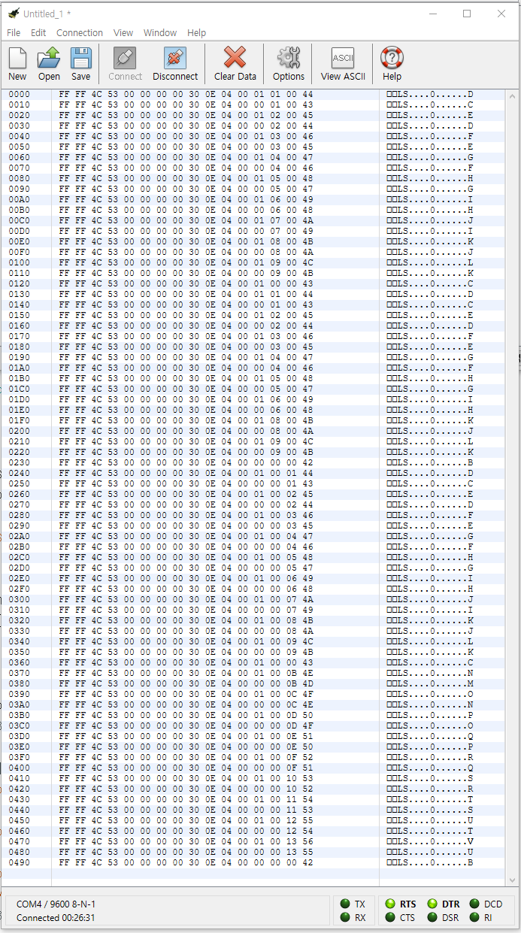
 |  |  |  |  |  |  |  |  |  |  | id 2 | torq 80 | position -100

 |  |  |  |  |  |  |  |  |  |  | 눌렸을때
 |  |  |  |  |  |  |  |  |  |  | 놓았을때 항상 쌍으로 들어 오게 된다.

 |  |  |  |  |  |  |  |  |  |  | FF FF | 헤더
 |  |  |  |  |  |  |  |  |  |  | 4C 53 | 헤더
 |  |  |  |  |  |  |  |  |  |  | 00 00 | 소스주소
 |  |  |  |  |  |  |  |  |  |  | 00 00 | 복사위치주소
 |  |  |  |  |  |  |  |  |  |  | 30 | exe Type
 |  |  |  |  |  |  |  |  |  |  | 0E | exe Remocon
 |  |  |  |  |  |  |  |  |  |  | 04 | 파라메타수
 |  |  |  |  |  |  |  |  |  |  | 00~06 | 모드번호
 |  |  |  |  |  |  |  |  |  |  | 01 or 00 | Push/Release
 |  |  |  |  |  |  |  |  |  |  | 0x00~0x09 | 왼쪽키값 | RF1 눌렸을때 0x0B부터 임
 |  |  |  |  |  |  |  |  |  |  | 0x00~0x09 | 오른쪽버튼값 | LF1 눌렸을때 0x0B부터 임

 |  |  |  |  |  |  |  |  |  |  | Motion Stop

 |  |  |  |  |  |  |  |  |  |  | Music Mode 1

 |  |  |  |  |  |  |  |  |  |  | 댄스번호 1~6

 |  |  |  |  |  |  |  |  |  |  | 파라메타수

 |  |  |  |  |  |  |  |  |  |  | exe motion

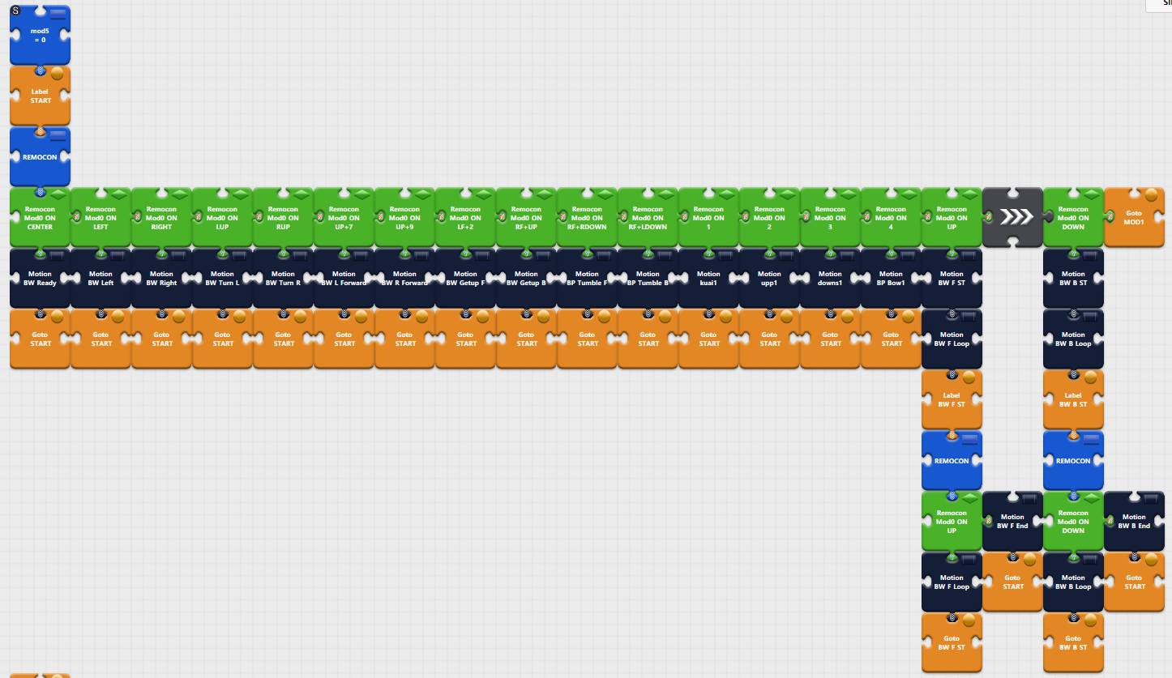
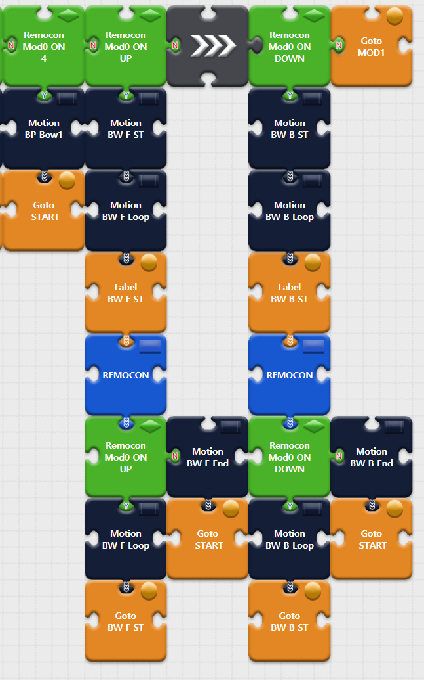

실제 리모콘에서 보내는 내용은 이렇다

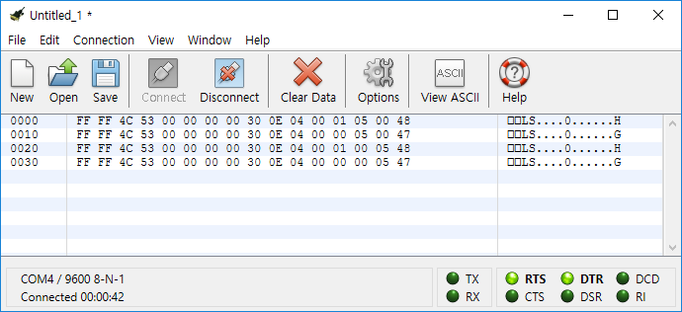

이것을 컨트롤러는 받아서 해석해서 사용해야 한다.

