BOM
2020-06-28 |  |  | THESE ITEMS ARE NOT IN ULTIMATE KIT | TOTAL COST: | $1,683.02 | (REF ONLY)
QTY | Part Number | Description | Vendor | Thumbnail | UNIT | EACH | TOTAL | Notes:
3 | 10MM X M4 | BALL END | ALIEXPRESS |   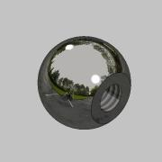  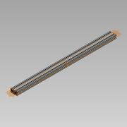 | 1 | $3.99 | $3.99
1 | IEC320-C14 | INLET PLUG | AMAZON | 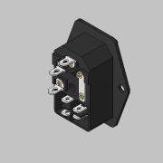 | 1 | $5.99 | $5.99 | SUGGEST UL RATED ALTERATIVE
2 | 13MM LG | XS BOWDEN TUBING | CAPRICORN | 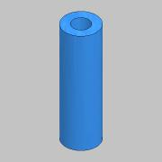  | 1 | $11.99 | $11.99
2 | 1M LG | TL BOWDEN TUBING | CAPRICORN |  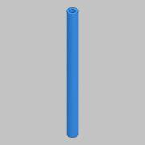 | 2 | $11.99 | $23.98
1 | 5630 | LED STRIP W/EXTRUDED COVER 24V, DBL ROW | EBAY | 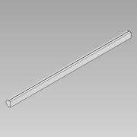 | 2 | $3.81 | $7.62
2 | 1.75 | E3D BOWDEN COUPLING, FOR PLASTIC | FILASTRUDER | 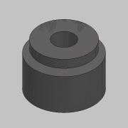 | 2 | $2.99 | $5.98
18 | 5MM ID X 6MM OD X .4MM | BEARING SPACER | FILASTRUDER |  | 1 | $9.99 | $9.99
2 | 6MM X 1290MM LG | GATES GT2 TIMING BELT | FILASTRUDER | 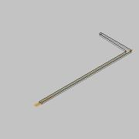 | 2 | $12.77 | $25.54
2 | 6MM X 2270MM LG | GATES GT2 TIMING BELT | FILASTRUDER | 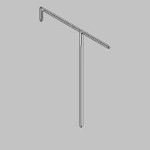 | 2 | $22.47 | $44.94
1 | 7i | DUET 3D, PANELDUE | FILASTRUDER | 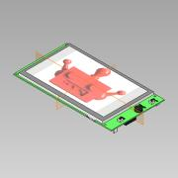 | 1 | $99.99 | $99.99
3 | 9MM X 855MM LG. | GT2 GATES TIMING BELT | FILASTRUDER | 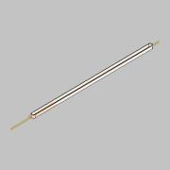 | 1 | $12.74 | $12.74
1 | AQA211VL | SSR | FILASTRUDER | 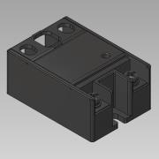 | 1 | $21.99 | $21.99
1 | BL-TOUCH | LEVELING SENSOR | FILASTRUDER | 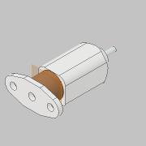 | 1 | $34.99 | $34.99
1 | DUET 2 WIFI | DUET 3D, MAIN BOARD | FILASTRUDER | 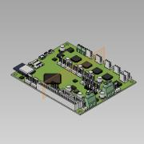 | 1 | $169.99 | $169.99
1 | DUEX 5 | DUET 3D, EXPANSION BOARD | FILASTRUDER | 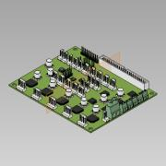 | 1 | $74.99 | $74.99
4 | GT2-16T-6-D | GATES DRIVE PULLEY, 16 TOOTH X 6MM WIDE | FILASTRUDER | 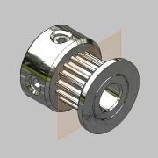  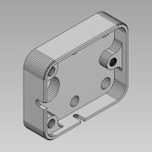 | 4 | $4.99 | $19.96
9 | GT2-20T-6-I | GATES IDLER PULLEY, 5MM BORE 20 TOOTH, 6MM WIDE | FILASTRUDER | 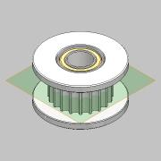 | 9 | $6.99 | $62.91
6 | GT2-20T-6-SI | GATES IDLER PULLEY, 5MM BORE 20 SMOOTH, 6MM WIDE | FILASTRUDER | 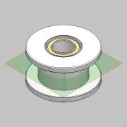 | 6 | $7.49 | $44.94
3 | GT2-20T-9-D | GATES DRIVE PULLEY, 20 TOOTH X 9MM WIDE | FILASTRUDER | 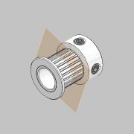 | 3 | $5.99 | $17.97 | Requires the ID to be bored to 8mm. Consider Amazon or Aliexpress for 8mm bore.
3 | GT2-20T-9-I | GATES IDLER PULLEY, 5MM BORE 20 TOOTH, 9MM WIDE | FILASTRUDER | 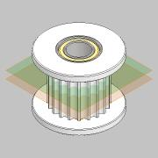 | 3 | $6.99 | $20.97
9 | M5 X 25MM LG. | S.S. SHOULDER BOLT | FILASTRUDER | 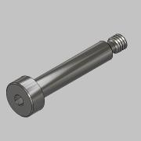 | 6 | $1.99 | $11.94
6 | M5 X 30MM LG. | S.S. SHOULDER BOLT | FILASTRUDER | 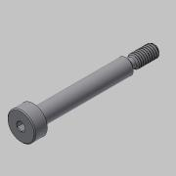 | 6 | $1.99 | $11.94
1 | SM-DU-100 | BLTOUCH - 100 MM CABLE | FILASTRUDER |  | 1 | $2.99 | $2.99
1 | SILICONE | SILICONE HEATING PAD, 400X300 | KEENOVO | 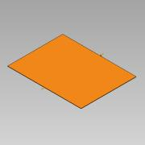 | 1 | $86.50 | $86.50
3 | 1462N24 | SILICONE 1/8" X 3/4" CUT TO 1-3/4" LG. | MCMASTER | 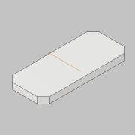 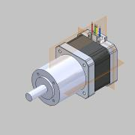 | 1 | $8.13 | $8.13
3 | 5862K124 | MAGNET, N52 1/2" DIA. X 3/8" THICK | MCMASTER | 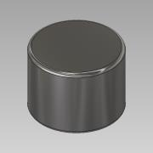 | 3 | $3.58 | $10.74
5 | 6301K780 | LEVELING FOOT, 6MM | MCMASTER | 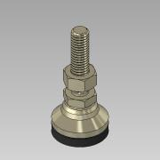 | 5 | $5.60 | $28.00
2 | 93625A100 | M3 NYLOCK | MCMASTER | 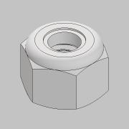  | 1 | $5.31 | $5.31
2 | 94180A351 | HEAT SET INSERT, M4 | MCMASTER | 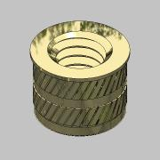 | 1 | $15.47 | $15.47
5 | 94180A371 | HEAT SET INSERT, M6 | MCMASTER | 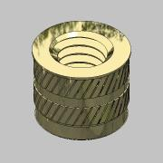 | 1 | 9.68 | $9.68
1 | LRS-350-24 | MEANWELL POWER SUPPLY | MEANWELL |  | 1 | $32.20 | $32.20
41 | IUB-M3-1 | M3 HEAT SET INSERT, MINI | PEM | 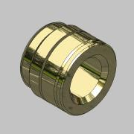 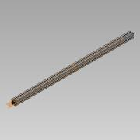 | 41 | $0.05 | $1.85
4 | ZD-0026 | HORZONTAL LIMIT SWITCH | REIFENG | 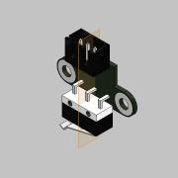 | 1 | $9.99 | $9.99
2 | .4MM | VANADUM NOZZLE | SLICE |   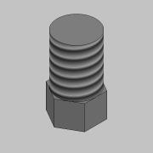 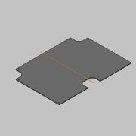 | 2 | $34.99 | $69.98
2 | 25X25X10 | 24V DC FAN | SLICE |  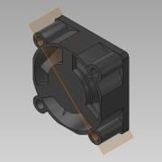  | 2 | $6.99 | $13.98
2 | COPPERHEAD-1 | HEAT BREAK, STANDARD VARIANT | SLICE |  | 2 | $29.99 | $59.98
2 | COPPERHEAD-2 | HOT BLOCK | SLICE |  | 2 | $24.99 | $49.98
2 | COPPERHEAD-3 | HEAT SINK, SCREW MOUNT | SLICE |  | 2 | $44.99 | $89.98
2 | COPPERHEAD-4 | HIGH TEMP THERMISTER | SLICE |  | 2 | $39.99 | $79.98
2 | COPPERHEAD-5 | 24V, HEATER CARTRIAGE | SLICE |  | 2 | $19.99 | $39.98
2 | 5015 | BLOWER, 24VDC | SOUND ORIGINAL | 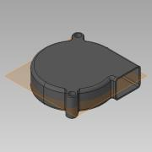   | 2 | $6.49 | $12.98
1 | BMG EXTRUDER | LEFT HAND | FILASTRUDER |  | 1 | $79.99 | $79.99
1 | BMG EXTRUDER | RIGHT HAND | FILASTRUDER |  | 1 | $79.99 | $79.99
1 | MULDEX-19-03 | FLEX PLATE SYSTEM | BUILDTAK |  | 1 | $150 | $150.00
 |  |  |  | 

