BOM
2020-06-28 |  |  | BOM | TOTAL COST: | $2,854.65 | (REF ONLY, CONTAINS OPTIONS)
QTY | Part Number | Description | Vendor | Thumbnail | UNIT | EACH | TOTAL | Notes:
1 | MULDEX-19-01 | BED PLATE | 3DFUSED | 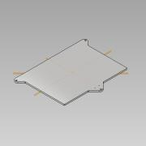 | 1 | $135.00 | $135.00 | LDO ALTERATIVE
1 | MULDEX-01 | FRAME ASSEMBLY | 3DPW | 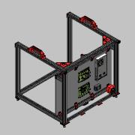 |  |  | $-
1 | MULDEX-02 | FRAME SUB-ASSEMBLY | 3DPW | 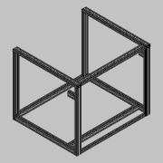 |  |  | $-
1 | MULDEX-03 | BACK PANEL ASSEMBLY | 3DPW | 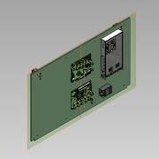 |  |  | $-
1 | MULDEX-04 | MNT FOOT, FRONT LEFT | 3DPW | 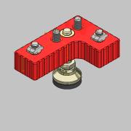 |  |  | $-
1 | MULDEX-05 | MNT FOOT, FRONT RIGHT | 3DPW | 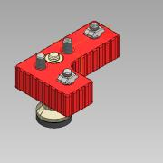 |  |  | $-
1 | MULDEX-06 | MNT FOOT, BACK RIGHT | 3DPW | 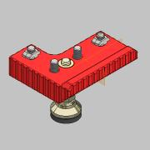 |  |  | $-
1 | MULDEX-07 | MOUNTING FOOT, BACK LEFT | 3DPW | 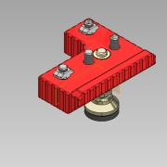 |  |  | $-
1 | MULDEX-08 | MOUNTING FOOT, CENTER | 3DPW | 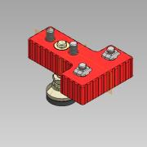 |  |  | $-
1 | MULDEX-09 | IEC CONNECTOR ASSY | 3DPW | 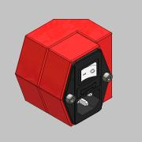 |  |  | $-
1 | MULDEX-10 | KINEMATIC ASSEMBLY | 3DPW | 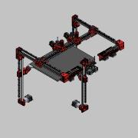 |  |  | $-
1 | MULDEX-11 | X-AXIS ASSEMBLY | 3DPW | 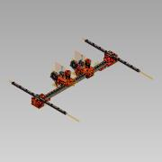 |  |  | $-
2 | MULDEX-11-01 | OOZE GUARD, MOUNT | 3DPW | 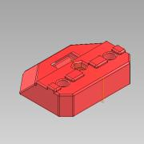 |  |  | $-
1 | MULDEX-11-02 | OOZE GUARD, X-AXIS | 3DPW | 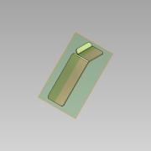 |  |  | $-
1 | MULDEX-11-03 | OOZE GUARD, X-AXIS | 3DPW | 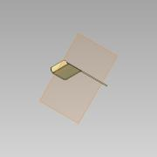 |  |  | $-
1 | MULDEX-12 | X-AXIS CARRIAGE | 3DPW | 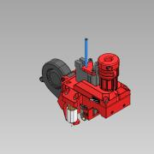 |  |  | $-
1 | MULDEX-13 | U-AXIS CARRIAGE | 3DPW | 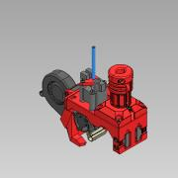 |  |  | $-
2 | MULDEX-14 | Y-AXIS CARRIAGE | 3DPW |  |  |  | $-
1 | MULDEX-15 | Z-AXIS ASSEMBLY | 3DPW | 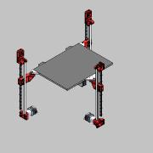 |  |  | $-
1 | MULDEX-16 | Z-AXIS BELT ASSY, 1 | 3DPW | 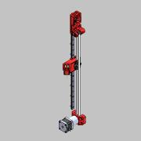 |  |  | $-
1 | MULDEX-17 | Z-AXIS BELT ASSY, 2 | 3DPW | 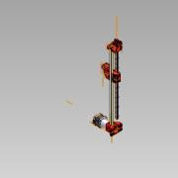 |  |  | $-
1 | MULDEX-18 | Z-AXIS BELT ASSY, 3 | 3DPW | 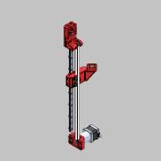 |  |  | $-
1 | MULDEX-19 | HEAT BED ASSEMBLY | 3DPW | 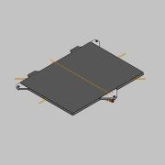 |  |  | $-
1 | MULDEX-20 | IDLE ASSEMBLY, LH | 3DPW | 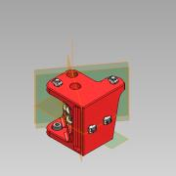 |  |  | $-
1 | MULDEX-21 | IDLE ASSEMBLY, LH | 3DPW | 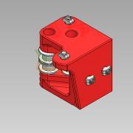 |  |  | $-
1 | MULDEX-22 | U-AXIS MOTOR ASSY | 3DPW | 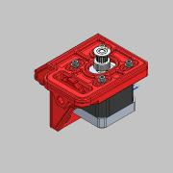 |  |  | $-
1 | MULDEX-23 | X-AXIS MOTOR ASSY | 3DPW | 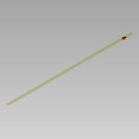 |  |  | $-
1 | MULDEX-24 | Y-AXIS MOTOR ASSY, LH | 3DPW | 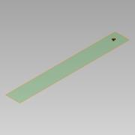 |  |  | $-
1 | MULDEX-25 | Y-AXIS MOTOR ASSY, RH | 3DPW | 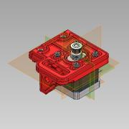 |  |  | $-
2 | MULDEX-26 | EXTRUDER MOTOR ASSY | 3DPW |  |  |  | $-
2 | MULDEX-27 | THUMB SCREW ASSEMBLY | 3DPW | 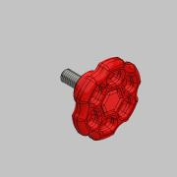 |  |  | $-
1 | MULDEX-28 | FLEX PLATE CADDY ASSY | 3DPW | 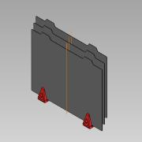 |  |  | $-
2 | MULDEX-29 | BOWDEN STRAIN RELIF ASSY | 3DPW | 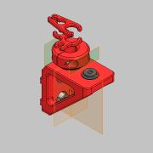 |  |  | $-
1 | MULDEX-30 | PANNEL ASSY, LEFT | 3DPW | 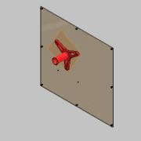 |  |  | $-
1 | MULDEX-31 | PANNEL ASSEMBLY, RIGHT | 3DPW | 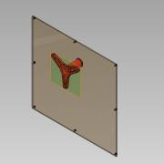 |  |  | $-
1 | MULDEX-32 | BOTTOM PANEL ASSY | 3DPW | 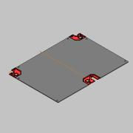 |  |  | $-
1 | MULDEX-33 | SCRAPER ASSEMBLY, U-AXIS | 3DPW | 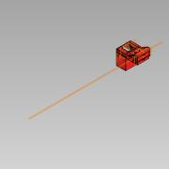 |  |  | $-
1 | MULDEX-34 | SCRAPPER ASSY, X-AXIS | 3DPW | 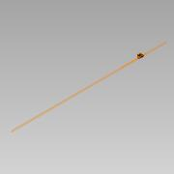 |  |  | $-
1 | MULDEX-35 | DUET PANNEL | 3DPW |  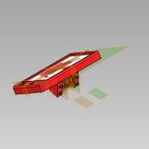 |  |  | $-
2 | MULDEX-36 | LIGHT BAR ASSEMBLY | 3DPW | 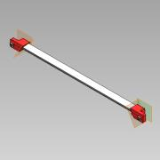 |  |  | $-
1 | MULDEX-37 | Y-AXIS STOP, RH | 3DPW | 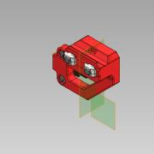 |  |  | $-
1 | MULDEX-38 | Y-AXIS STOP, LH | 3DPW | 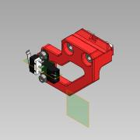 |  |  | $-
3 | 10MM X M4 | BALL END | ALIEXPRESS | 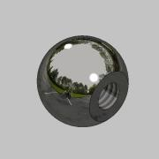 | 1 | $2.18 | $2.18
1 | IEC320-C14 | INLET PLUG | AMAZON | 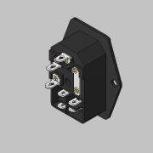 | 1 | $5.99 | $5.99 | CONSIDER UL RATED VERSION INSTEAD
51 | M3-20 SERIES | T-NUT, TWIST LOCK | AMAZON | 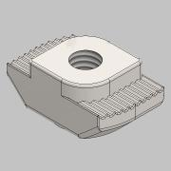 | 1 | $7.99 | $7.99
174 | M5-20 SERIES | T-NUT, TWIST LOCK | AMAZON | 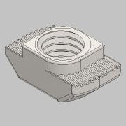 | 2 | $7.99 | $15.98
1 |  | WIRELESS MICROSCOPE | AMAZON |  | 1 | $42.99 | $42.99 | OPTIONAL
1 | MULBOT-33-01 | SCRAPPER, FRAME X-AXIS | ATOMIC |  |  |  | $-
2 | MULDEX-01-01 | FRAME CORNER GUSSET | ATOMIC | 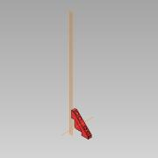 |  |  | $-
8 | MULDEX-01-02 | BACK PLATE BRACKET | ATOMIC | 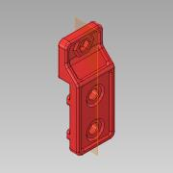 |  |  | $-
2 | MULDEX-01-03 | PANNEL SUPPORT | ATOMIC | 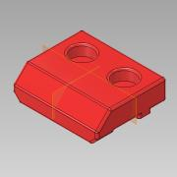 |  |  | $-
1 | MULDEX-01-04 | Z-AXIS RAIL SUPPORT | ATOMIC | 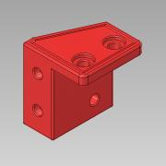 |  |  | $-
2 | MULDEX-01-05 | HANDLE | ATOMIC | 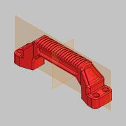 |  |  | $-
2 | MULDEX-01-06 | FRONT END CAP | ATOMIC |  |  |  | $-
1 | MULDEX-01-07 | ENDCAP COVER | ATOMIC |  |  |  | $-
1 | MULDEX-03-01 | BACK PLATE, STRAIN RELIF | ATOMIC |  |  |  | $-
2 | MULDEX-03-02 | SENSOR MOUNT | ATOMIC |  |  |  | $-
8 | MULDEX-03-04 | DUET SPACER | ATOMIC |  |  |  | $-
1 | MULDEX-03-08 | WIRE CLIP | ATOMIC |  |  |  | $-
1 | MULDEX-04-01 | FOOT PAD, FRONT LEFT | ATOMIC |  |  |  | $-
1 | MULDEX-05-01 | FOOT PAD, FRONT RIGHT | ATOMIC |  |  |  | $-
1 | MULDEX-06-01 | FOOT PAD, BACK RIGHT | ATOMIC |  |  |  | $-
1 | MULDEX-07-01 | FOOT PAD, BACK LEFT | ATOMIC |  |  |  | $-
1 | MULDEX-08-01 | FOOT PAD, CENTER | ATOMIC |  |  |  | $-
1 | MULDEX-09-02 | IEC SOCKET BASE | ATOMIC |  |  |  | $-
1 | MULDEX-09-03 | IEC SOCET COVER | ATOMIC |  |  |  | $-
1 | MULDEX-12-01 | X-AXIS CARRIAGE | ATOMIC |  |  |  | $-
4 | MULDEX-12-02 | BELT CLAMP | ATOMIC |  |  |  | $-
2 | MULDEX-12-03 | COOLING SHROUD | ATOMIC |  |  |  | $-
1 | MULDEX-12-04 | BOWDEN CLAMP, X-AXIS | ATOMIC |  |  |  | $-
1 | MULDEX-12-05 | X-AXIS CARRIAGE COVER | ATOMIC |  |  |  | $-
2 | MULDEX-12-06 | EXTRUDER CABLE STRAIN RELIF | ATOMIC |  |  |  | $-
2 | MULDEX-12-07 | CABLE CLAMP | ATOMIC |  |  |  | $-
1 | MULDEX-13-01 | U-AXIS CARRIAGE | ATOMIC |  |  |  | $-
1 | MULDEX-13-02 | CARRIAGE COVER, U-AXIS | ATOMIC |  |  |  | $-
1 | MULDEX-13-03 | BOWDEN CLAMP, U-AXIS | ATOMIC |  |  |  | $-
2 | MULDEX-14-01 | Y-AXIS, BASE BLOCK | ATOMIC |   |  |  | $-
2 | MULDEX-14-02 | Y-AXIS, CLAMP BLOCK | ATOMIC |  |  |  | $-
1 | MULDEX-14-03 | Y-AXIS BELT CLAMP | ATOMIC |  |  |  | $-
2 | MULDEX-16-01 | Z-AXIS MOTOR MOUNT, 1&3 | ATOMIC |  |  |  | $-
1 | MULDEX-16-02 | Z-AXIS COUPLING, 1 | ATOMIC |  |  |  | $-
1 | MULDEX-16-03 | Z-AXIS TAKEUP MOUNT, 1 | ATOMIC |  |  |  | $-
1 | MULDEX-16-04 | Z-AXIS TAKUP BRACKET, 1 | ATOMIC |  |  |  | $-
3 | MULDEX-16-05 | BELT CLAMP, Z | ATOMIC |  |  |  | $-
3 | MULDEX-16-06 | BELT CLAMP, Z | ATOMIC |  |  |  | $-
1 | MULDEX-17-02 | Z-AXIS TAKUP, 2 | ATOMIC |  |  |  | $-
1 | MULDEX-17-03 | Z-AXIS COUPLING, 2 | ATOMIC |  |  |  | $-
1 | MULDEX-17-04 | Z-AXIS MOTOR MOUNT, 2 | ATOMIC |  |  |  | $-
1 | MULDEX-17-05 | Z-AXIS TAKUP MOUNT, 2 | ATOMIC |  |  |  | $-
1 | MULDEX-18-02 | Z-AXIS COUPLING, 3 | ATOMIC |  |  |  | $-
1 | MULDEX-18-03 | Z-AXIS TAKUP MOUNT, 3 | ATOMIC |  |  |  | $-
1 | MULDEX-18-04 | Z-AXIS TAKEUP, 2 | ATOMIC |  |  |  | $-
1 | MULDEX-19-02 | STRAIN RELIF | ATOMIC |  |  |  | $-
1 | MULDEX-20-01 | CORNER IDLER, RH | ATOMIC |  |  |  | $-
1 | MULDEX-21-01 | CORNER IDLER, LH | ATOMIC |  |  |  | $-
1 | MULDEX-22-01 | U-AXIS STEPPER MOUNT | ATOMIC |  |  |  | $-
4 | MULDEX-22-02 | TAKE UP KNOB | ATOMIC |  |  |  | $-
1 | MULDEX-23-01 | X-AXIS STEPPER MOUNT | ATOMIC |  |  |  | $-
1 | MULDEX-24-01 | Y-AXIS MOTOR MOUNT, LH | ATOMIC |  |  |  | $-
1 | MULDEX-25-01 | Y-AXIS MOTOR MOUNT, RH | ATOMIC |  |  |  | $-
2 | MULDEX-26-01 | MOTOR SPACER | ATOMIC |  |  |  | $-
2 | MULDEX-27-01 | THUMB KNOB, M5 HEX | ATOMIC |  |  |  | $-
2 | MULDEX-27-02 | THUMB KNOB COVER | ATOMIC |  |  |  | $-
2 | MULDEX-28-01 | FLEX PLATE CADDY | ATOMIC |  |  |  | $-
2 | MULDEX-29-01 | REVERSE BOWDEN BRACKET | ATOMIC |  |  |  | $-
2 | MULDEX-29-02 | EXTRUDER CABLE, RELIF | ATOMIC |  |  |  | $-
2 | MULDEX-29-03 | EXTRUDER CABLE, CLAMP | ATOMIC |  |  |  | $-
2 | MULDEX-29-04 | WIRE COMB, FRONT | ATOMIC |  |  |  | $-
2 | MULDEX-29-05 | WIRE COMB, BACK | ATOMIC |  |  |  | $-
2 | MULDEX-30-02 | SPOOL HOLDER | ATOMIC |  |  |  | $-
1 | MULDEX-32-02 | FRONT BELT COVER, LH | ATOMIC |  |  |  | $-
1 | MULDEX-32-03 | FRONT BELT COVER, RH | ATOMIC |  |  |  | $-
1 | MULDEX-32-04 | BACK BELT COVER | ATOMIC |  |  |  | $-
2 | MULDEX-33-01 | SCRAPPER, FRAME | ATOMIC |  |  |  | $-
2 | MULDEX-33-02 | PURGE BIN | ATOMIC |  |  |  | $-
2 | MULDEX-33-03 | SCRAPPER BASE | ATOMIC |  |  |  | $-
6 | MULDEX-33-04 | SCRAPER KNOB | ATOMIC |  |  |  | $-
1 | MULDEX-35-01 | PANEL, BEZEL | ATOMIC |  |  |  | $-
1 | MULDEX-35-02 | PANEL, BACK PLATE | ATOMIC |  |  |  | $-
2 | MULDEX-35-03 | PANEL, BASE BRACKET | ATOMIC |  |  |  | $-
1 | MULDEX-35-04 | PANEL, MOUNTING CLEVIS | ATOMIC |  |  |  | $-
1 | MULDEX-36-01 | LIGHT END BRACKET, RH | ATOMIC |  |  |  | $-
1 | MULDEX-36-02 | LIGHT END BRACKET, LH | ATOMIC |  |  |  | $-
1 | MULDEX-37-01 | Y-AXIS SWITCH BRACKET | ATOMIC |  |  |  | $-
1 | MULDEX-38 | SWITCH BRACKET, LH | ATOMIC |  |  |  | $-
3 | PETG | 1KG PETG CARBON FIBER | ATOMIC |  | 3 | $49.99 | $149.97 | REQUIRES JUST OVER 2 KG
1 | BTFS300X400 | FLEX PLATE SYSTEM | BUILDTAK |  | 1 | $140 | $140.00 | EXTRA SHEET: $42.50
2 | 1M LG | TL BOWDEN TUBING | CAPRICORN |   | 2 | $11.99 | $23.98
2 | 40MM LG | XS BOWDEN TUBING | CAPRICORN |  | 1 | $11.99 | $11.99 | Estimated
1 | 5630 | LED STRIP W/EXTRUDED COVER 24V, DBL ROW | EBAY |  | 2 | $3.81 | $7.62
2 | 1.75 | E3D BOWDEN COUPLING, FOR PLASTIC | FILASTRUDER |  | 2 | $2.99 | $5.98
4 | 2GT-16T-6-D | GATES DRIVE PULLEY, 16 TOOTH X 6MM WIDE | FILASTRUDER |  | 4 | $4.99 | $19.96
9 | 2GT-20T-6-I | GATES IDLER PULLEY, 5MM BORE 20 TOOTH, 6MM WIDE | FILASTRUDER |  | 10 | $6.99 | $69.90
6 | 2GT-20T-6-SI | GATES IDLER PULLEY, 5MM BORE 20 SMOOTH, 6MM WIDE | FILASTRUDER |  | 8 | $7.49 | $59.92
3 | 2GT-20T-9-D | GATES DRIVE PULLEY, 20 TOOTH X 9MM WIDE | FILASTRUDER |  | 3 | $5.99 | $17.97 | Requires the ID to be bored to 8mm. Consider Amazon or Aliexpress for 8mm bore.
3 | 2GT-20T-9-I | GATES IDLER PULLEY, 5MM BORE 20 TOOTH, 9MM WIDE | FILASTRUDER |  | 3 | $6.99 | $20.97
18 | 5MM ID X 6MM OD X .4MM | BEARING SPACER | FILASTRUDER |  | 1 | $9.99 | $9.99
2 | 6MM X 1290MM LG | GATES 2GT TIMING BELT | FILASTRUDER |  | 2 | $12.77 | $25.54
2 | 6MM X 2270MM LG | GATES 2GT TIMING BELT | FILASTRUDER |  | 2 | $22.47 | $44.94
1 | 7i | DUET 3D, PANELDUE | FILASTRUDER |  | 1 | $99.99 | $99.99
2 | 94180A351 | HEAT SET INSERT, M4 | FILASTRUDER |  | 1 | $15.47 | $15.47
3 | 9MM X 855MM LG. | GATES 2GT TIMING BELT | FILASTRUDER |  | 3 | $12.74 | $38.22
1 | AQA211VL | SSR | FILASTRUDER |  | 1 | $21.99 | $21.99
1 | BL-TOUCH | LEVELING SENSOR | FILASTRUDER |  | 1 | $34.99 | $34.99
1 | DUET 2 WIFI | DUET 3D, MAIN BOARD | FILASTRUDER |  | 1 | $169.99 | $169.99
1 | DUEX 5 | DUET 3D, EXPANSION BOARD | FILASTRUDER |  | 1 | $74.99 | $74.99
2 | FILAMENT SENSOR | DUET 3D, MAGNETIC TYPE | FILASTRUDER |   | 2 | $54.99 | $109.98
1 | LH | BMG EXTRUDE | FILASTRUDER |  | 1 | $79.99 | $79.99
9 | M5 X 25MM LG. | S.S. SHOULDER BOLT | FILASTRUDER |  | 9 | $1.99 | $17.91
3 | MGN12H x 370mm LG. G=10mm | LDO LINEAR RAIL, W/1 BEARING | FILASTRUDER |   | 3 | $20.00 | $60.00
2 | MGN12H x 420mm lg. G=10mm | LDO LINEAR RAIL,, W/1 BEARING | FILASTRUDER |  | 2 | $25.00 | $50.00
1 | MGN9H x 490mm lg. G=5mm | LDO LINEAR RAIL, W/2 BEARINGS | FILASTRUDER |   | 1 | $35.00 | $35.00
1 | RH | BMG EXTRUDER | FILASTRUDER |  | 1 | $79.99 | $79.99
1 | SM-DU-100 | BLTOUCH - 1 M CABLE | FILASTRUDER |  | 1 | $2.99 | $2.99
1 | SILICONE | SILICONE HEATING PAD, 400X300 | KEENOVO |  | 1 | $86.50 | $86.50
1 | 42STH25-1004AC | 1.8 SLIM POWER STEPPER | LDO |  | 1 | $10 | $10.00
4 | 42STH40-100AC | STEPPER MOTOR | LDO |  | 4 | $10 | $40.00
3 | 42STH40-100ACPG13.7 | PLANETARY STEPPER MOTOR, 40MM 13.7/1 | LDO |  | 3 | $30 | $90.00
1 | MULDEX-01-09 | EXTRUSION, Z-AXIS | LDO |  | 1 | $8.78 | $8.78 | ALTERATIVE MISUMI PN: HFSB5-2040-455
1 | MULDEX-01-10 | EXTRUSION, MOTOR MOUNT | LDO |  | 1 | $12.25 | $12.25 | ALTERATIVE MISUMI PN: HFSB5-2040-635
2 | MULDEX-02-01 | EXTRUSIOIN, Y-AXIS | LDO |  | 2 | $10.21 | $20.42 | ALTERATIVE MISUMI PN: HFSB5-2040-555
2 | MULDEX-02-02 | EXTRUSION, STANDOFF | LDO |  | 2 | $13.36 | $26.72 | ALTERATIVE MISUMI PN: HFSB5-2040-60-SC
2 | MULDEX-02-03 | EXTRUSION, FRONT VERTICAL | LDO |  | 2 | $17.67 | $35.34 | ALTERATIVE MISUMI PN: HFSB5-2040-505-SC
2 | MULDEX-02-04 | EXTRUSION, BACK VERTICAL | LDO |  | 2 | $17.67 | $35.34 | ALTERATIVE MISUMI PN: HFSB5-2040-505-SC
1 | MULDEX-02-05 | EXTRUSION, BACK SUPPORT | LDO |  | 1 | $13.78 | $13.78 | ALTERATIVE MISUMI PN: HFSB5-2020-555-SC
2 | MULDEX-02-06 | EXTRUSION, FRONT BOTTOM | LDO |  | 2 | $18.61 | $37.22 | ALTERATIVE MISUMI PN: HFSB5-2040-555-SC
2 | MULDEX-02-07 | EXTRUSION, BOTTOM SIDES | LDO |  | 2 | $17.87 | $35.74 | ALTERATIVE MISUMI PN: HFSB5-2040-515-SC
1 | MULDEX-02-08 | EXTRUSION, BACK | LDO |  | 1 | $19.32 | $19.32 | ALTERATIVE MISUMI PN: HFSB5-2040-595-SC
3 | 1462N24 | SILICONE 1/8" X 3/4" CUT TO 1-3/4" LG. | MCMASTER |  | 1 | $8.13 | $8.13 | OPTIONAL FOR WIPE
3 | 5862K124 | MAGNET, N52 1/2" DIA. X 3/8" THICK | MCMASTER |  | 3 | $3.58 | $10.74
5 | 6301K780 | LEVELING FOOT, 6MM | MCMASTER |  | 5 | $5.60 | $28.00 | OPTIONAL
6 | 91390A103 | M3 X 10MM SHSS | MCMASTER |  | 1 | $10.01 | $10.01
6 | 91595A408 | DOWEL PIN, 5MM X 26MM | MCMASTER |  | 1 | $7.88 | $7.88
4 | 92273A003 | GARLITE SPACER, .115"ID X .188" OD X.188" LG | MCMASTER |  | 1 | $1.31 | $1.31 | Bowden Tube could also work.
2 | 93625A100 | M3 NYLOCK | MCMASTER |  | 1 | $5.31 | $5.31
5 | 94180A371 | HEAT SET INSERT, M6 | MCMASTER |  | 1 | 9.68 | $9.68
34 | 97258A102 | M4 SQ. NUT | MCMASTER |  | 1 | $11.00 | $11.00
17 | 97259A101 | M3 SQ. NUT | MCMASTER |  | 1 | $8.00 | $8.00
6 | M5 X 30MM LG. | S.S. SHOULDER BOLT | MCMASTER |  | 6 | $1.99 | $11.94
1 | LRS-350-24 | MEANWELL POWER SUPPLY | MEANWELL |  | 1 | $32.20 | $32.20
1 | HFSB5-2020-545 | EXTRUDED T-SLOT | MISUMI |  | 1 |  | $-
41 | IUB-M3-1 | M3 HEAT SET INSERT, MINI | PEM |  | 41 | $0.05 | $1.85
2 | ZD-0026 | HORZONTAL LIMIT SWITCH | REIFENG |  | 1 | $9.99 | $9.99
1 | MULDEX-00-01 | BACK COVER PANNEL | REPKORD |   |  |  | $- | CONTACT DIRECT
1 | MULDEX-03-03 | BACK PANNEL | REPKORD |  |  |  | $- | CONTACT DIRECT
2 | MULDEX-31-01 | SIDE PANEL | REPKORD |  |  |  | $- | CONTACT DIRECT
1 | MULDEX-32-01 | BOTTOM PANNEL | REPKORD |  |  |  | $- | CONTACT DIRECT
2 | .4MM | VANADUM NOZZLE | SLICE |   | 2 | $34.99 | $69.98
2 | 25X25X10 | 24V DC FAN | SLICE |    | 2 | $6.99 | $13.98
2 | COPPERHEAD-1 | HEAT BREAK, STANDARD VARIANT | SLICE |  | 2 | $29.99 | $59.98
2 | COPPERHEAD-2 | HOT BLOCK | SLICE |  | 2 | $24.99 | $49.98
2 | COPPERHEAD-3 | HEAT SINK,GROOVE MOUNT | SLICE |  | 2 | $44.99 | $89.98
2 | COPPERHEAD-4 | HIGH TEMP THERMISTER | SLICE |  | 2 | $39.99 | $79.98
2 | COPPERHEAD-5 | 24V, HEATER CARTRIAGE | SLICE |  | 2 | $19.99 | $39.98
2 | 5015 | BLOWER, 24VDC | SOUND ORIGINAL |    | 2 | $6.49 | $12.98
1 | MULDEX-19-03 | FLEX PLATE SYSTEM | WHAM BAM |  | 1 | $100 | $100.00 | OPTIONAL
8 | M5x12 | FHCS |  |  |  |  | $- | INCLUDED IN LDO FASTENER KIT
16 | M3 | PLAIN WASHER |  |  |  |  | $- | INCLUDED IN LDO FASTENER KIT
43 | M3 x 0.5 | Hex Nut |  |   |  |  | $- | INCLUDED IN LDO FASTENER KIT
8 | M3 x 0.5 x 10 | BHCS |  |  |  |  | $- | INCLUDED IN LDO FASTENER KIT
4 | M3 x 0.5 x 16 | BHCS |  |  |  |  | $- | INCLUDED IN LDO FASTENER KIT
4 | M3 x 0.5 x 20 | HEX BOLT |  |  |  |  | $- | INCLUDED IN LDO FASTENER KIT
47 | M3x0.5 x 10 | SHCS |  |  |  |  | $- | INCLUDED IN LDO FASTENER KIT
37 | M3x0.5 x 12 | SHCS |  |  |  |  | $- | INCLUDED IN LDO FASTENER KIT
2 | M3x0.5 x 16 | SHCS |  |  |  |  | $- | INCLUDED IN LDO FASTENER KIT
4 | M3x0.5 x 20 | SHCS |  |  |  |  | $- | INCLUDED IN LDO FASTENER KIT
8 | M3x0.5 x 25 | SHCS |  |  |  |  | $- | INCLUDED IN LDO FASTENER KIT
3 | M3x0.5 x 30 | SHCS |  |  |  |  | $- | INCLUDED IN LDO FASTENER KIT
4 | M3x0.5 x 35 | SHCS |  |  |  |  | $- | INCLUDED IN LDO FASTENER KIT
4 | M3x0.5 x 5, BSHCSM | SHCS |  |  |  |  | $- | INCLUDED IN LDO FASTENER KIT
69 | M3x0.5 x 8 | SHCS |  |  |  |  | $- | INCLUDED IN LDO FASTENER KIT
8 | M4 | Square Nut |  |   |  |  | $- | INCLUDED IN LDO FASTENER KIT
15 | M4 x 0.7 | Hex Nut |  |  |  |  | $- | INCLUDED IN LDO FASTENER KIT
10 | M4 x 0.7 x 12 | BHCS |  |  |  |  | $- | INCLUDED IN LDO FASTENER KIT
4 | M4 x 0.7 x 8 | BHCS |  |  |  |  | $- | INCLUDED IN LDO FASTENER KIT
3 | M4x12 | FHCS |  |  |  |  | $- | INCLUDED IN LDO FASTENER KIT
6 | M5 x 0.8 | Hex Nut |  |  |  |  | $- | INCLUDED IN LDO FASTENER KIT
22 | M5 x 0.8 x 10 | BHCS |  |  |  |  | $- | INCLUDED IN LDO FASTENER KIT
1 | M5 x 0.8 x 16 | HEX BOLT |  |  |  |  | $- | INCLUDED IN LDO FASTENER KIT
6 | M5 x 0.8 x 16 | BHCS |  |  |  |  | $- | INCLUDED IN LDO FASTENER KIT
43 | M5 x 0.8 x 8 | BHCS |  |  |  |  | $- | INCLUDED IN LDO FASTENER KIT
12 | M5x0.8 x 12 | SHCS |  |  |  |  | $- | INCLUDED IN LDO FASTENER KIT
48 | M5x0.8 x 16 | SHCS |  |  |  |  | $- | INCLUDED IN LDO FASTENER KIT
22 | M5x0.8 x 20 | SHCS |  |  |  |  | $- | INCLUDED IN LDO FASTENER KIT
2 | M5x0.8 x 25 | SHCS |  |  |  |  | $- | INCLUDED IN LDO FASTENER KIT
2 | OPTICAL | ENDSTOP SWITCH |  |  | 1 | $9.96 | $9.96 | https://amzn.to/3vK8JdO

