P1 Computational Graphs
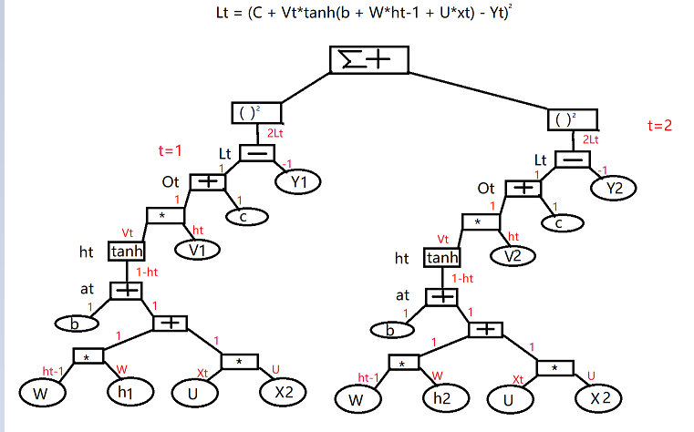
Q1

Q2 | b | W | U | c | V | are learned

Q3
Forward Pass | b=[0.1,1]T |  | w= | 0.5 | -0.4 |  | U= | 0.8 | -0.3 | 0.5
 |  |  |  | -0.3 | 0.4 |  |  | -1 | 0.1 | 0.9
 | c=0.7 |  | V=[0.5,0.8]T
 | x1=[1,-1,1]T | y1=1.5
 | x2=[1,-1,-1]T | y2=0.8

 | a1= | b+Who+Ux0 | = | [0.1,1]T | + | 0.8 | -0.3 | 0.5 | * | [1,-1,1]T | = | 1.7
 |  |  |  |  |  | -1 | 0.1 | 0.9 |  |  |  | -0.2
 | h1= | tanh(a1) | = | 0.9345
 |  |  |  | -1974
 | O1= | c+Vth1 | = | 0.7 | + | [0.5,0.8] | * | 0.9345 | = | 1.0098
 |  |  |  |  |  |  |  | -1974
 | L1= | (O1 - y1)² | = | (1.0098-1.5)² | = | 0.2403

 | as same as the above
 | a2= | b+Wh1+Ux2 | = | 1.2467
 |  |  |  | -2.4188

 | h2= | tanh(a2) | = | 0.8473
 |  |  |  | -0.9843

 | O2= | c+Vth2 | = | 0.3363

 | L2= | (O2 - y2)² | = | 0.21501769

$$∂TL/∂c$$
$$∂TL/∂v$$
Backward Pass
 |  | = | 2(O1-y1)+2(O2-y2) |  | = | -1.9078
 |  | = | 2(O1-y1)h1+2(O2-y2)h2 |  | = | -1.703
$$∂TL/∂b$$
 |  |  |  |  |  | 1.1064
 |  | = | 2(O1-y1)diag(1-h1²） |  | + | -0.1921
$∂TL/∂$U
 |  |  | 2(O2-y2)diag(1-h2²） |  | = | -0.7769

$∂TL/∂$W
 |  | = | 2(O1-y1)diag(1-h1²)vX1 |  | + | -0.1921 | 0.1921 | 0.0695
 |  |  | 2(O1-y1)diag(1-h1²)vX2 |  | = | -0.7769 | 0.7769 | -0.7306

 |  | = | 2(O1-y1)diag(1-h1²)vh0 |  | + | -0.1224 | 0.0258
 |  |  | 2(O1-y1)diag(1-h1²)vh1 |  | = | -0.0217 | 0.0046

Problem 3 Bayesian Networks
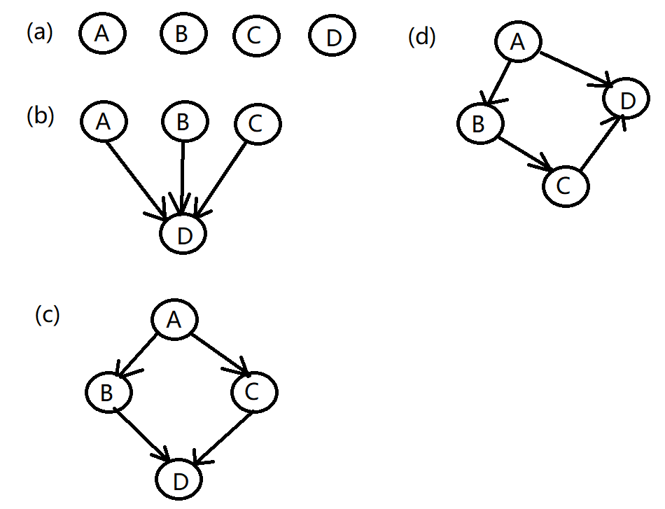
Q1

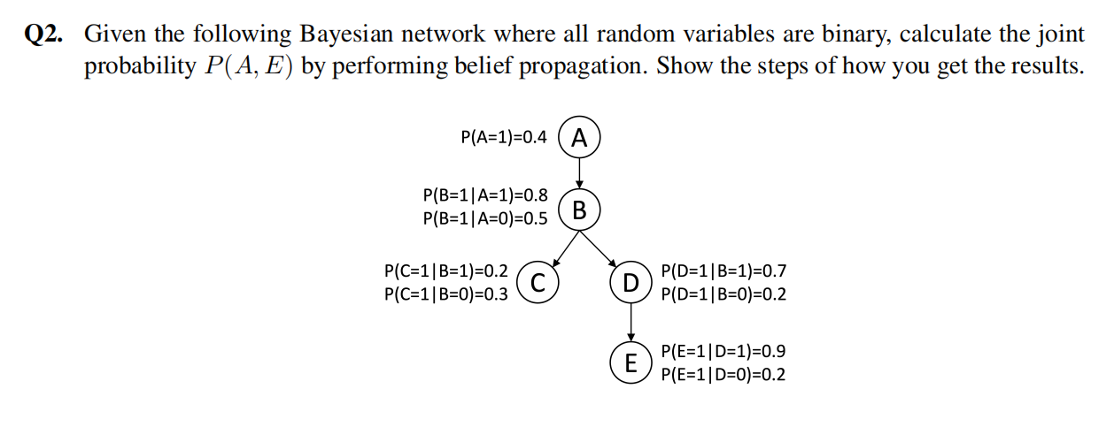

 |  |  |  |  |  |  |  |  | P(E=1,A=1)= | P(E=1 | D=1) | P(D=1 | B=1) | P(B=1 | A=1) | P(A=1) | +
 |  |  |  |  |  |  |  |  |  | P(E=1 | D=0) | P(D=0 | B=1) | P(B=1 | A=1) | P(A=1) | +
 |  |  |  |  |  |  |  |  |  | P(E=1 | D=1) | P(D=1 | B=0) | P(B=0 | A=1) | P(A=1) | +
 |  |  |  |  |  |  |  |  |  | P(E=1 | D=0) | P(D=0 | B=0) | P(B=0 | A=1) | P(A=1)
 |  |  |  |  |  |  |  |  | = | 0.9*0.7*0.8*0.4 | +
 |  |  |  |  | A |  |  |  |  | 0.2*0.3*0.8*0.4 | +
P(A=1) | 0.4 |  |  | 1 | 0 |  |  |  |  | 0.9*0.2*0.2*0.4 | +
P(A=0) | 0.6 | B | 1 | 0.32 | 0.3 |  | P(B=1) | 0.62 |  | 0.2*0.8*0.2*0.4
 |  |  | 0 | 0.08 | 0.3 |  | P(B=0) | 0.38 | = | 0.2016 | 0.0192 | 0.0144 | 0.0128
P(B=1 | A=1) | 0.8 | P(A=1)=0.4 |  |  |  |  |  |  | = | 0.248
P(B=1 | A=0) | 0.5 | P(A=0)=0.6
 |  | P(B=0 | A=1) | = | P(B=0 | A=1) | = | 0.08 | = | 0.2
P(C=1 | B=1) | 0.2 |  |  | P(A=1) |  | 0.4
P(C=1 | B=0) | 0.3
 |  |  |  |  | B
P(D=1 | B=1) | 0.7 |  |  | 1 | 0
P(D=1 | B=0) | 0.2 | D | 1 | 0.434 | 0.076 |  | P(D=1) | 0.51
 |  |  | 0 | 0.186 | 0.304 |  | P(D=0) | 0.49
P(E=1 | D=1) | 0.9 | P(B=1)=0.62
P(E=1 | D=0) | 0.2 | P(B=0)=0.38
 |  | P(D=0 | B=1) | = | P(D=0 | B=1) | = | 0.186 | = | 0.3
 |  |  |  | P(B=1) |  | 0.62

 |  | P(D=0 | B=0) | = | P(D=0 | B=0) | = | 0.304 | = | 0.8
 |  |  |  | P(B=0) |  | 0.38
P(B=1) | 0.62 |  |  |  | D
P(B=0) | 0.38 |  |  | 1 | 0
 |  | E | 1 | 0.459 | 0.098 |  | P(E=1) | 0.557
P(D=1) | 0.51 |  | 0 | 0.051 | 0.392 |  | P(E=0) | 0.443
P(D=0) | 0.49 | P(D=1)=0.51
 |  | P(D=0)=0.49
P(E=1) | 0.557 | P(E=0 | D=1) | = | P(E=0 | D=1) | = | 0.051 | = | 0.1
P(E=0) | 0.443 |  |  | P(D=1) |  | 0.51

