Sheet1
x0 | x1 | x2 | y |  | w | [-1, -1, -1]T
1 | 1 | -1 | 1
1 | 1 | 1 | 1
1 | -1 | 1 | 1
1 | -1 | -1 | -1

Iteration # | w(old) | x | y | y(WTX) | Update(Y/N) | yx | w(new)
1 | [-1,-1,-1] | [1,1,-1] | 1 | -1 | Y | [1,1,-1] | [0,0,-2]
2 | [0,0,-2] | [1,1,1] | 1 | -2 | Y | [1,1,1] | [1,1,-1]
3 | [1,1,-1] | [1,-1,1] | 1 | -1 | Y | [1,-1,1] | [2,0,0]
4 | [2,0,0] | [1,-1,-1] | -1 | -2 | Y | [-1,1,1] | [1,1,1]

5 | [1,1,1] | [1,1,-1] | 1 | 1 | N
6 | [1,1,1] | [1,1,1] | 1 | 3 | N
7 | [1,1,1] | [1,-1,1] | 1 | 1 | N
8 | [1,1,1] | [1,-1,-1] | -1 | 1 | N
1*(-1*1+-1*1+-1*-1) | -1 | [-1,-1,-1] + 1*[1,1,-1] = [0,0,-2]
1*(0*1+0*1+-2*1) | -2 | [0,0,-2] + 1 * [1,1,1] = [1,1,-1]
1*(1*1+1*-1+-1*1) | -1 | [1,1,-1] + [1,-1,1] = [2,0,0]
"-1*(2*1+0*-1+0*-1)" | -2 | [2,0,0] + -1 * [1,-1,-1] = [2,0,0] + [-1,1,1] = [1,1,1]

1 * (1*1+1*1+1*-1) | 1
1 * (1*1+1*1+1*1) | 3
1 * (1*1+1*-1+1*1) | 1
"-1 * (1*1+1*-1+1*-1)" | 1

 |  |  |  |  |  | w | [0.3, 0.5, 0.5]

Iteration # | w(old) | x | y | y(WTX) | Update(Y/N) | yx | w(new)
1 | [0.3,0.5,0.5] | [1,1,-1] | 1 | 0.3 | N | [1,-1,1] | [0.3,0.5,0.5]
2 | [0.3,0.5,0.5] | [1,1,1] | 1 | 1.3 | N | [1,1,1] | [0.3,0.5,0.5]
3 | [0.3,0.5,0.5] | [1,-1,1] | 1 | 0.3 | N | [1,-1,1] | [0.3,0.5,0.5]
4 | [0.3,0.5,0.5] | [1,-1,-1] | -1 | 0.7 | N | [-1,1,1] | [0.3,0.5,0.5]
5

1 * (0.3 * 1+ 0.5*1+0.5*-1) | 0.3
1 * (0.3 * 1+ 0.5*1+0.5*1) | 1.3
1 * (0.3 * 1+ 0.5*-1+0.5*1) | 0.3
"-1*(0.3 *1+0.5*-1+0.5*-1) | 0.7

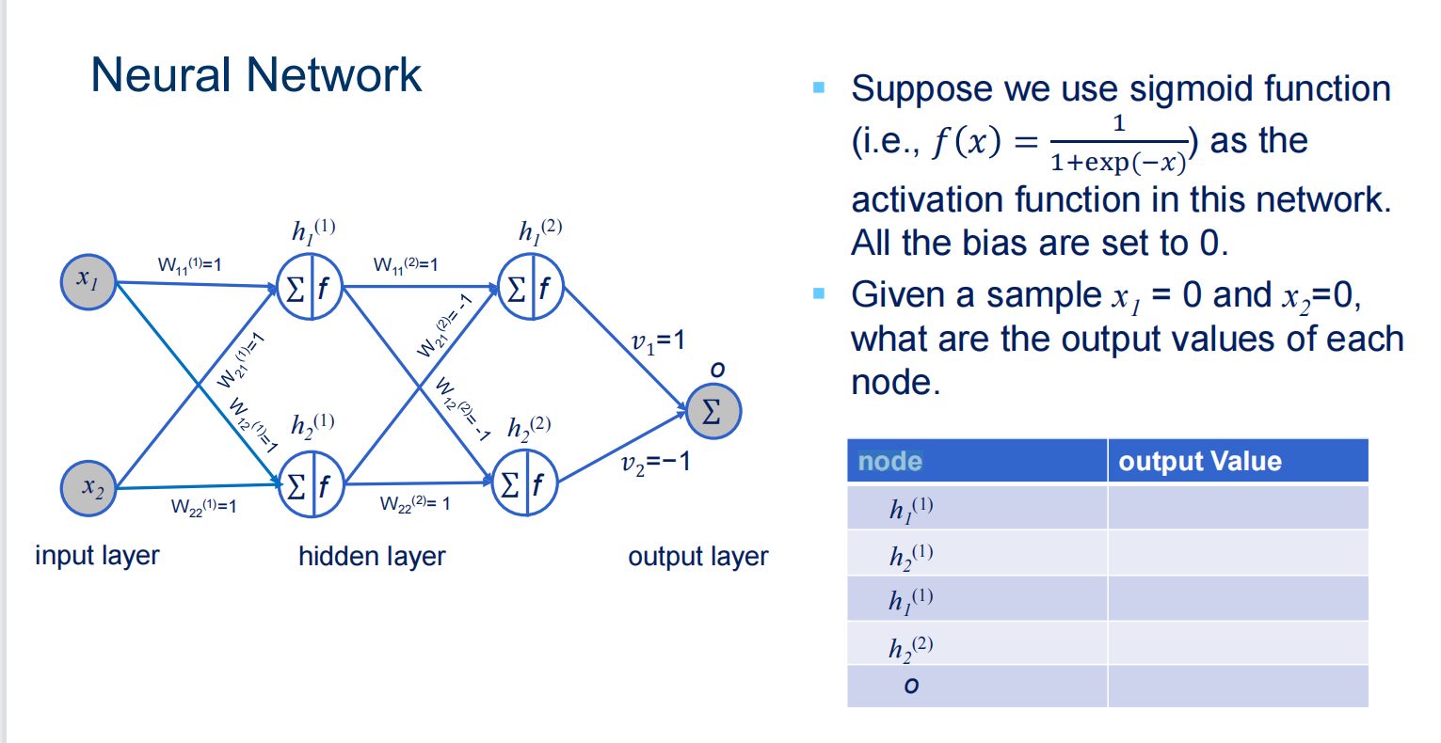

node | outputValue
h1 (1) | w11(1) * X1 + W22(1) * x2 | 1 / (1 + exp(-(w11(1) * X1 + W22(1) * x2 ))) | 1 / 1+1 = 1/2
h2 (1) | w21(1) * X1 + W12(1) * x2 | 1 / 1+1 = 1/2
h2 (2) | w12(2) * h11 + w22(2) * h21 | 0 | 1/ 1 + 1 = 1/2
h1 (2) | w11(2) * h11 + w21(2) * h21 | 0 | 1 / 1 + 1 = 1/2
o | h1(2) * 1 + h2(2) * -1 |  | 0

-0.46134566975
-0.52388246629 | 0.49261406802
-0.19062207543 | 0.29583638929
-0.40105070315 | 0.15154954269
-0.38997500048 | -0.91829583405
-0.52832083357 | 0.55097750043
-1 | 0.4
 | 0.020022499567
-0.4421793565
-0.52877123795 | -0.97095059445
 | 0.58257035667
0 | 0.32742964333

