Demo构成&运行时序图
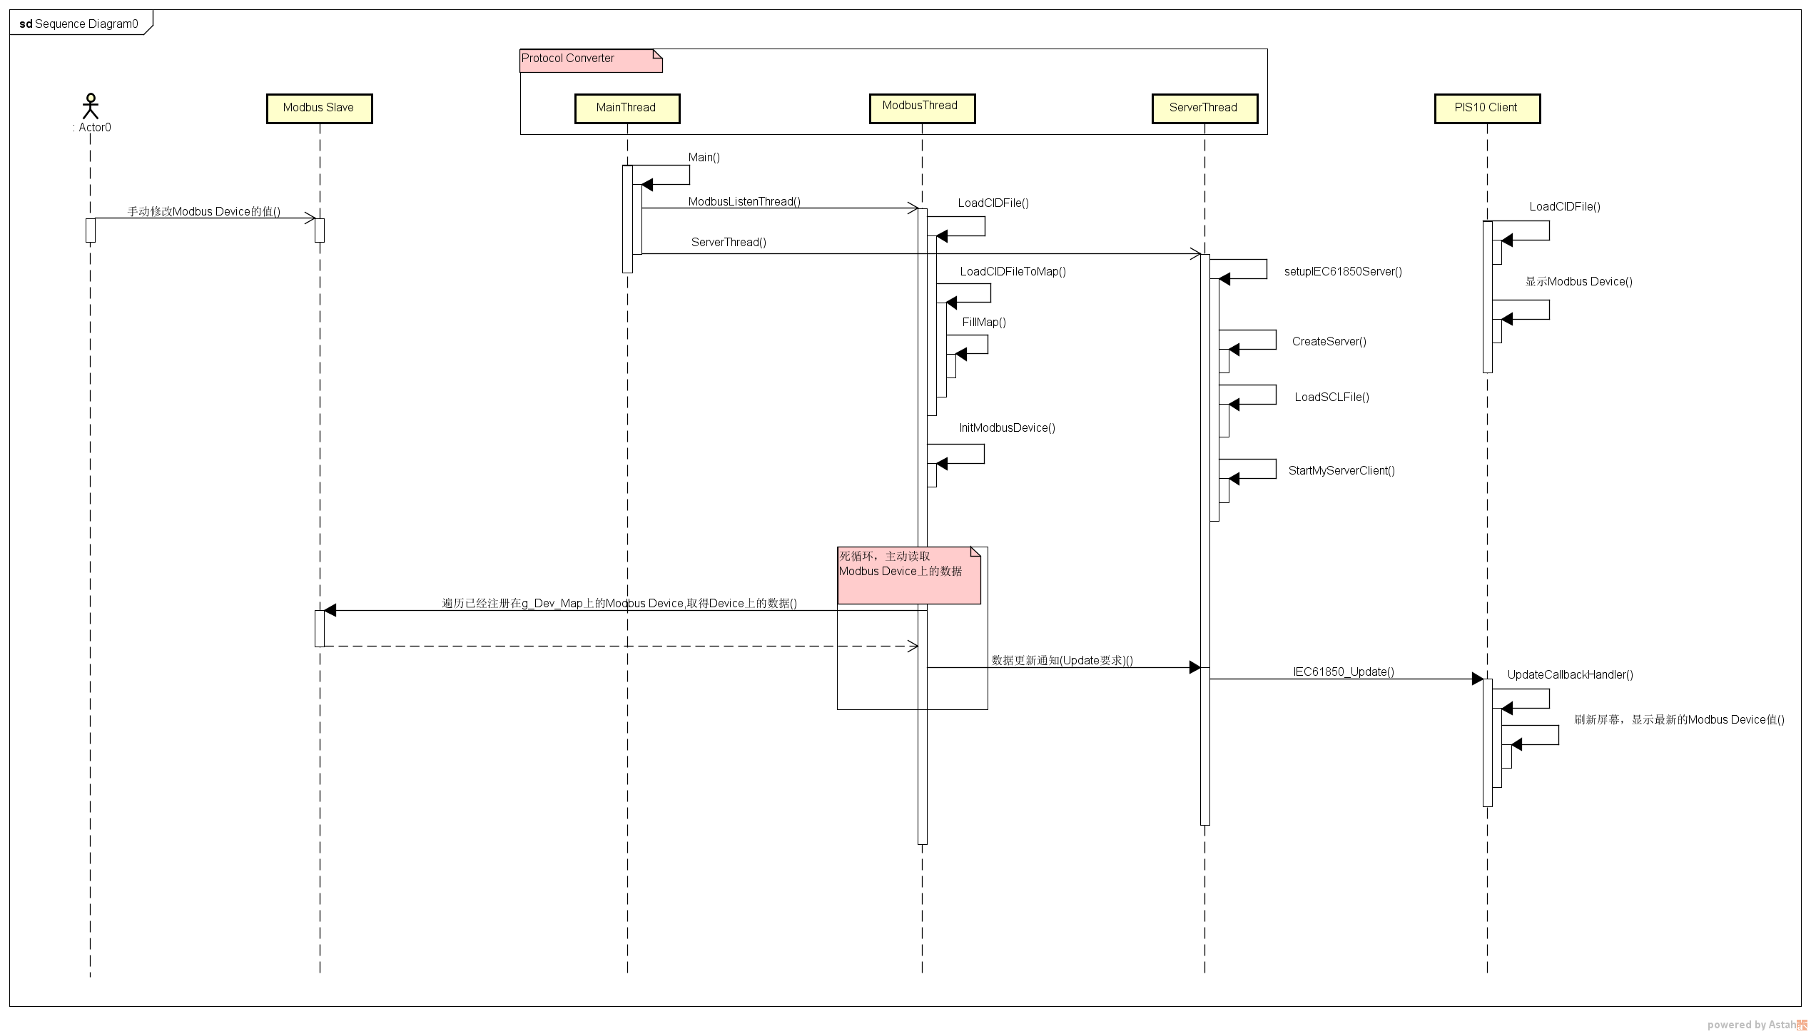
View
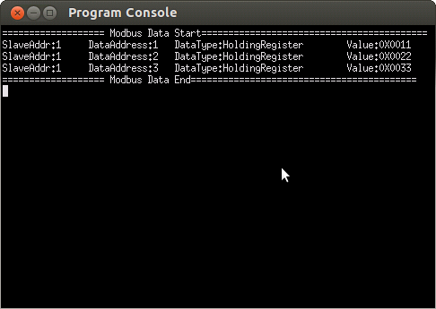
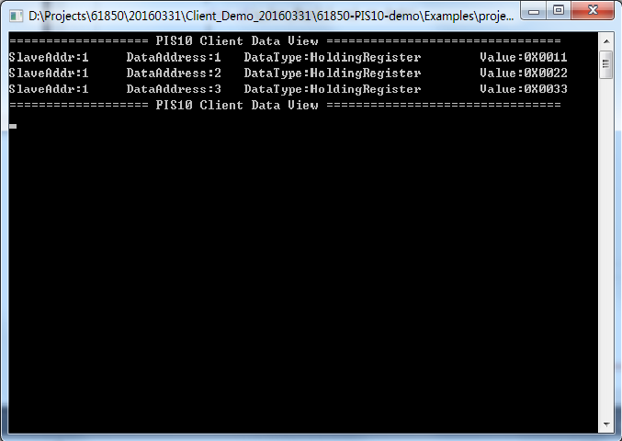
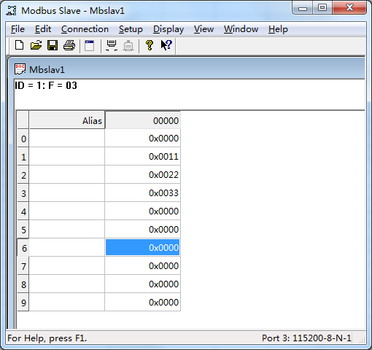

Description

Win PC
Character:
Modbus Salve
Composition :
Modbus Slave (Third Party Application)
Responsibility:
As a Modbus Salve, moniter on virtual Modbus
Devices , connected with Unbuntu PC with Serial Port.
By Modbus Slave Application, modify the Modbus Device
Value is available.
Unbuntu PC
Character:
Protocol Converter(Modbus -> 61850)
Composition :
Modbus Master & PIS10 Server
Responsibility:
As a Protocol converter for converting Modbus Protocol to 61850
Protocol , composite of a Modbus Master and a PIS10 Server.
Keep Listening on the registered Modbus Devices(from SCL File) ,
Once Modbus Device Value has been changed , update the mapping
61850 Devices by PIS10 Stack Interface. And notify PIS10 Client by
calling PIS10 Client Upate CallBack function.
Win PC
Character:
61850 Bus Devices
Composition :
PIS10 Client
Responsibility:
As a view Application , connected with Protocol Converter by LAN.
Display all the registered 61850 Devices status(from SCL File
contains SlaveAddress, DataAddress, DataType and Value).
While PIS10 Client Update CallBack function has been called,
refresh view of 61850 Devices status.

COM
TCP/IP

PIS10 Stack
Modbus Protocol

61850 Protocol

Sequence

环境设定
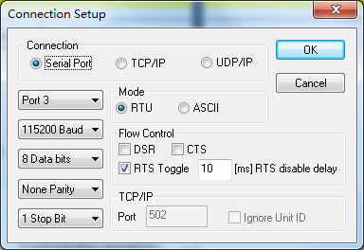
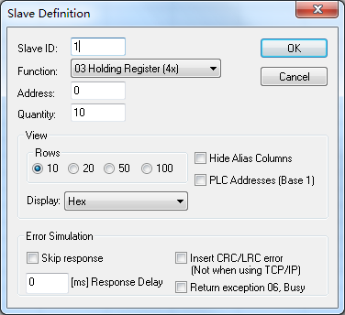
Protocol Converter工程设定：

 | 使用IDE | CodeBlocks
 | 需要安装的库 | libPIS10V2
 |  | libpcap
 |  | libpthread
 |  | libmodbus
 |  | libxml2

 | 环境配置(Link配置)
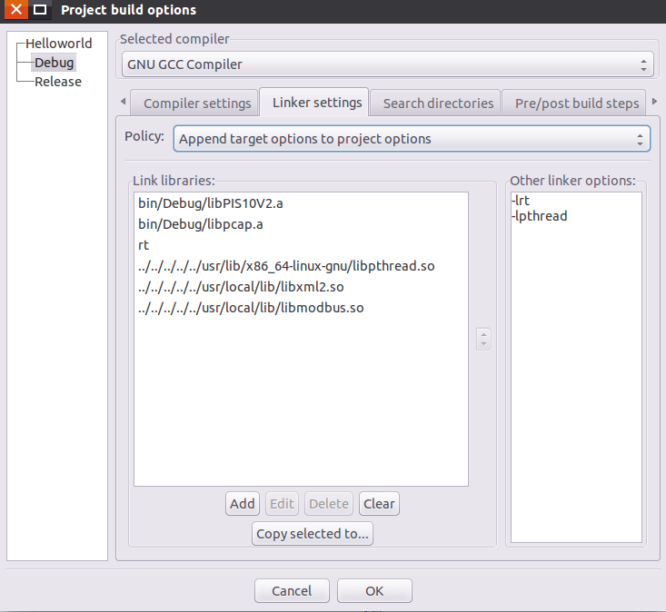

 | 环境配置(检索头文件设置)

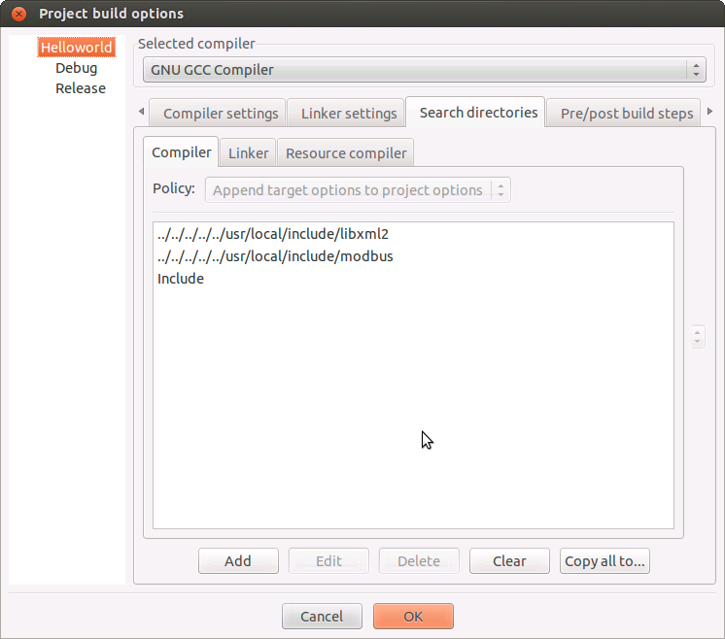

Modbus Slave设定：

