Band Chart
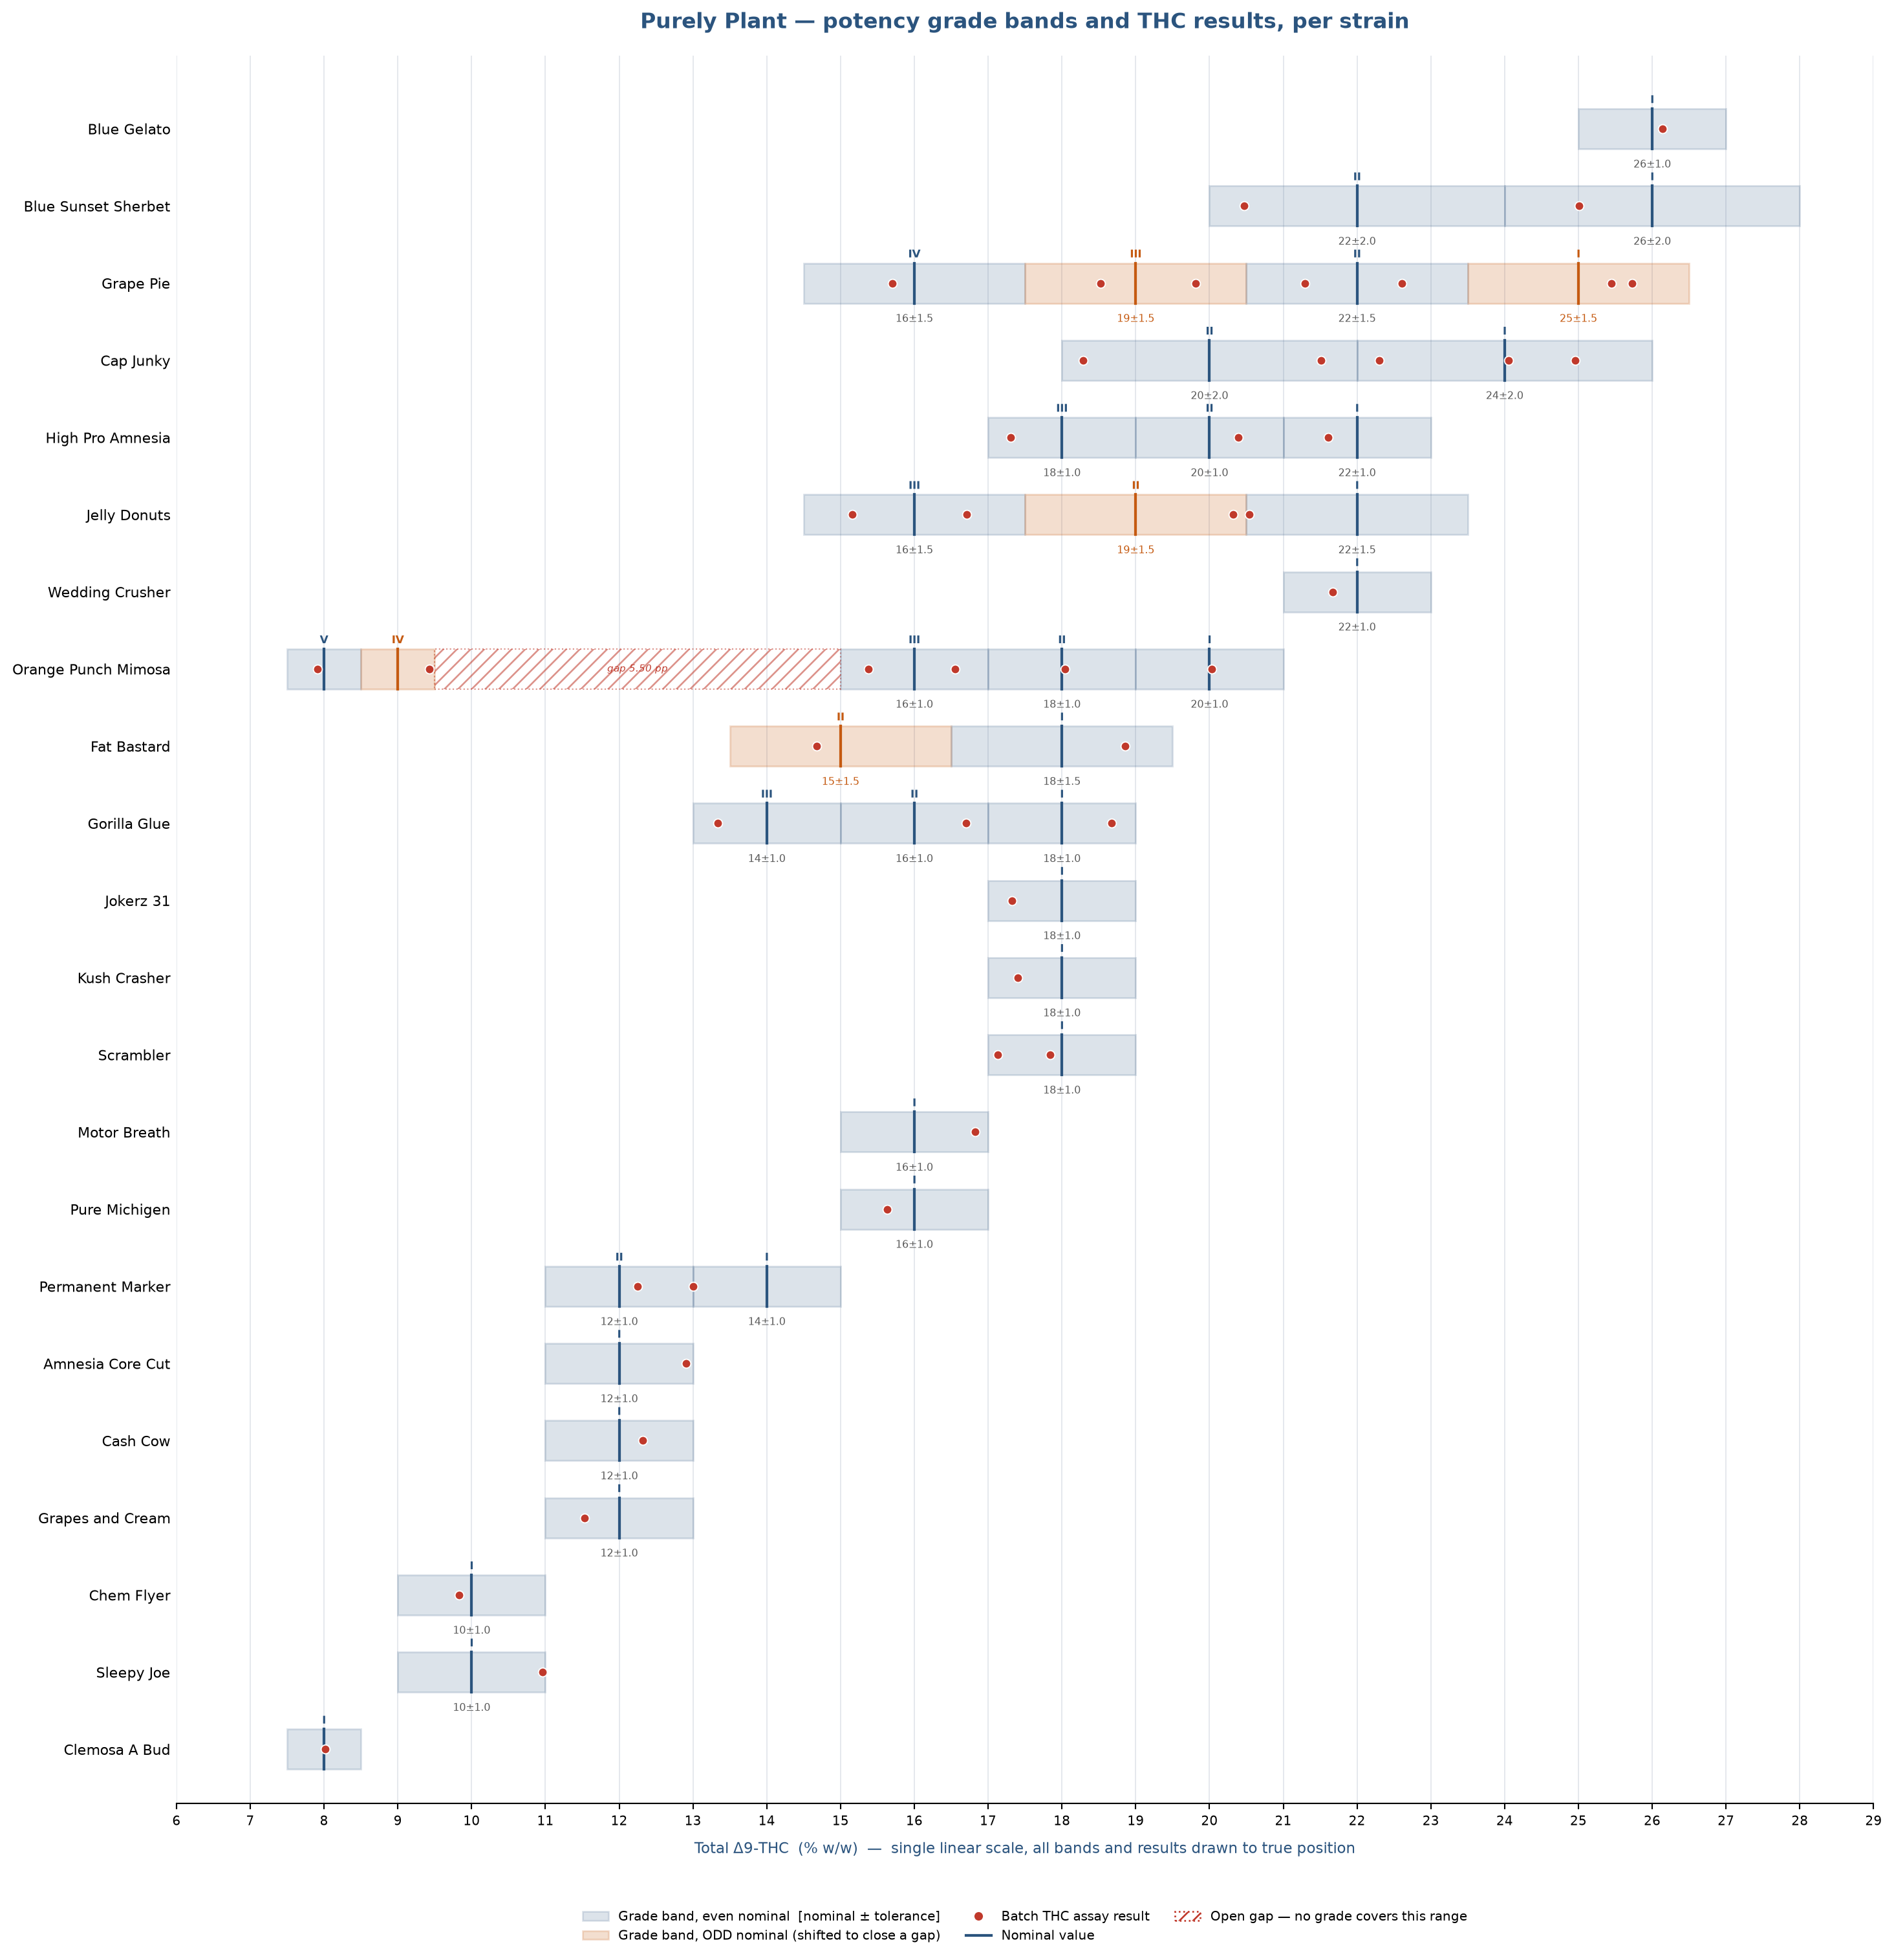
Potency grade bands and THC results per strain — single linear % scale, all elements drawn to true position

