config-meta
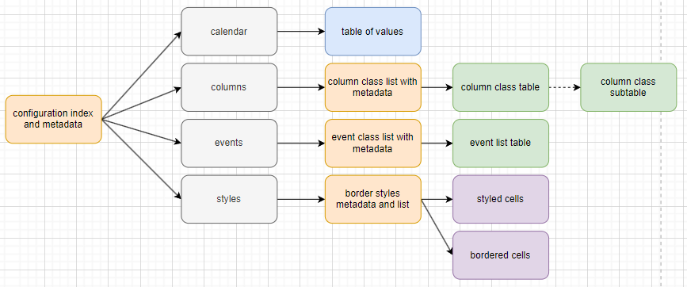
notes:
- make sure can parse over empty lines
- ignore linces starting with #
types | description
meta-config | Describes the configuration metadata, usually used prior to a list. Use the meta-config describes the proceedign table of information
config | a refernce to a sub-configuration sheet
int | an integer value
string | a text value
date | a date value always as yyyy-mm-dd
list | if rather than a single value, it is describing a row in a table
day | day of the week???
style-cell | the style of a cell
style-border | the style of a cell's borders

