CC
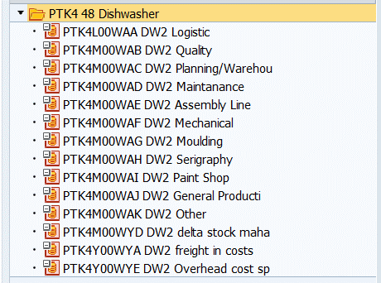
MFG | PTK4M00WAB
 | PTK4M00WAC
 | PTK4M00WAD
 | PTK4M00WAE
 | PTK4M00WAF
 | PTK4M00WAG
 | PTK4M00WAH
 | PTK4M00WAI
 | PTK4M00WAJ
 | PTK4M00WAK
 | PTK4M00WYD
Overhead | PTK4Y00WYE

